Proof Screenshots
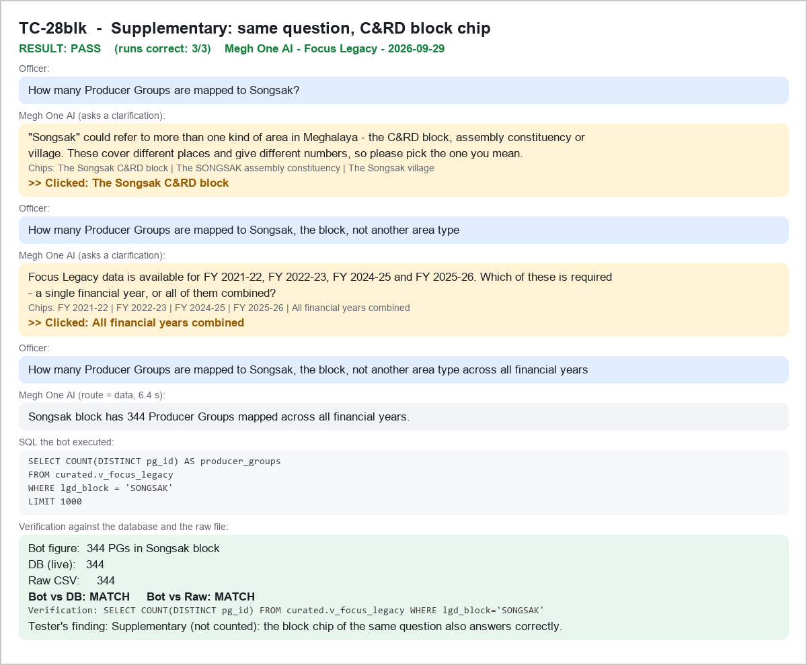
TC-01 - Understand the FOCUS scheme - PASS
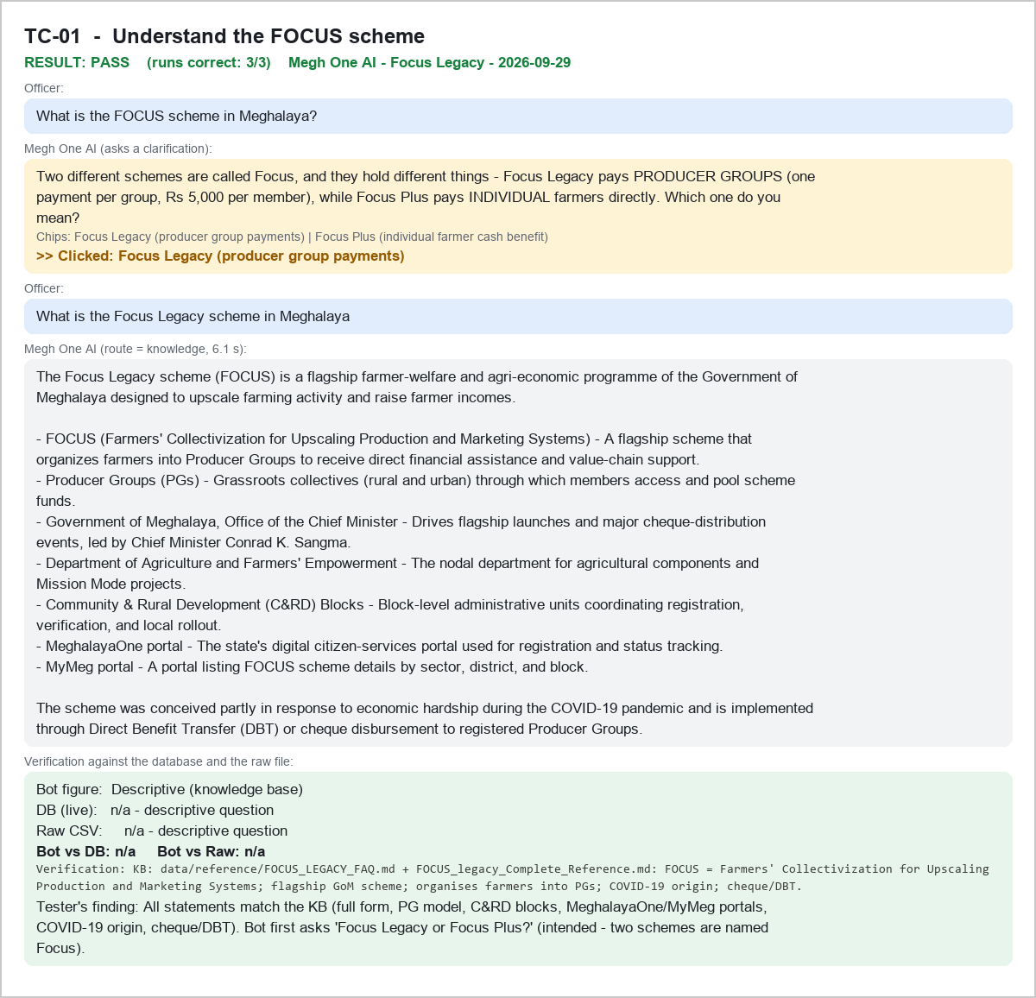

TC-02 - Understand the scheme objective - PASS
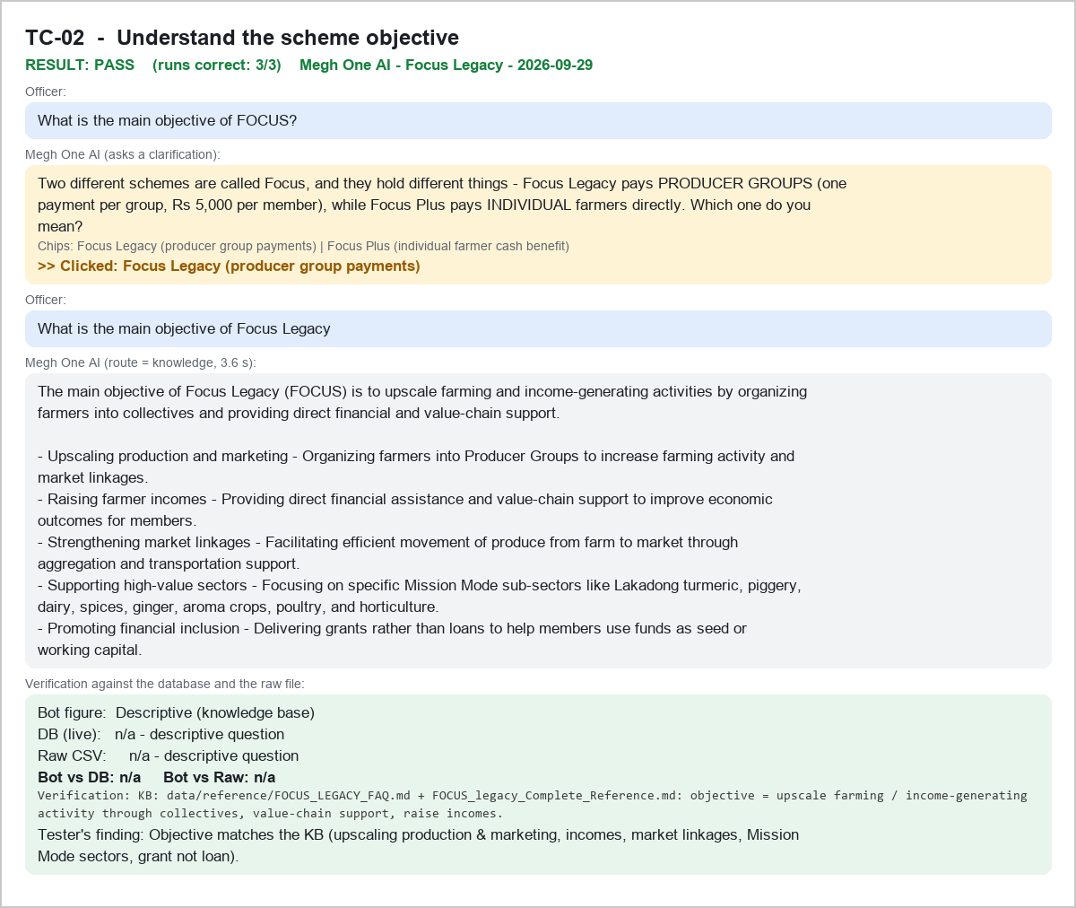

TC-03 - Understand beneficiary eligibility - PASS
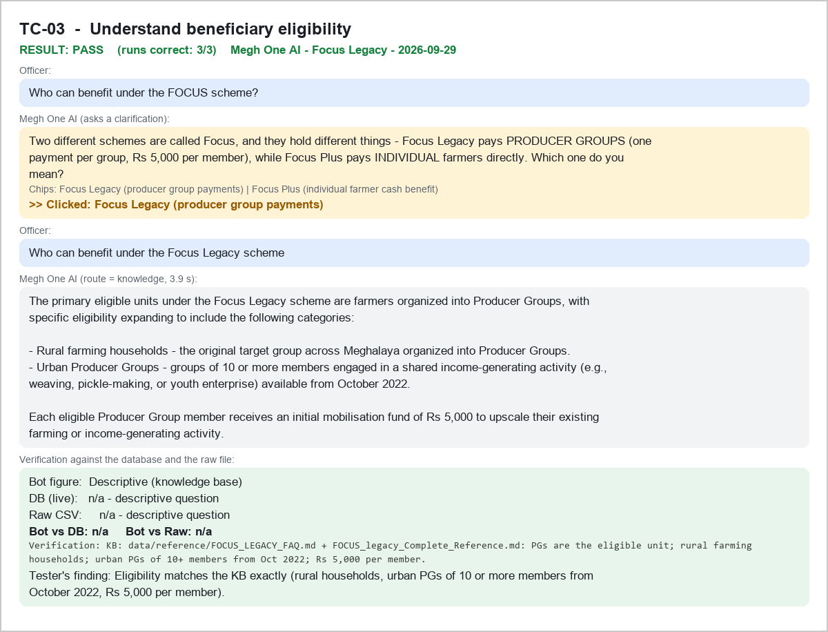

TC-04 - Understand Producer Groups - PASS
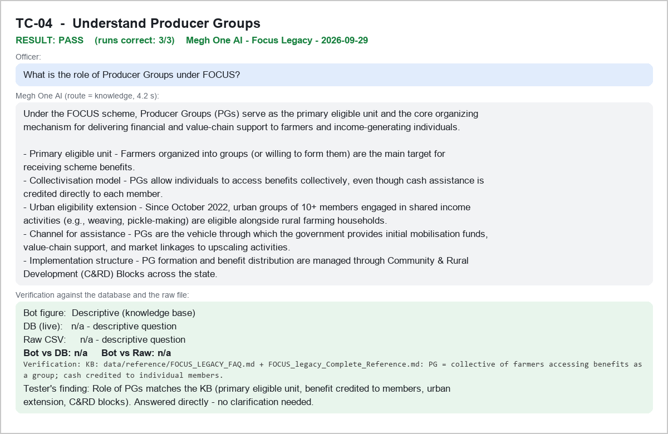

TC-05 - Understand financial assistance - PASS
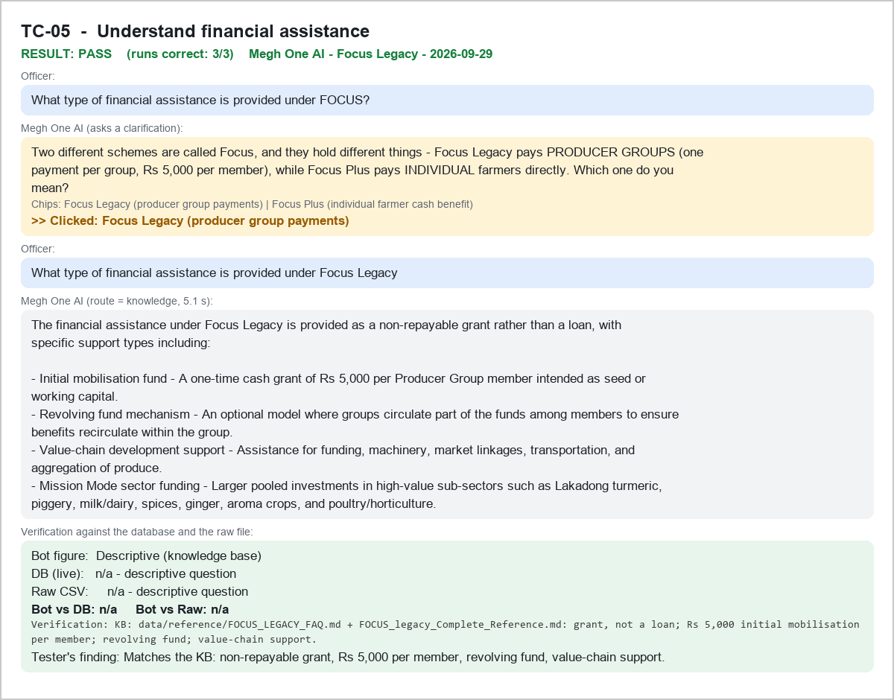

TC-06 - Understand scheme support provided to Producer Groups - PASS
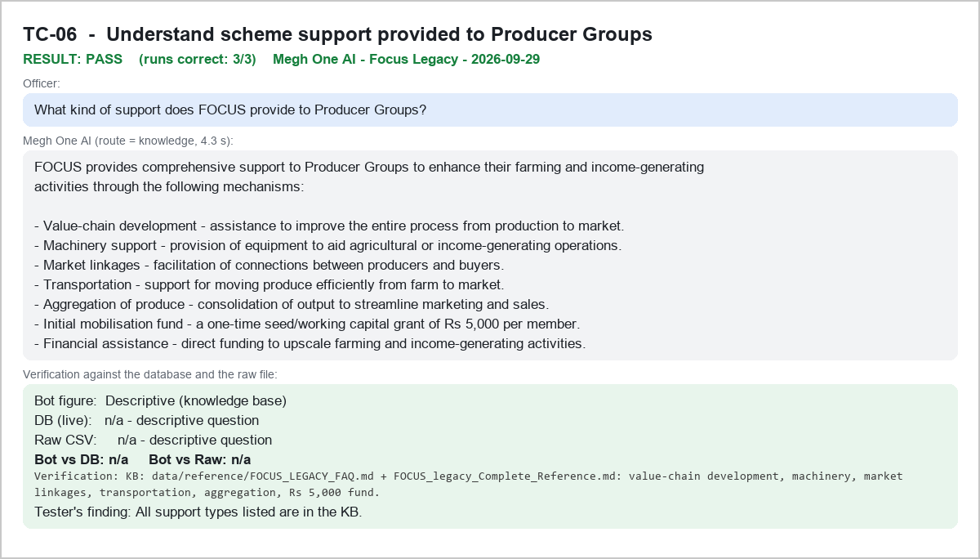

TC-07 - Understand fund distribution - PASS
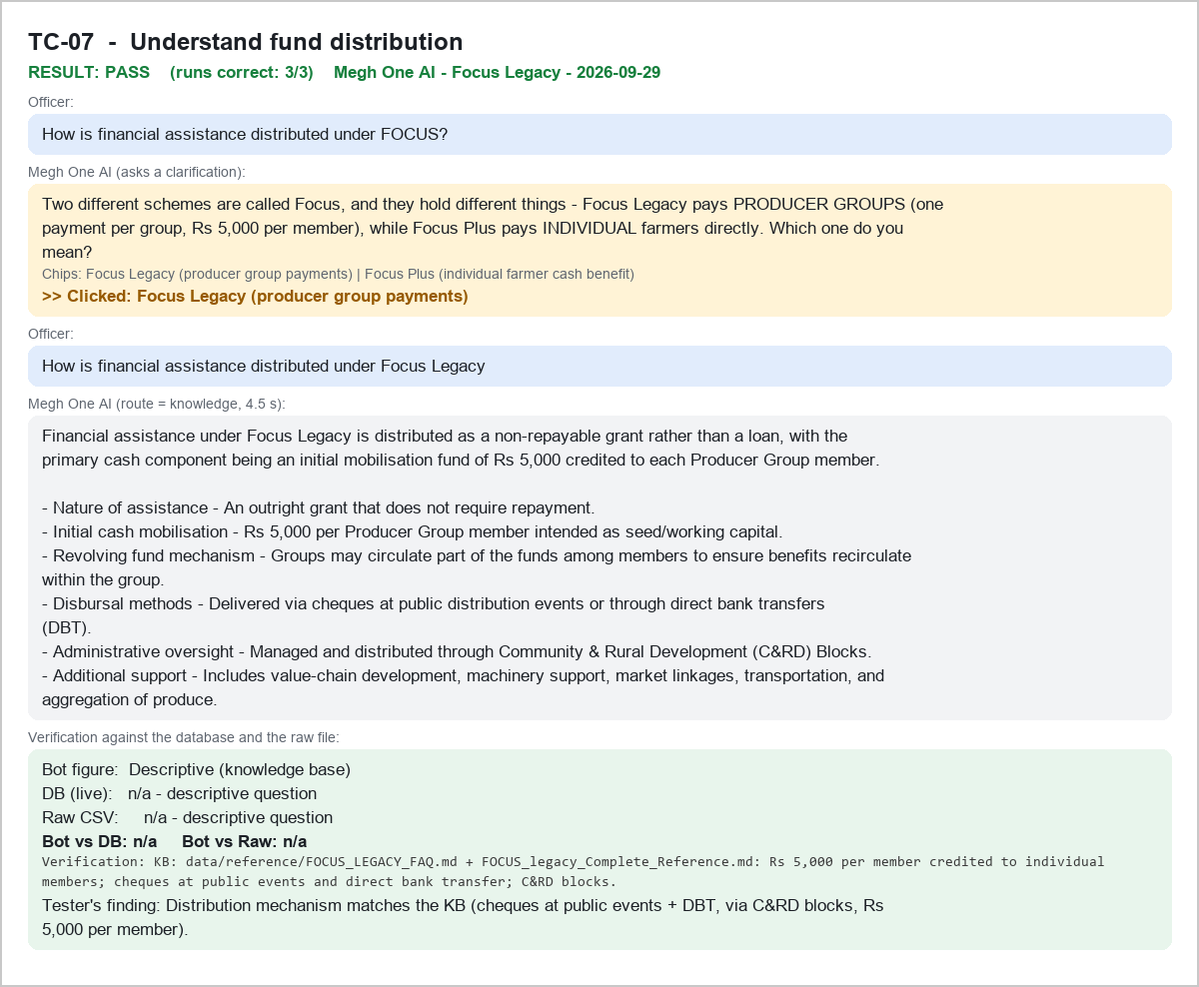

TC-08 - Understand scheme coverage - PASS
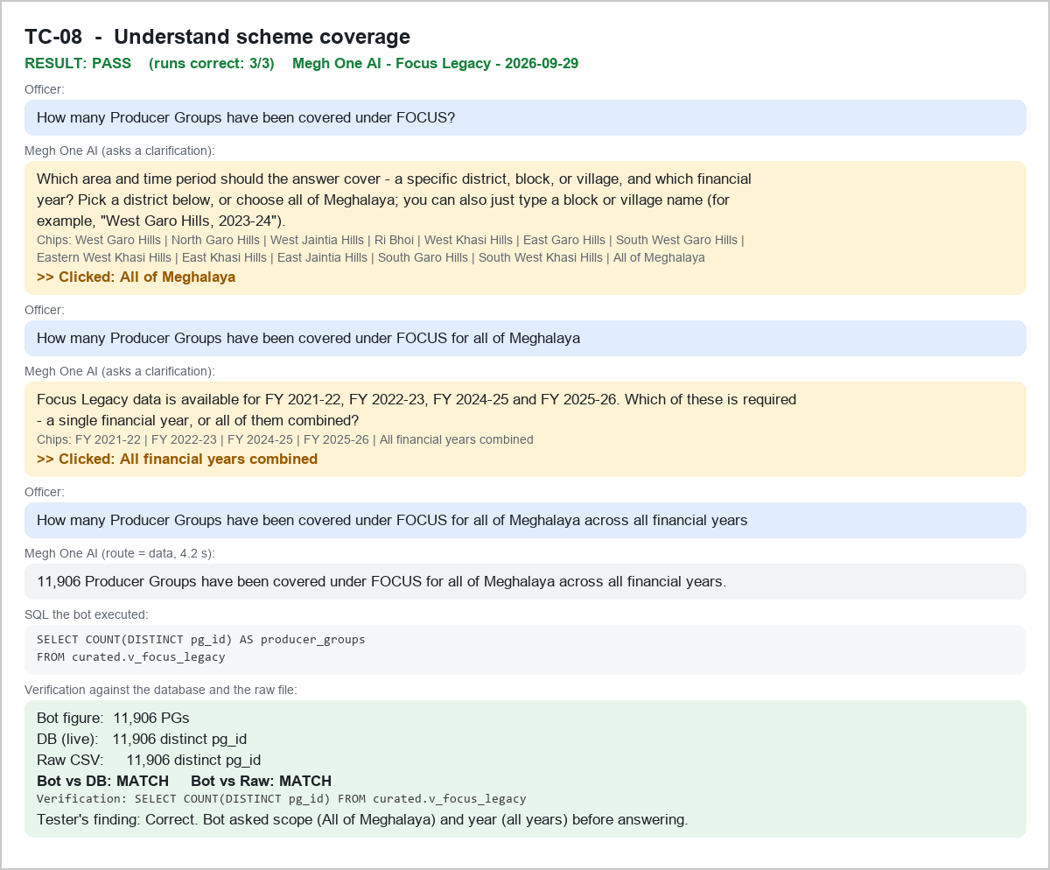

TC-09 - Get a scheme overview for official briefing - PASS
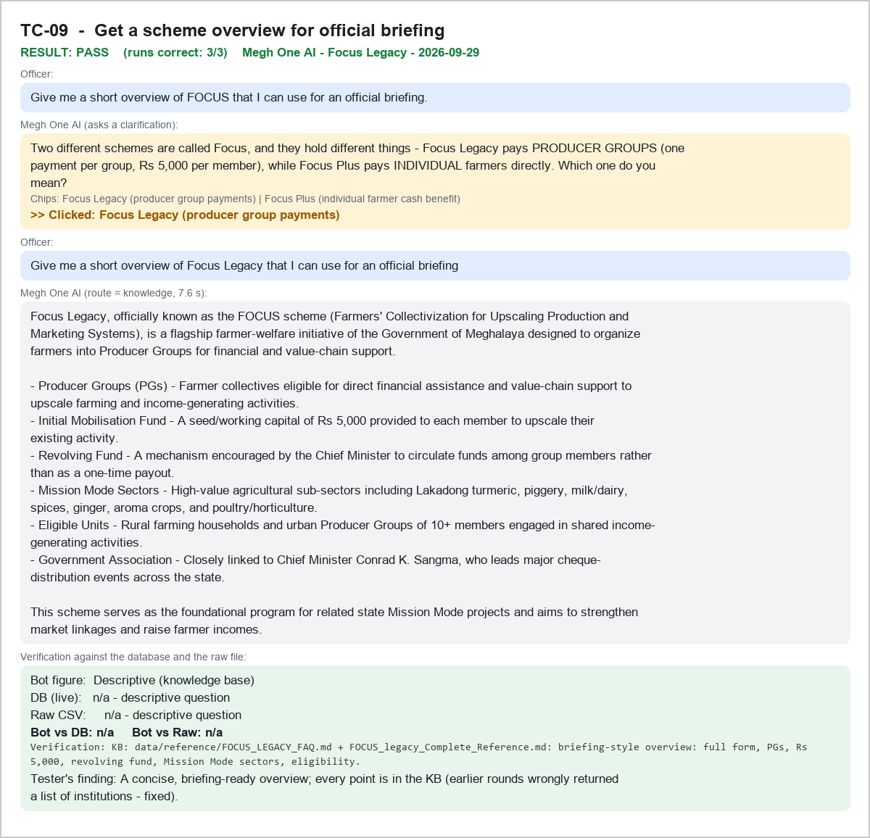

TC-10 - Identify total beneficiaries in the FOCUS scheme - PASS
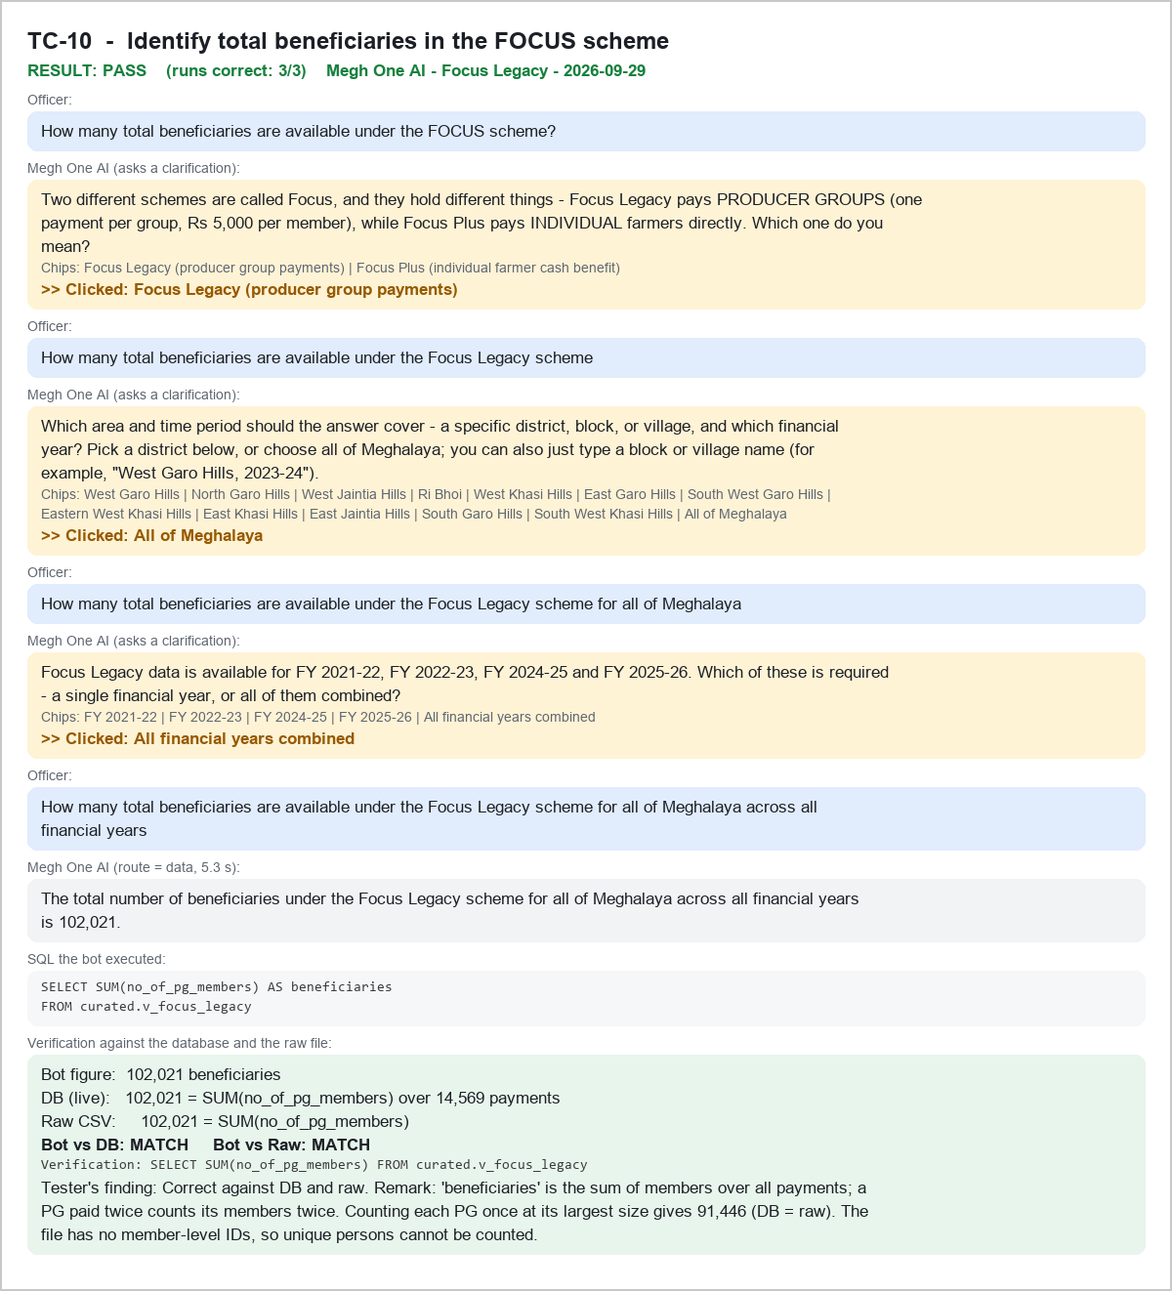

TC-11 - Identify unique Producer Groups - PASS
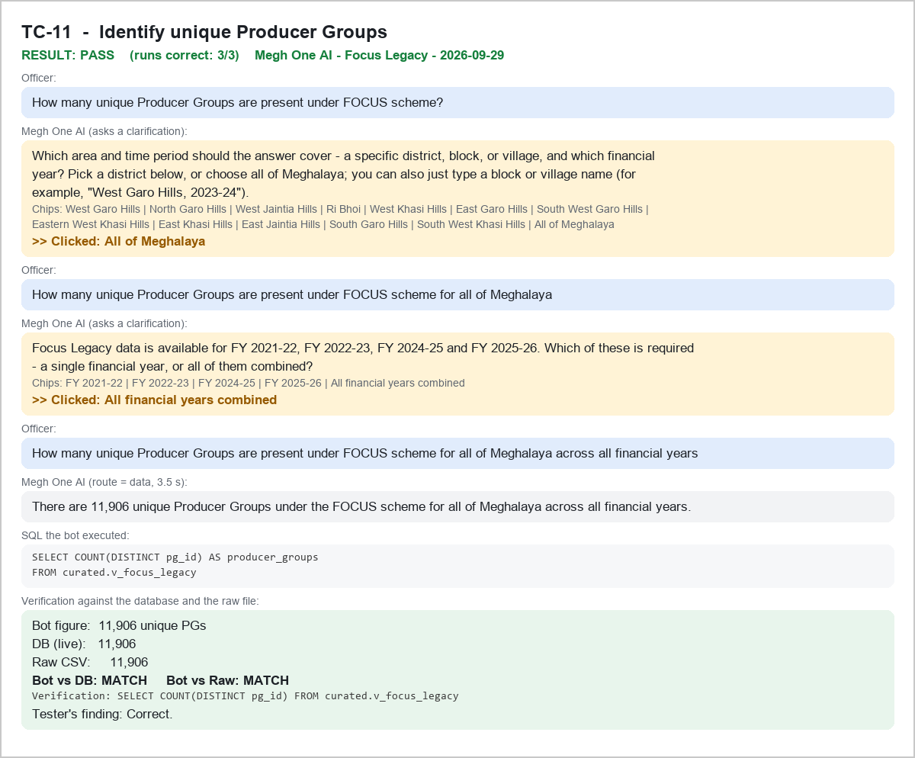

TC-12 - Identify duplicate Producer Groups - PASS
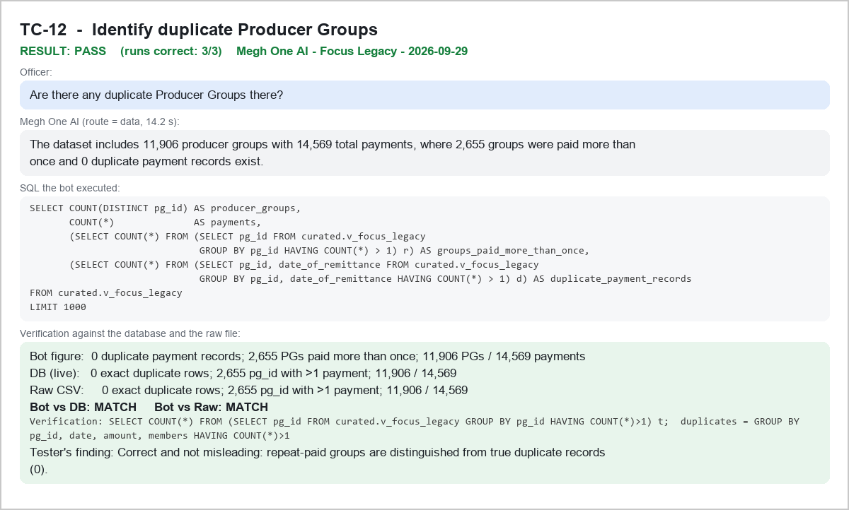

TC-13 - Search for a Producer Group by name - PASS
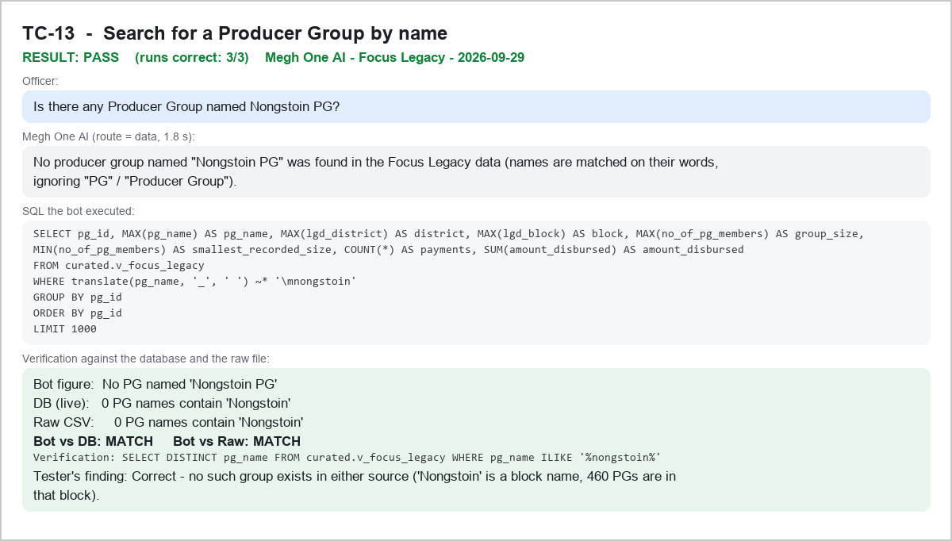

TC-14 - Check the number of members in a Producer Group - PASS
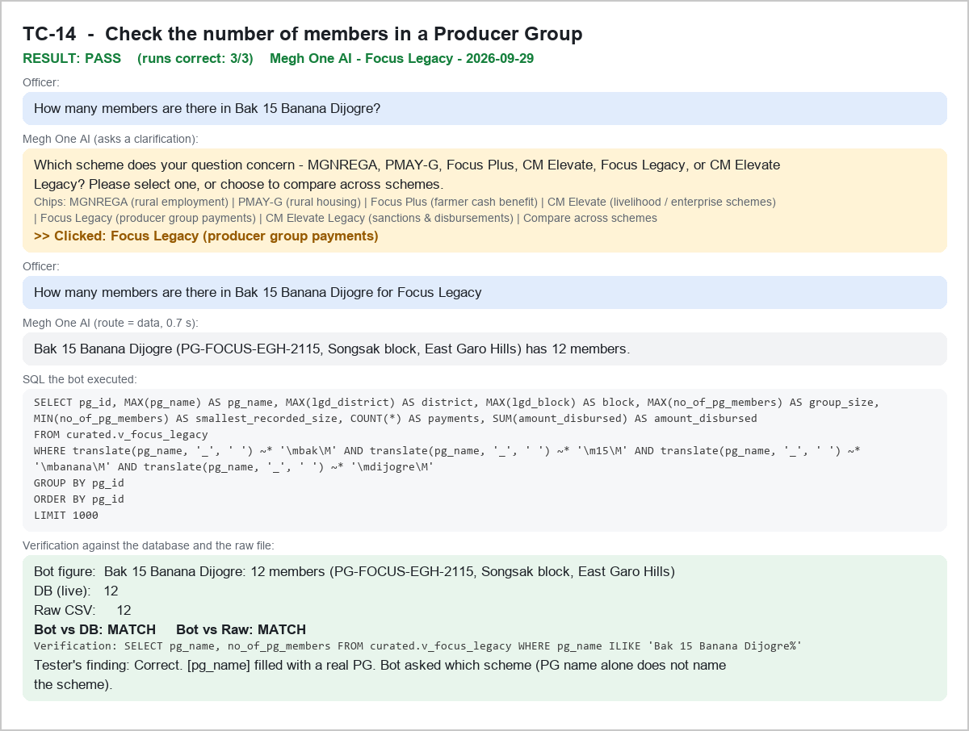

TC-14b - Supplementary: members of a PG that was paid twice - PASS
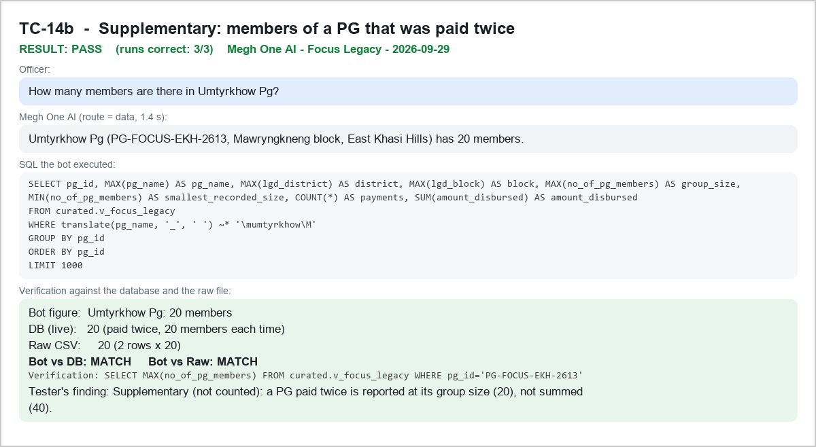

TC-15 - Identify Producer Groups based on member count - PASS
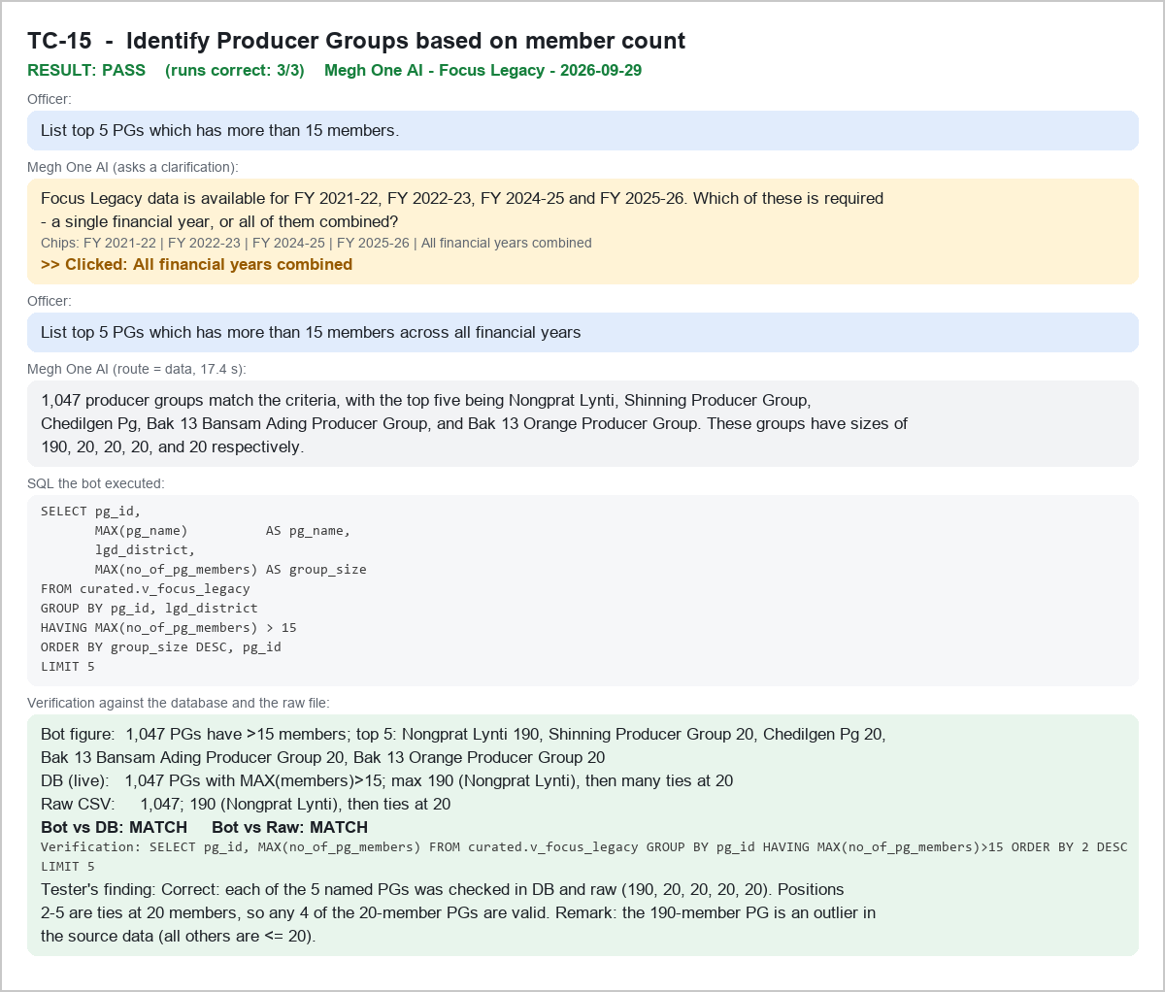

TC-16 - Calculate the total number of Producer Group members - PASS
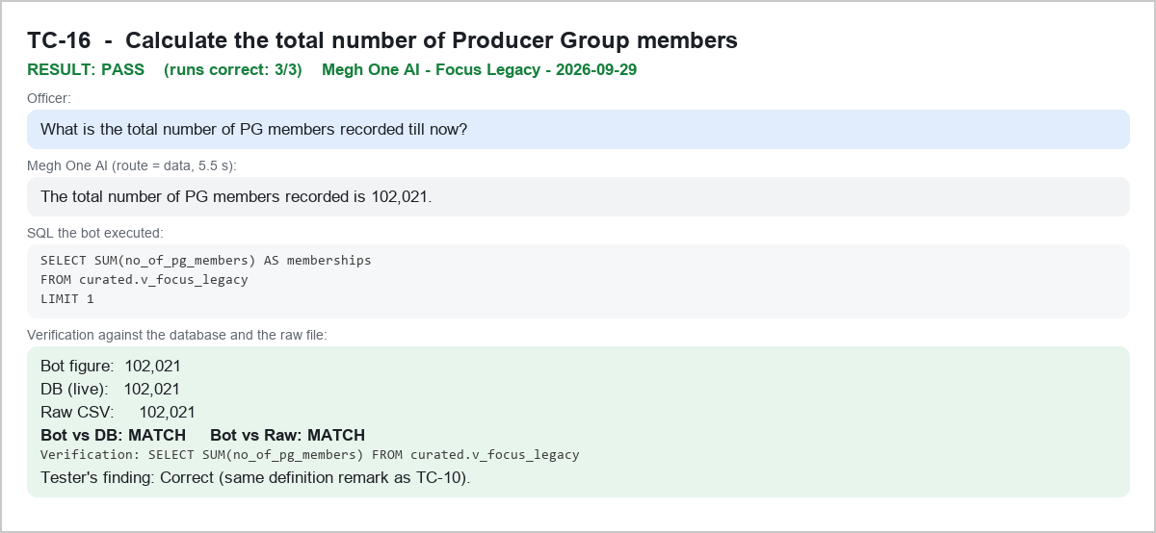

TC-17 - Calculate total Producer Group members by district - PASS
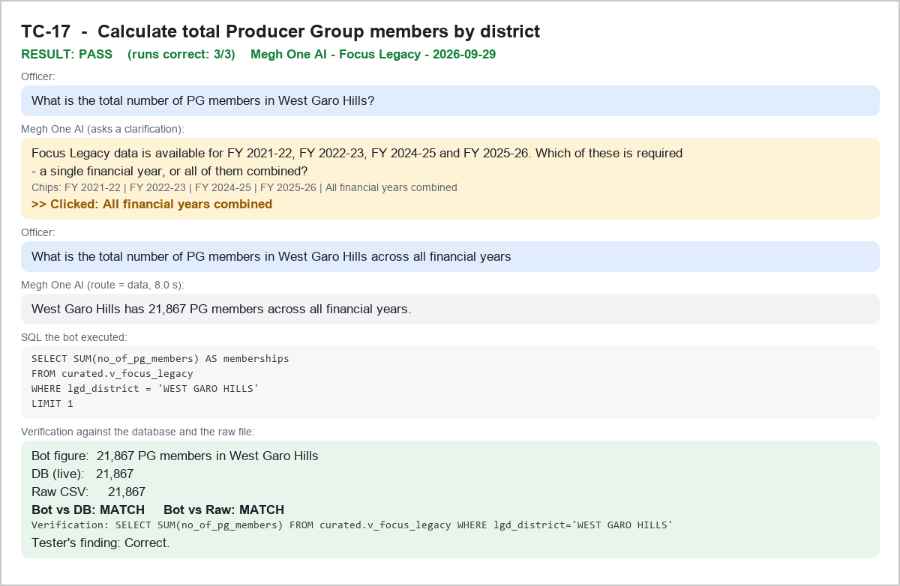

TC-18 - Calculate the total amount disbursed by district - PASS
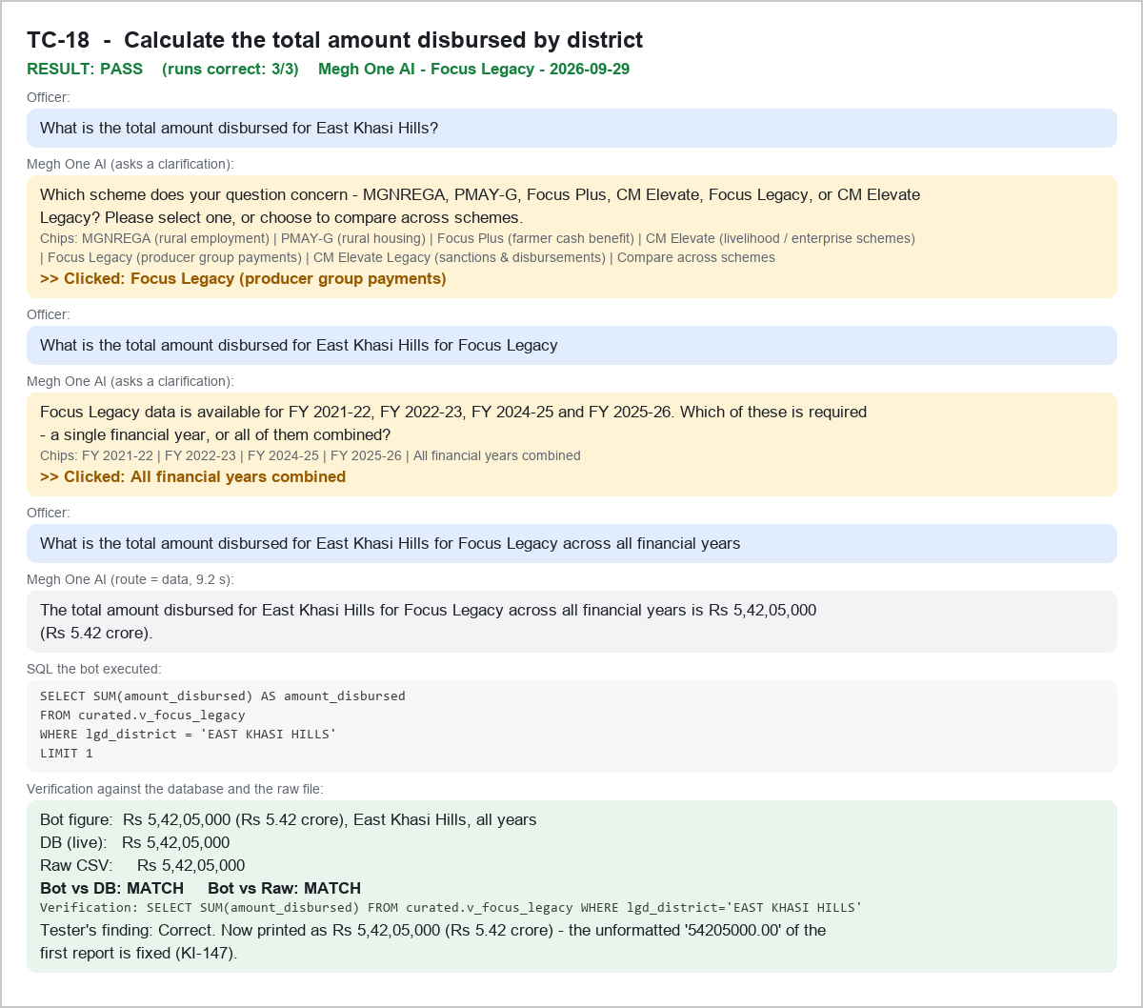

TC-19 - Identify Producer Groups based on disbursed amount - PASS
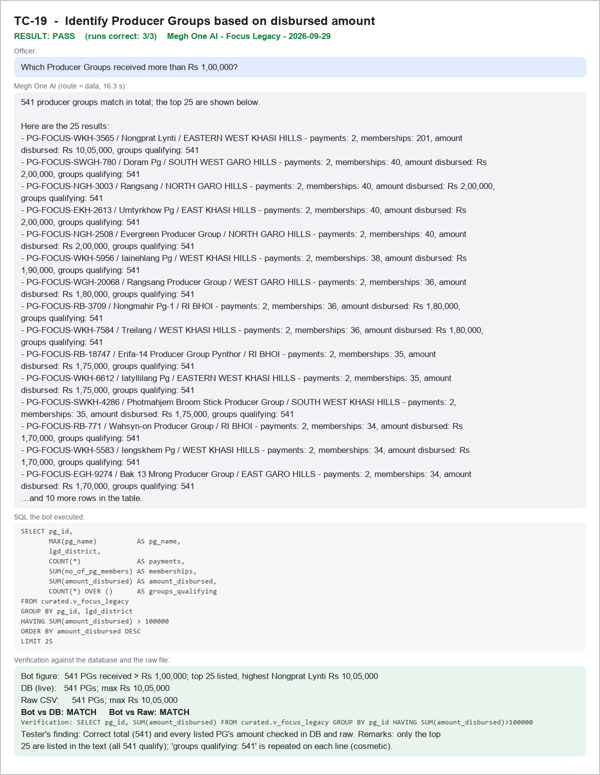

TC-20 - Retrieve remittances within a specific date range - PASS
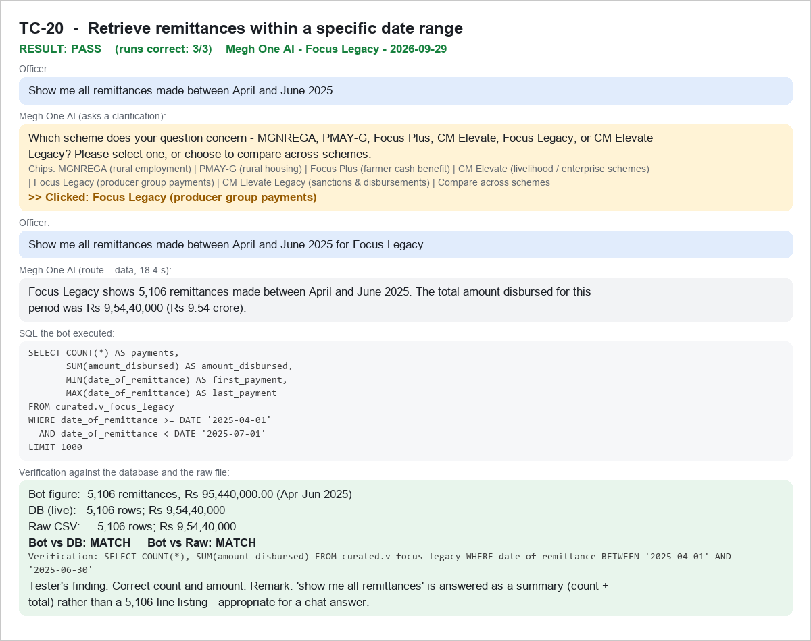

TC-21 - Calculate monthly remittance amounts by financial year - PASS
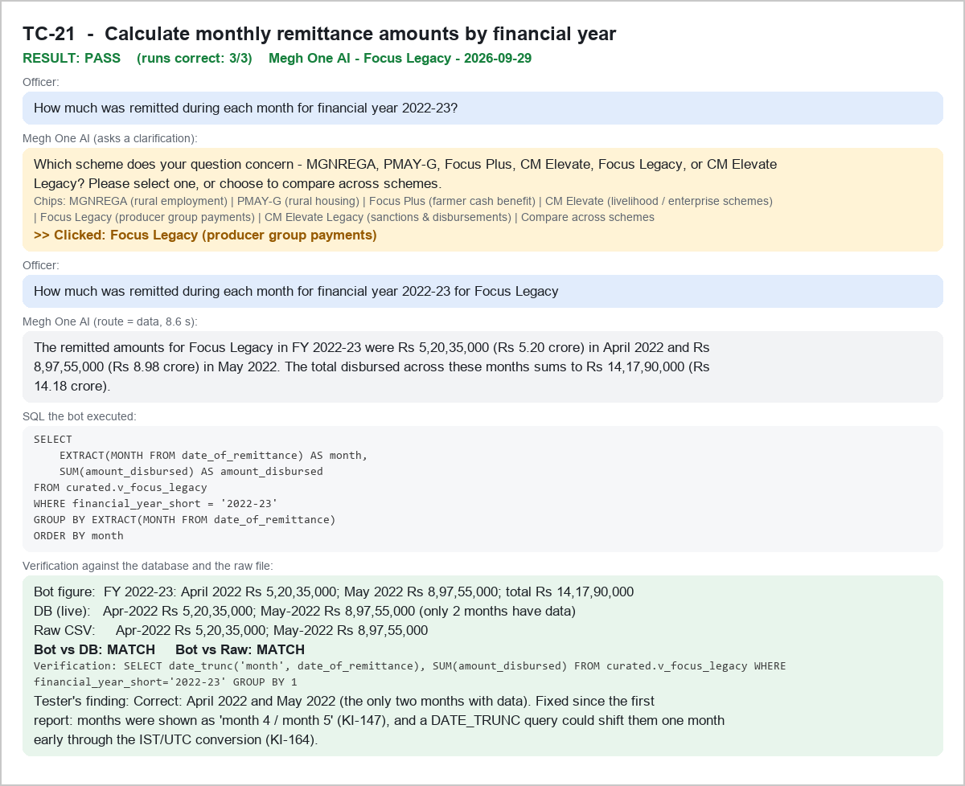

TC-22 - Identify beneficiary records by financial year - PASS
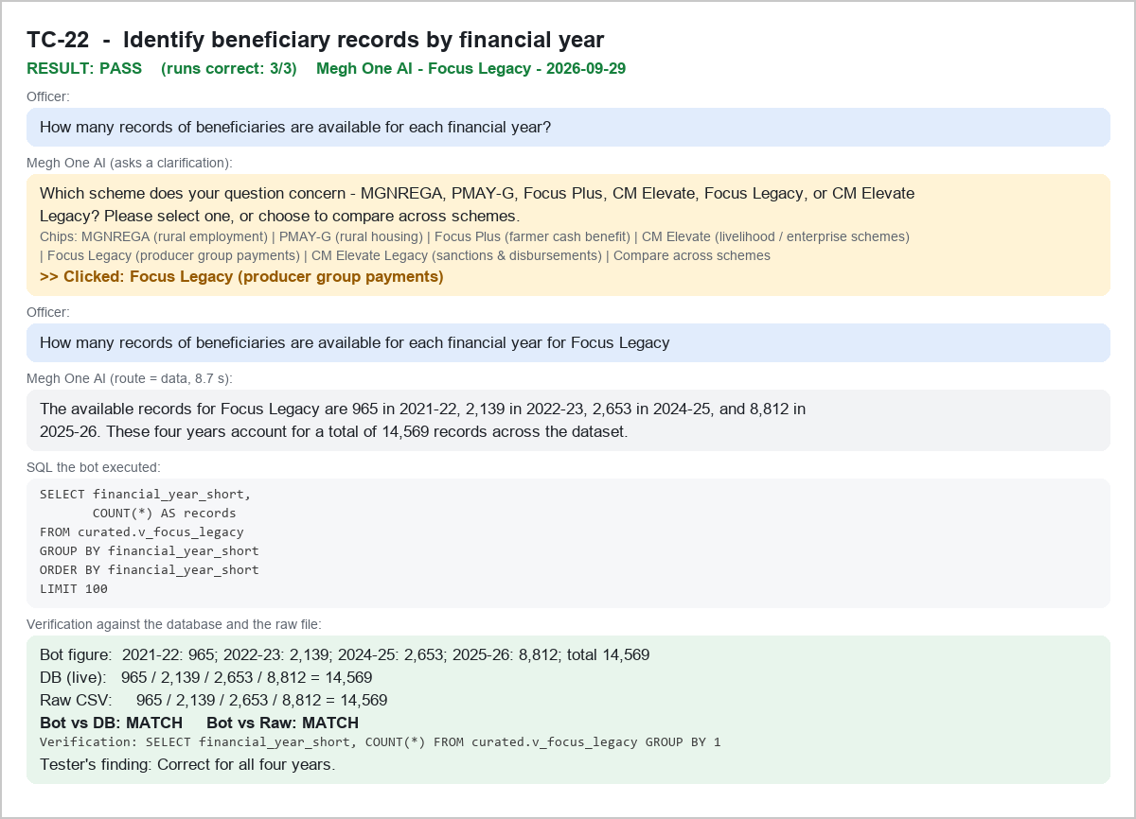

TC-23 - Calculate total remittance for a financial year - PASS
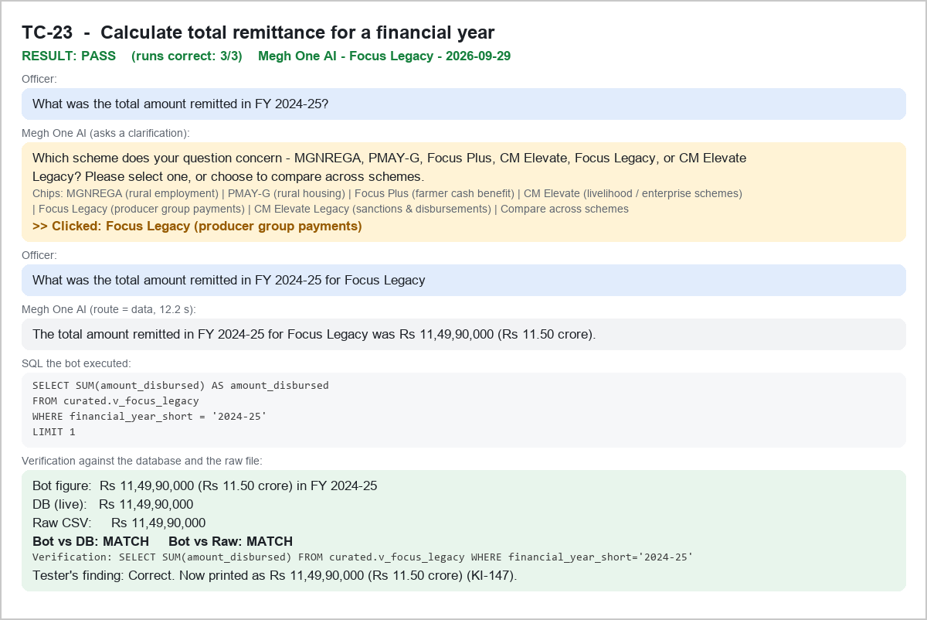

TC-24 - Compare total remittances between financial years - PASS
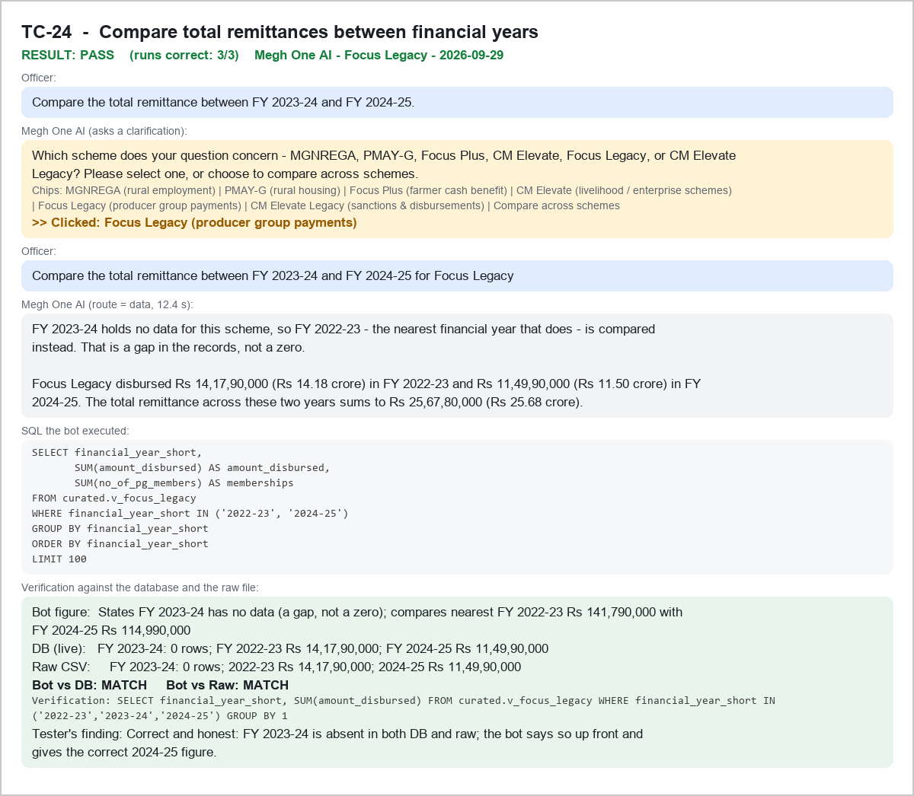

TC-25 - Count Producer Groups by district - PASS
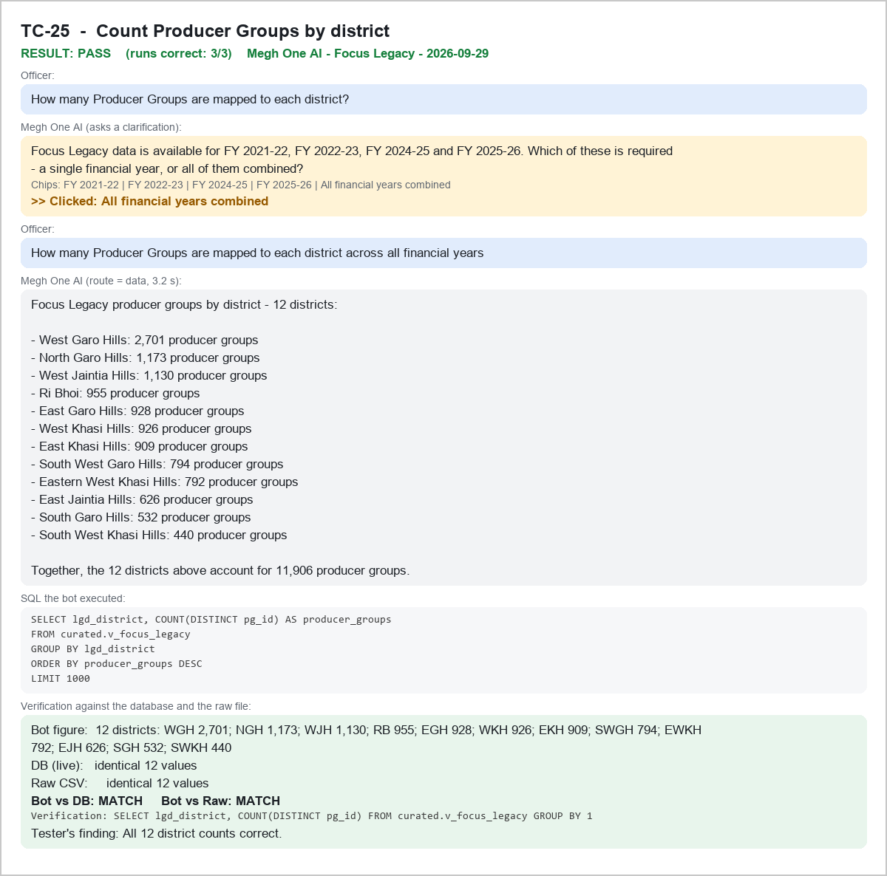

TC-26 - Count Producer Groups by block within a district - PASS
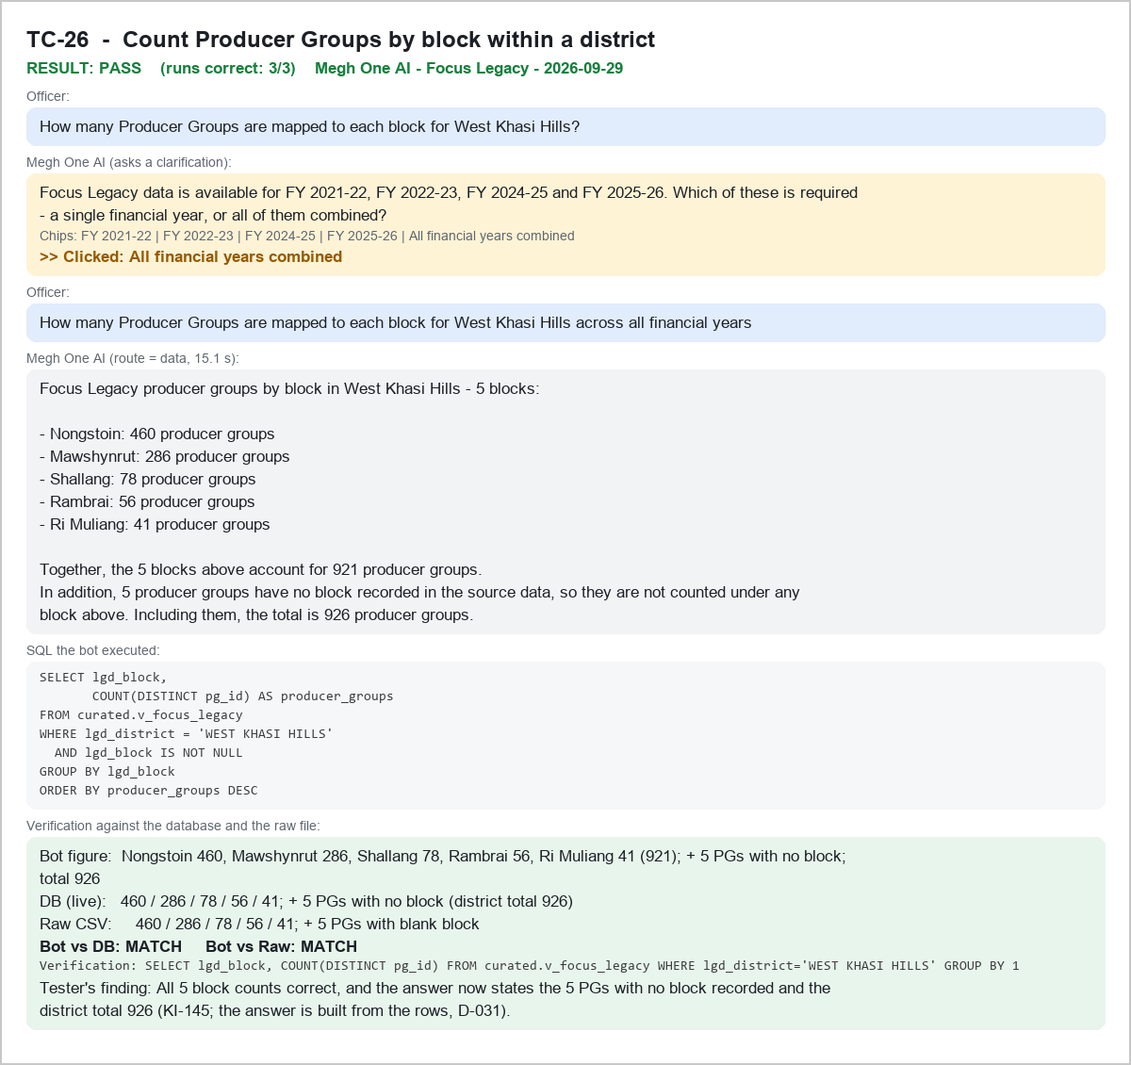

TC-27 - Identify Producer Groups mapped to a village - PASS
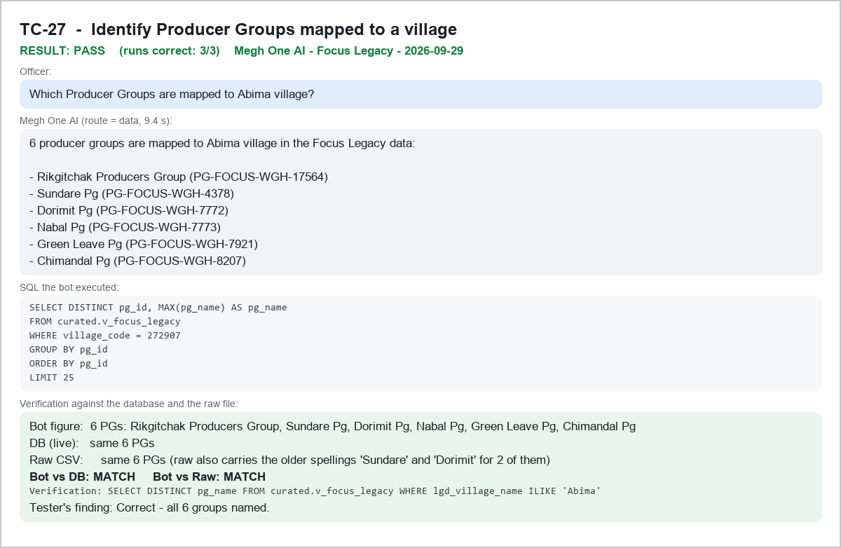

TC-28 - Count Producer Groups by constituency - PASS
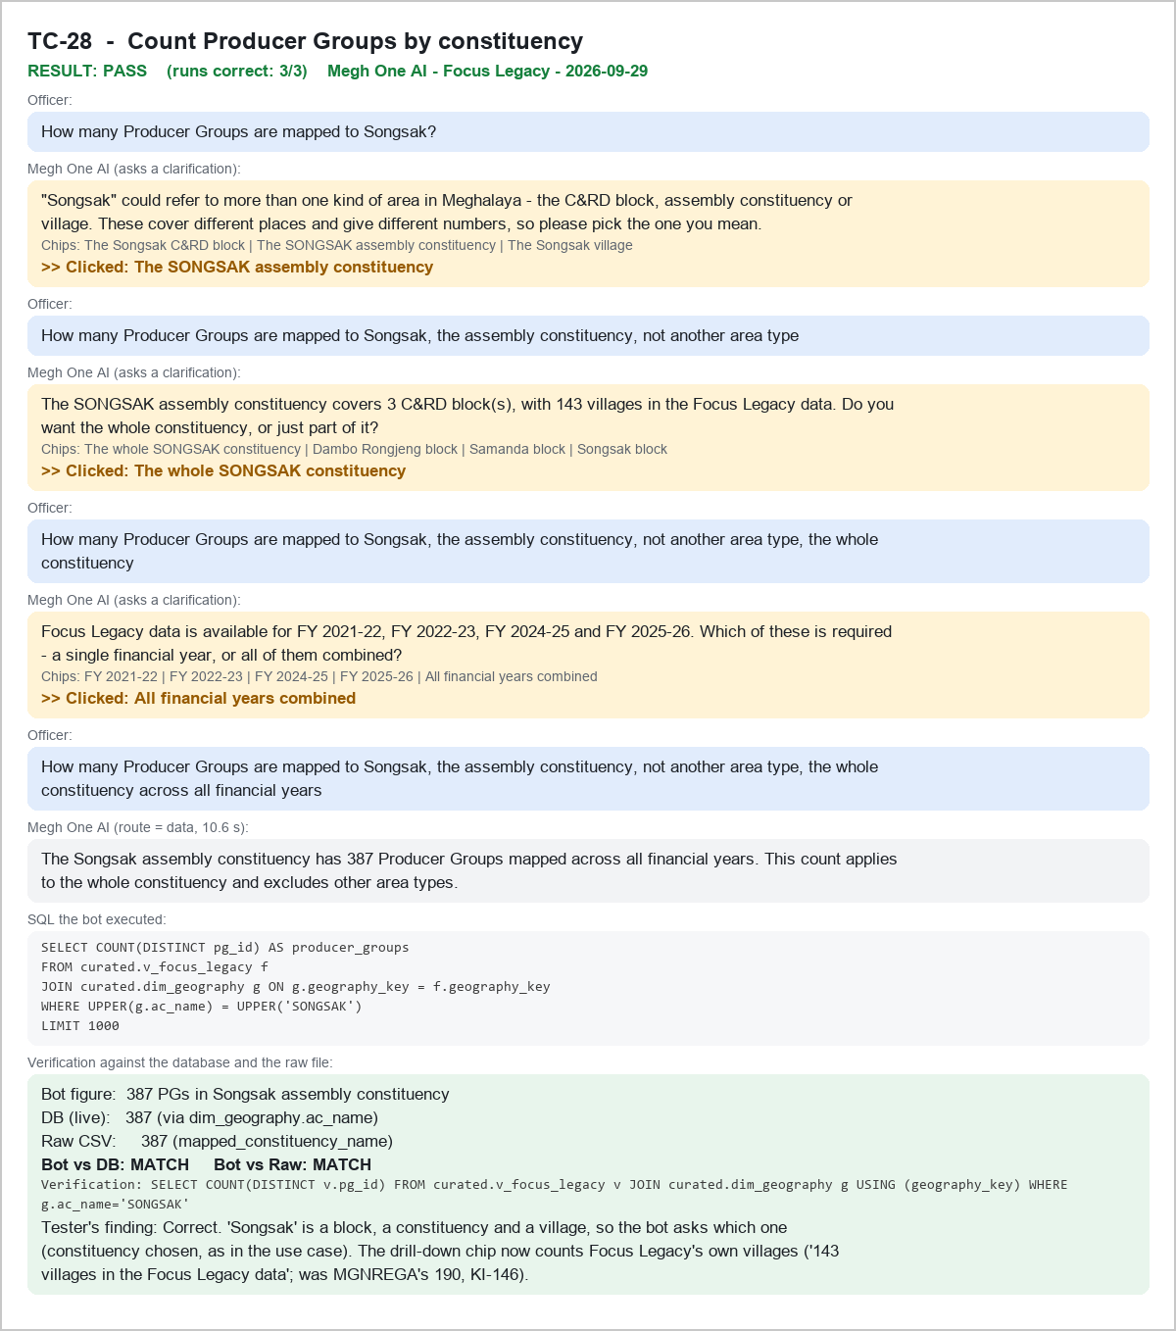

TC-28blk - Supplementary: same question, C&RD block chip - PASS

