Evidence
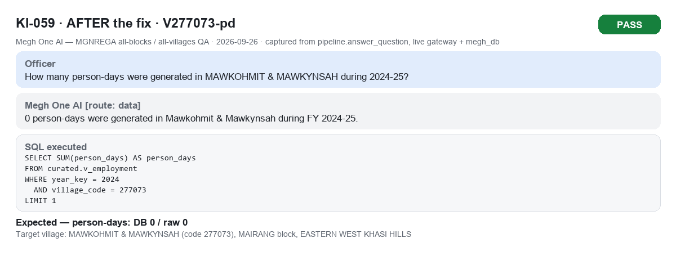
Before / after evidence (captured from the runs). Files also in docs/MGNREGA_AllBlocks_AllVillages_Evidence_2026-09-26

KI-049_V273054-exp_1_before.png
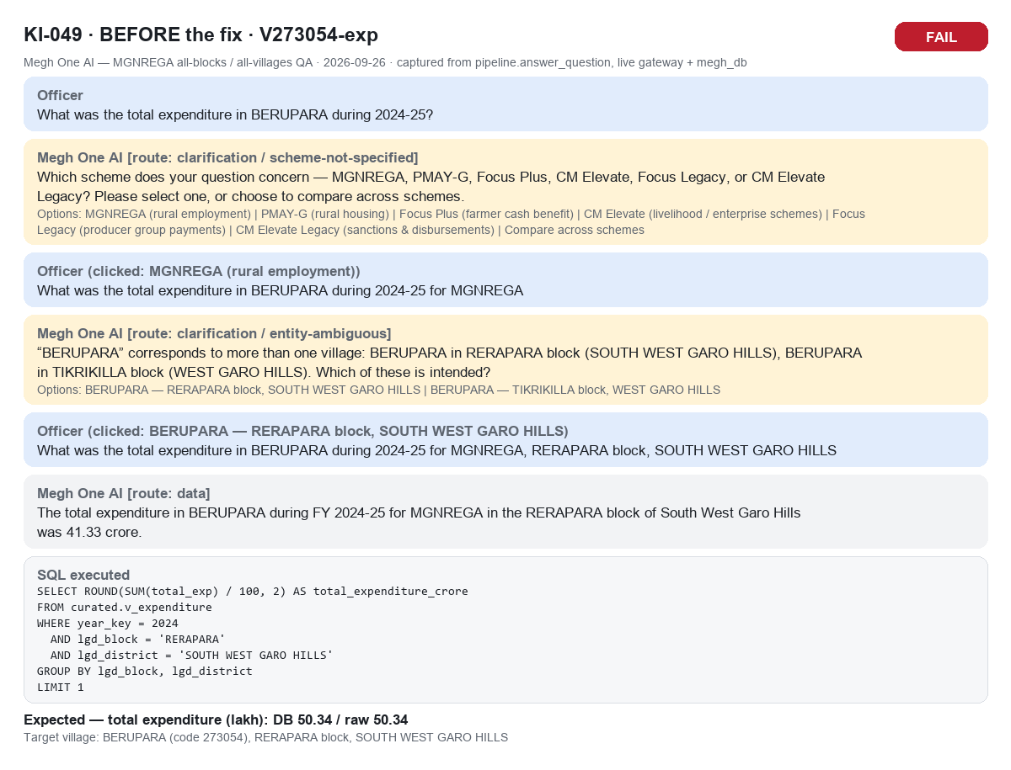

KI-049_V273054-exp_2_after.png
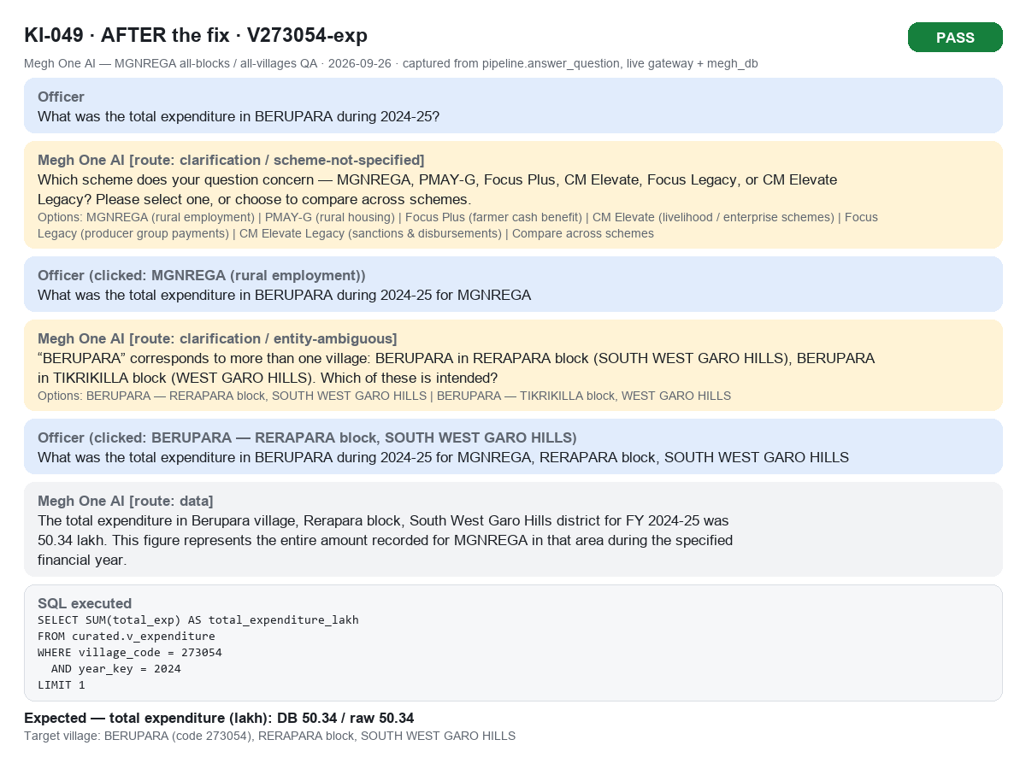

KI-050_V273667-pd_1_before.png
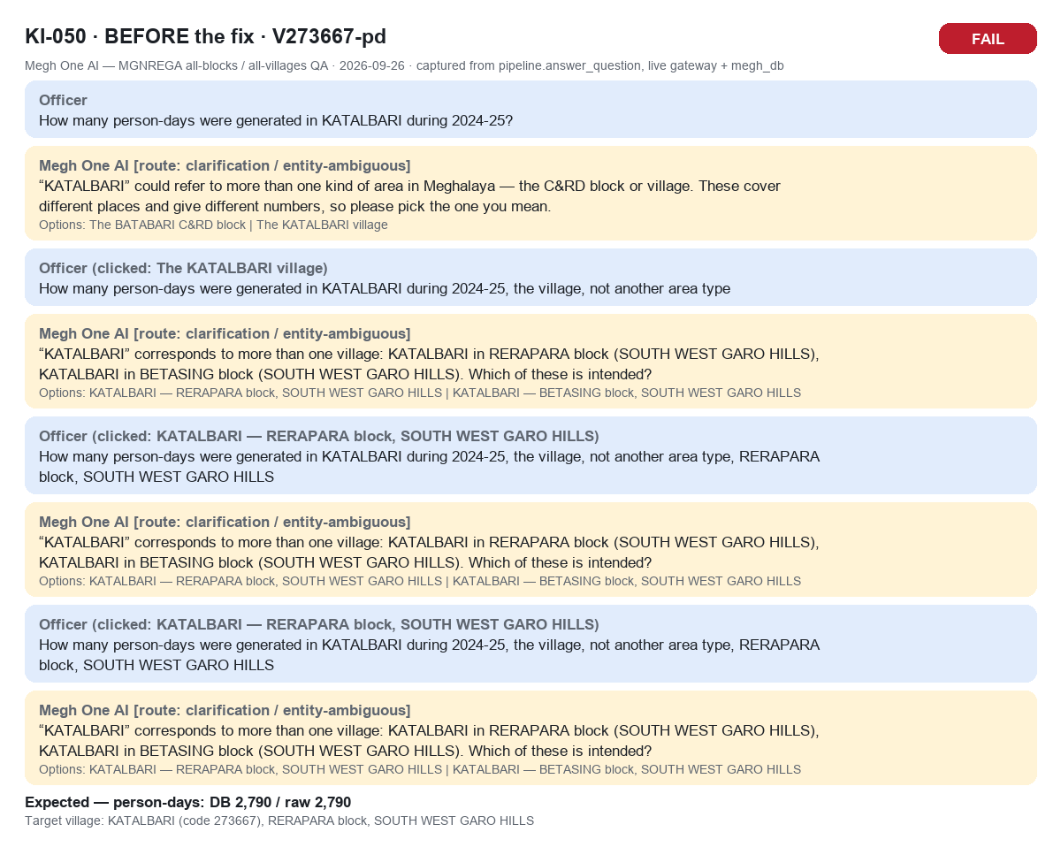

KI-050_V273667-pd_2_after.png
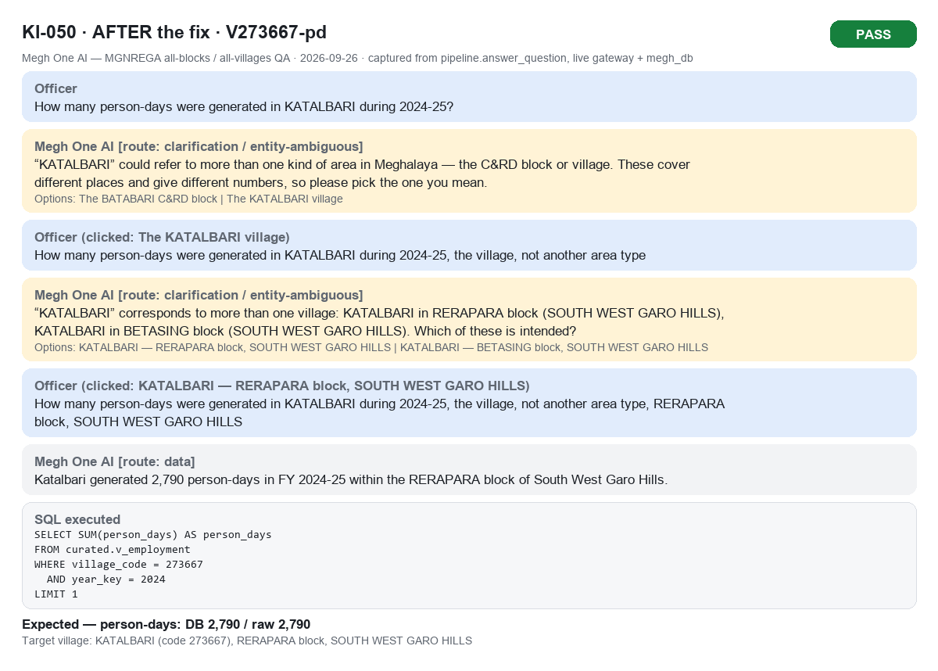

KI-051_V276089-pd_1_before.png
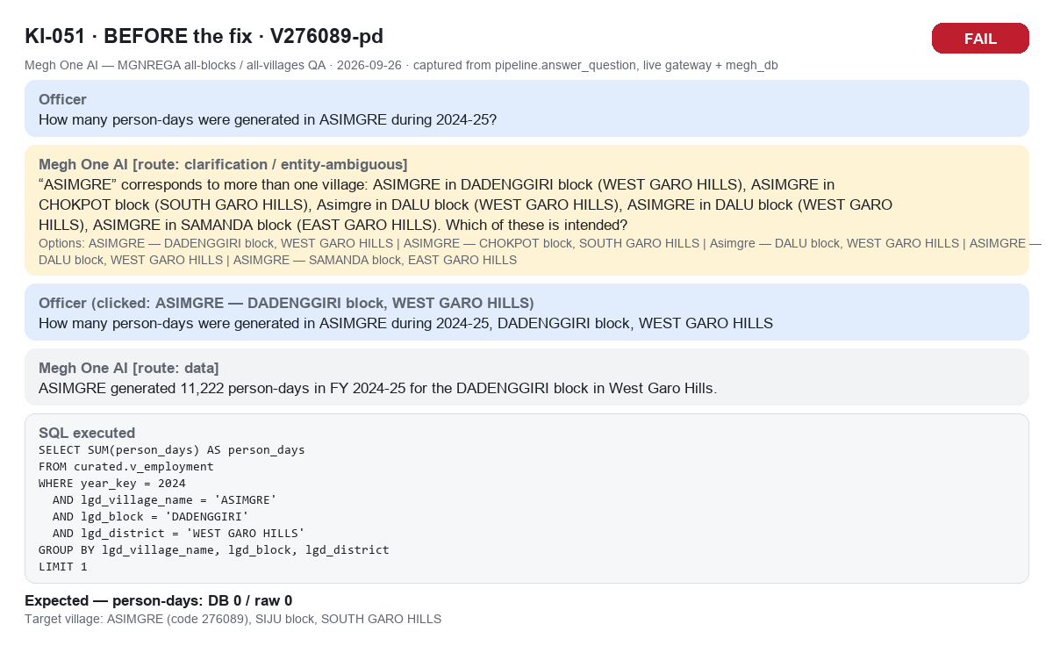

KI-051_V276089-pd_2_after.png
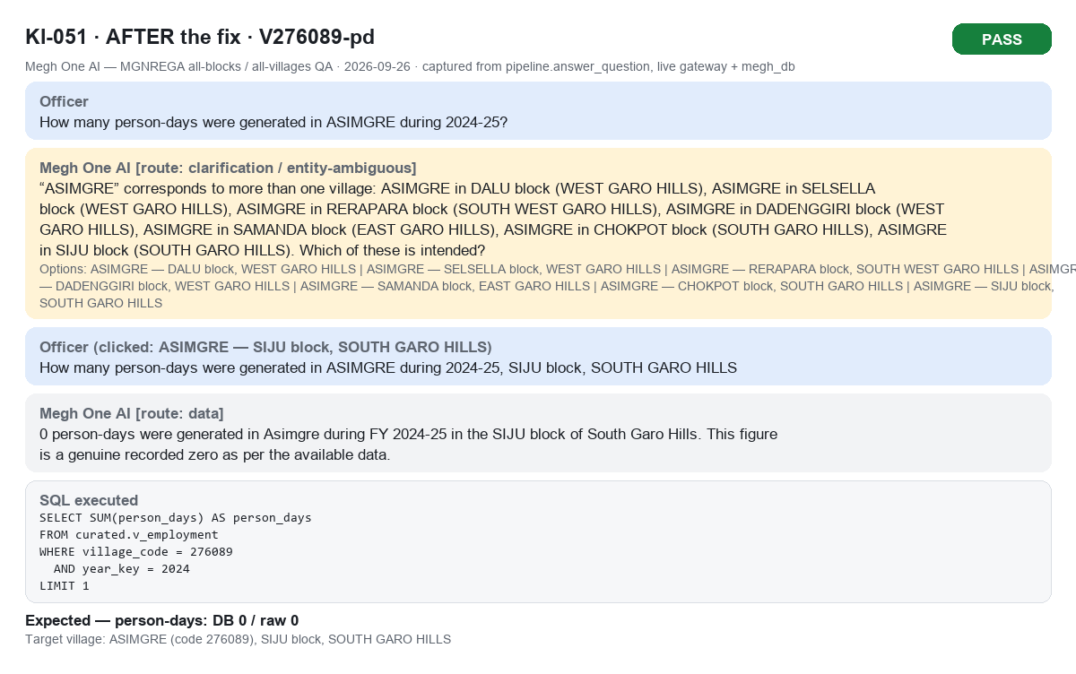

KI-052_B-KHATARSHNONG_LAITKROH-exp-bare_1_before.png
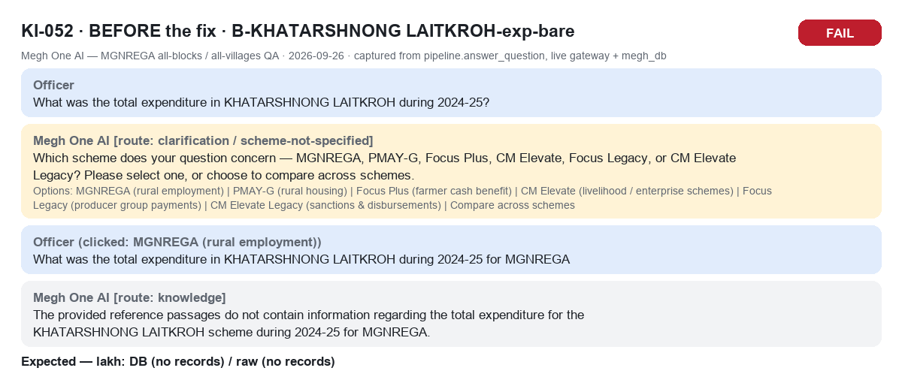

KI-052_B-KHATARSHNONG_LAITKROH-exp-bare_2_after.png
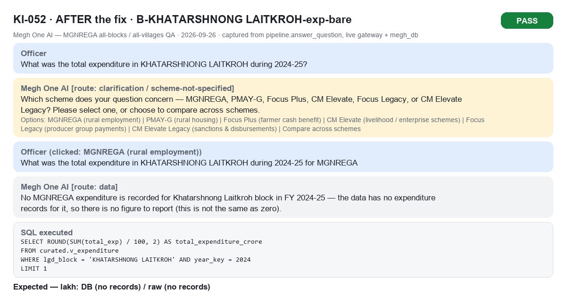

KI-052_B-MAIRANG-hh-bare_1_before.png
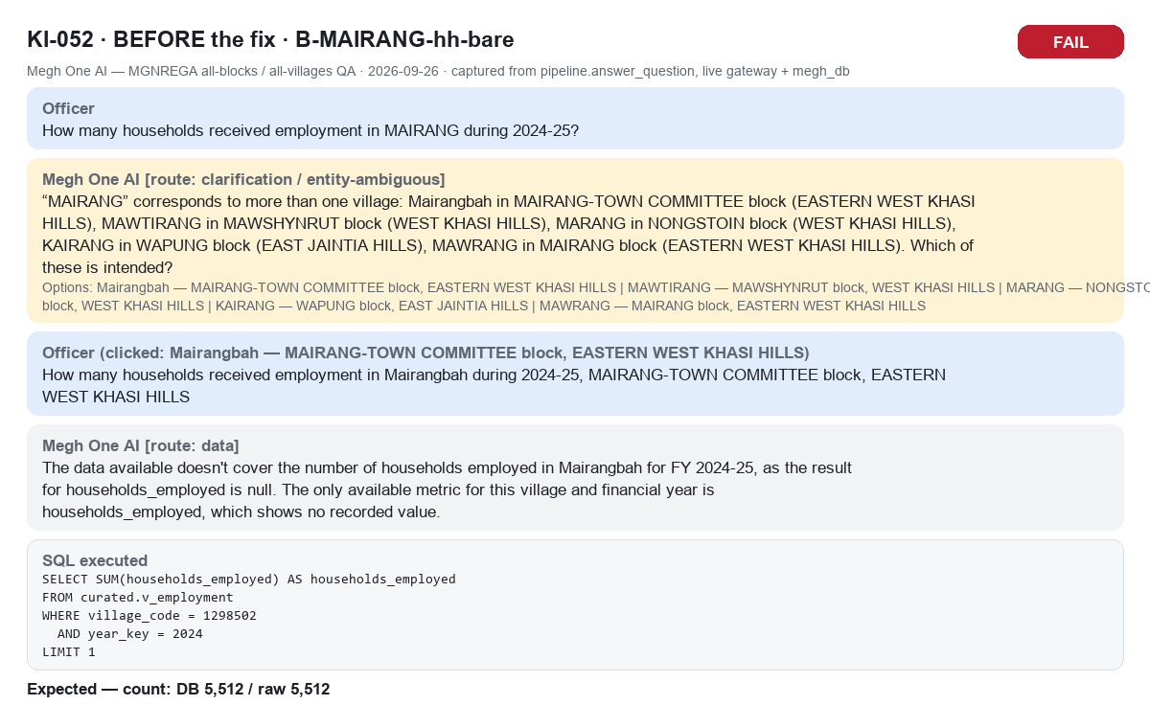

KI-052_B-MAIRANG-hh-bare_2_after.png
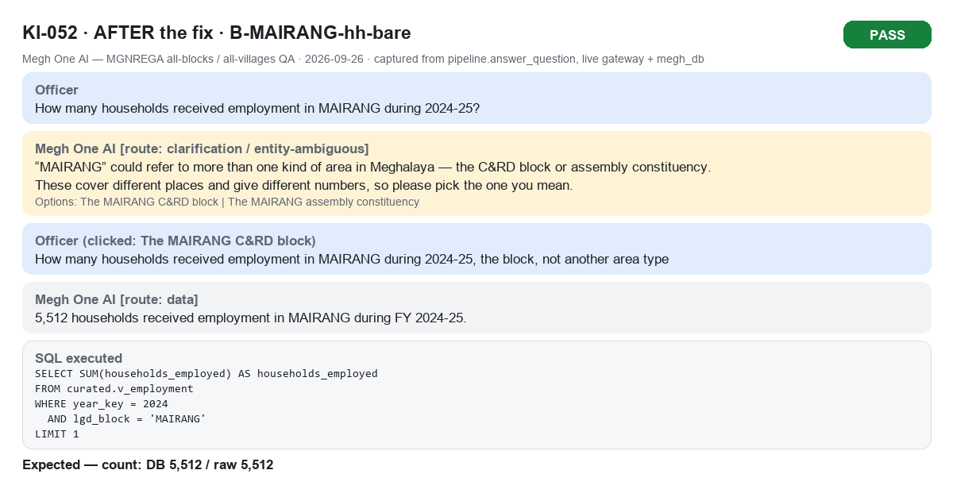

KI-053_V273406-pd_1_before.png
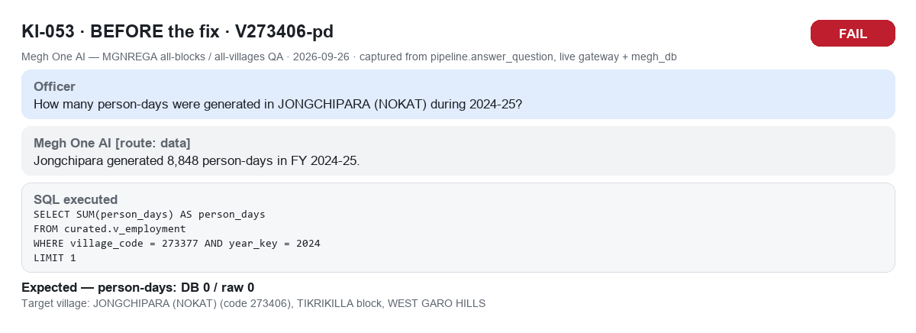

KI-053_V273406-pd_2_after.png
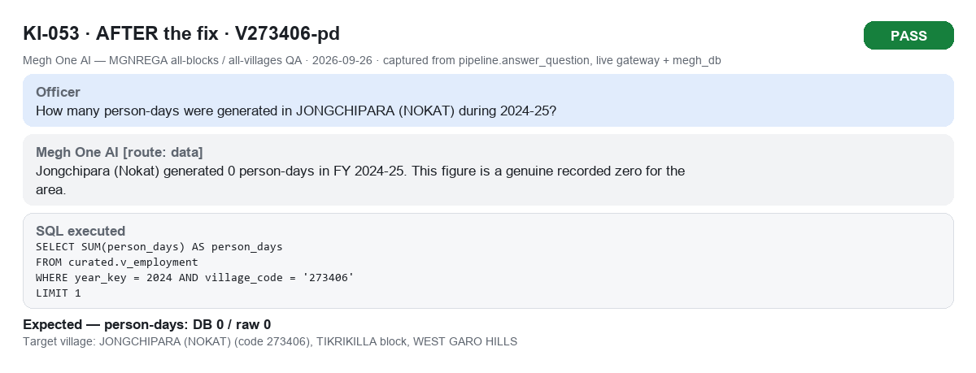

KI-054_V273749-pd_1_before.png

KI-054_V273749-pd_2_after.png
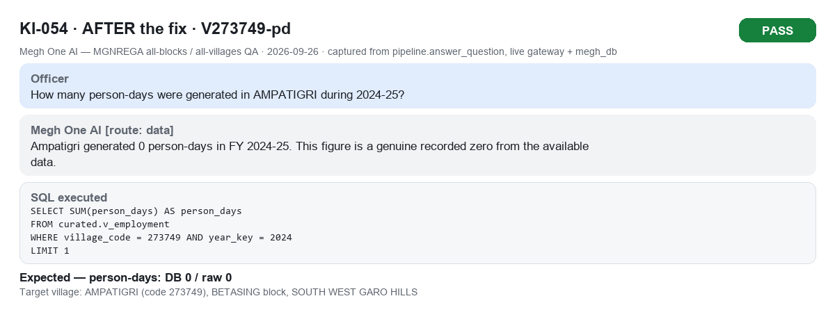

KI-054_V277449-exp_1_before.png
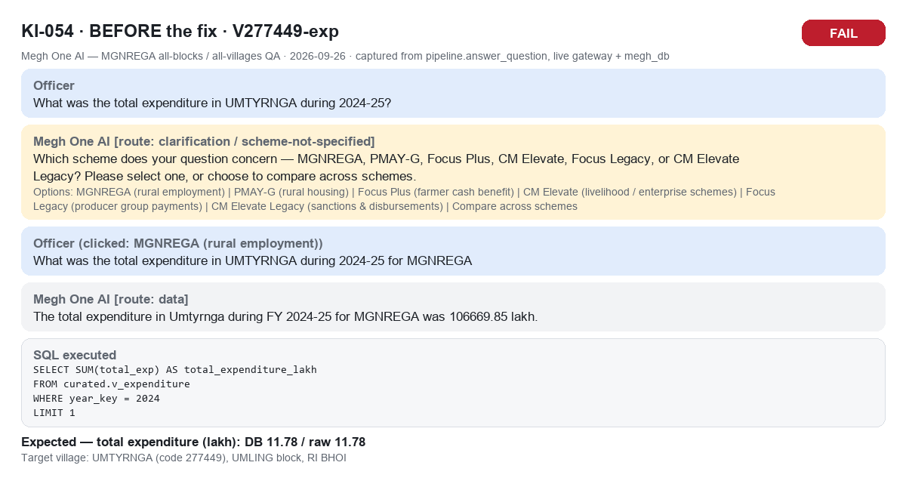

KI-054_V277449-exp_2_after.png
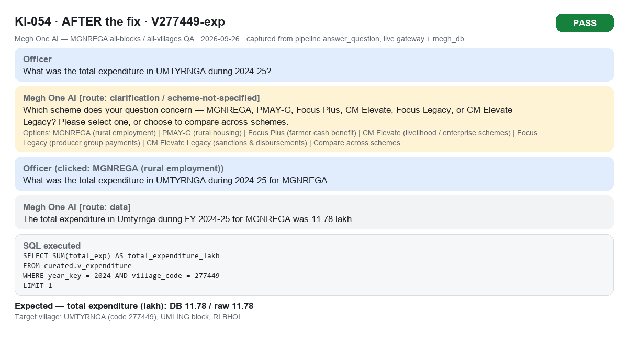

KI-055_V274476-pd_1_before.png
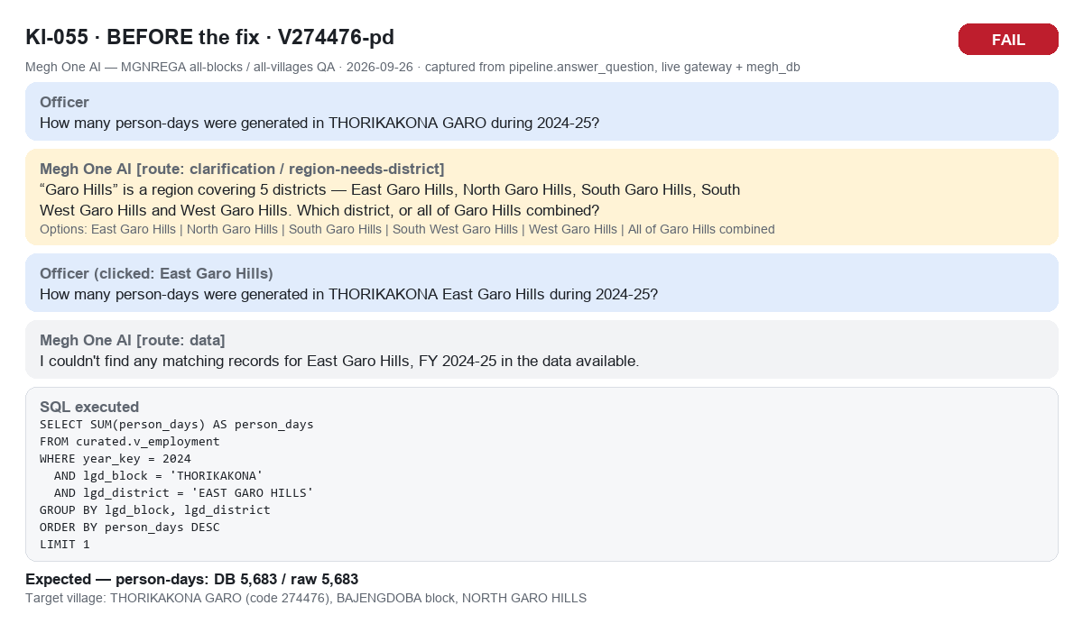

KI-055_V274476-pd_2_after.png
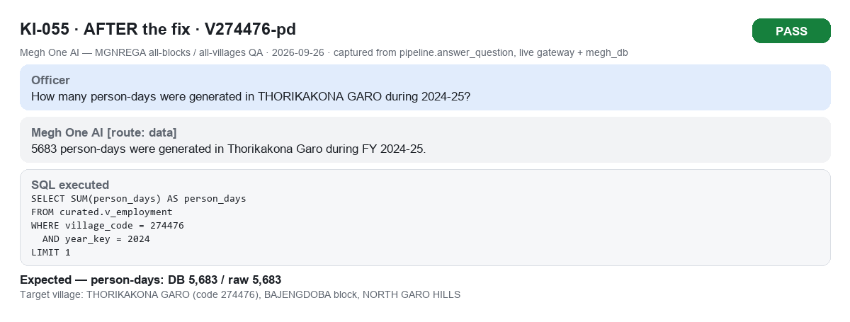

KI-056_B-DEMDEMA-hh_1_before.png
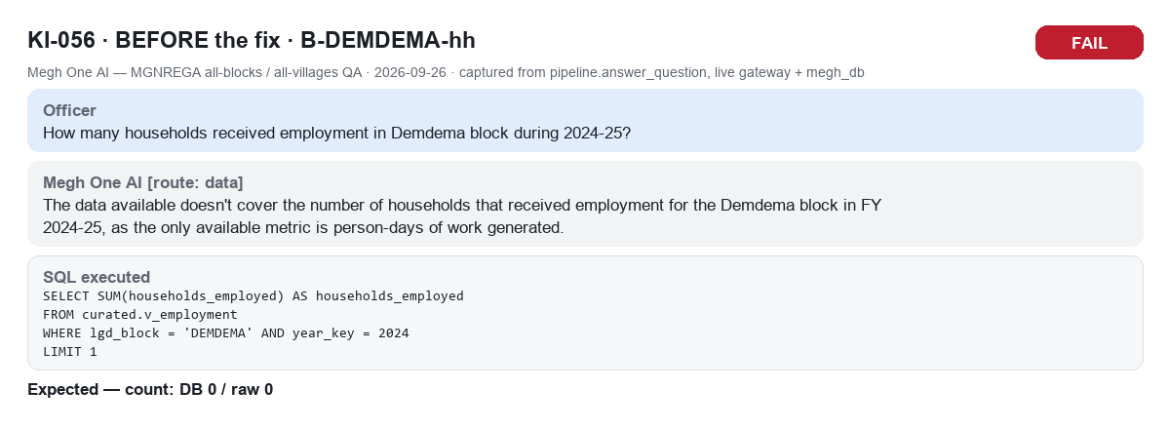

KI-056_B-DEMDEMA-hh_2_after.png
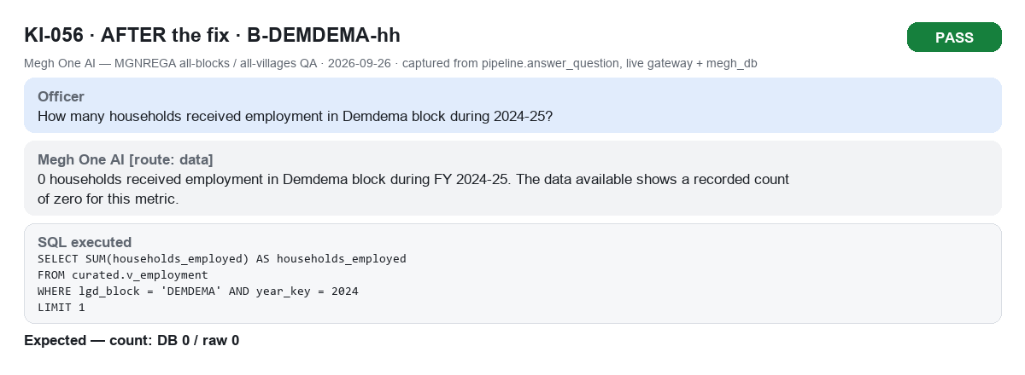

KI-057_V274903-pd_1_before.png

KI-057_V274903-pd_2_after.png


KI-057_V276037-pd_1_before.png

KI-057_V276037-pd_2_after.png
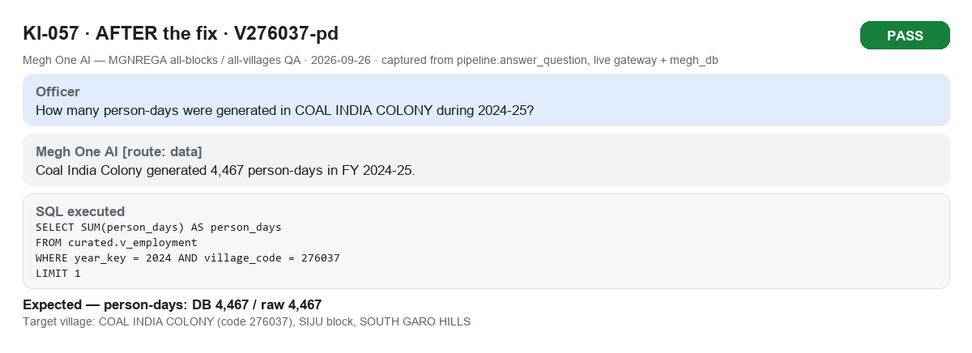

KI-057_V277554-pd_1_before.png

KI-057_V277554-pd_2_after.png
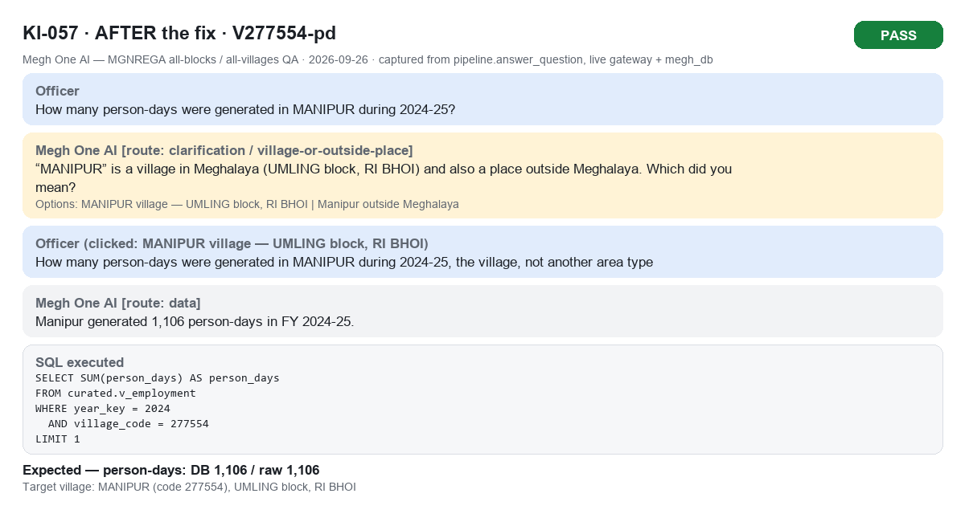

KI-057_V277913-exp_1_before.png
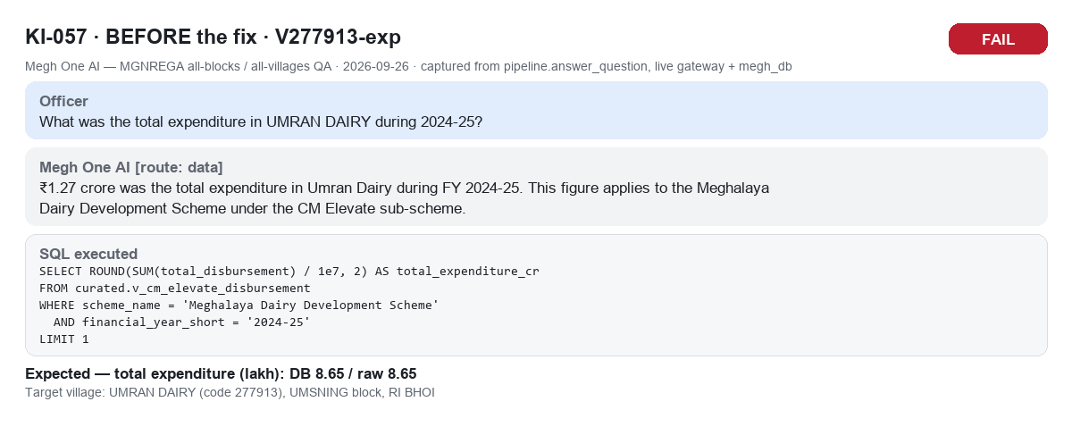

KI-057_V277913-exp_2_after.png
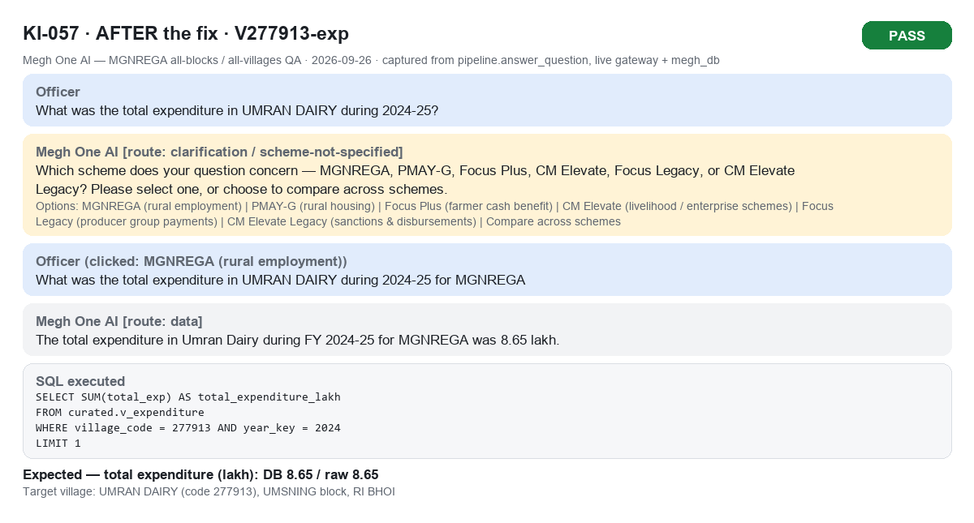

KI-058_V277262-pd_1_before.png
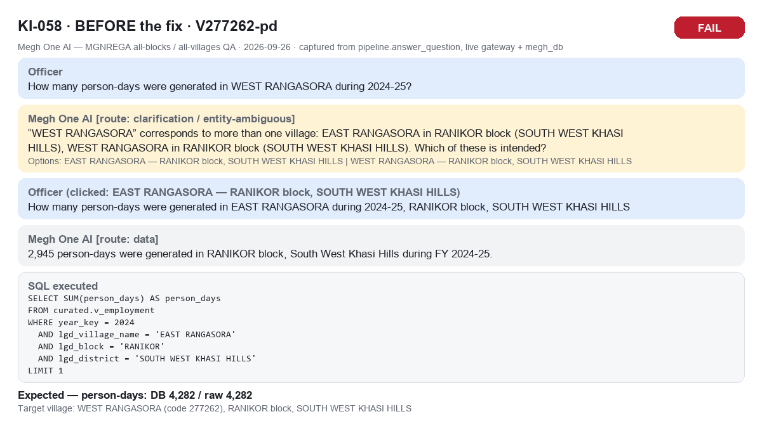

KI-058_V277262-pd_2_after.png
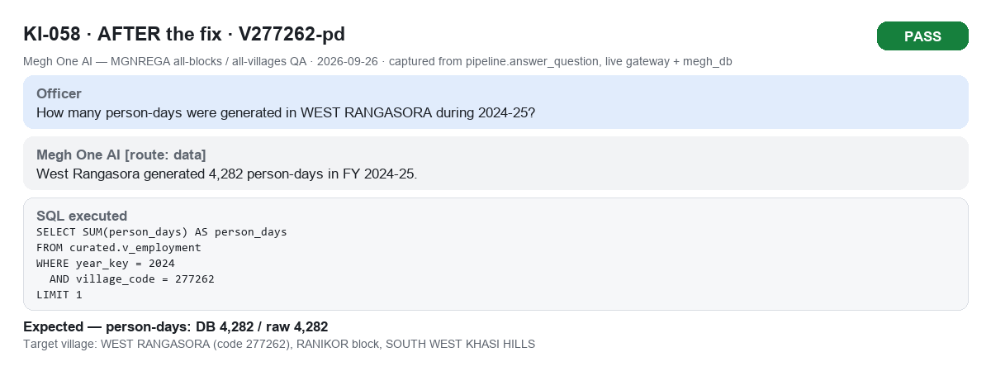

KI-059_V277048-exp_1_before.png
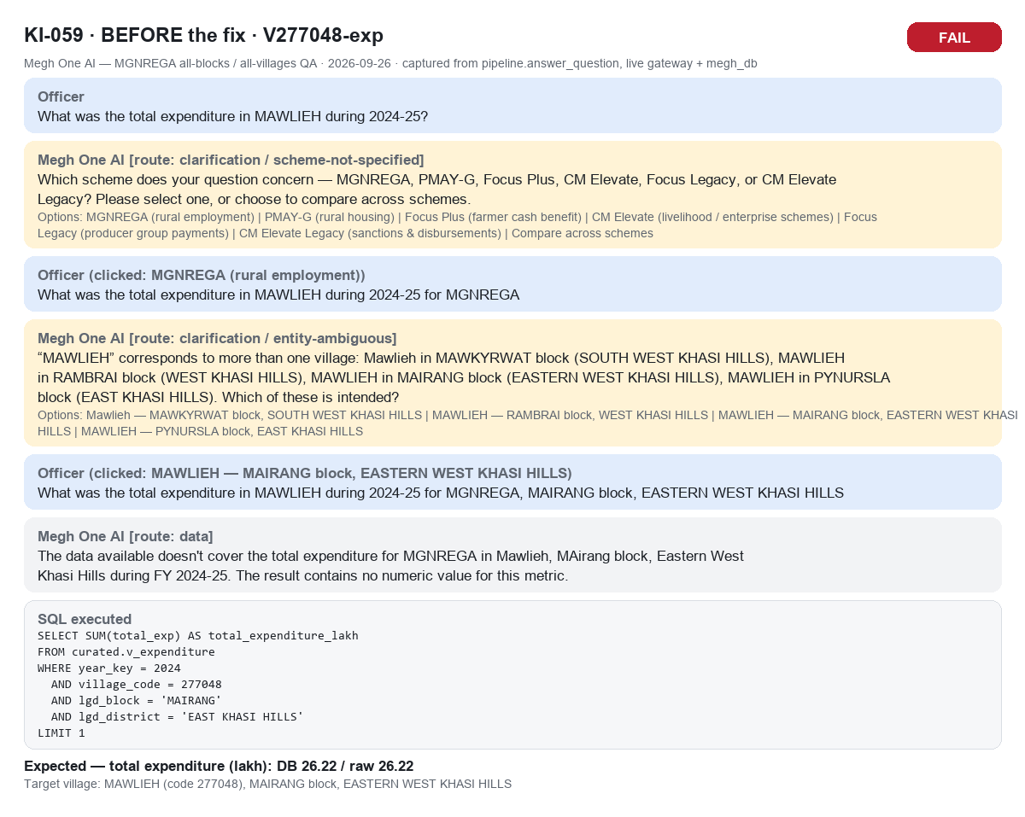

KI-059_V277048-exp_2_after.png
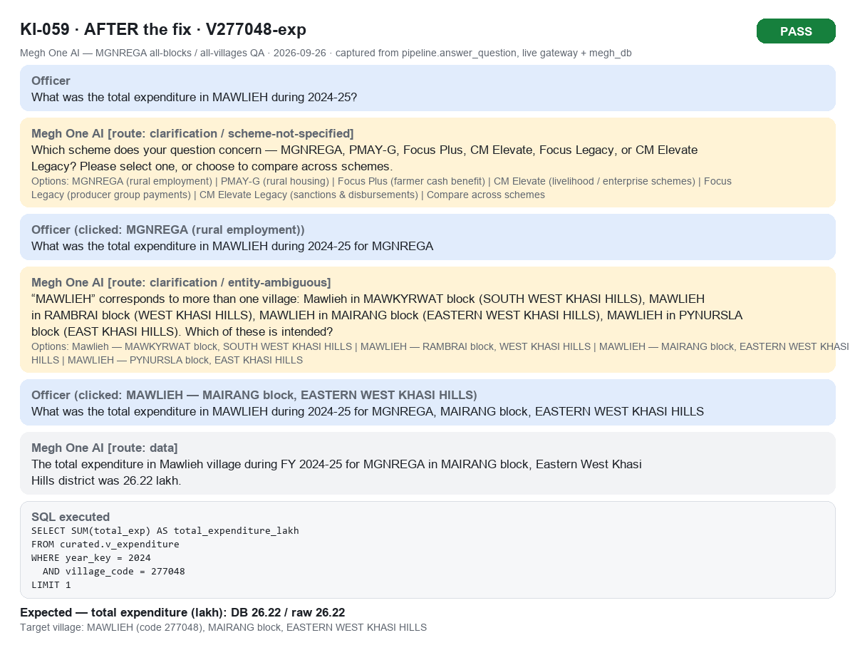

KI-059_V277073-pd_1_before.png
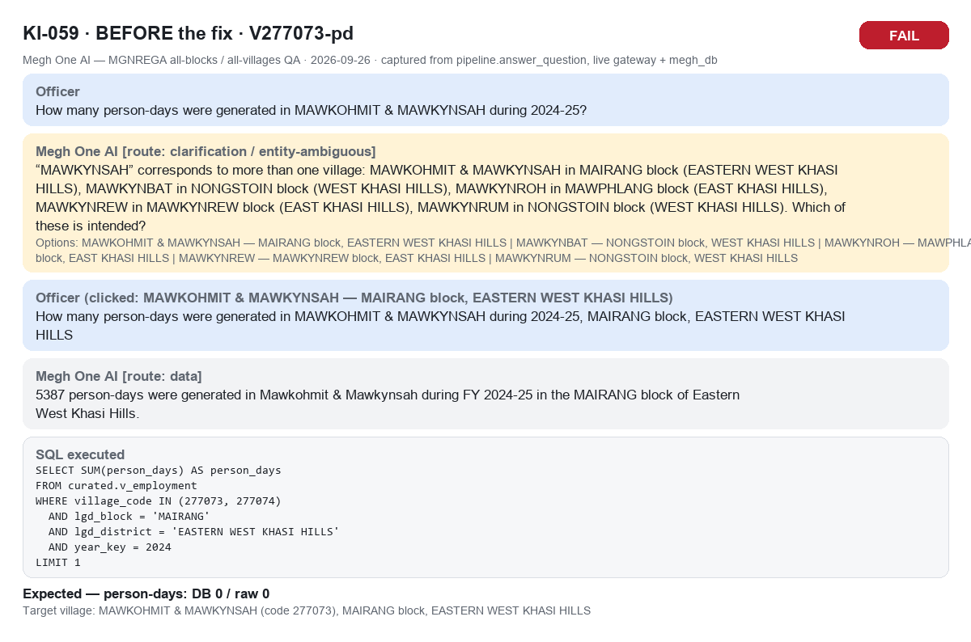

KI-059_V277073-pd_2_after.png

