Evidence
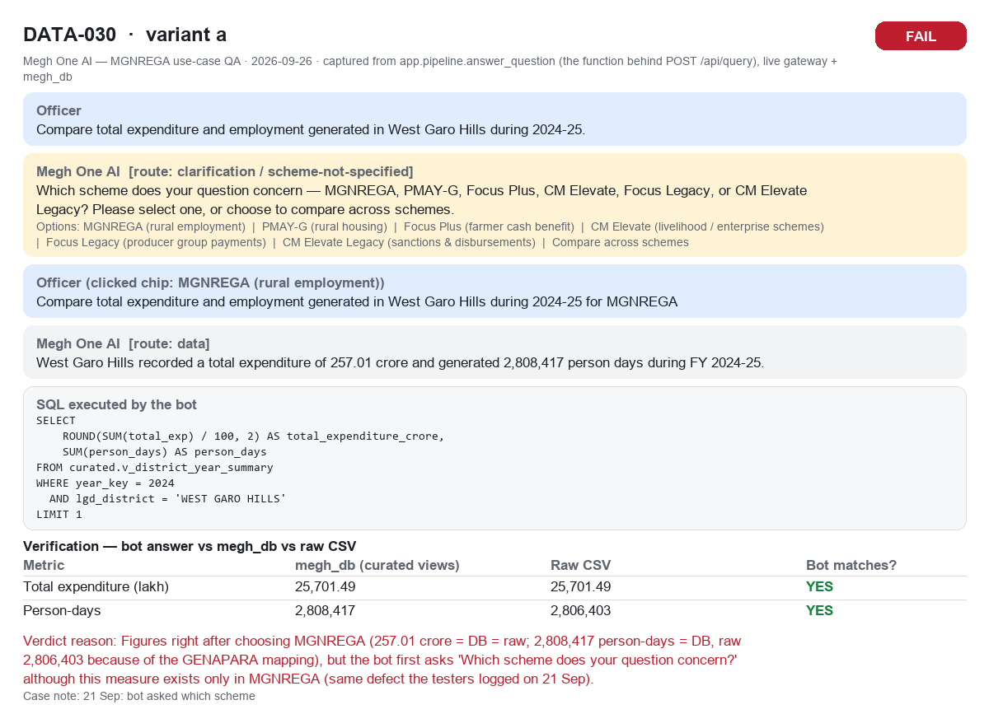
Evidence — one capture per tested query (same graded run). Files also in docs/MGNREGA_UseCase_Evidence_2026-09-26

DATA-001a (DATA-001a.png)
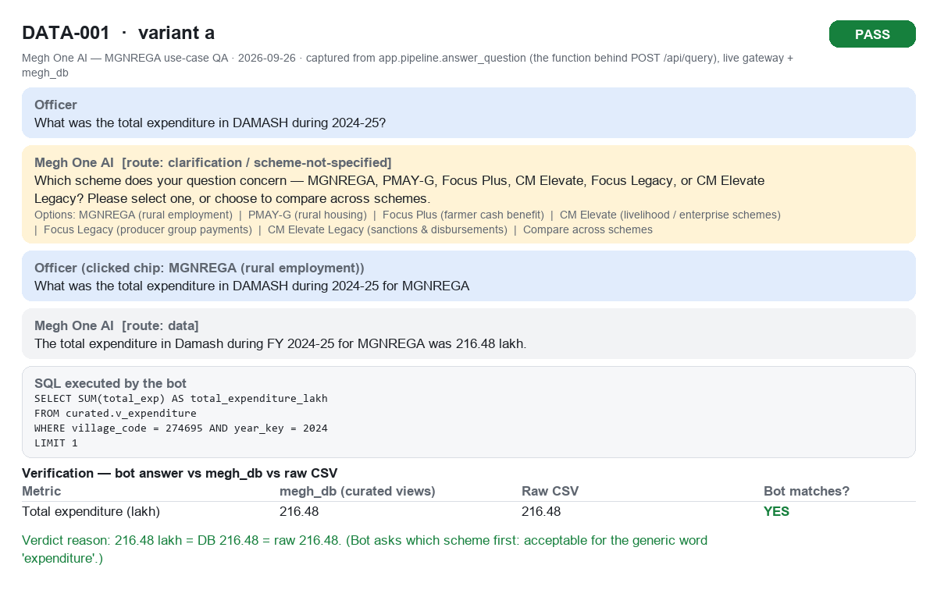

DATA-001b (DATA-001b.png)
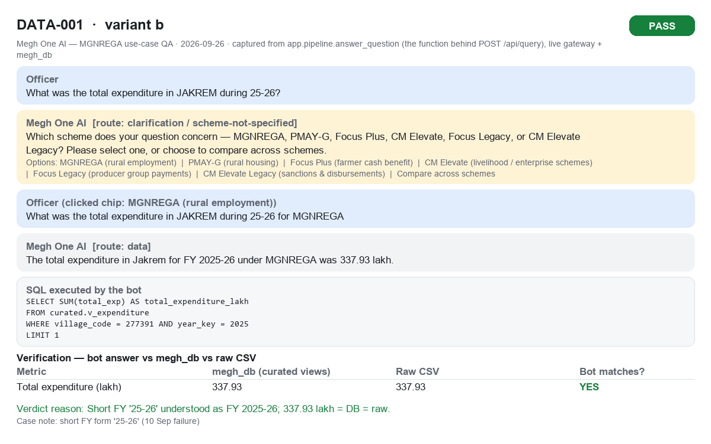

DATA-001c (DATA-001c.png)
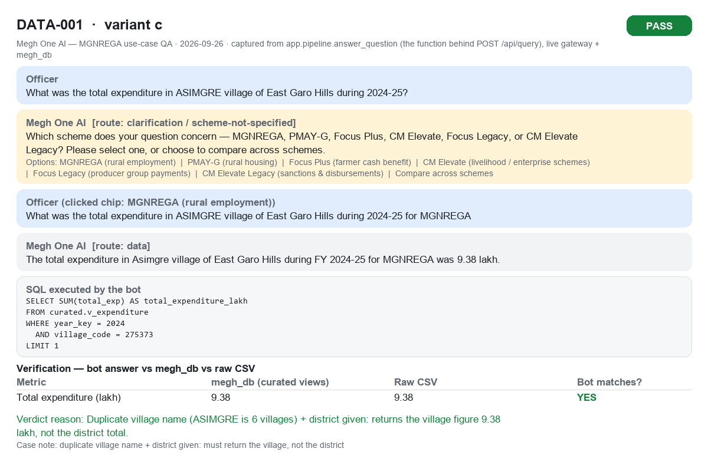

DATA-002a (DATA-002a.png)
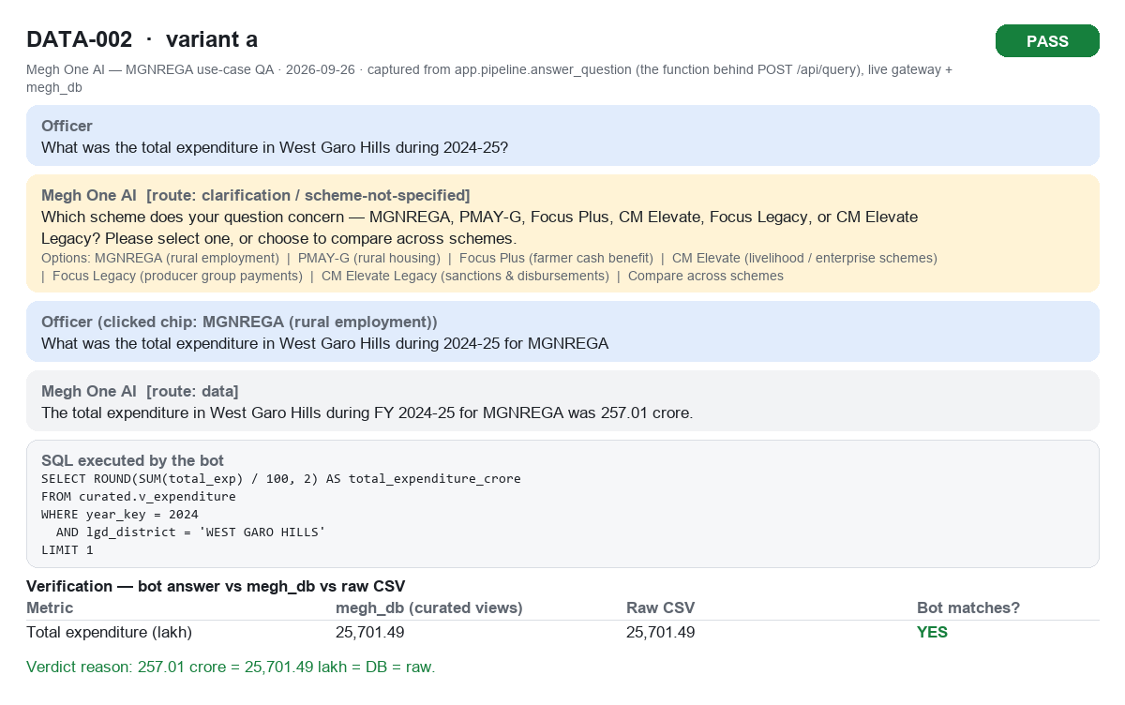

DATA-002b (DATA-002b.png)


DATA-003a (DATA-003a.png)
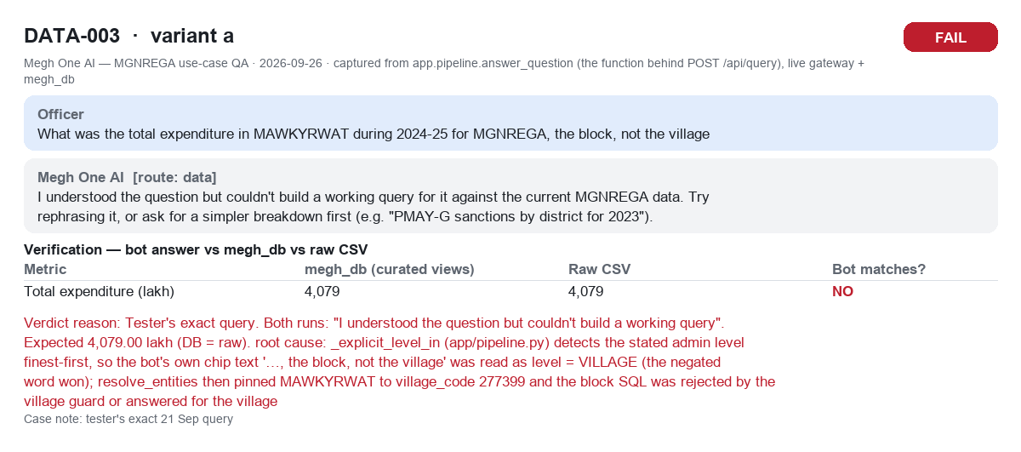

DATA-003b (DATA-003b.png)
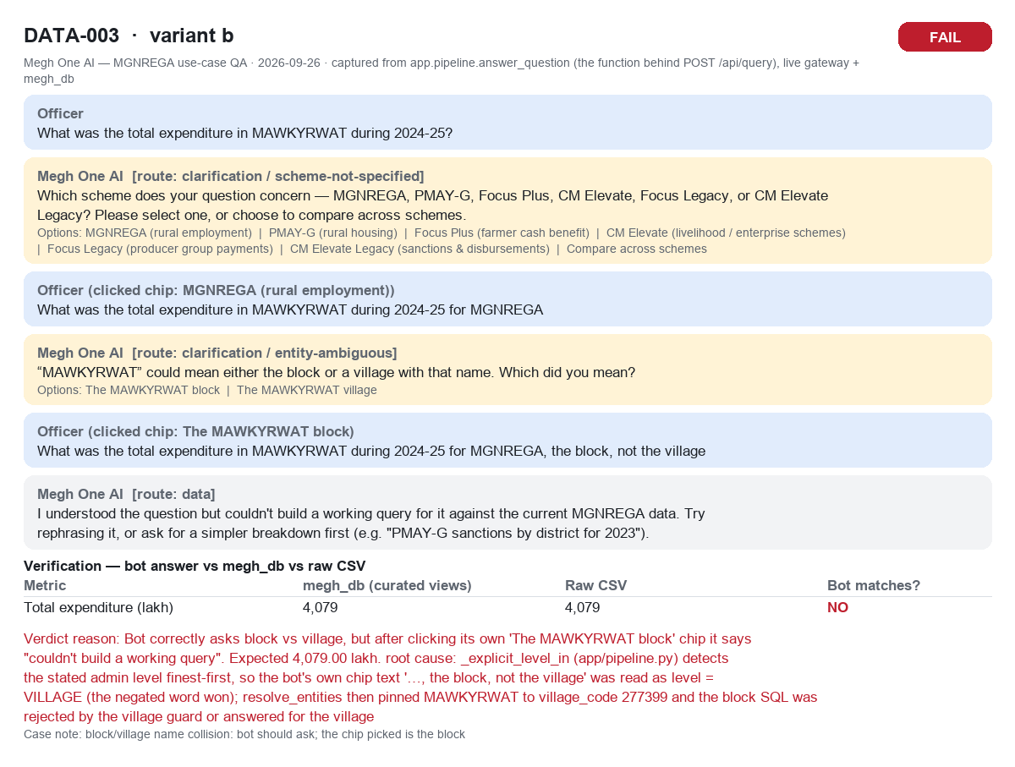

DATA-003c (DATA-003c.png)
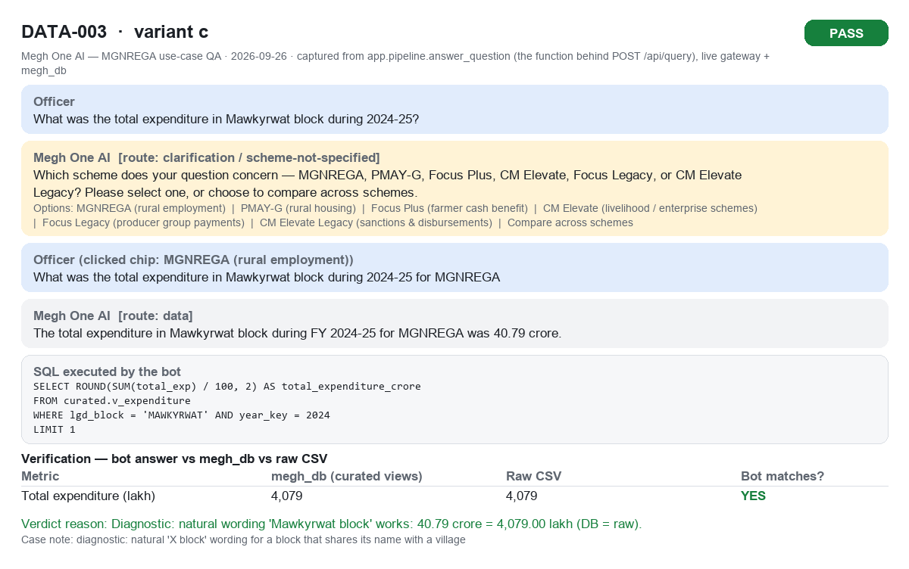

DATA-004a (DATA-004a.png)
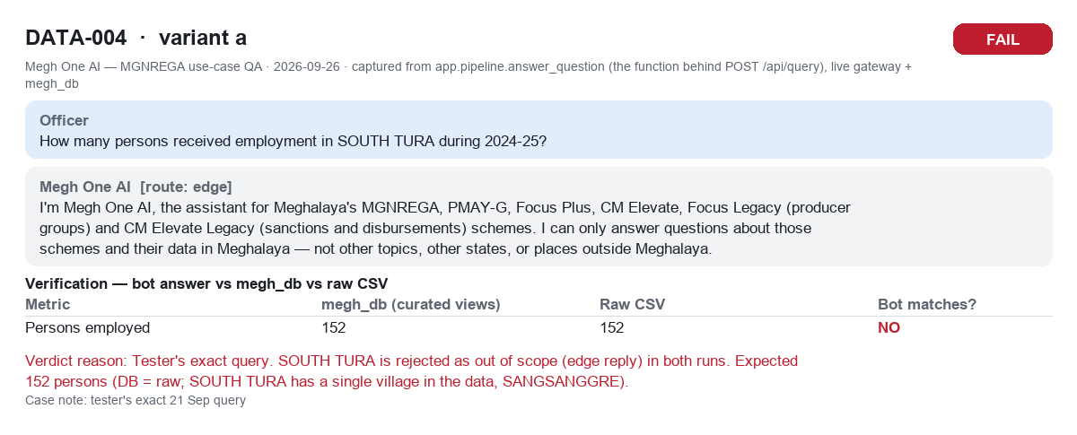

DATA-004b (DATA-004b.png)
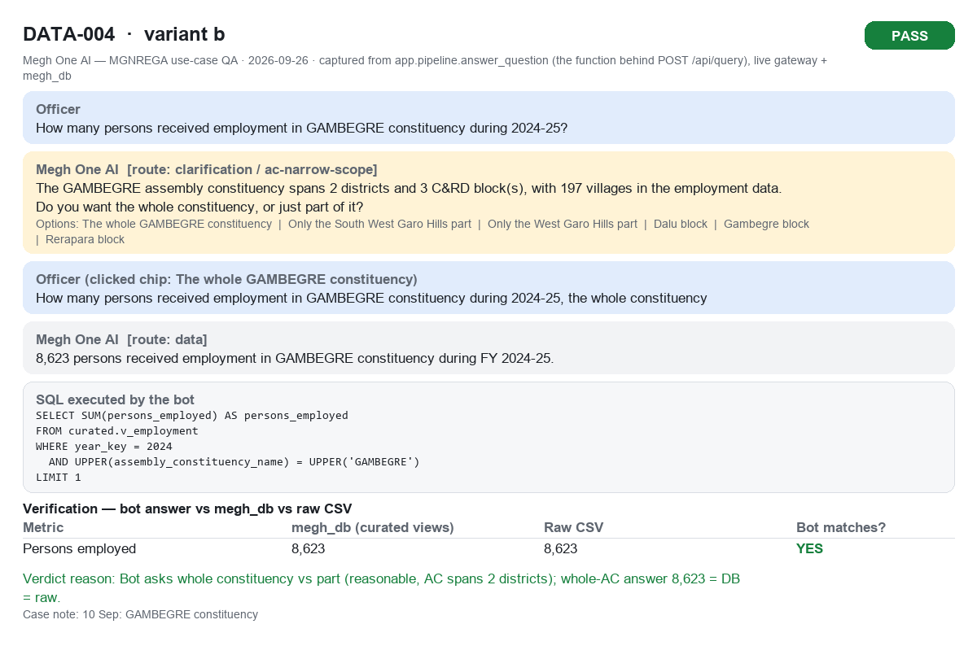

DATA-005a (DATA-005a.png)
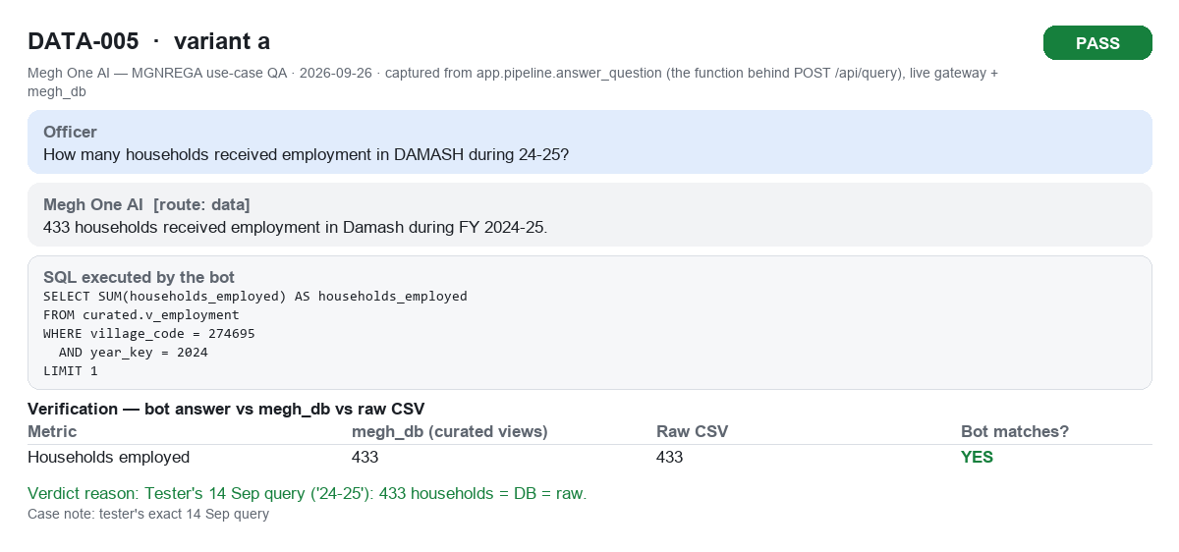

DATA-005b (DATA-005b.png)
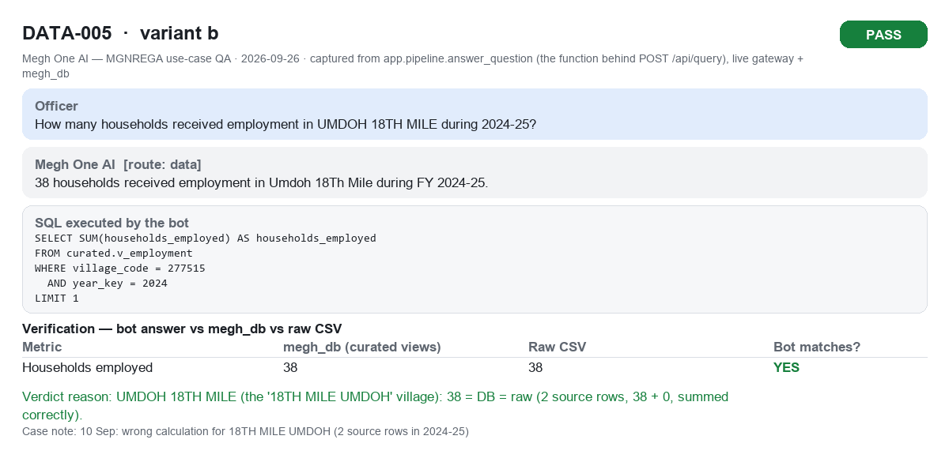

DATA-006a (DATA-006a.png)
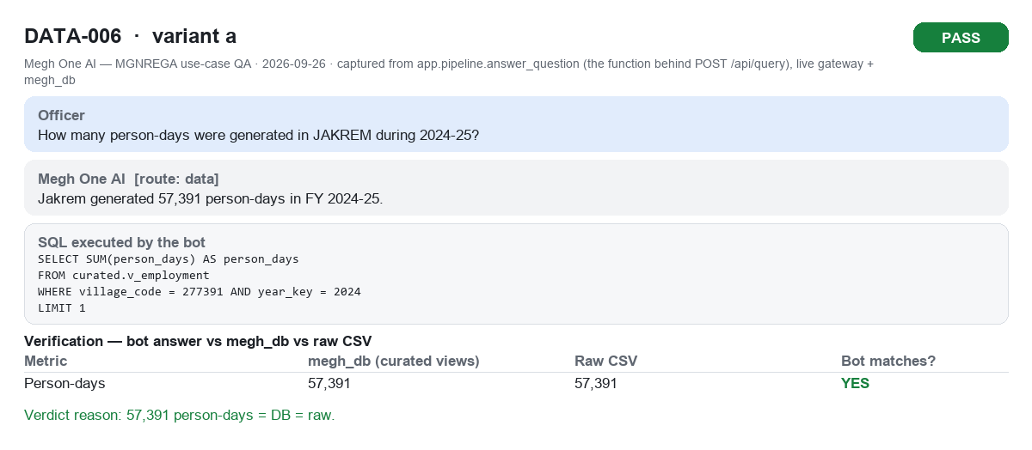

DATA-007a (DATA-007a.png)
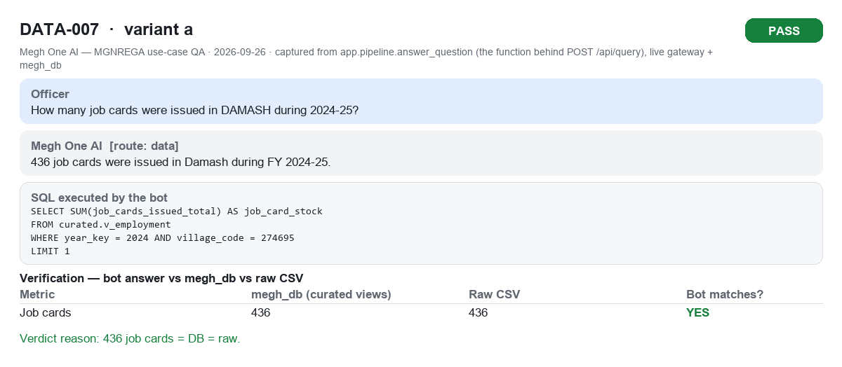

DATA-008a (DATA-008a.png)
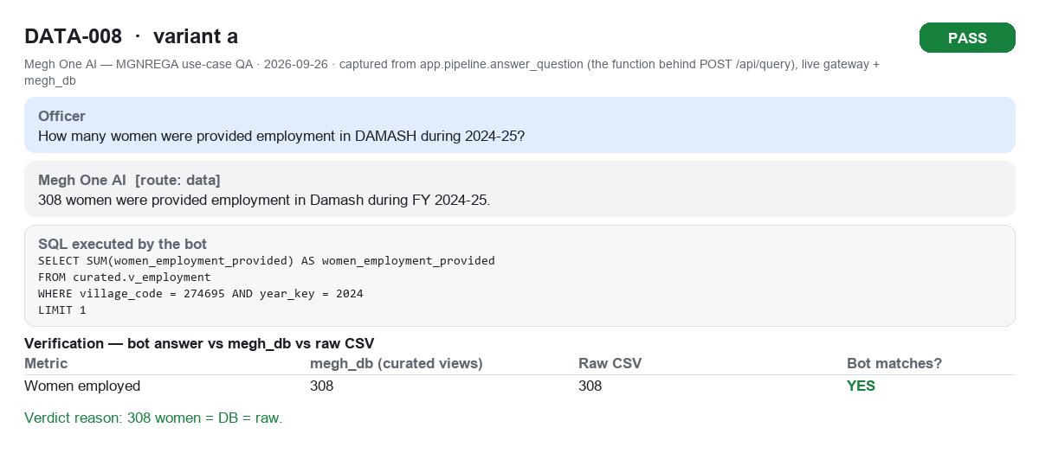

DATA-009a (DATA-009a.png)
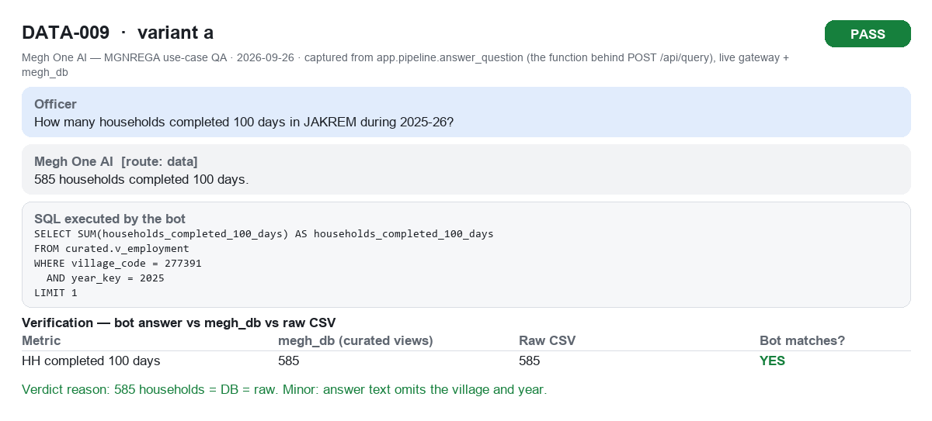

DATA-010a (DATA-010a.png)
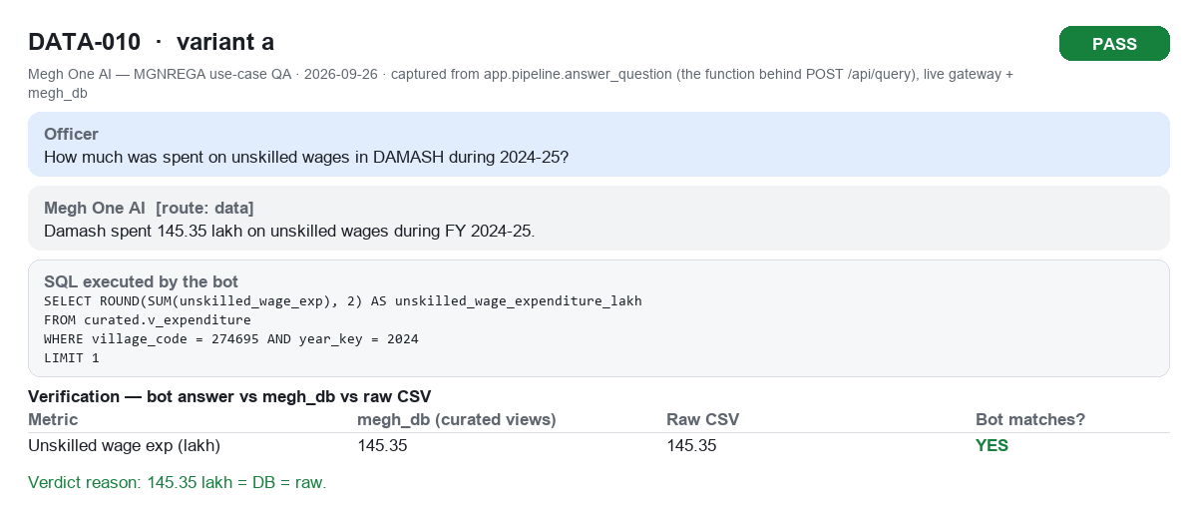

DATA-011a (DATA-011a.png)
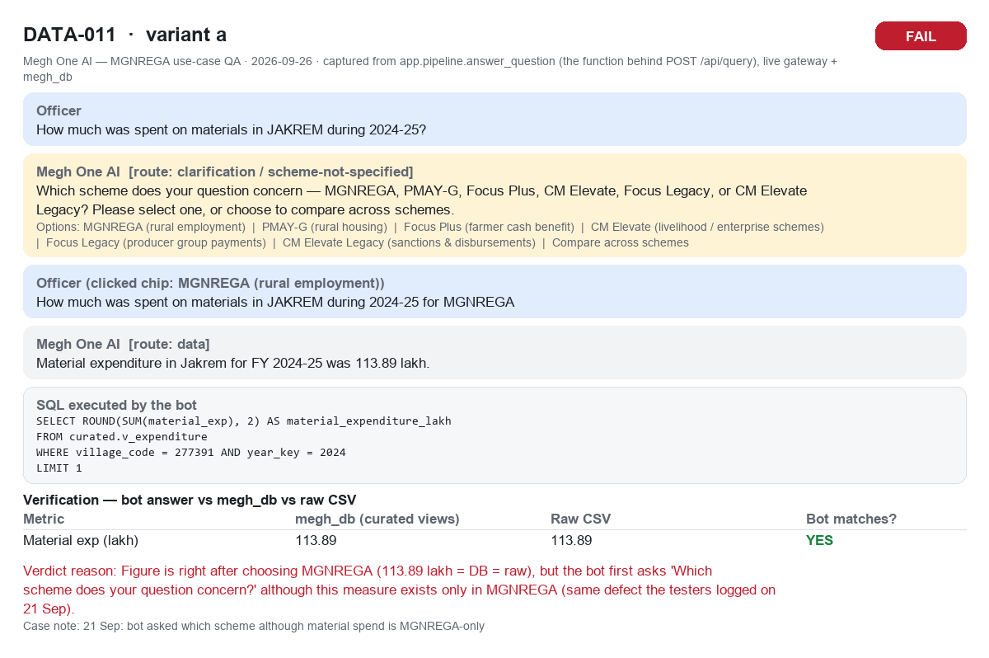

DATA-012a (DATA-012a.png)
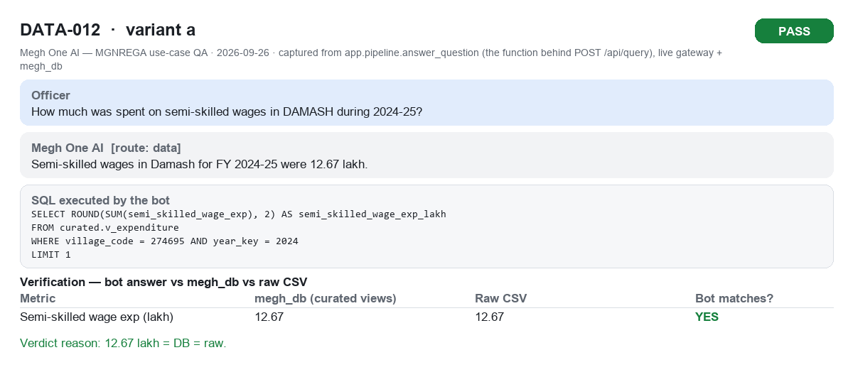

DATA-013a (DATA-013a.png)
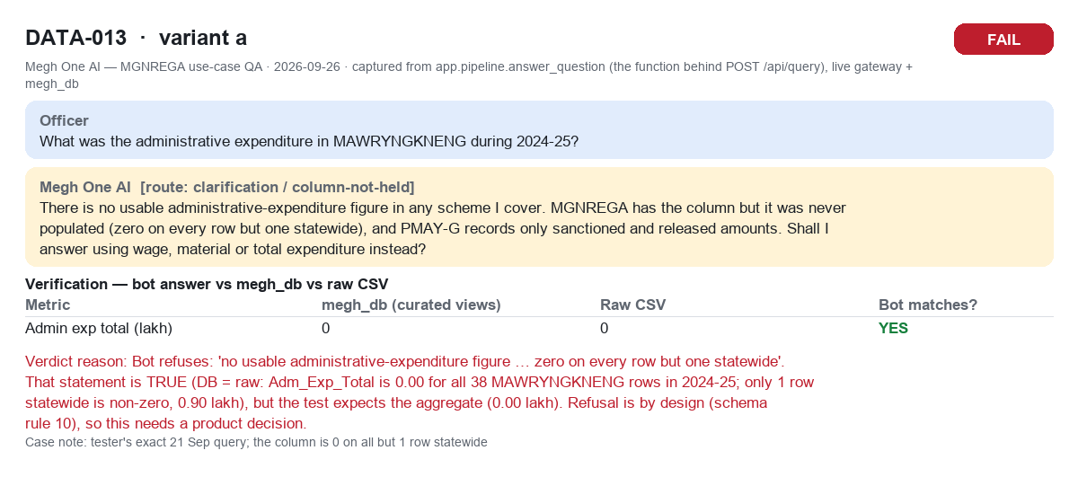

DATA-014a (DATA-014a.png)
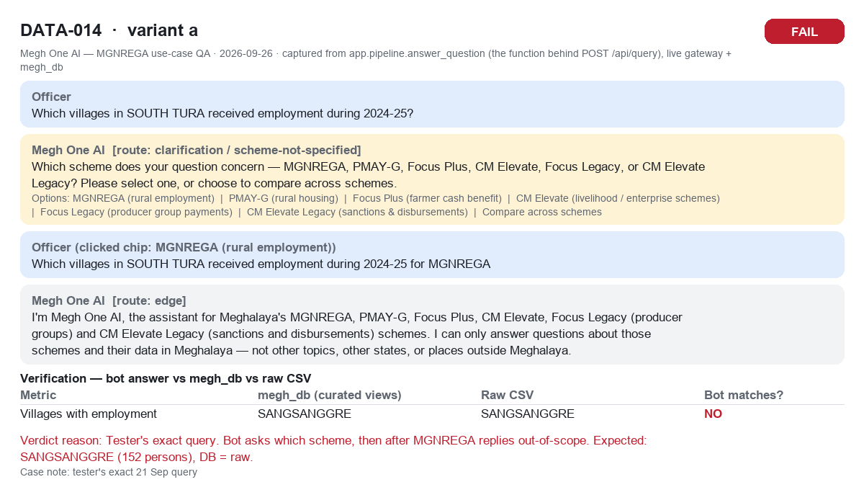

DATA-014b (DATA-014b.png)
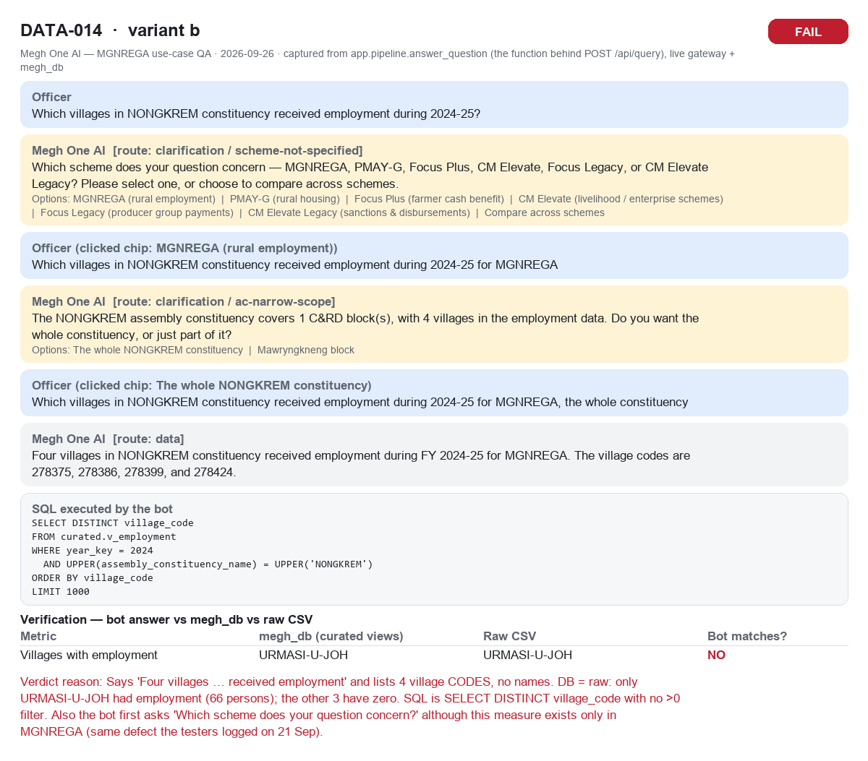

DATA-015a (DATA-015a.png)
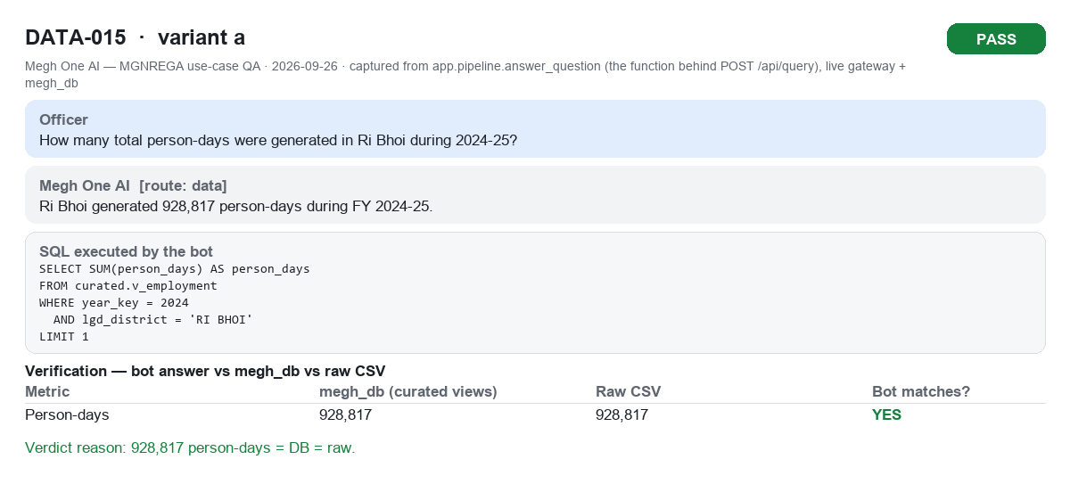

DATA-016a (DATA-016a.png)
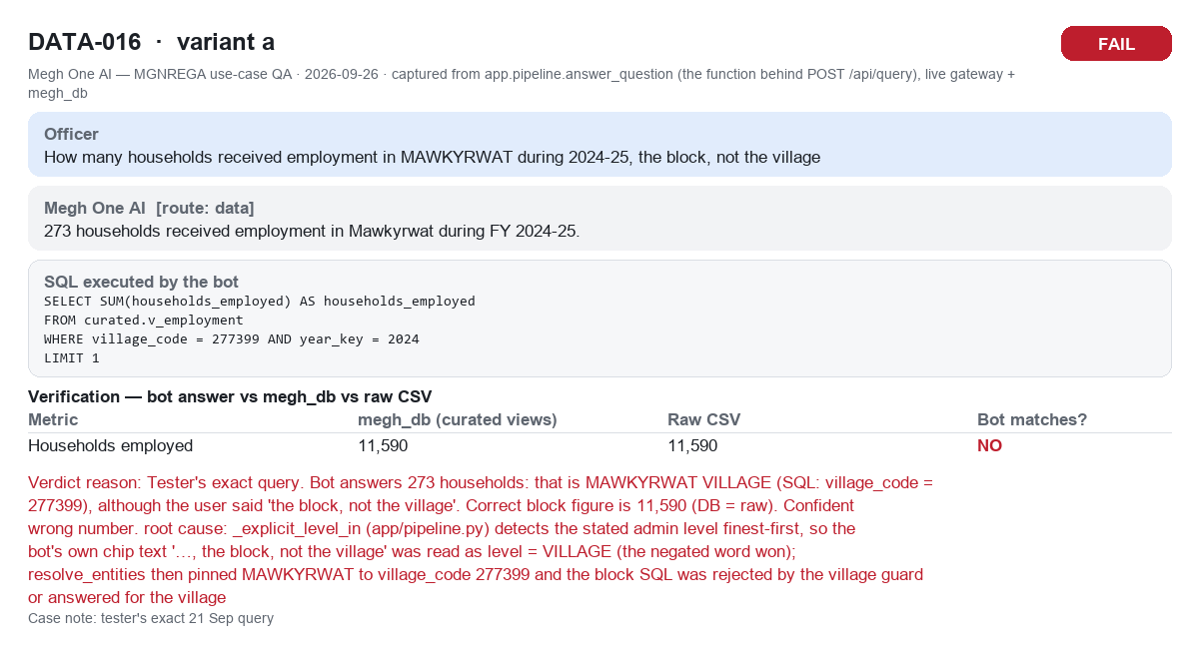

DATA-016b (DATA-016b.png)
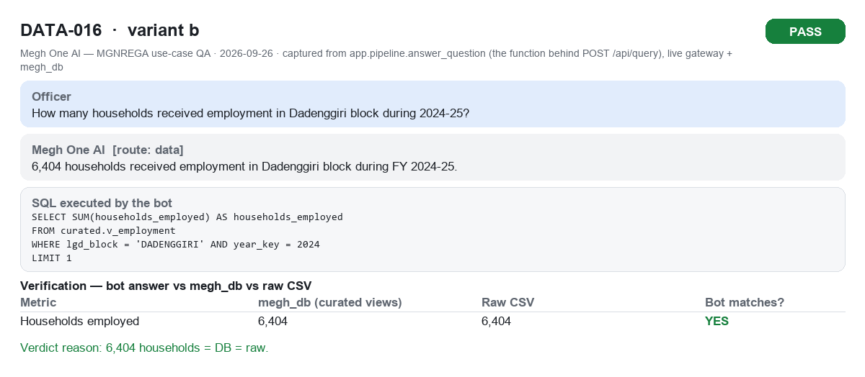

DATA-016c (DATA-016c.png)
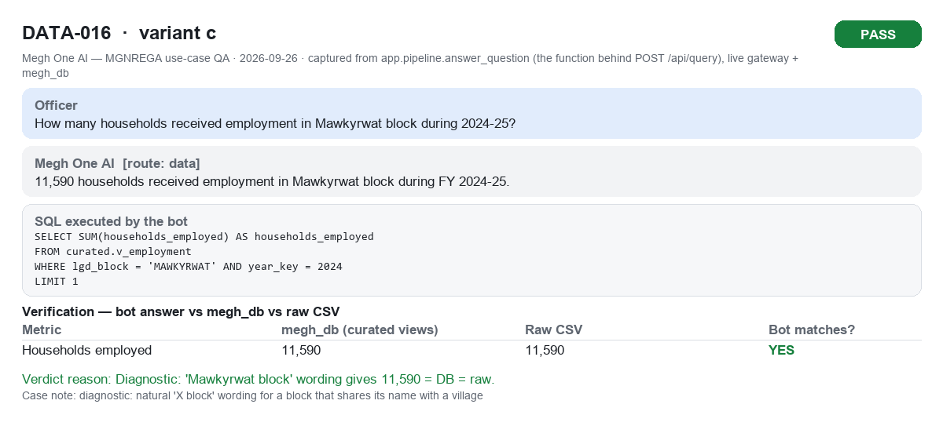

DATA-017a (DATA-017a.png)
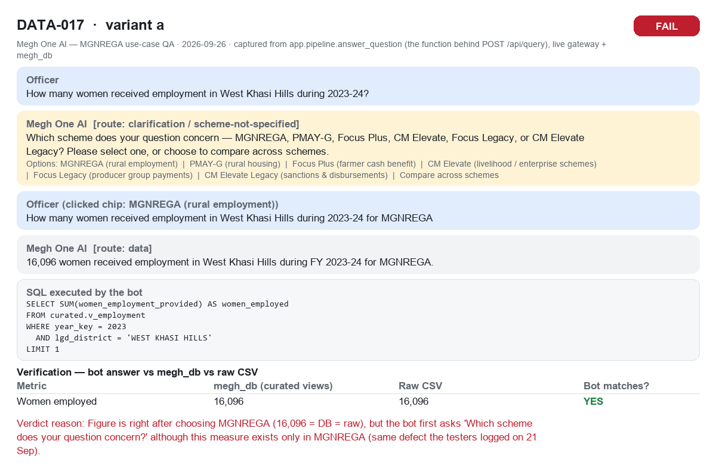

DATA-018a (DATA-018a.png)
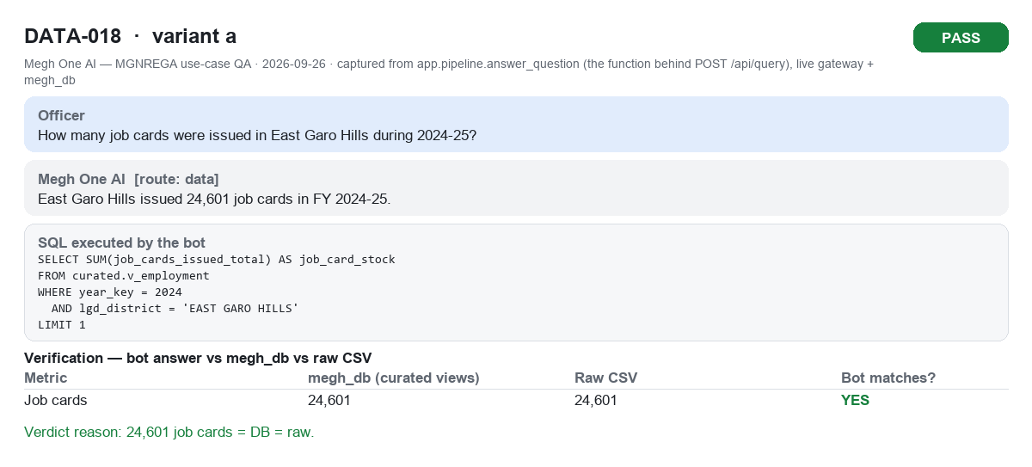

DATA-019a (DATA-019a.png)
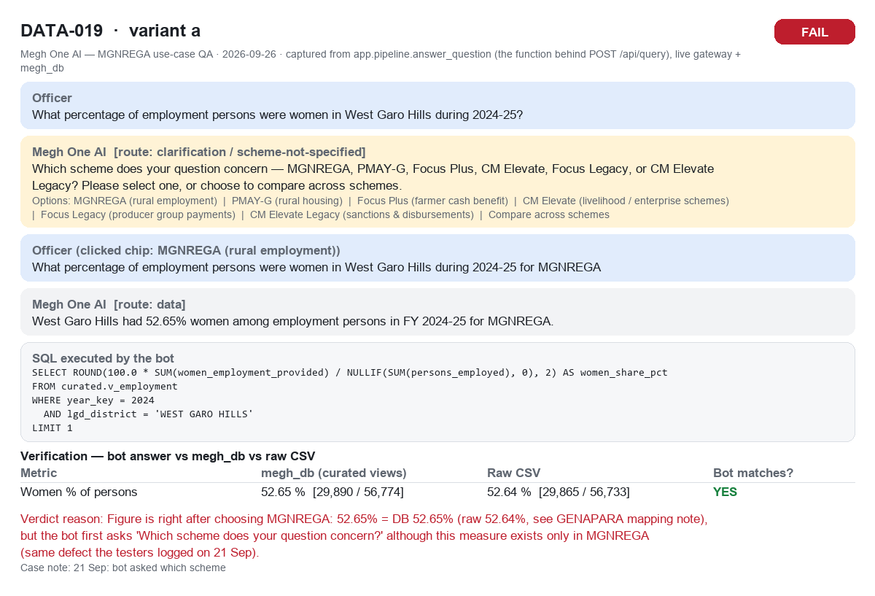

DATA-020a (DATA-020a.png)
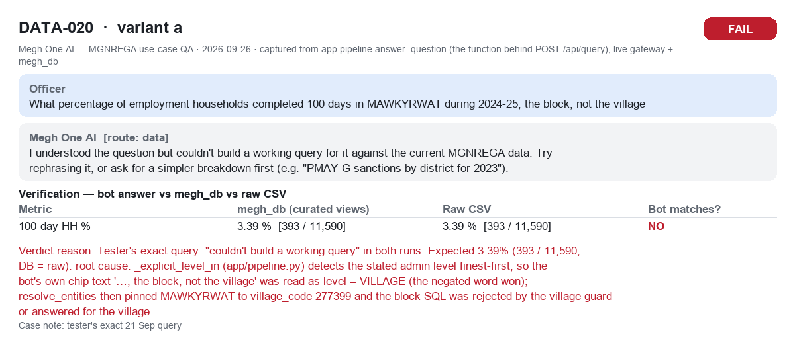

DATA-020b (DATA-020b.png)
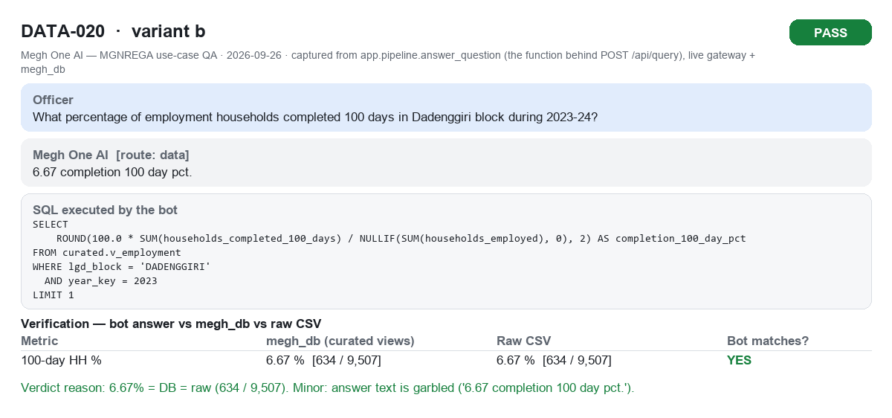

DATA-021a (DATA-021a.png)
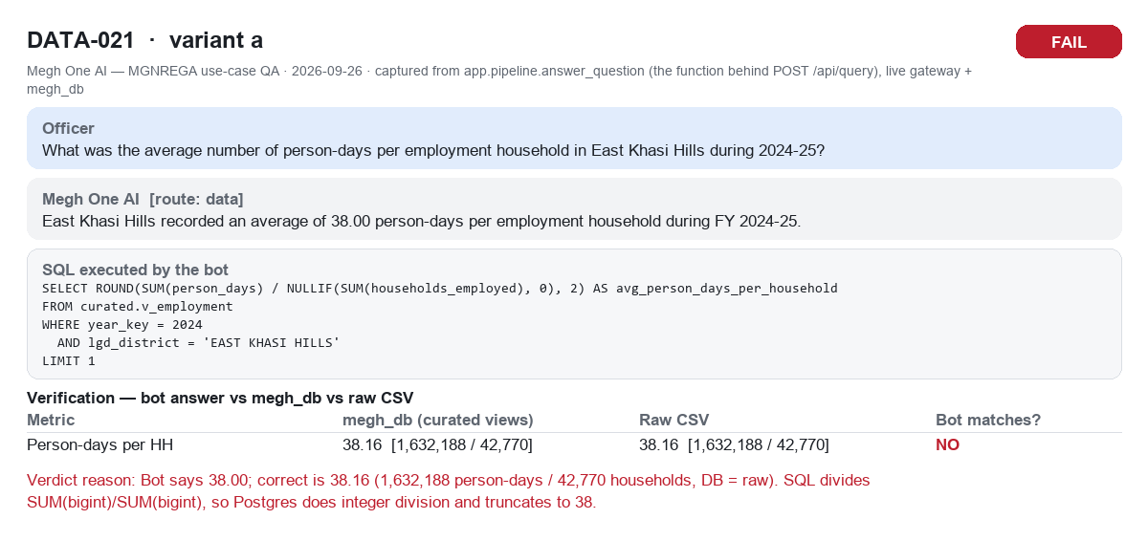

DATA-022a (DATA-022a.png)
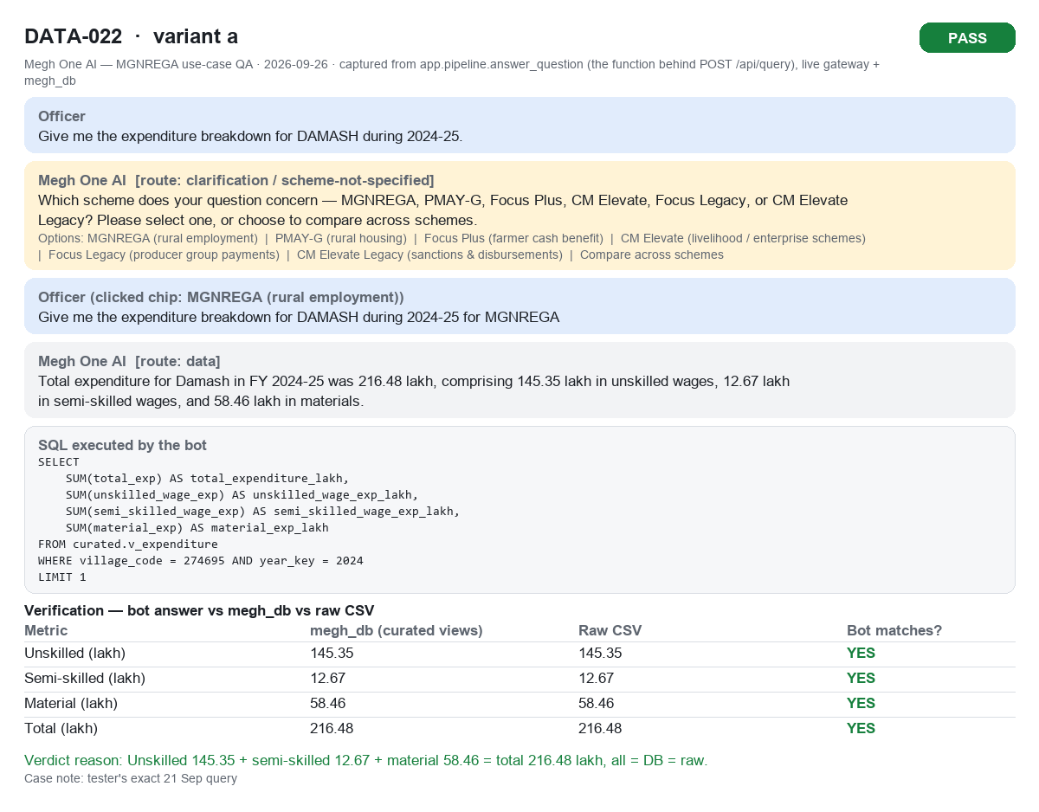

DATA-023a (DATA-023a.png)
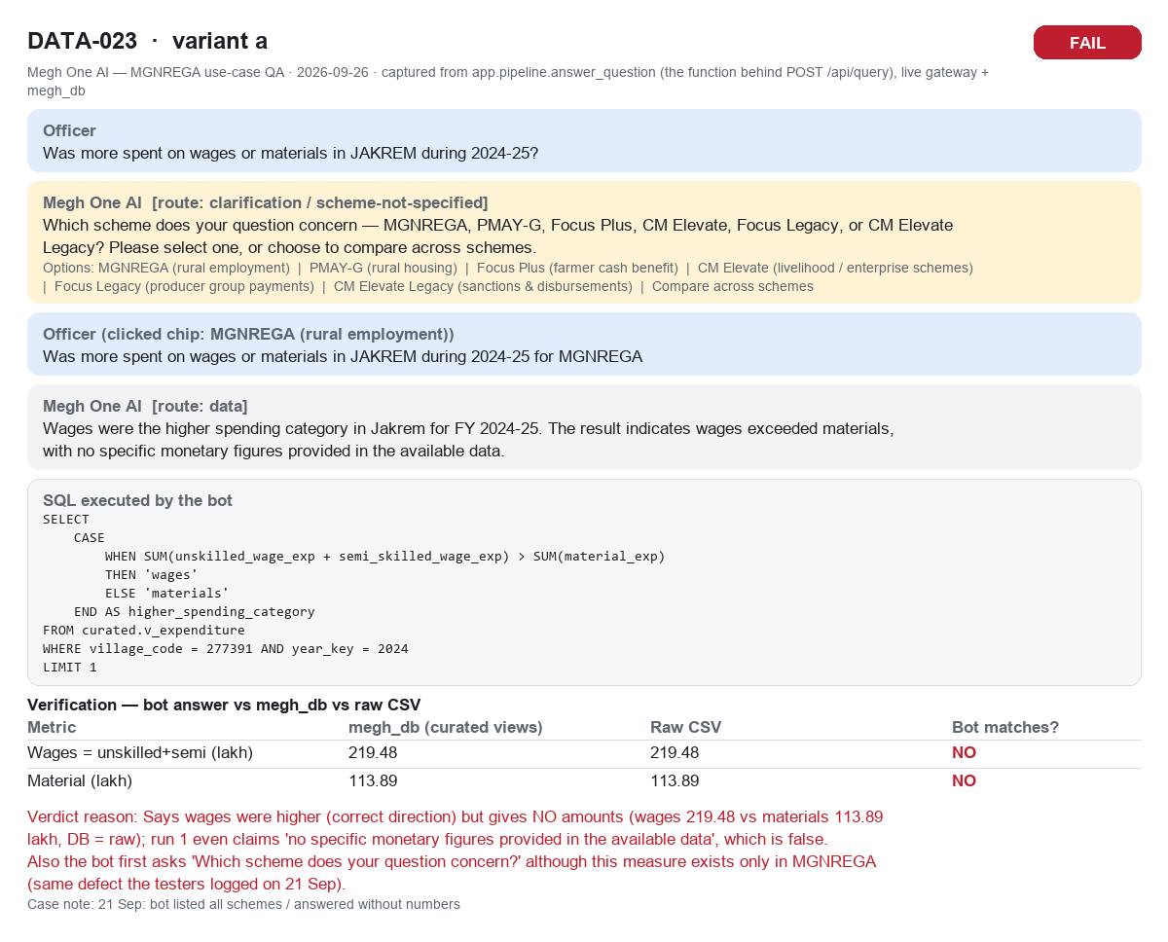

DATA-024a (DATA-024a.png)
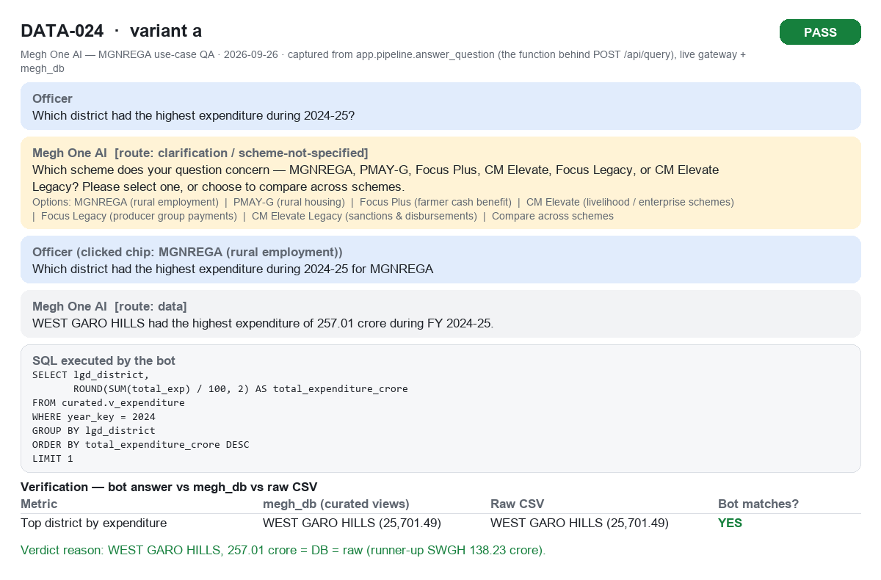

DATA-024b (DATA-024b.png)
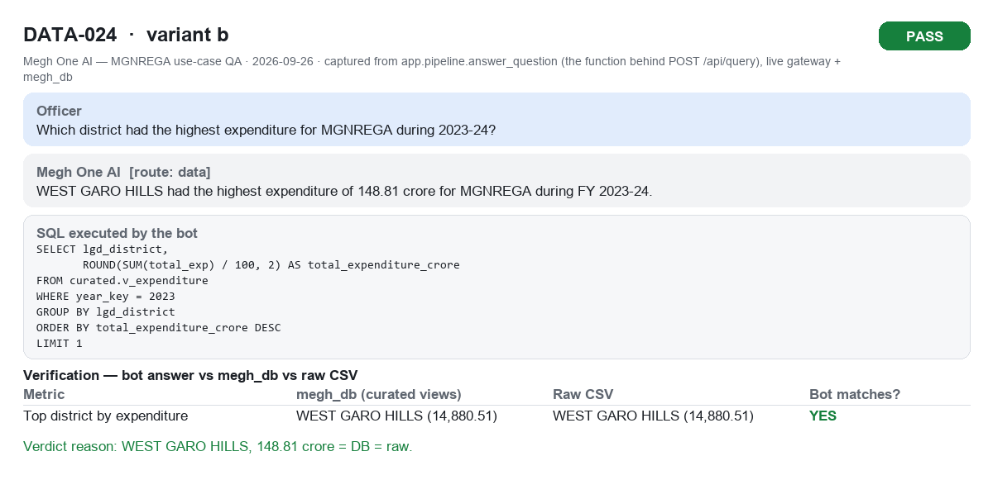

DATA-025a (DATA-025a.png)
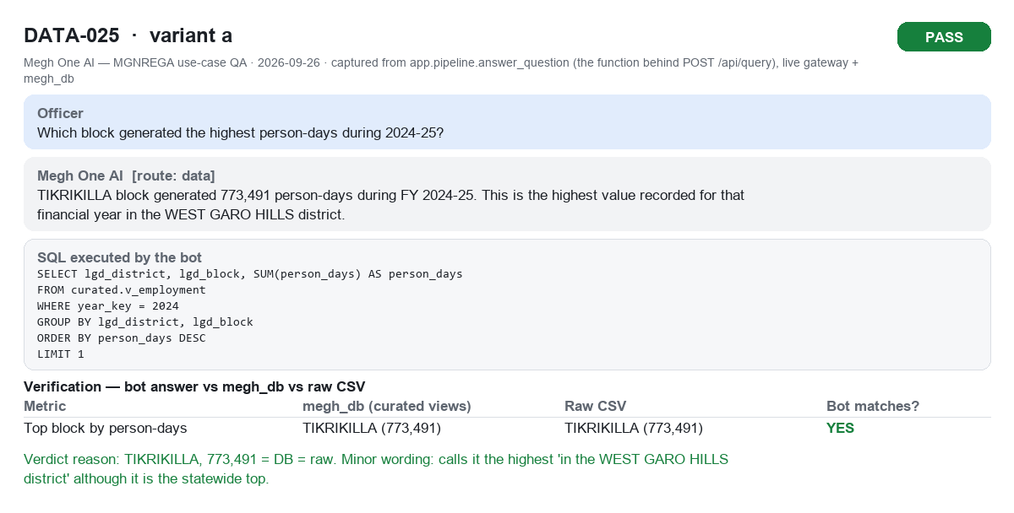

DATA-026a (DATA-026a.png)
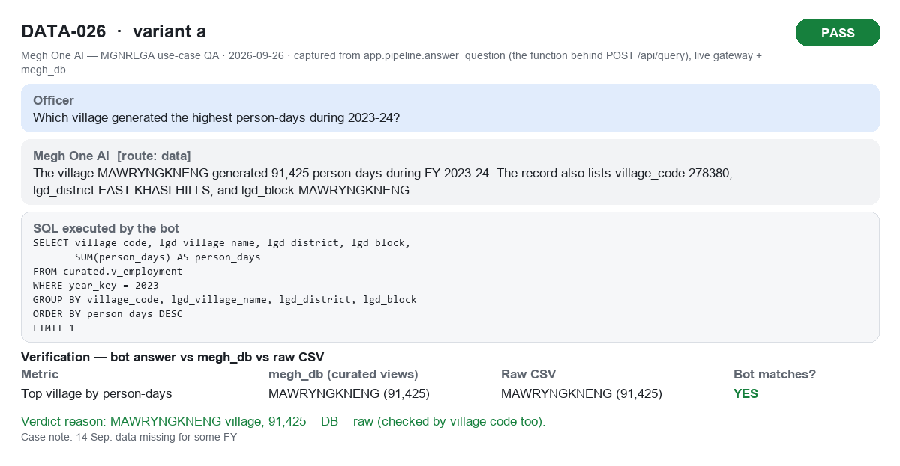

DATA-026b (DATA-026b.png)
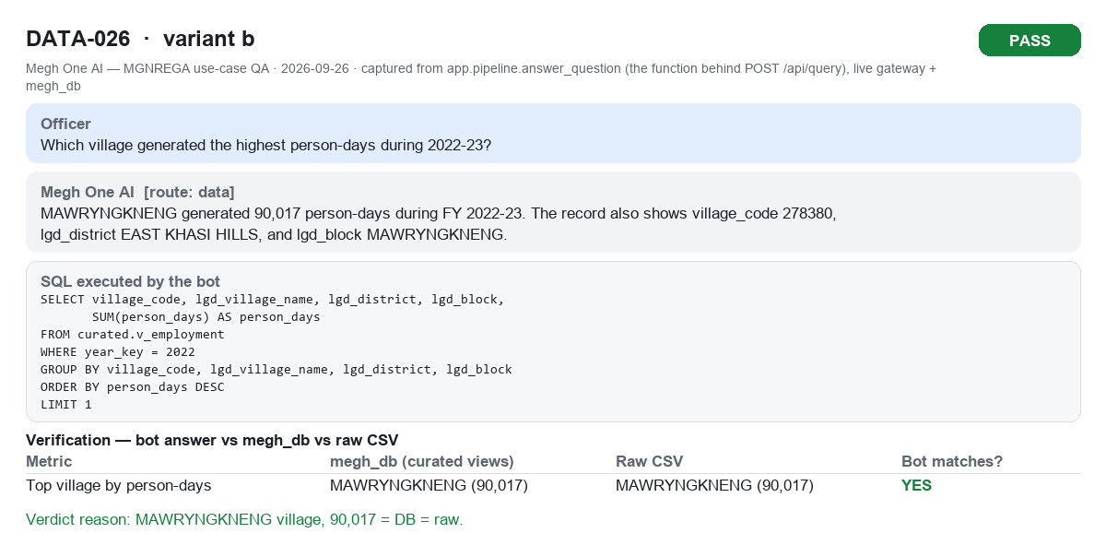

DATA-027a (DATA-027a.png)
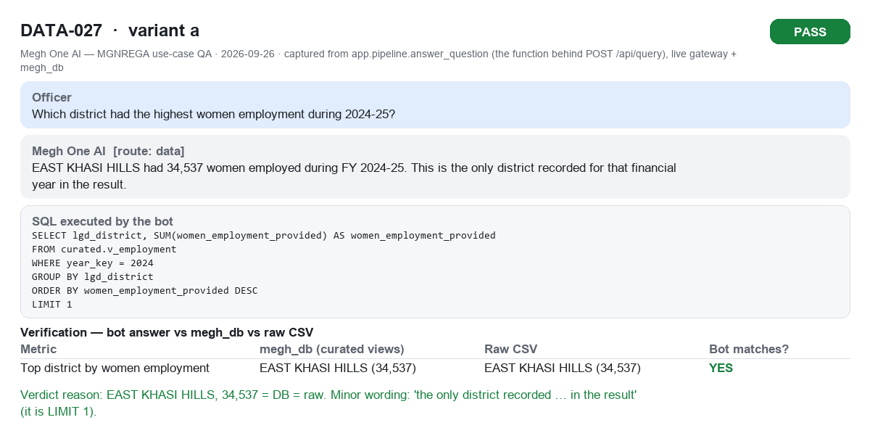

DATA-028a (DATA-028a.png)
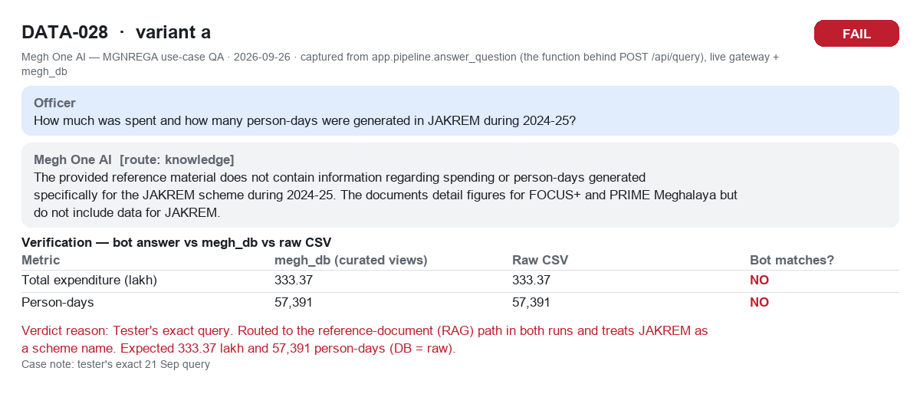

DATA-029a (DATA-029a.png)
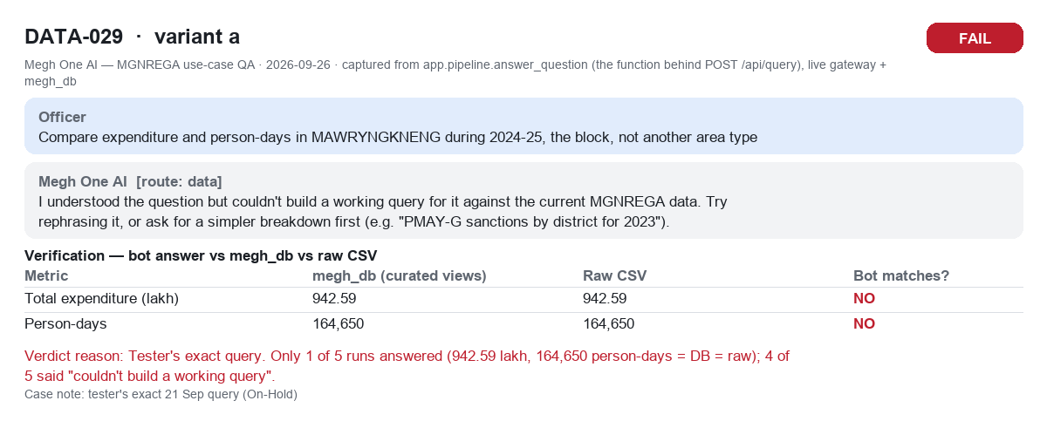

DATA-029a_run2_success (DATA-029a_run2_success.png)
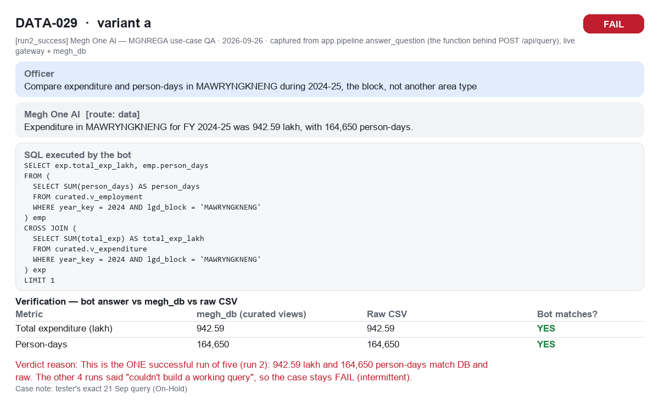

DATA-030a (DATA-030a.png)

