Evidence
Before (round 1) / after (final code) for each round-1 failure type

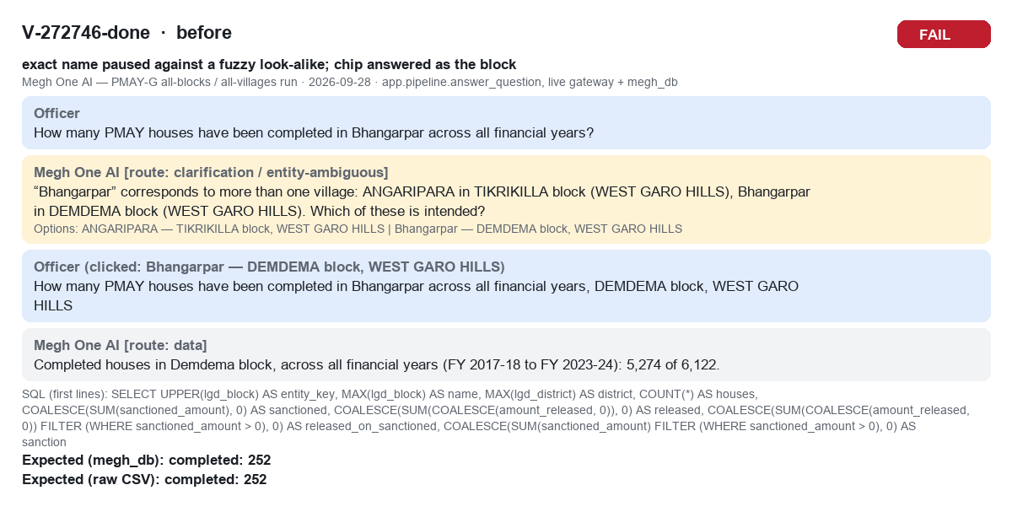
V-272746-done before FAIL

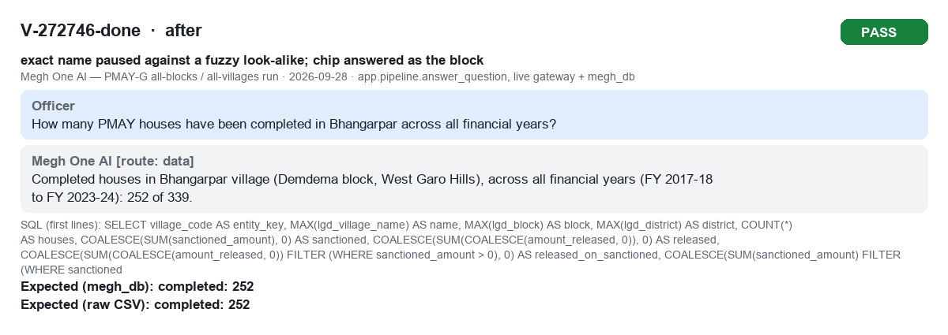
V-272746-done after PASS

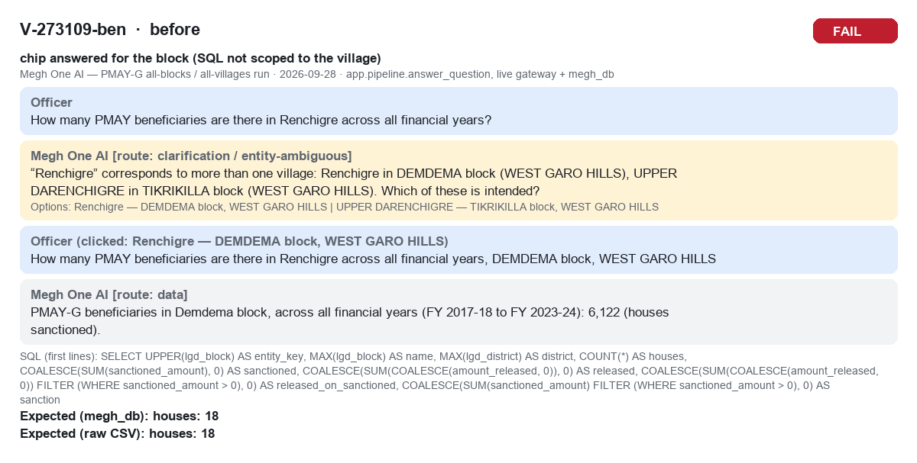
V-273109-ben before FAIL

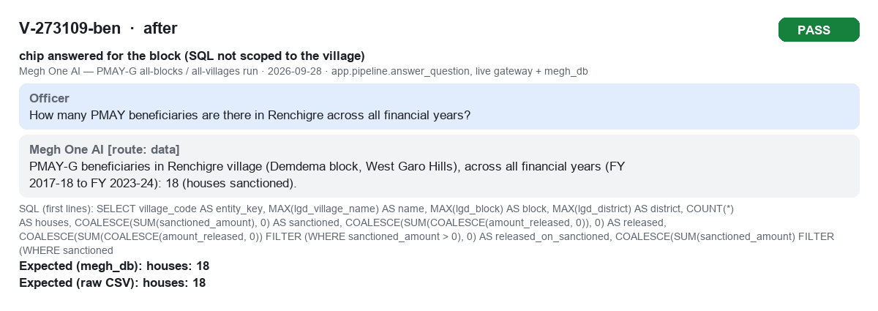
V-273109-ben after PASS

V-272776-sanc before FAIL

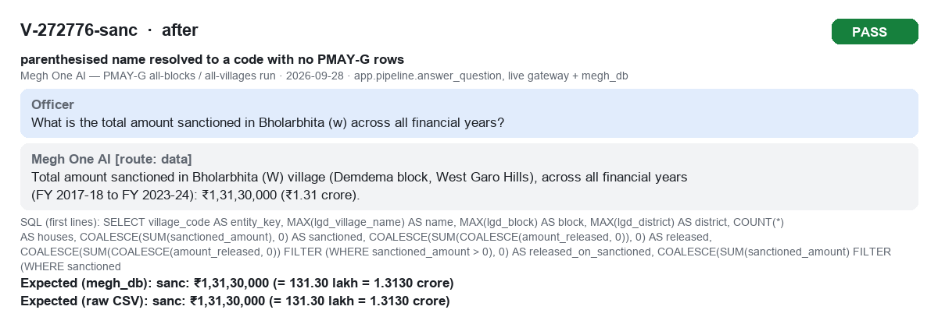
V-272776-sanc after PASS

V-272784-brk before FAIL

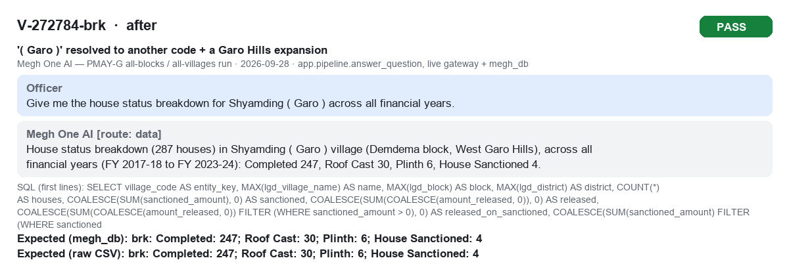
V-272784-brk after PASS

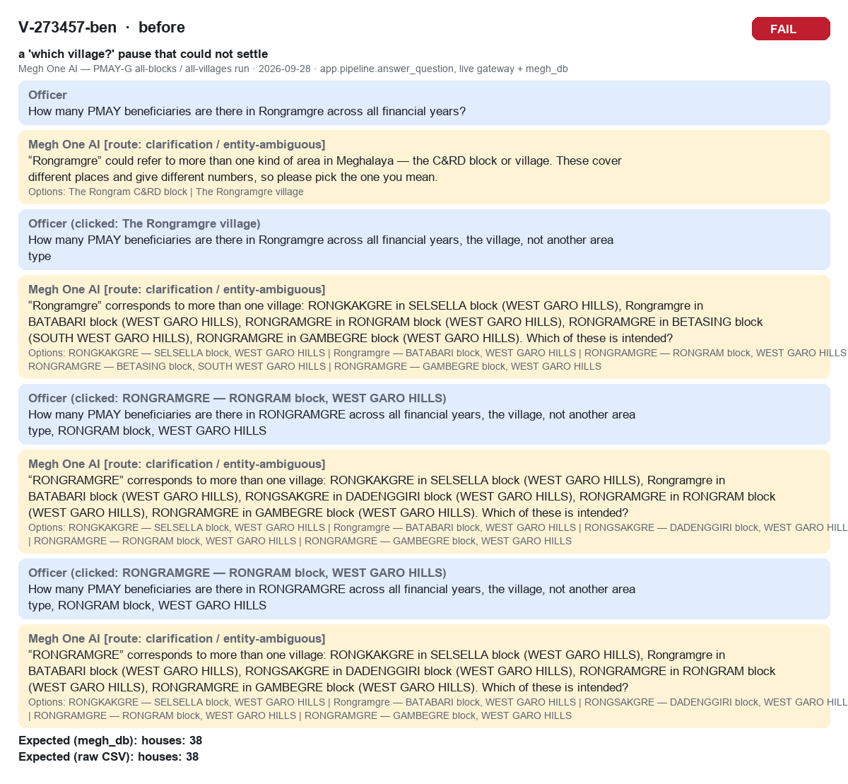
V-273457-ben before FAIL

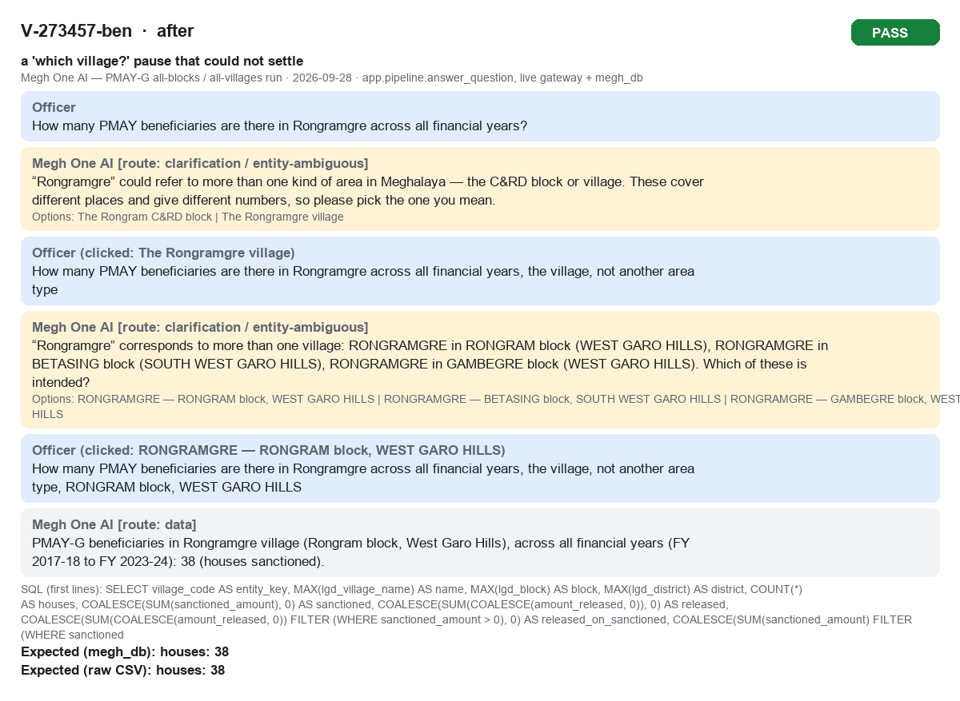
V-273457-ben after PASS

V-277554-sanc before FAIL

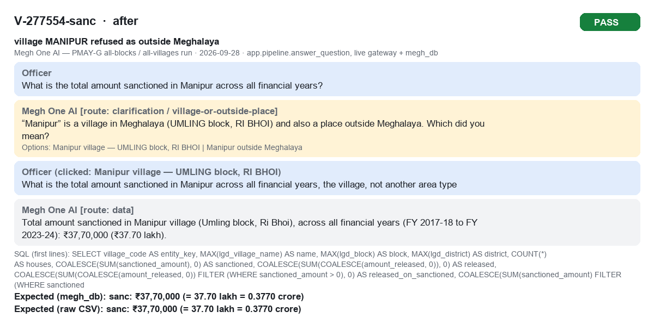
V-277554-sanc after PASS

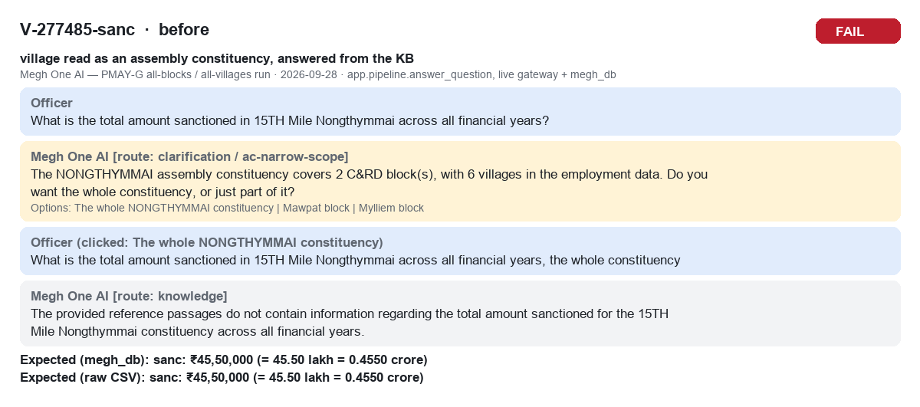
V-277485-sanc before FAIL

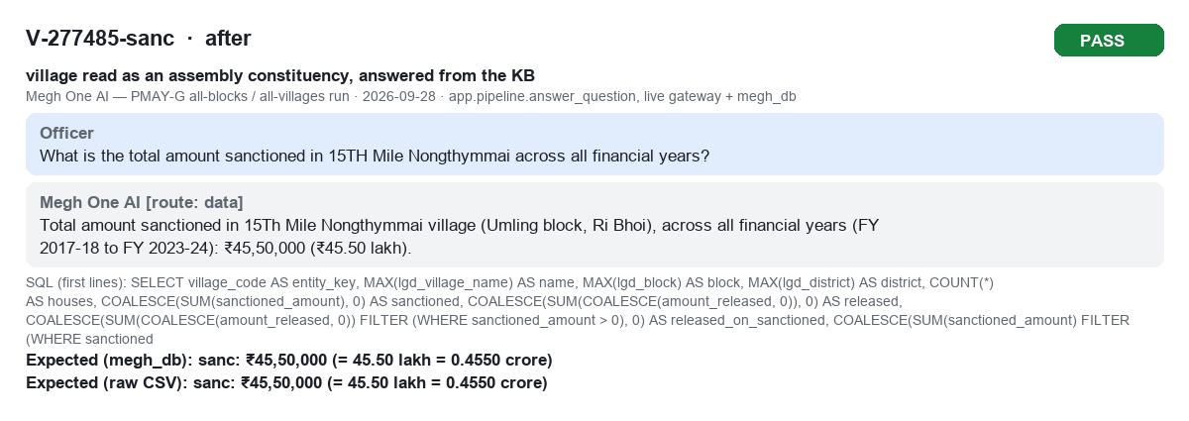
V-277485-sanc after PASS

