Evidence
Before (first pass) / after (final code) for each bug type found in this run

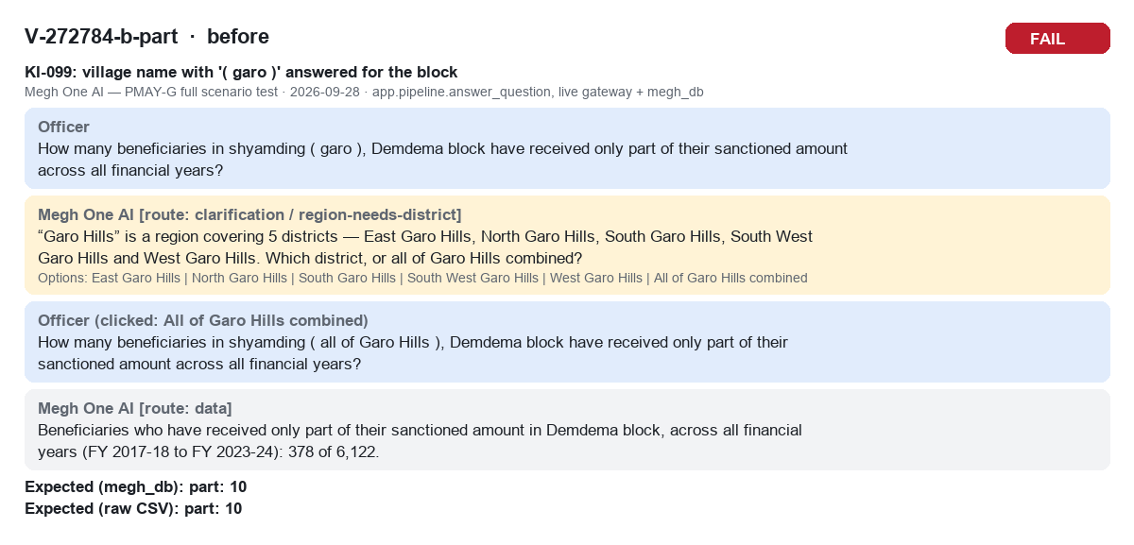
V-272784-b-part before FAIL

V-272784-b-part after PASS

V-272820-d-fnd before FAIL

V-272820-d-fnd after PASS

V-273089-b-rpct before FAIL

V-273089-b-rpct after PASS

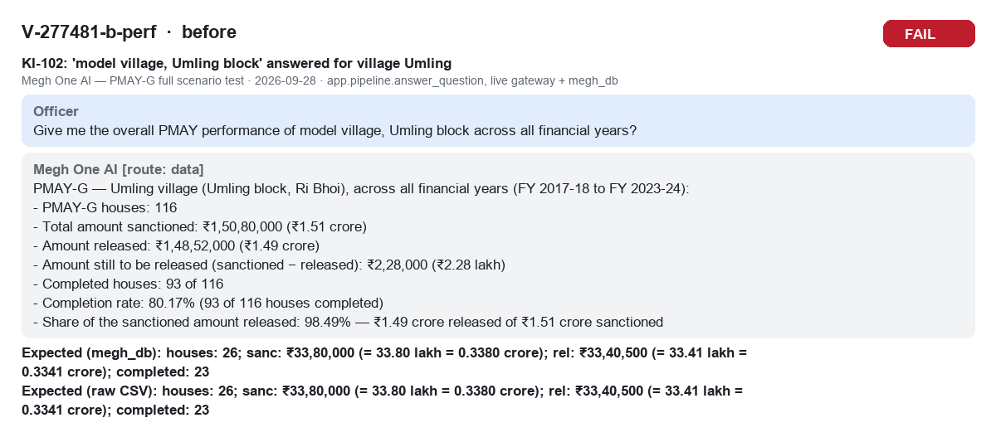
V-277481-b-perf before FAIL

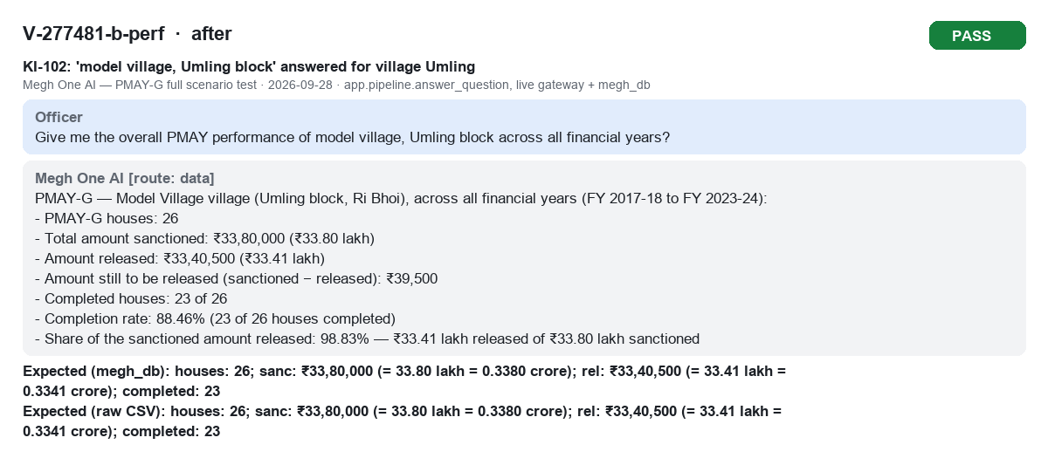
V-277481-b-perf after PASS

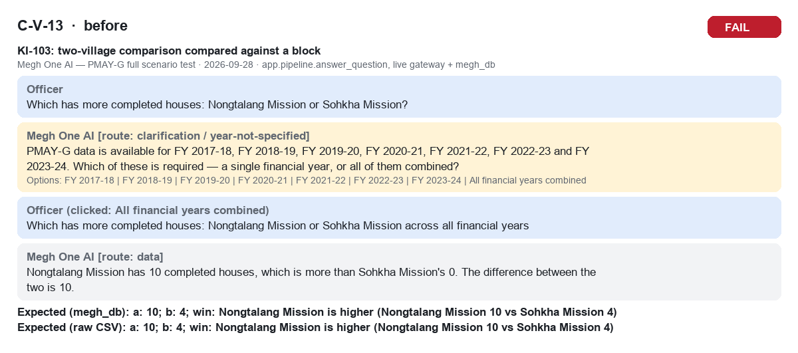
C-V-13 before FAIL

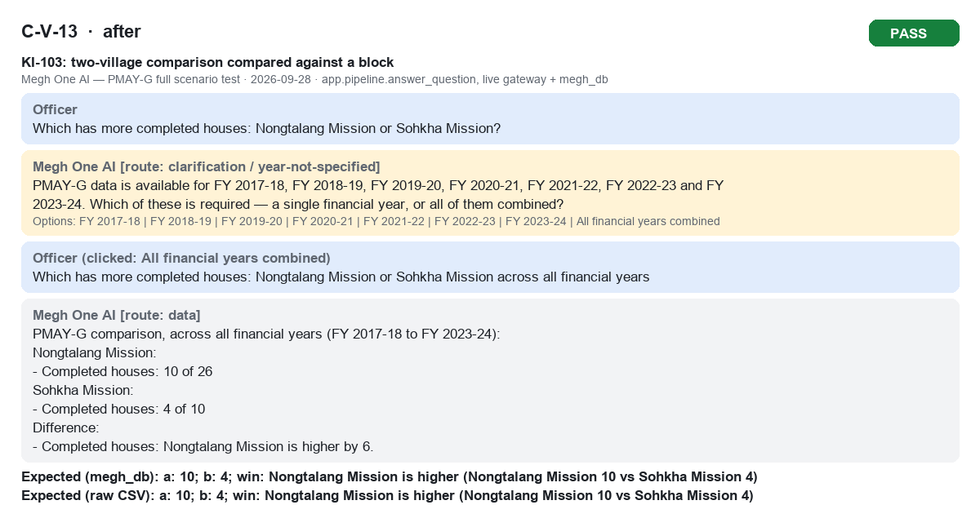
C-V-13 after PASS

M-EAST GARO HILLS-years before FAIL

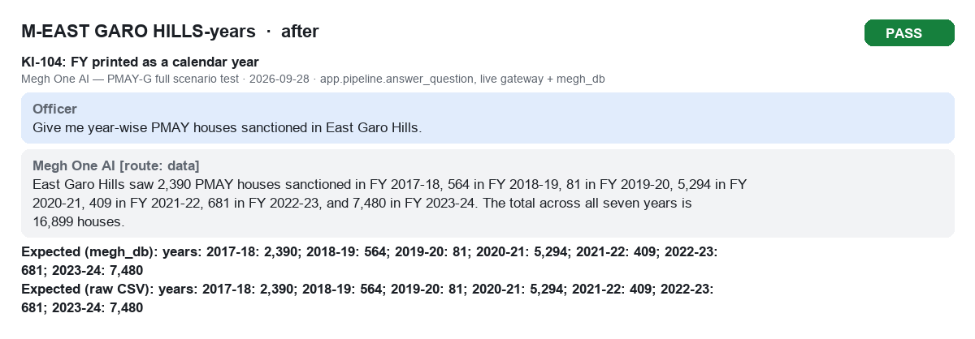
M-EAST GARO HILLS-years after PASS

M-EAST KHASI HILLS-avg before PASS

M-EAST KHASI HILLS-avg after PASS

