Evidence
Evidence screenshots (run A; run B too where only run B failed): the bot conversation, its SQL, and Bot vs DB vs Raw

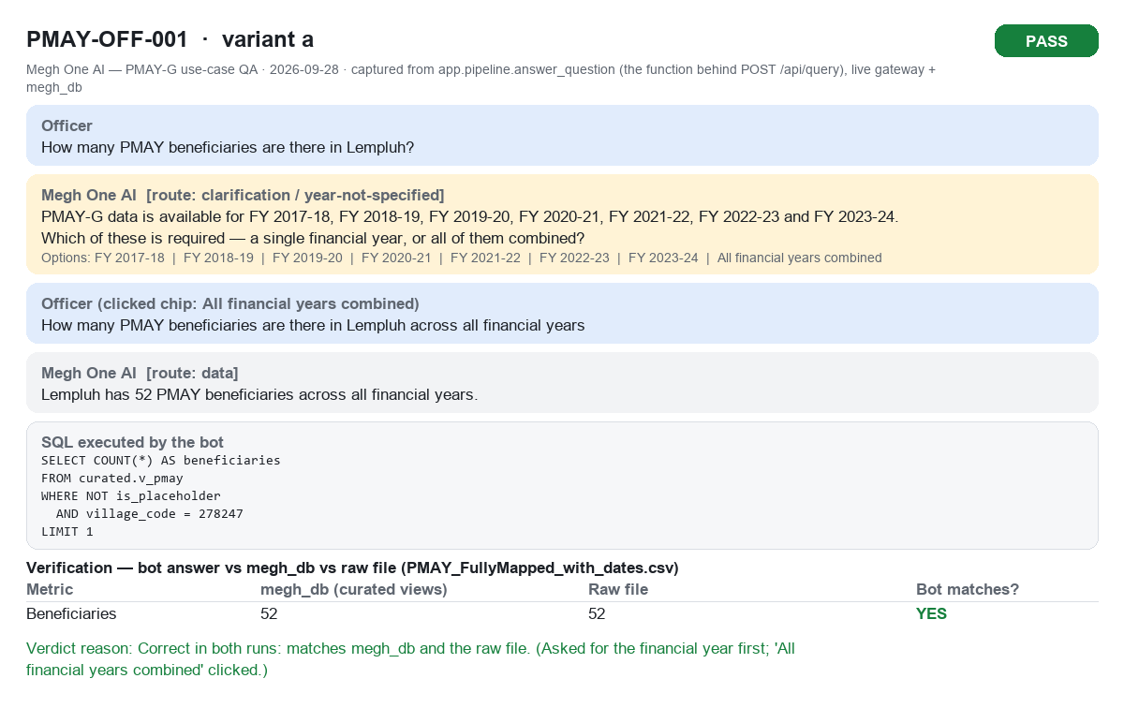
PMAY-OFF-001a PASS

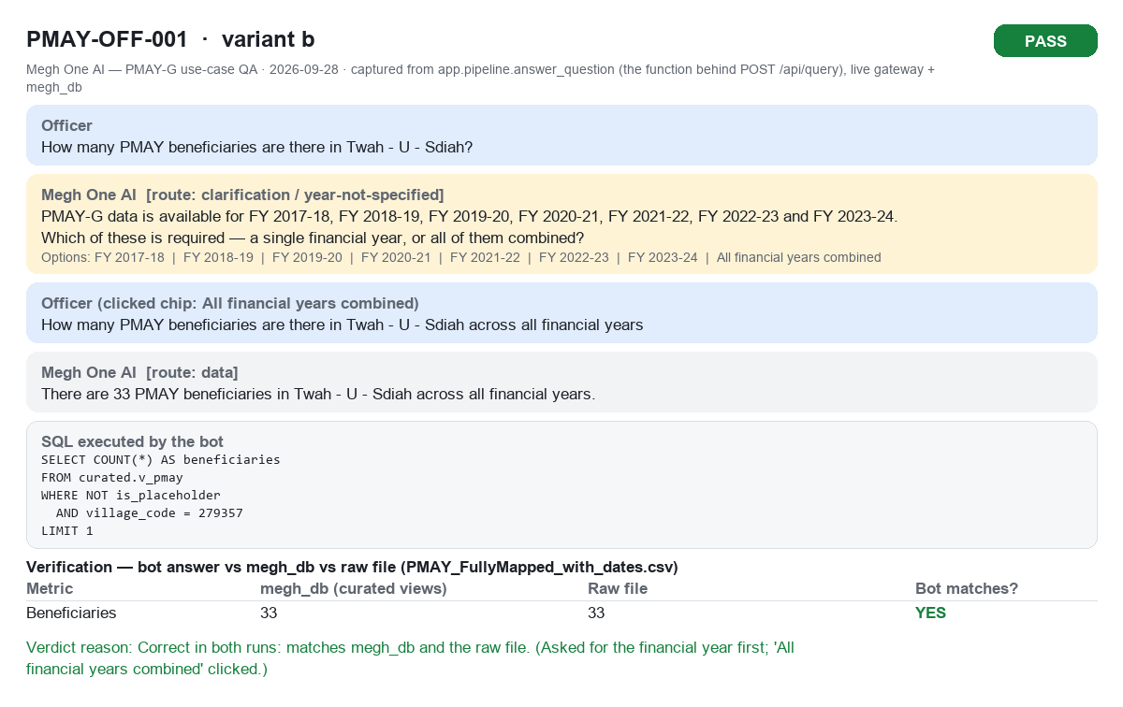
PMAY-OFF-001b PASS


PMAY-OFF-001c PASS

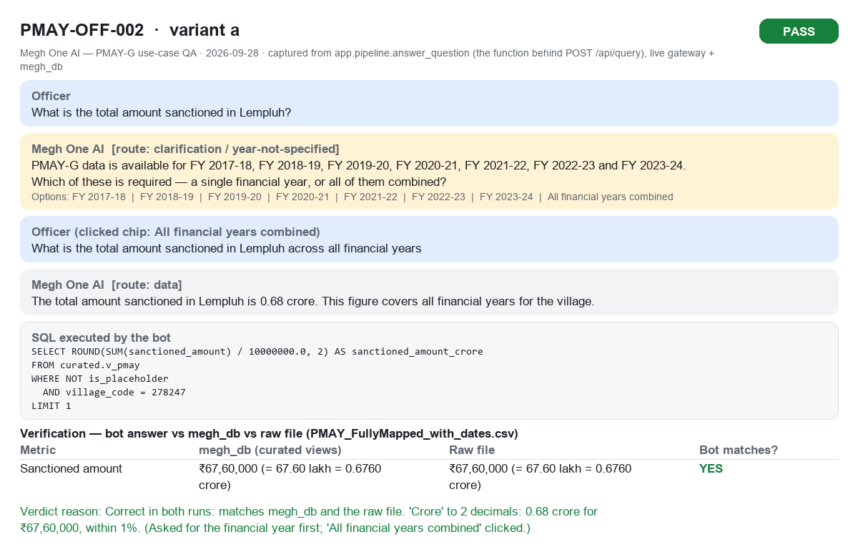
PMAY-OFF-002a PASS

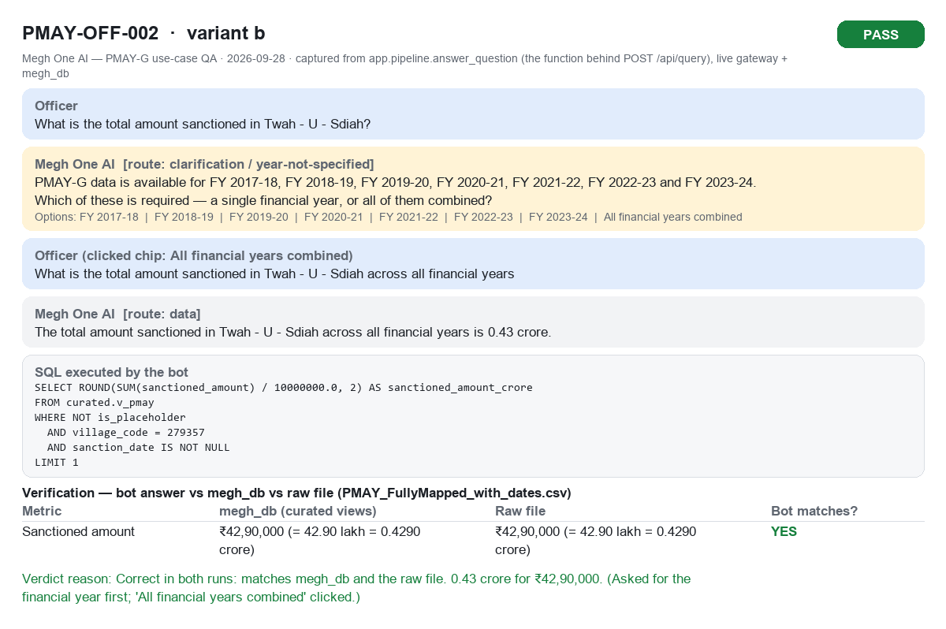
PMAY-OFF-002b PASS

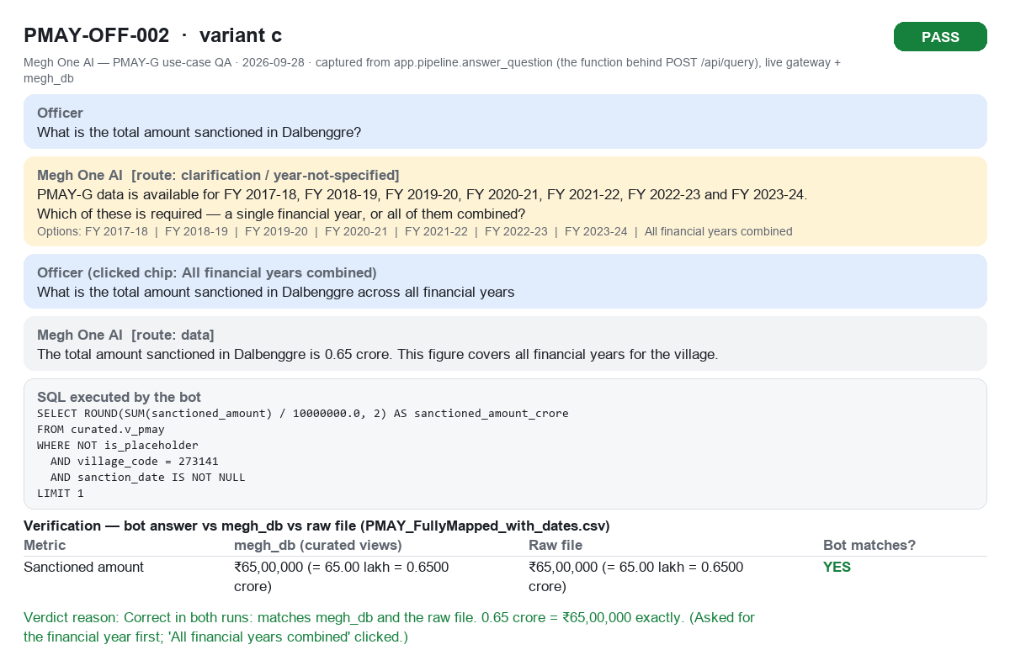
PMAY-OFF-002c PASS

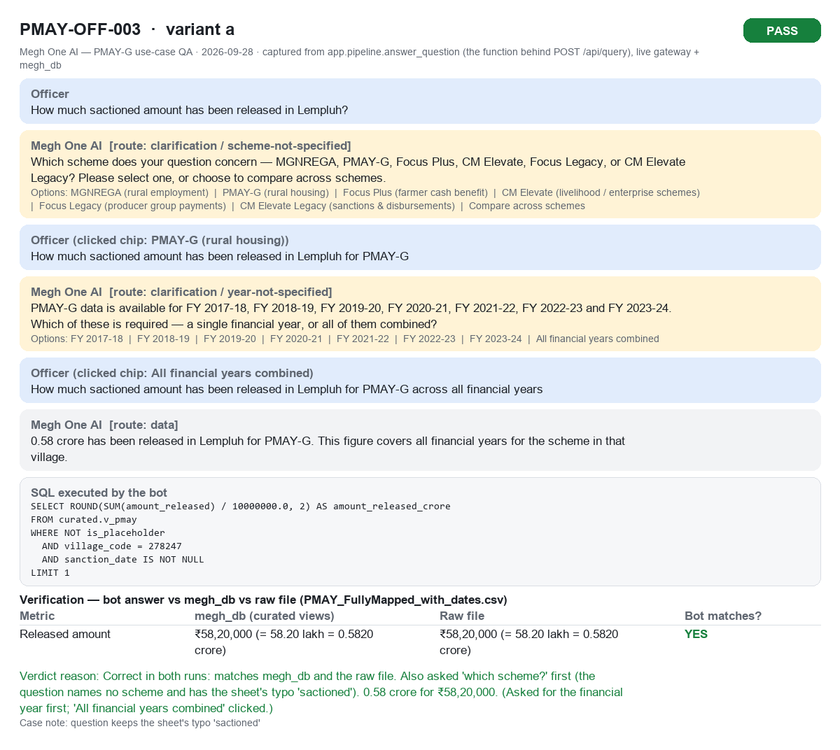
PMAY-OFF-003a PASS

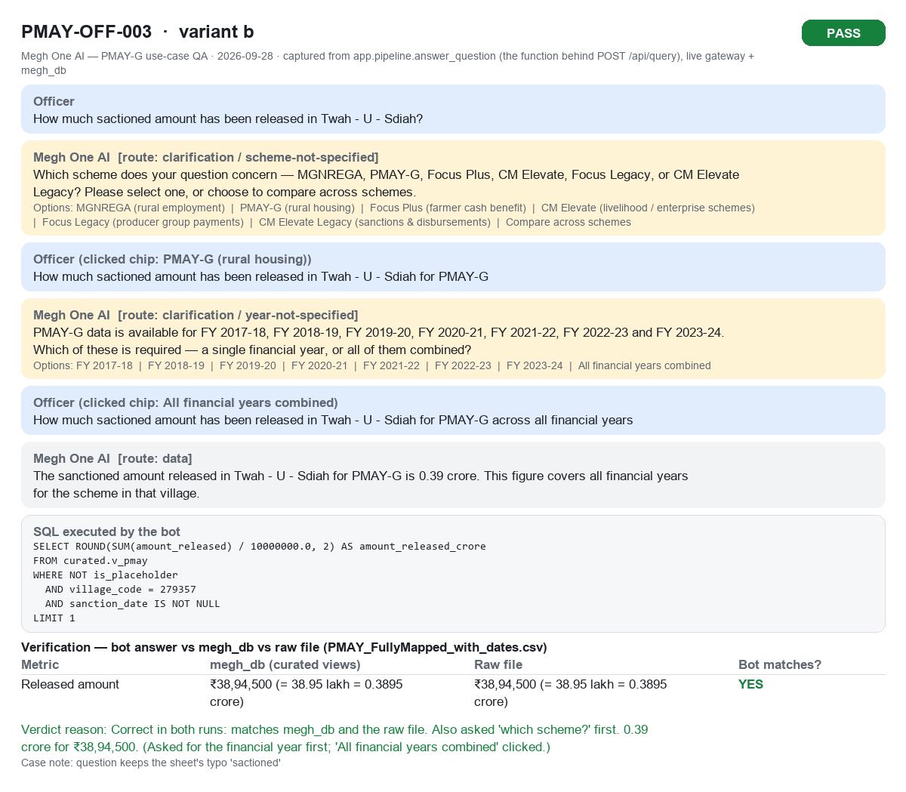
PMAY-OFF-003b PASS

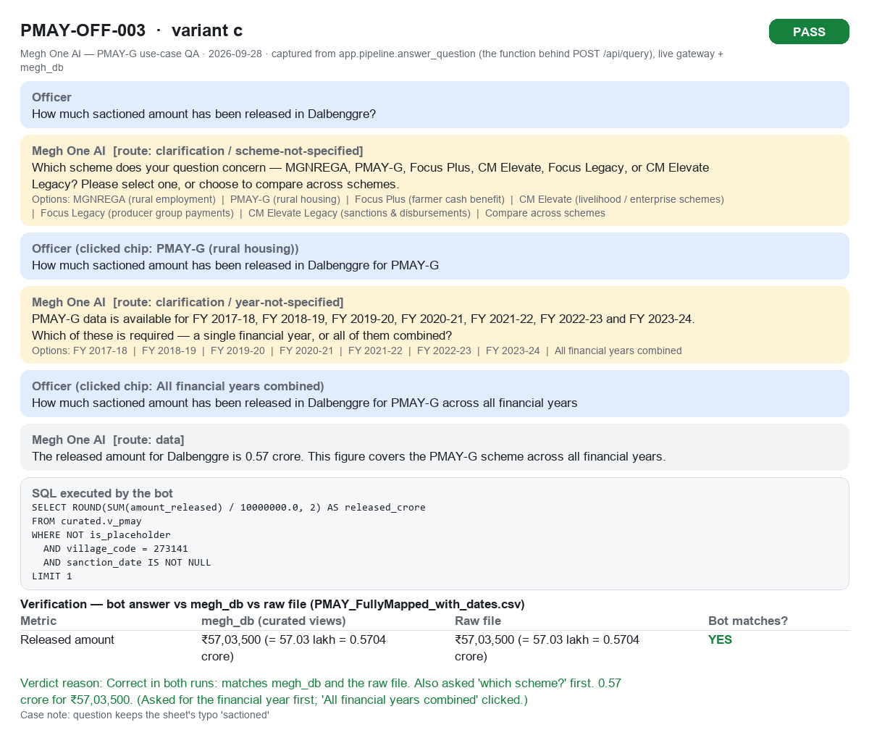
PMAY-OFF-003c PASS

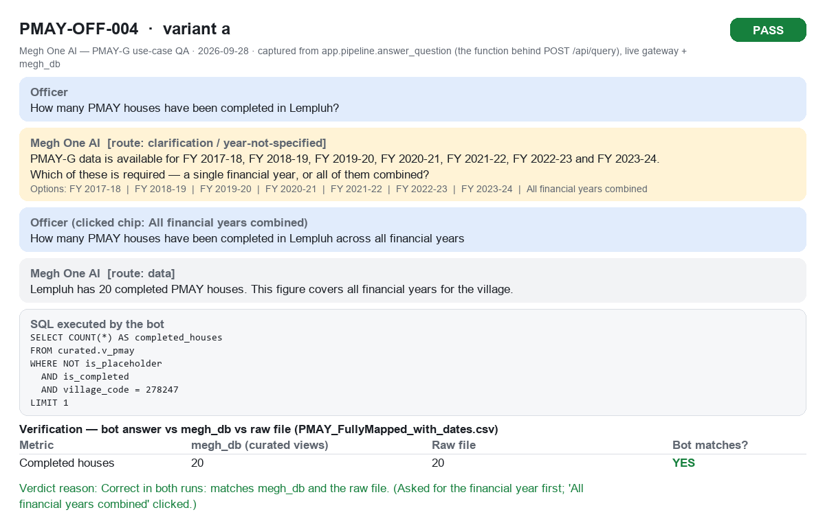
PMAY-OFF-004a PASS

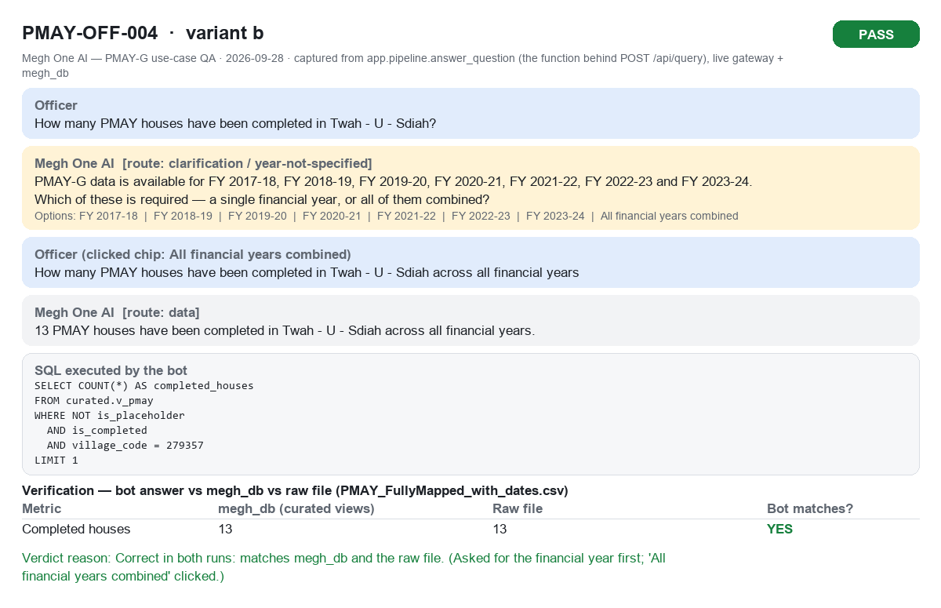
PMAY-OFF-004b PASS

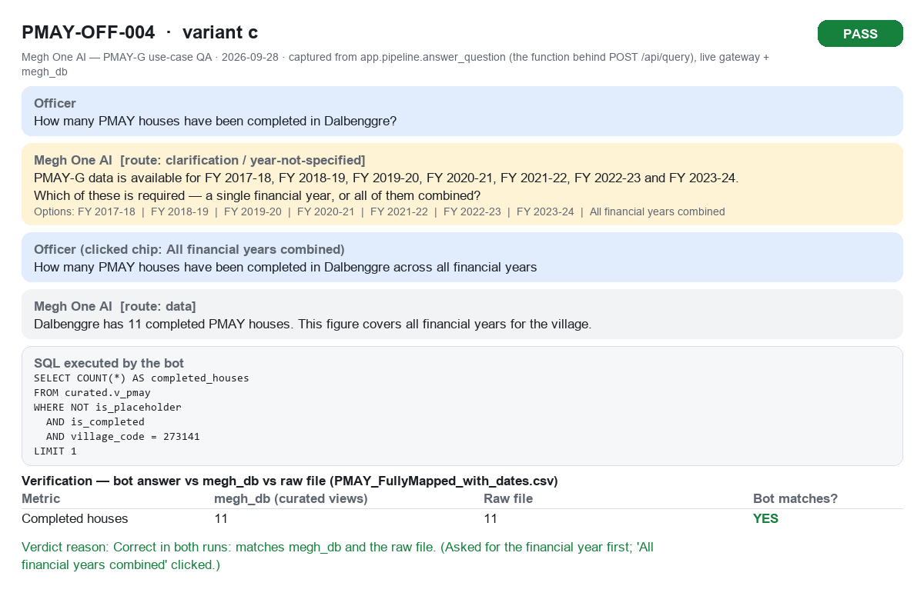
PMAY-OFF-004c PASS

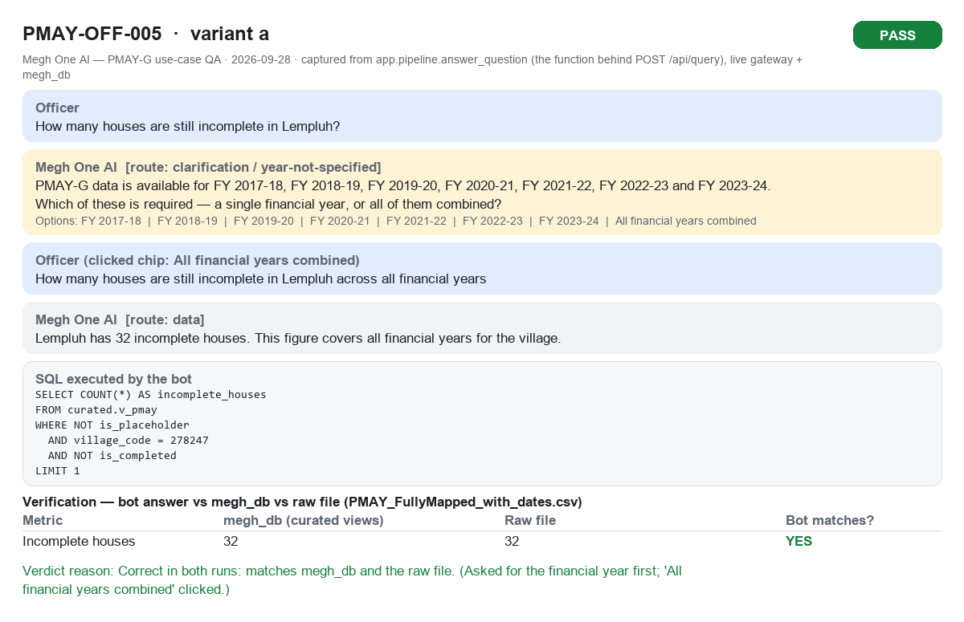
PMAY-OFF-005a PASS

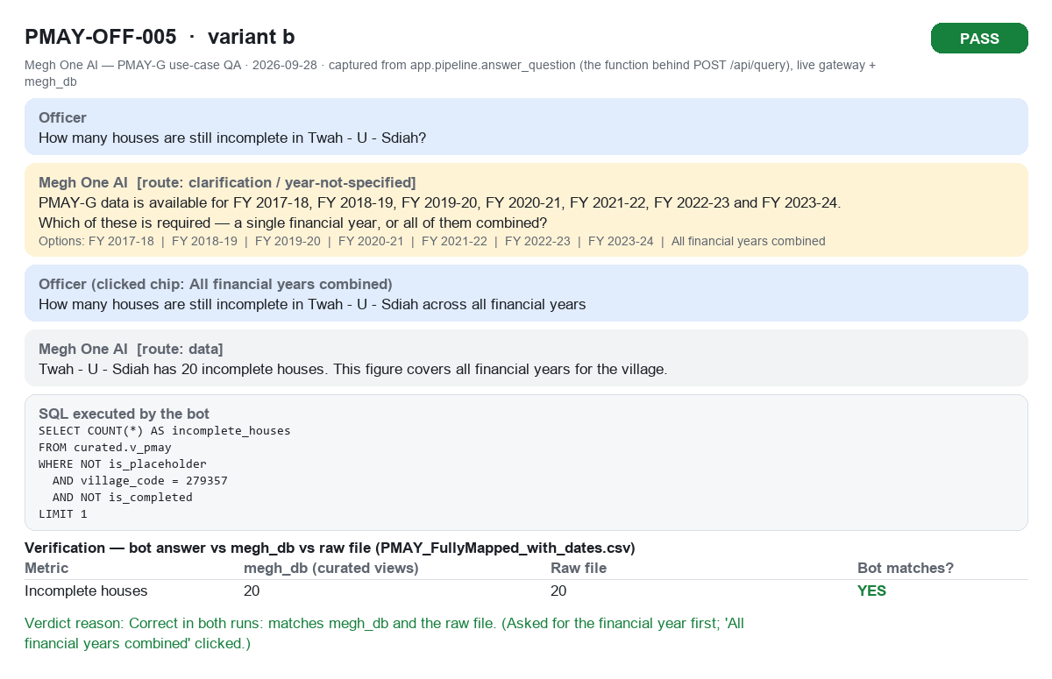
PMAY-OFF-005b PASS


PMAY-OFF-005c PASS

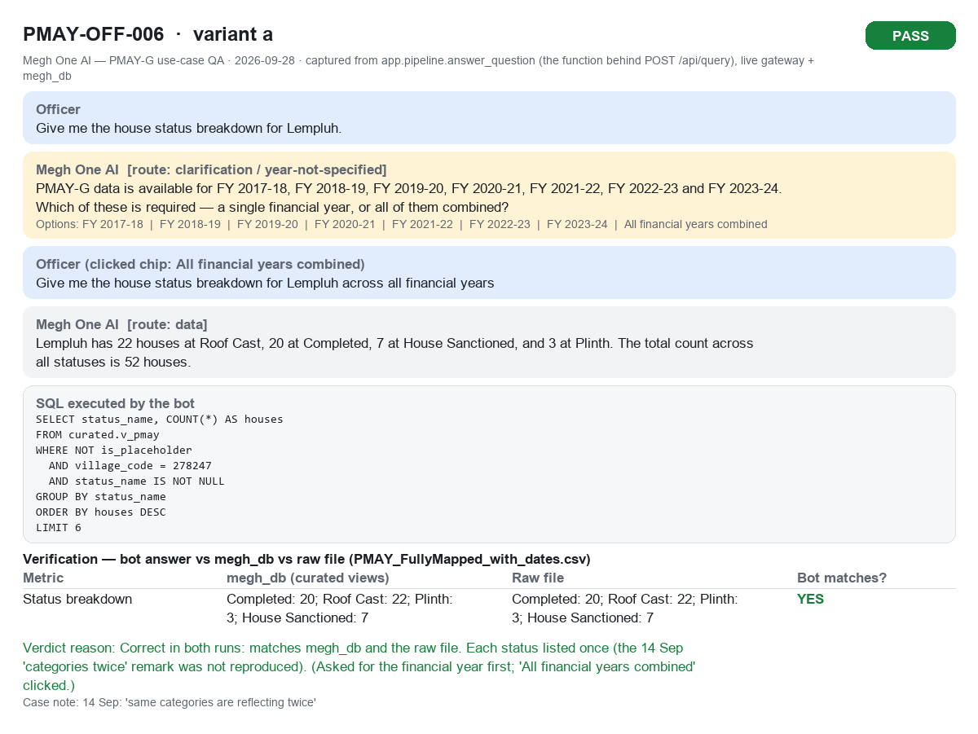
PMAY-OFF-006a PASS


PMAY-OFF-006b PASS


PMAY-OFF-006c PASS

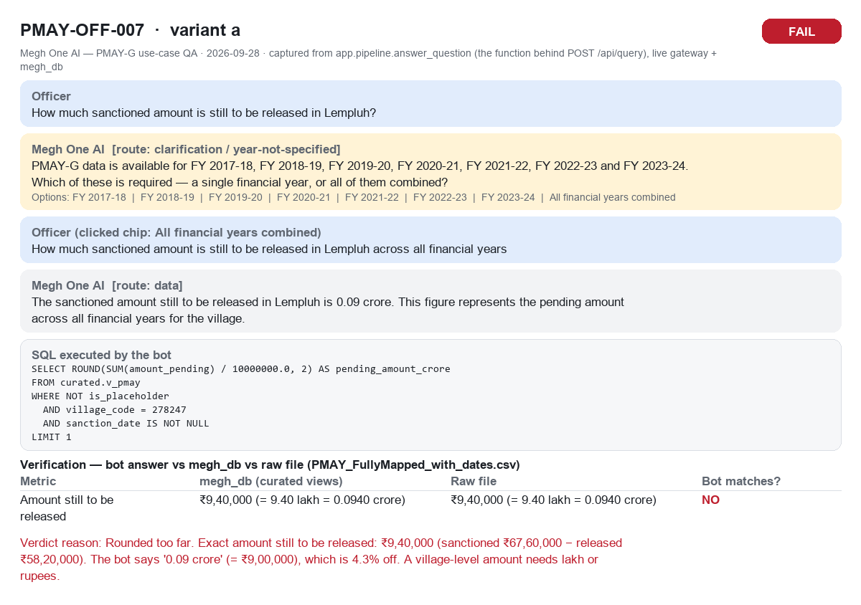
PMAY-OFF-007a FAIL

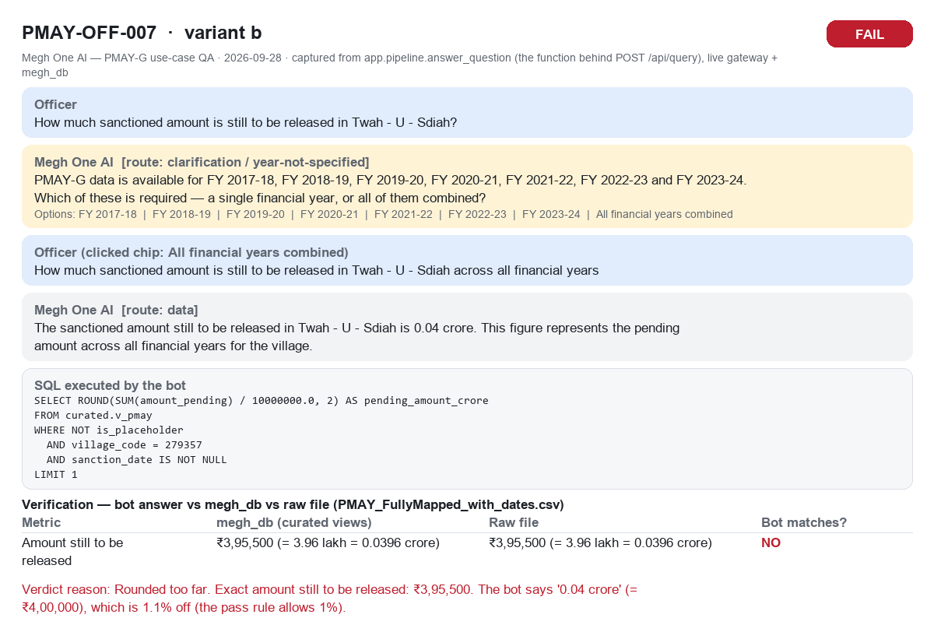
PMAY-OFF-007b FAIL

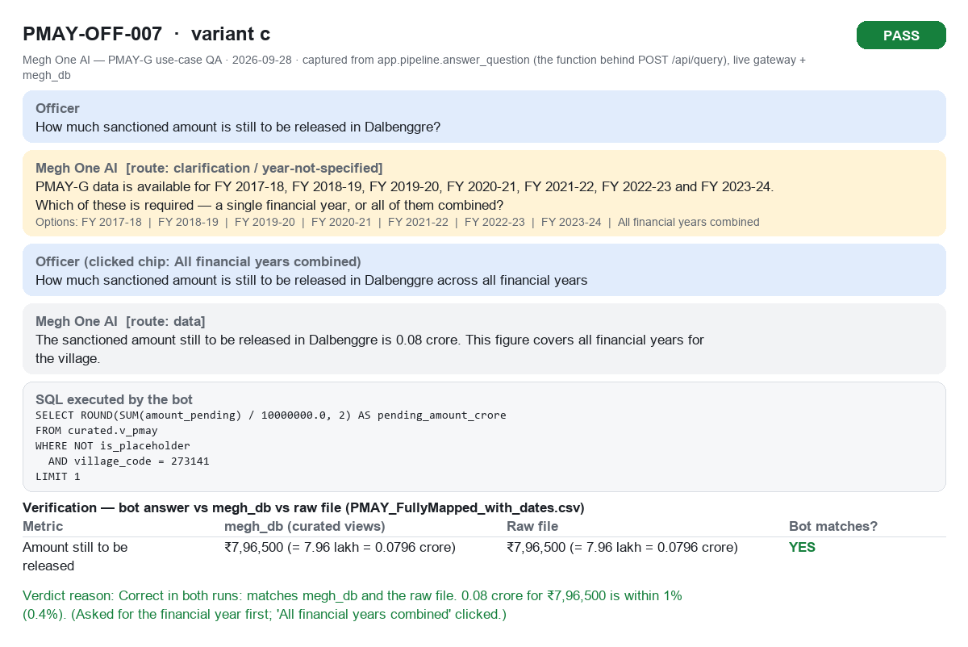
PMAY-OFF-007c PASS

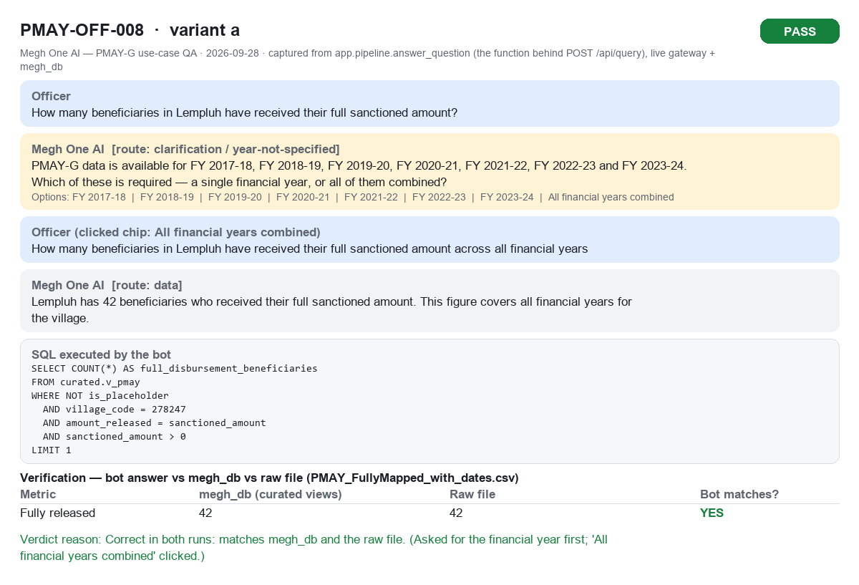
PMAY-OFF-008a PASS

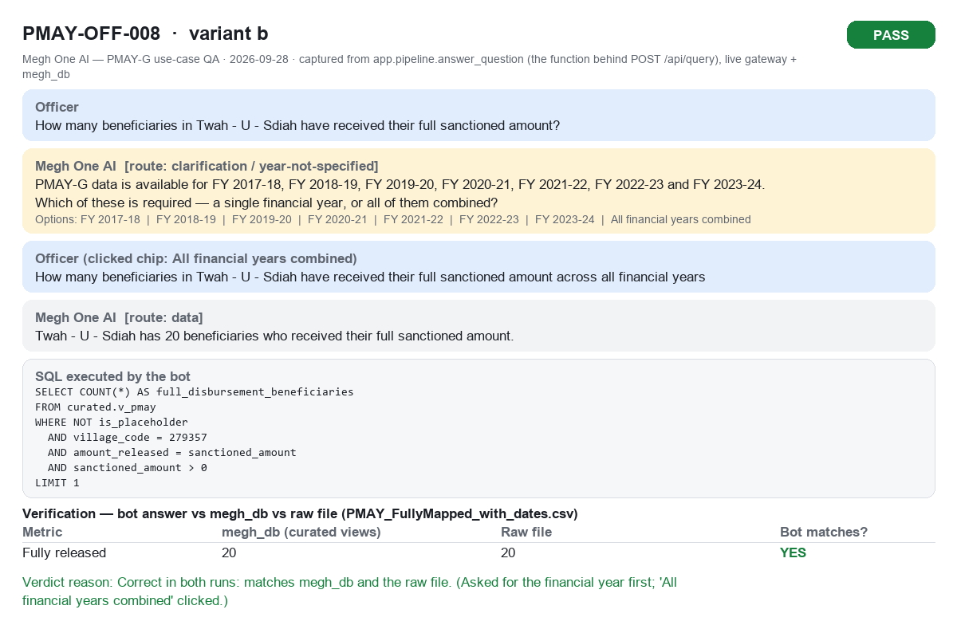
PMAY-OFF-008b PASS

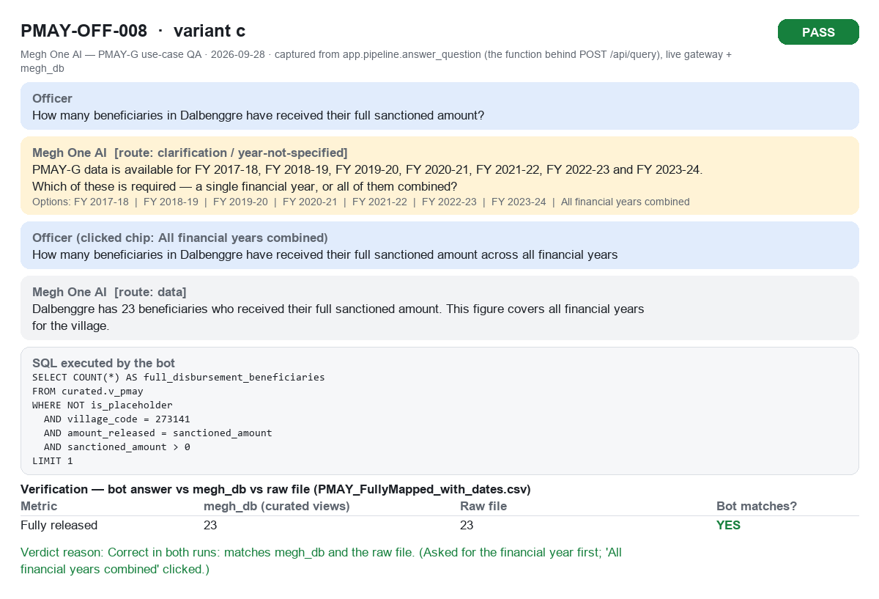
PMAY-OFF-008c PASS

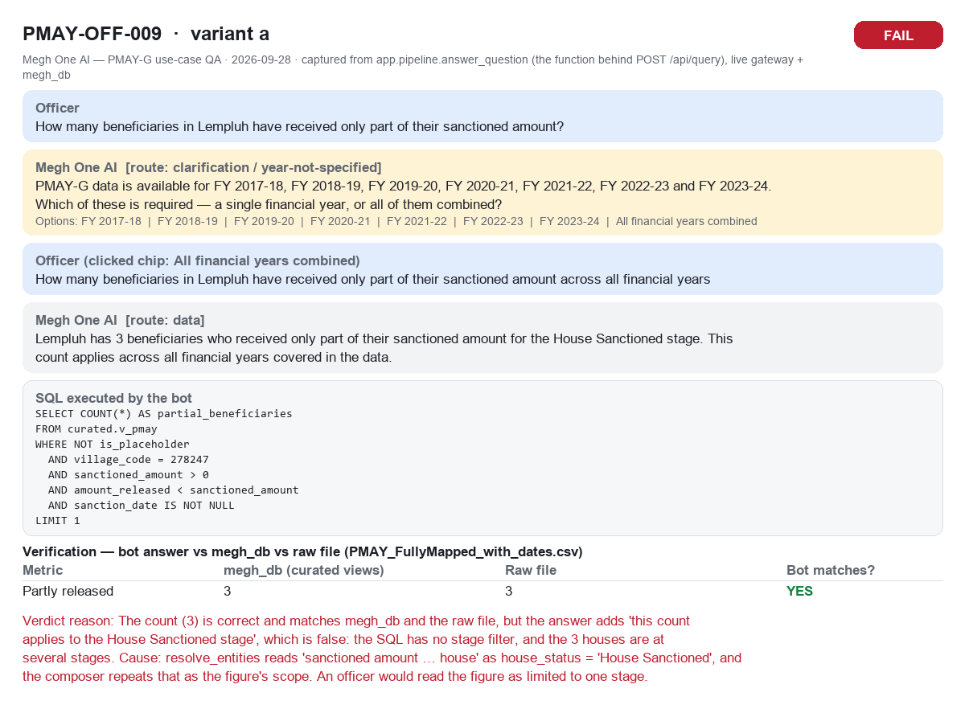
PMAY-OFF-009a FAIL

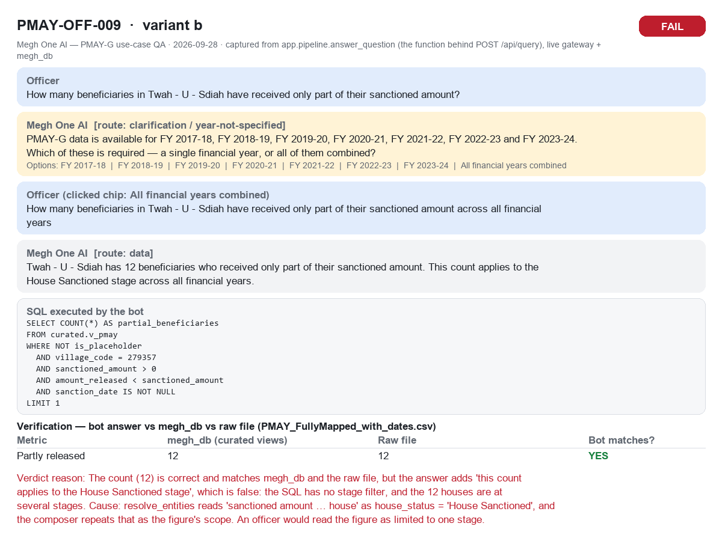
PMAY-OFF-009b FAIL

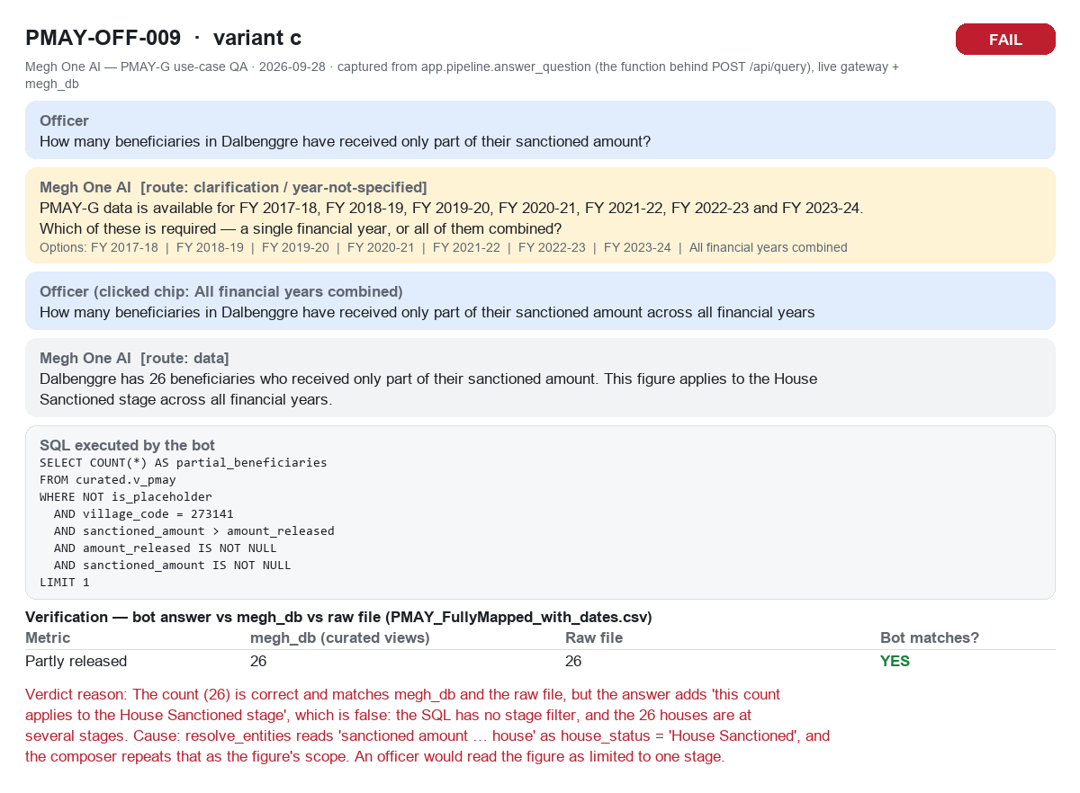
PMAY-OFF-009c FAIL

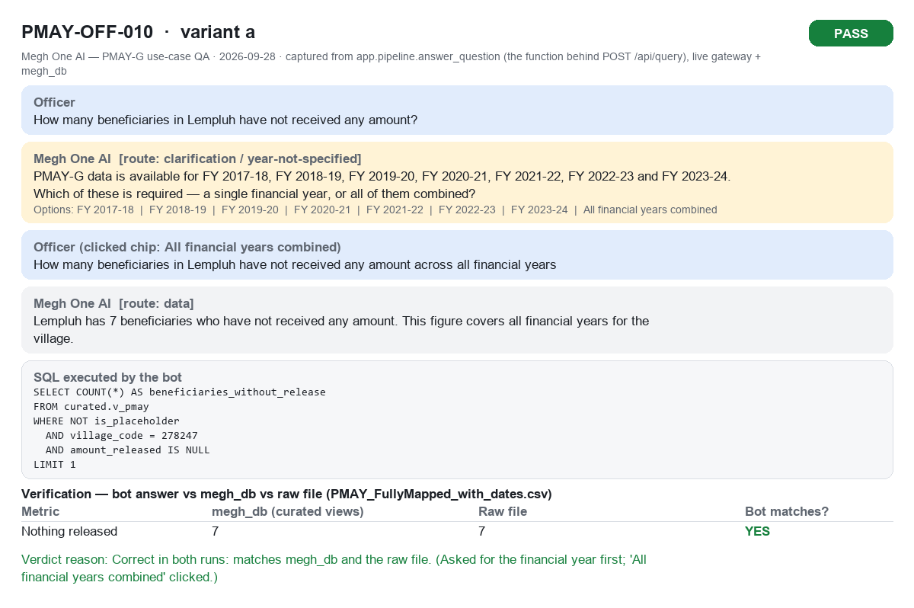
PMAY-OFF-010a PASS

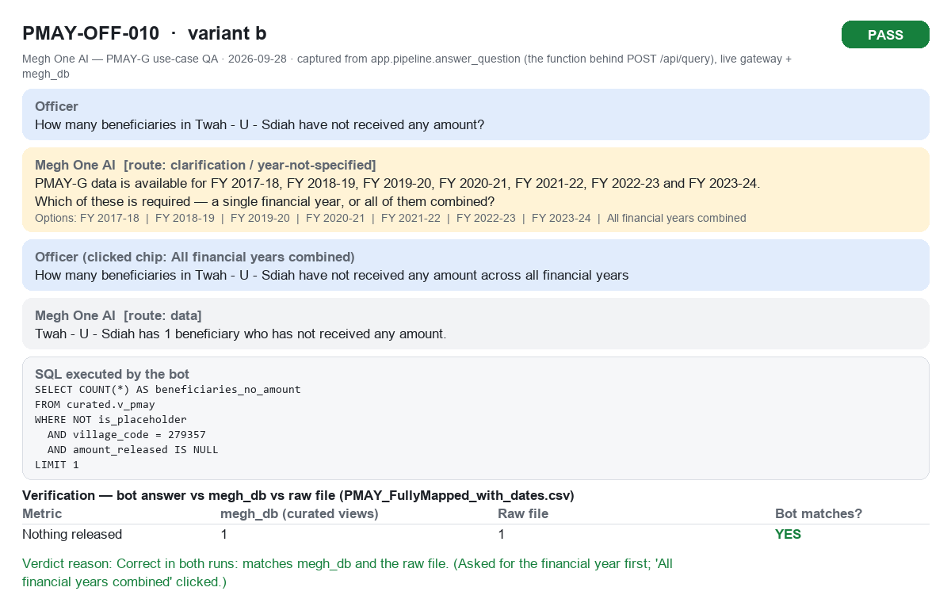
PMAY-OFF-010b PASS


PMAY-OFF-010c PASS


PMAY-OFF-011a PASS


PMAY-OFF-011b PASS

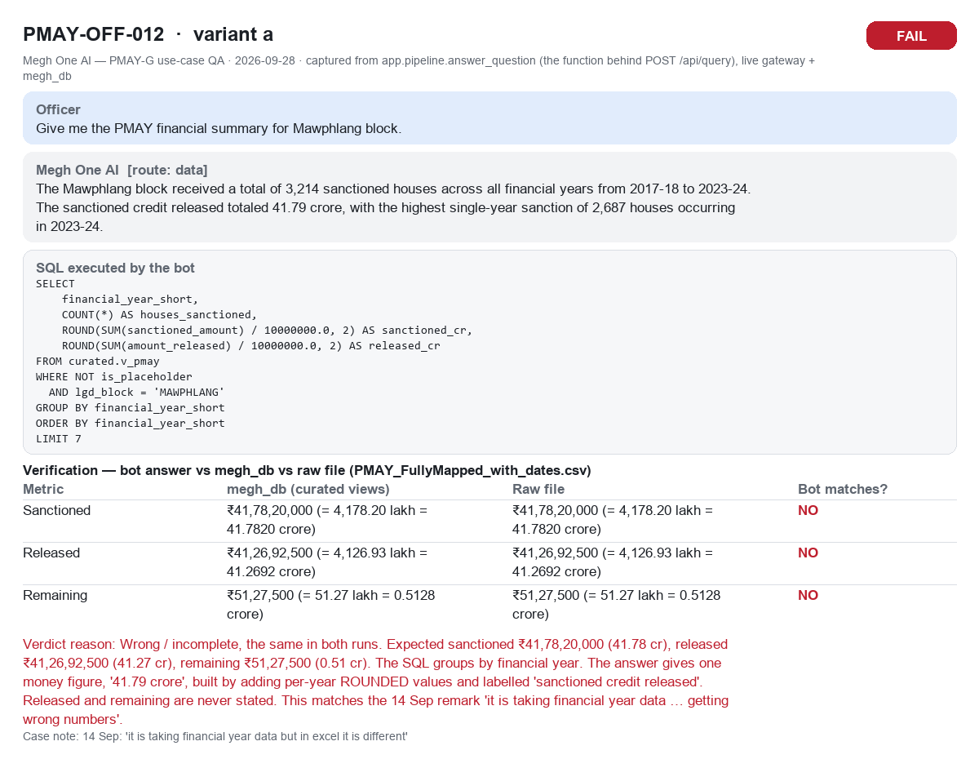
PMAY-OFF-012a FAIL

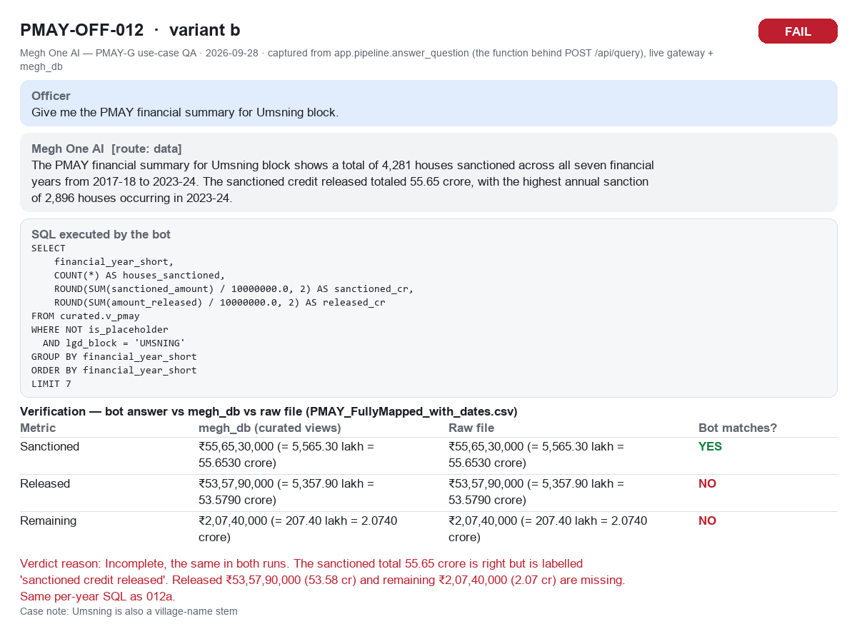
PMAY-OFF-012b FAIL

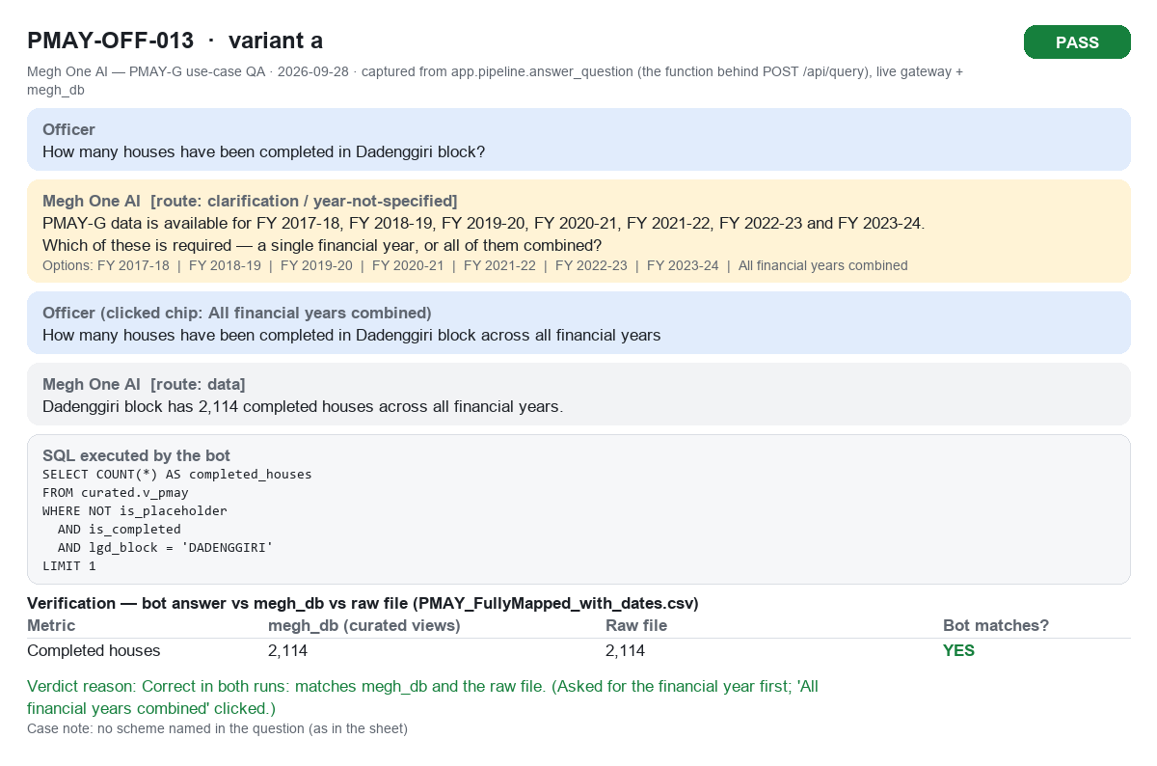
PMAY-OFF-013a PASS

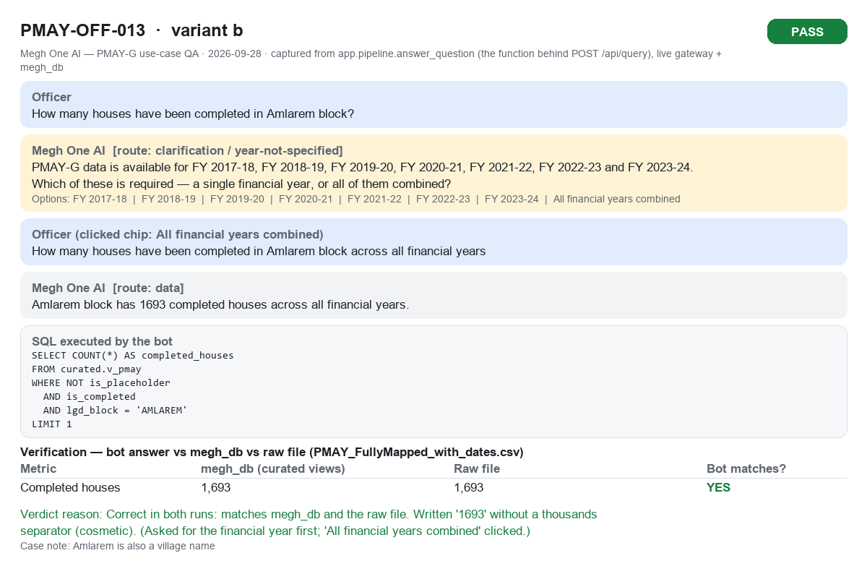
PMAY-OFF-013b PASS

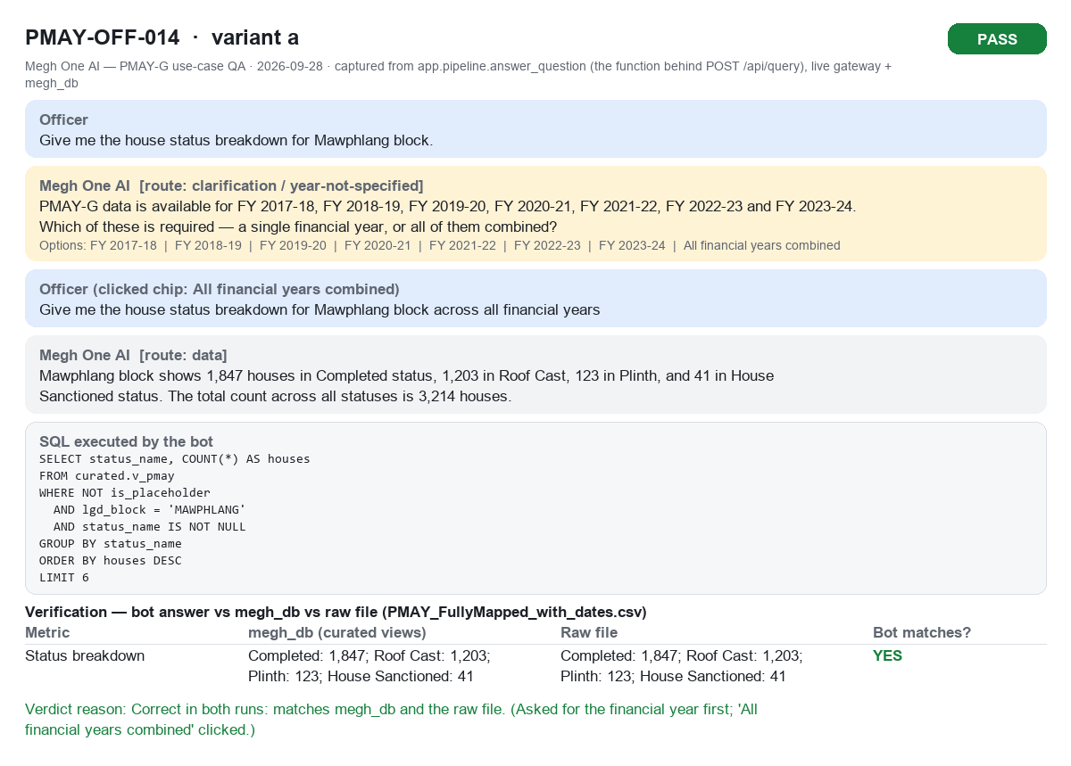
PMAY-OFF-014a PASS

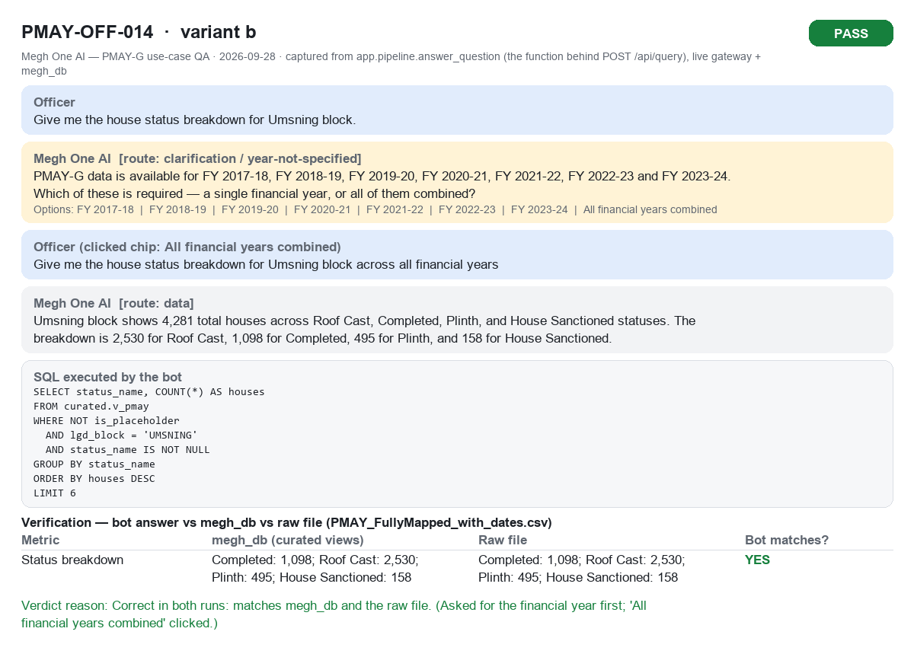
PMAY-OFF-014b PASS

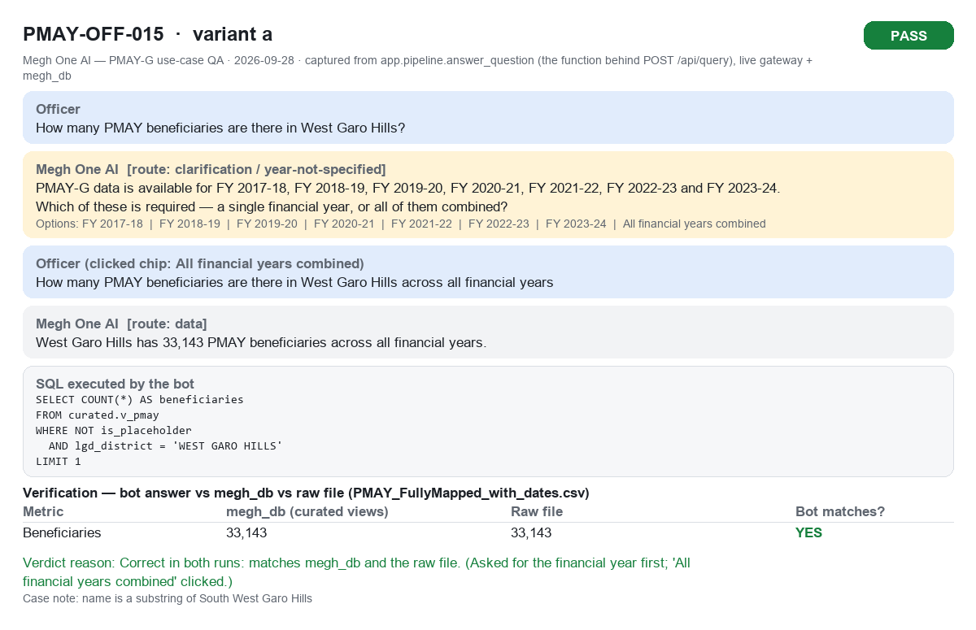
PMAY-OFF-015a PASS

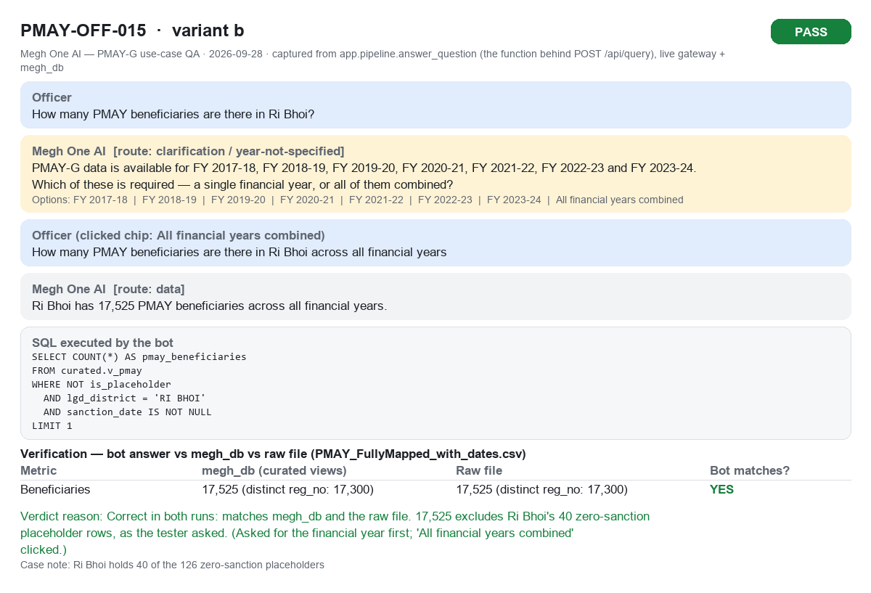
PMAY-OFF-015b PASS

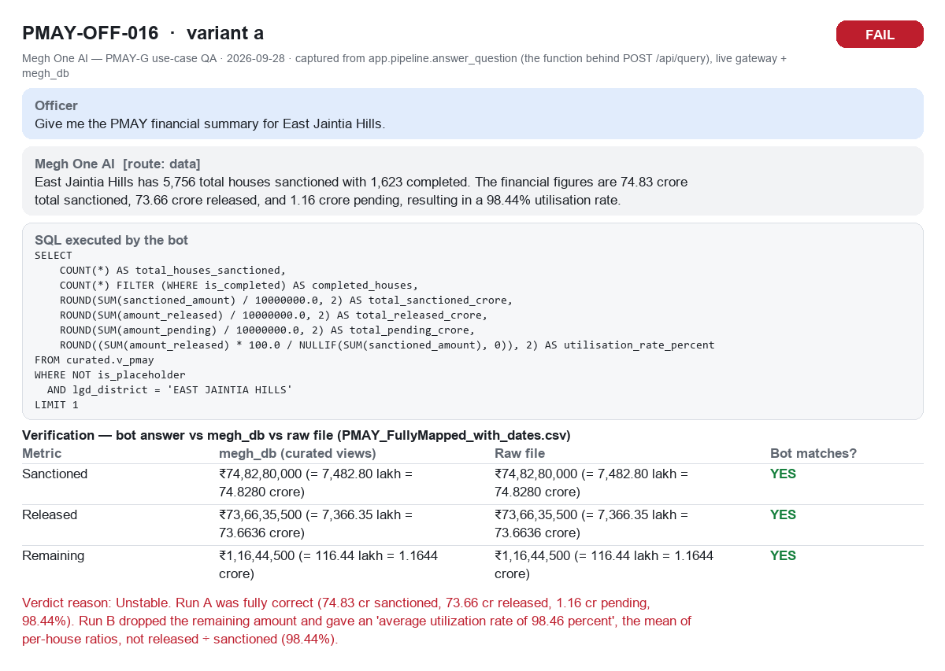
PMAY-OFF-016a FAIL

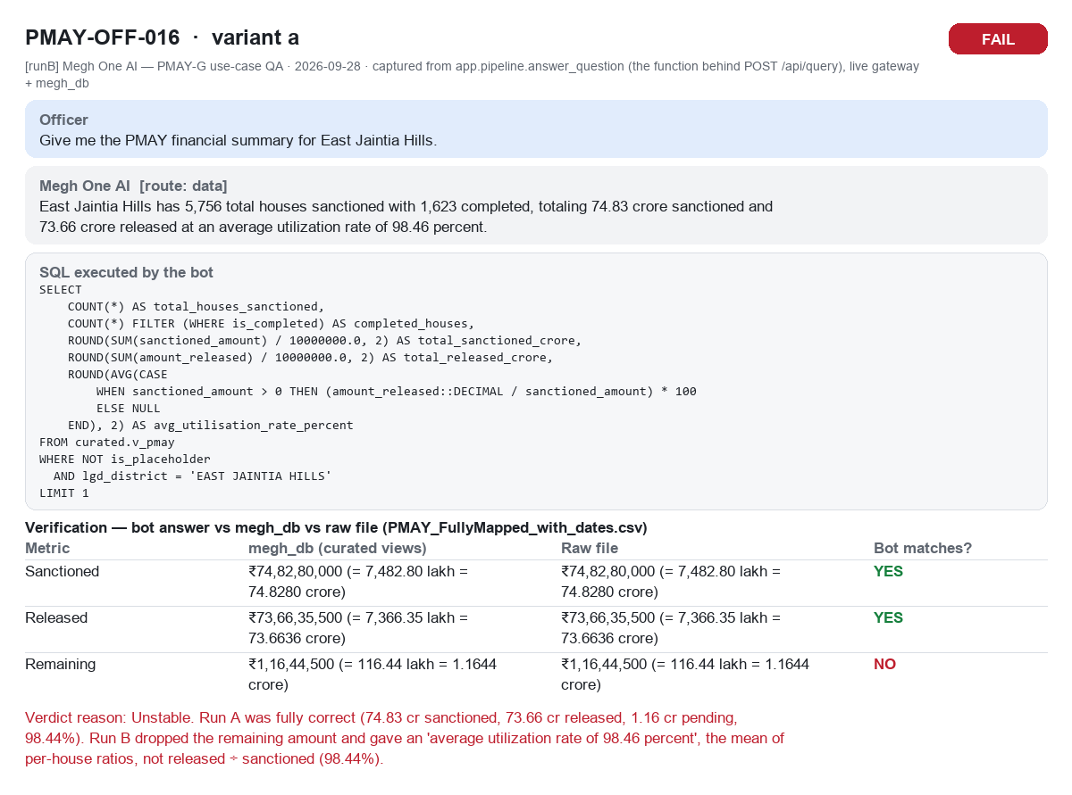
PMAY-OFF-016a (run B) FAIL

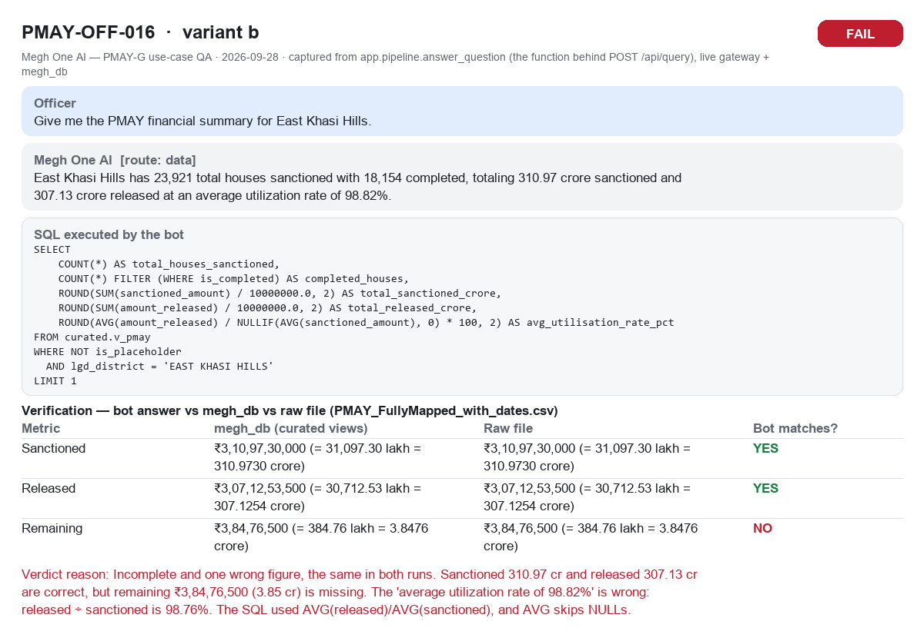
PMAY-OFF-016b FAIL


PMAY-OFF-017a PASS

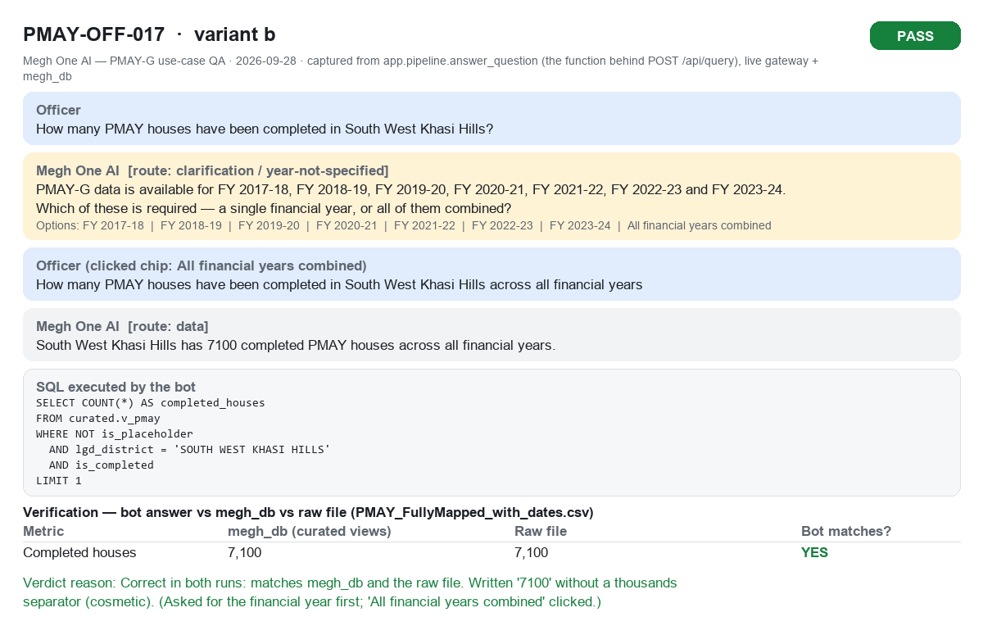
PMAY-OFF-017b PASS

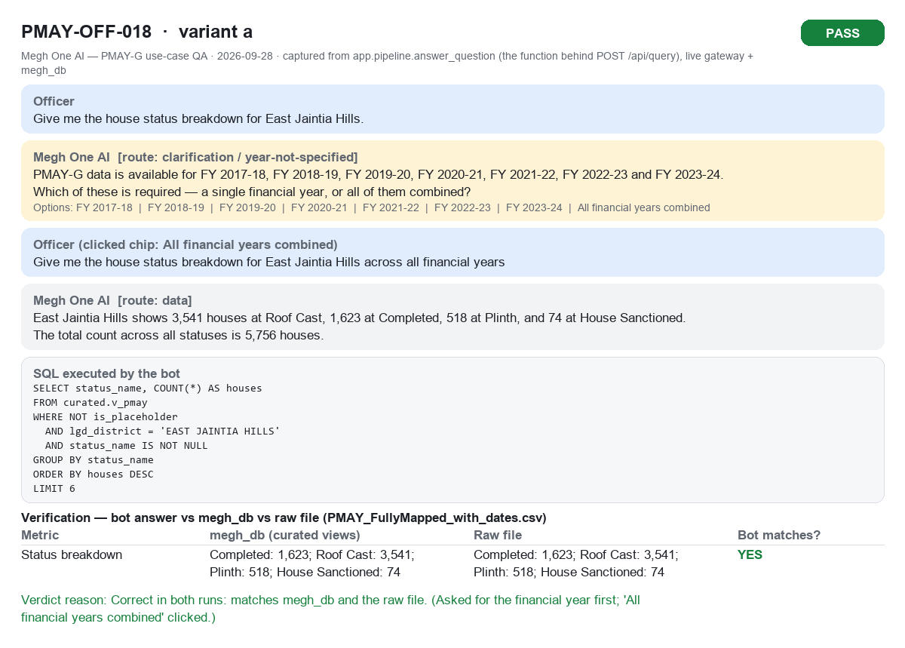
PMAY-OFF-018a PASS

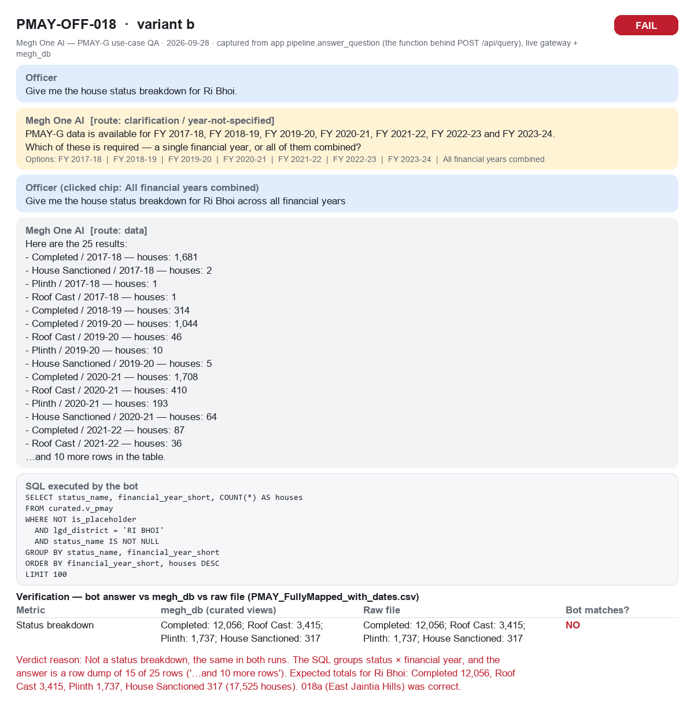
PMAY-OFF-018b FAIL

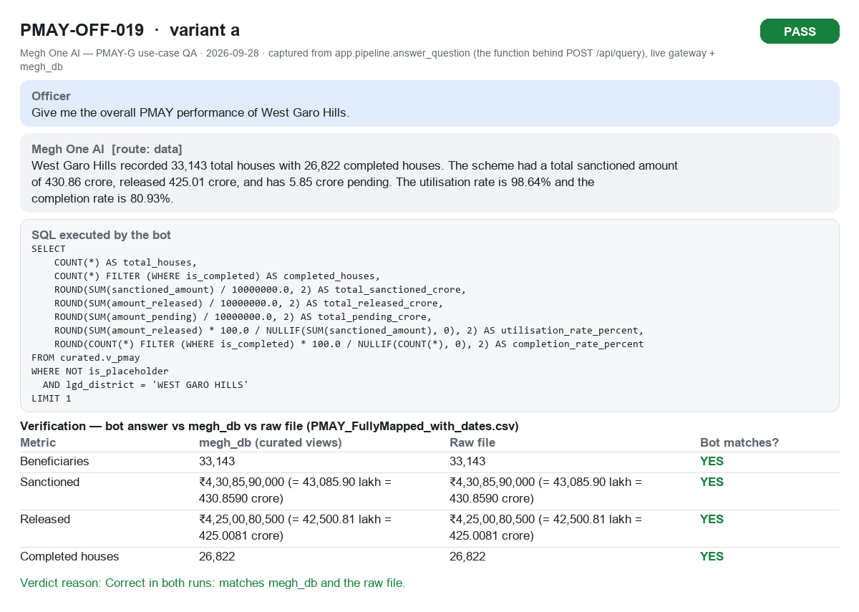
PMAY-OFF-019a PASS

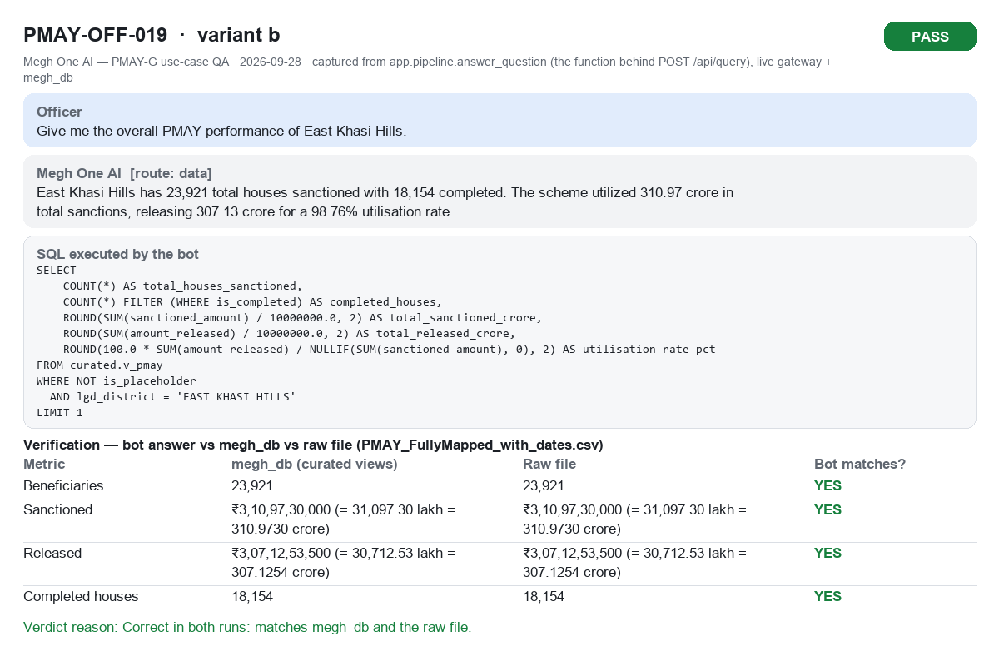
PMAY-OFF-019b PASS

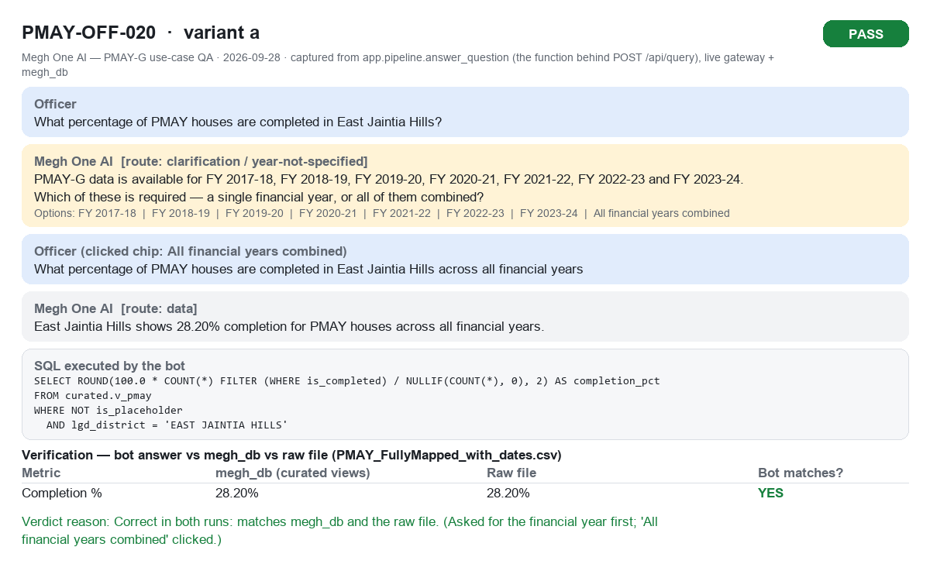
PMAY-OFF-020a PASS


PMAY-OFF-020b PASS

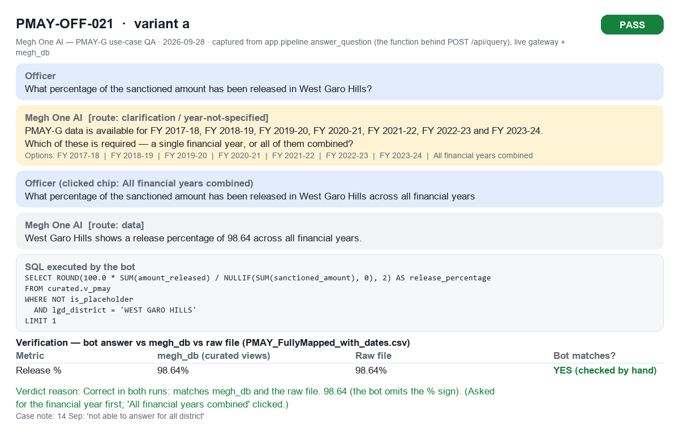
PMAY-OFF-021a PASS

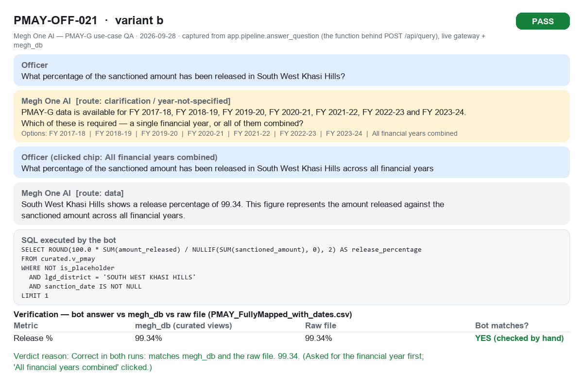
PMAY-OFF-021b PASS

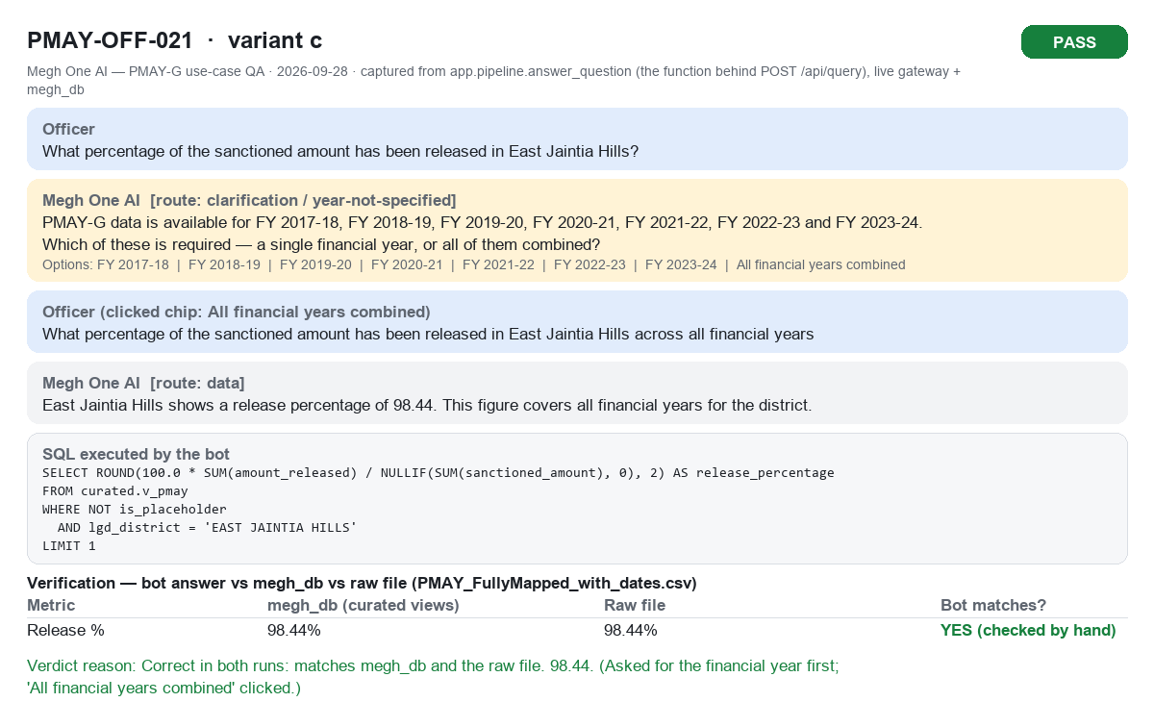
PMAY-OFF-021c PASS

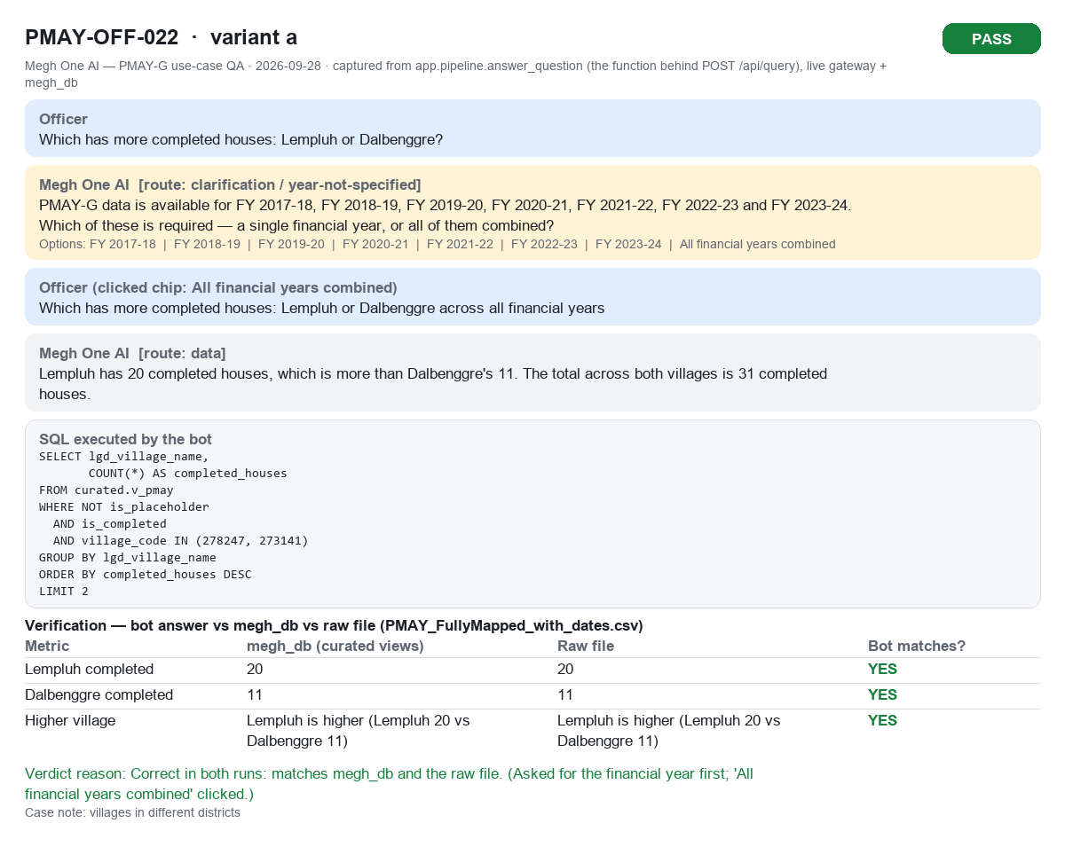
PMAY-OFF-022a PASS

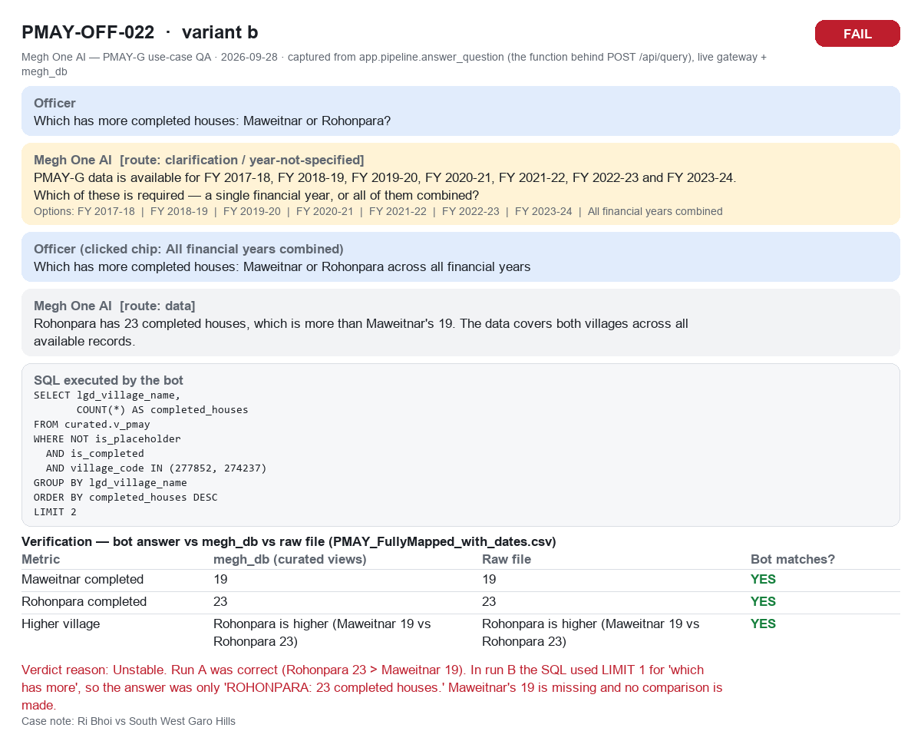
PMAY-OFF-022b FAIL

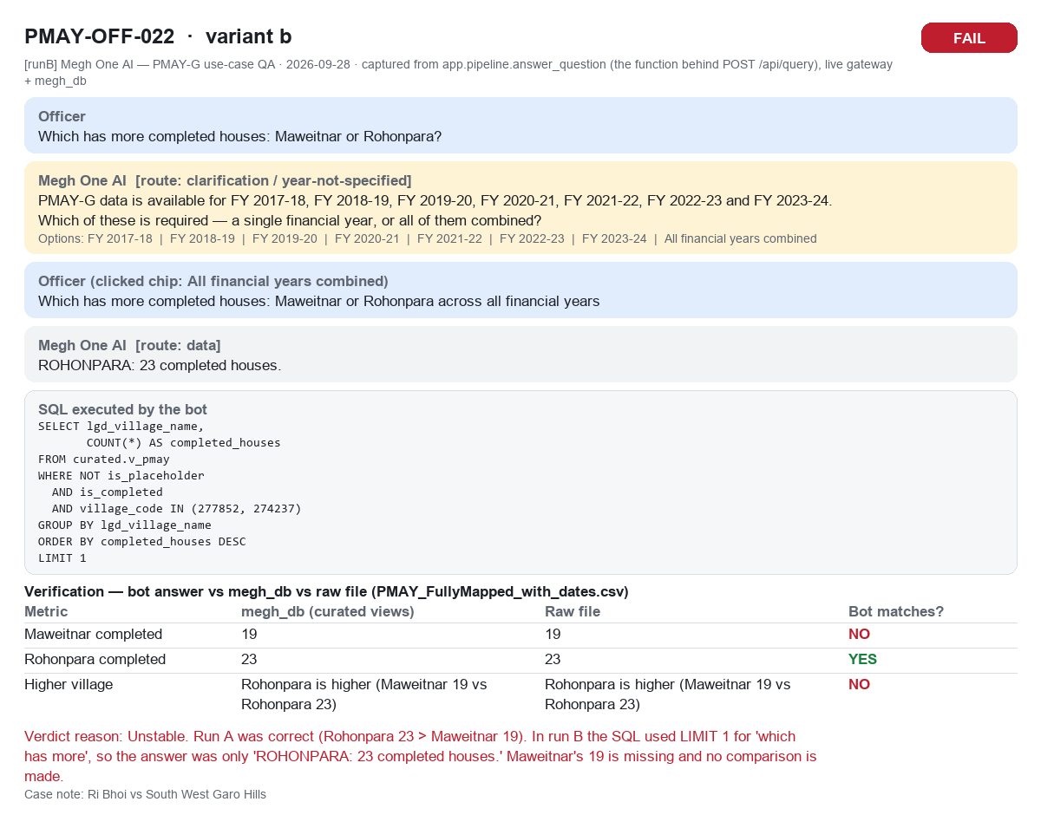
PMAY-OFF-022b (run B) FAIL

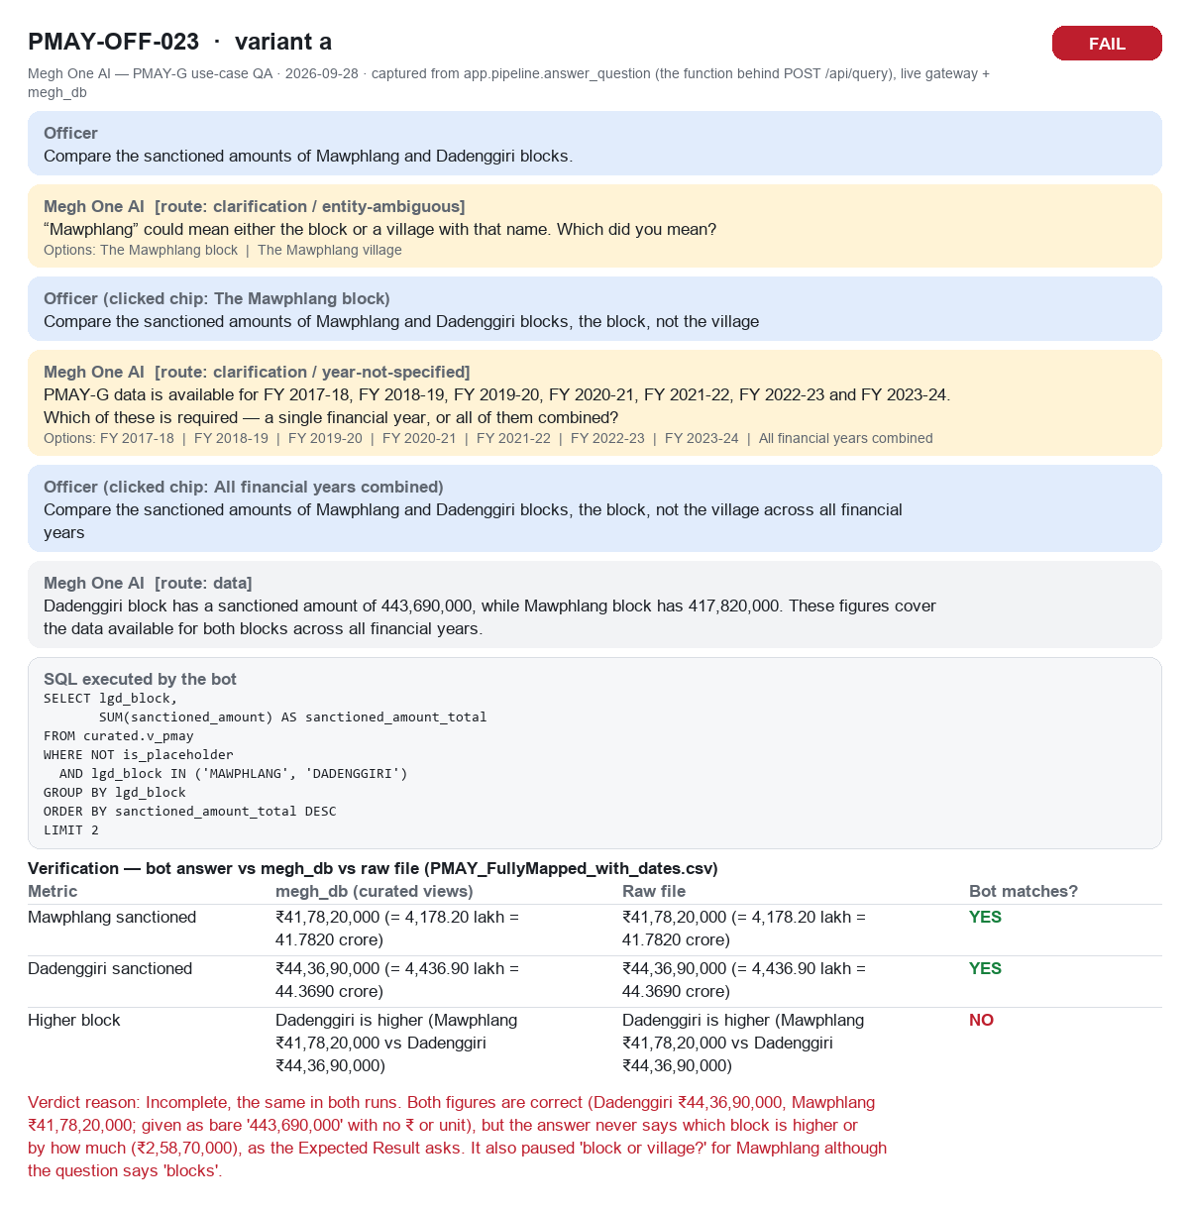
PMAY-OFF-023a FAIL

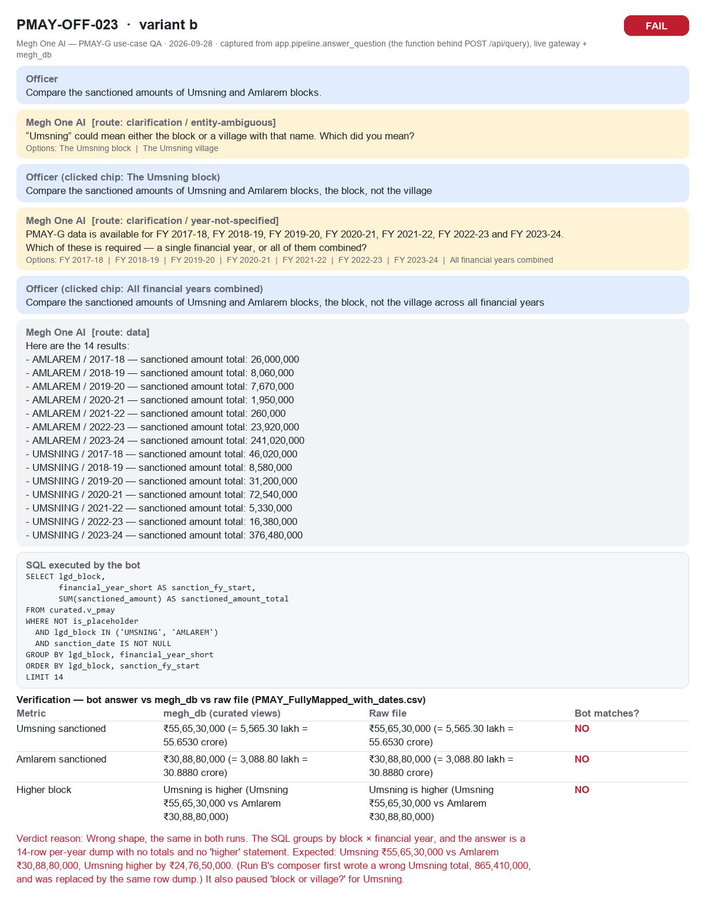
PMAY-OFF-023b FAIL


PMAY-OFF-024a FAIL


PMAY-OFF-024b FAIL


PMAY-OFF-025a FAIL


PMAY-OFF-025b FAIL


PMAY-OFF-025c FAIL


PMAY-OFF-026a PASS


PMAY-OFF-026b PASS


PMAY-OFF-026c PASS


PMAY-OFF-027a PASS


PMAY-OFF-027b FAIL


PMAY-OFF-027c PASS


PMAY-OFF-028a FAIL


PMAY-OFF-028b FAIL


PMAY-OFF-028c FAIL

