Proof Screenshots
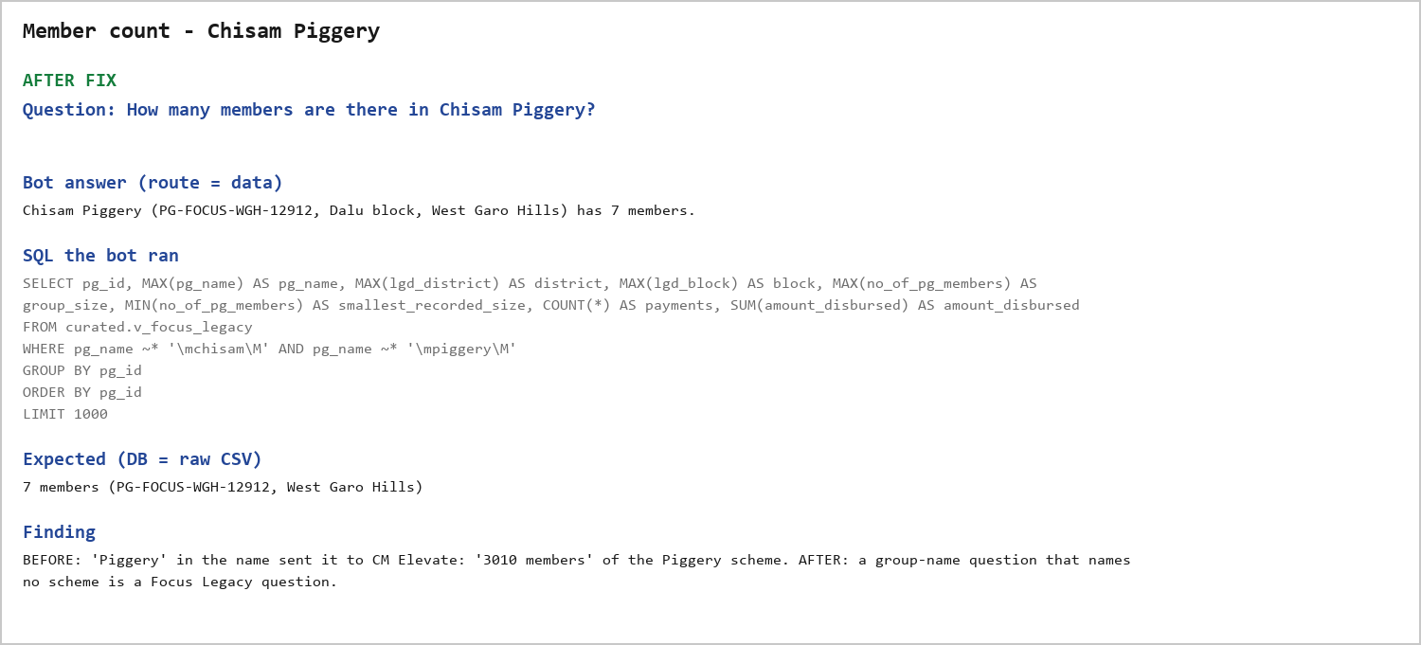
Block PG count - Nongstoin
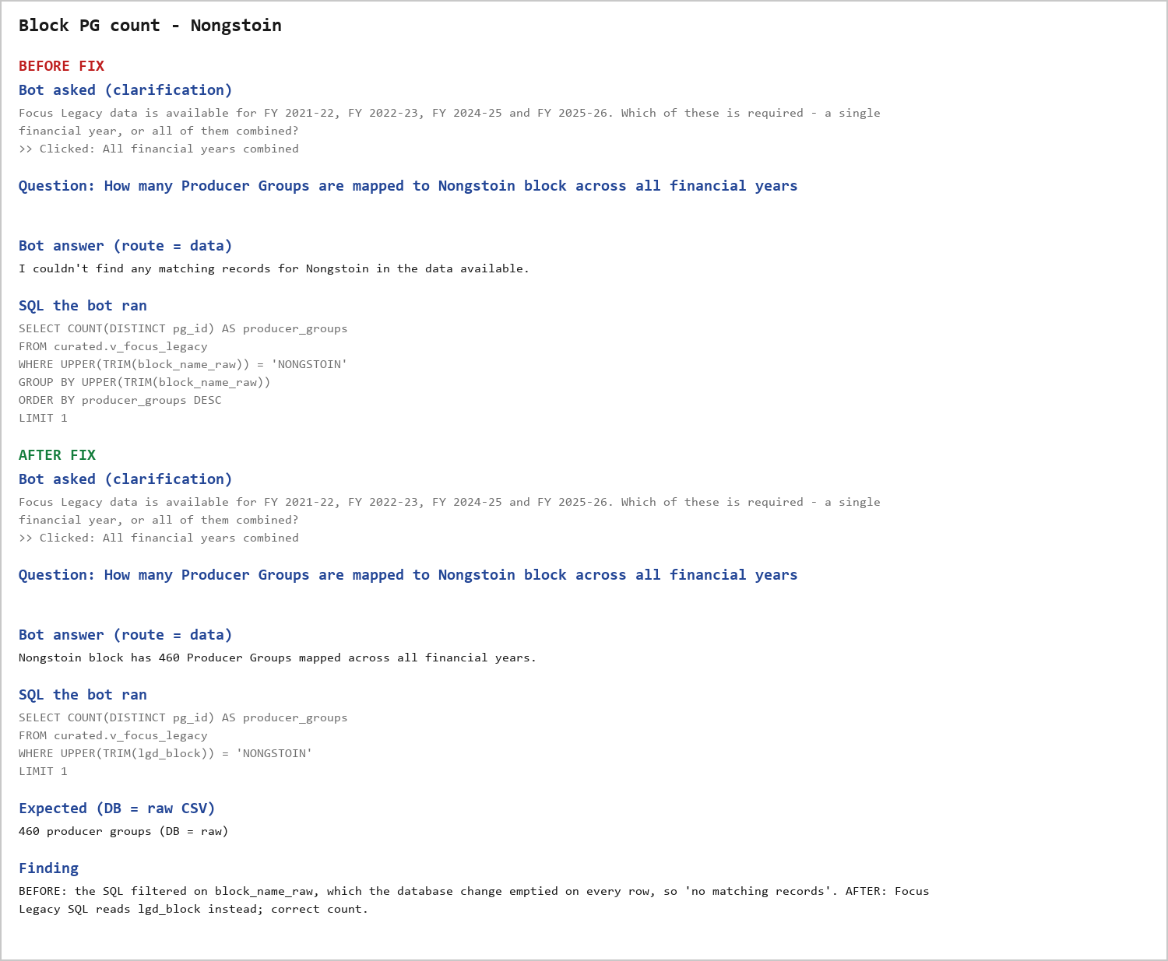

Block PG count - Chokpot
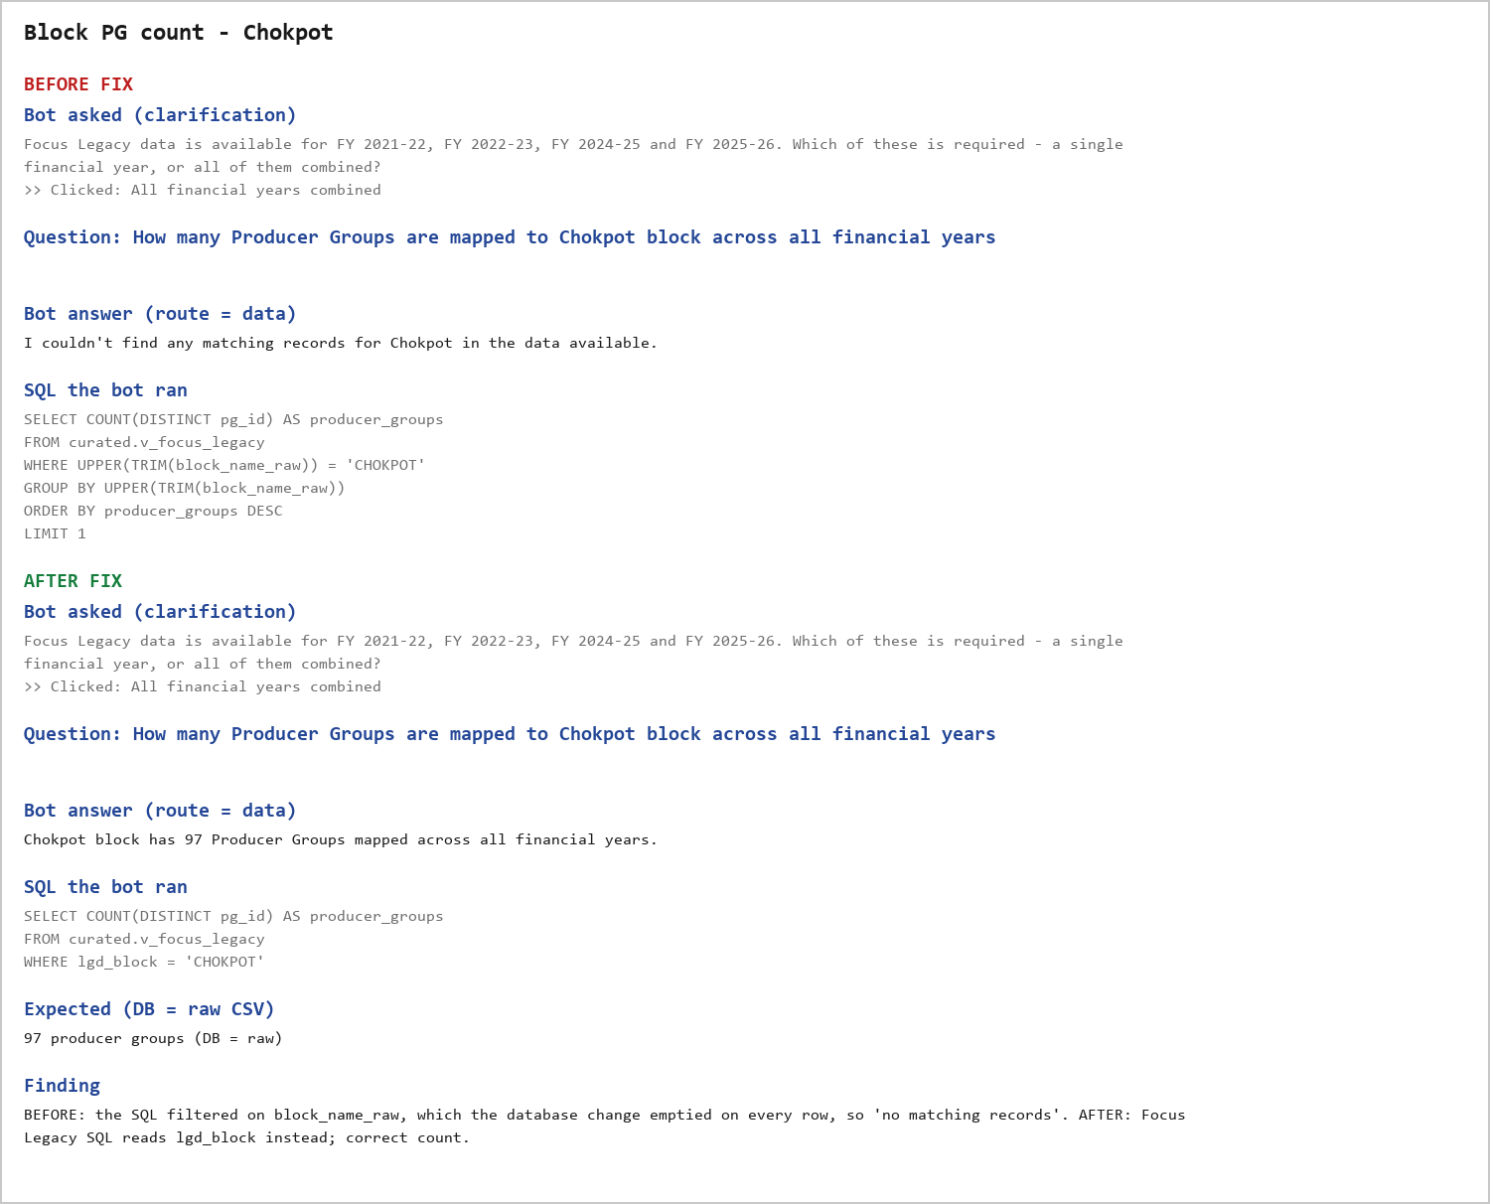

Block PG count - Resubelpara
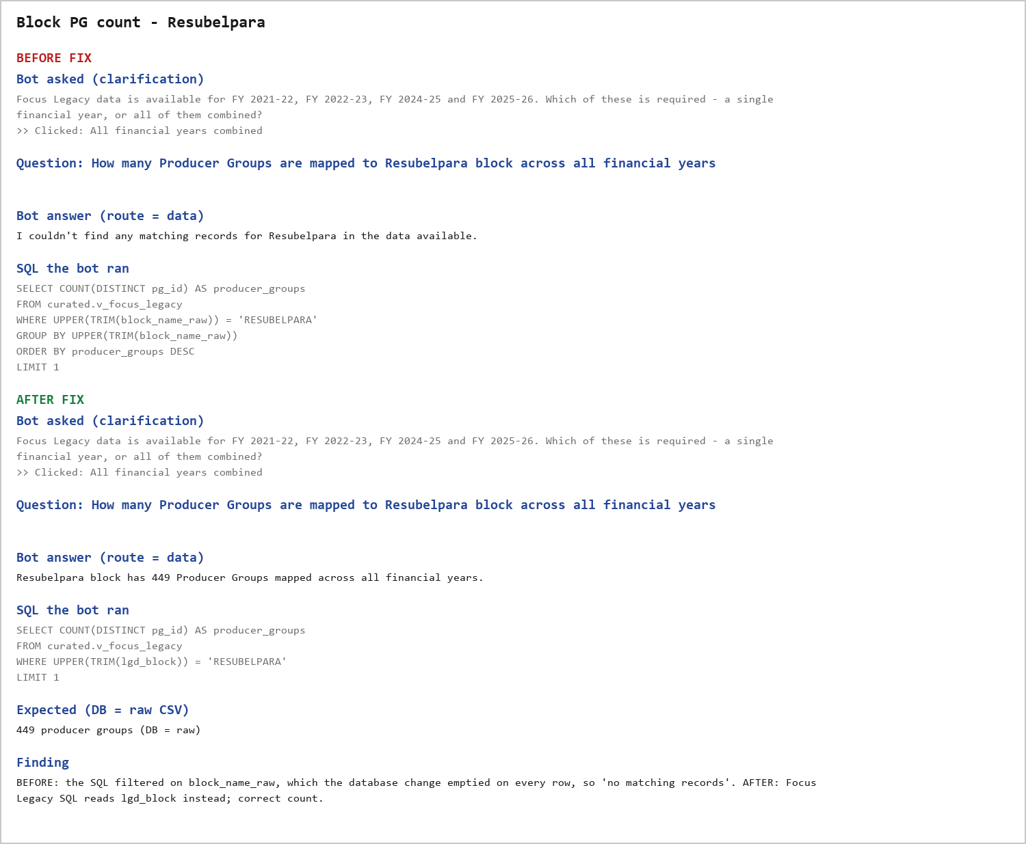

Member count - Chibasal
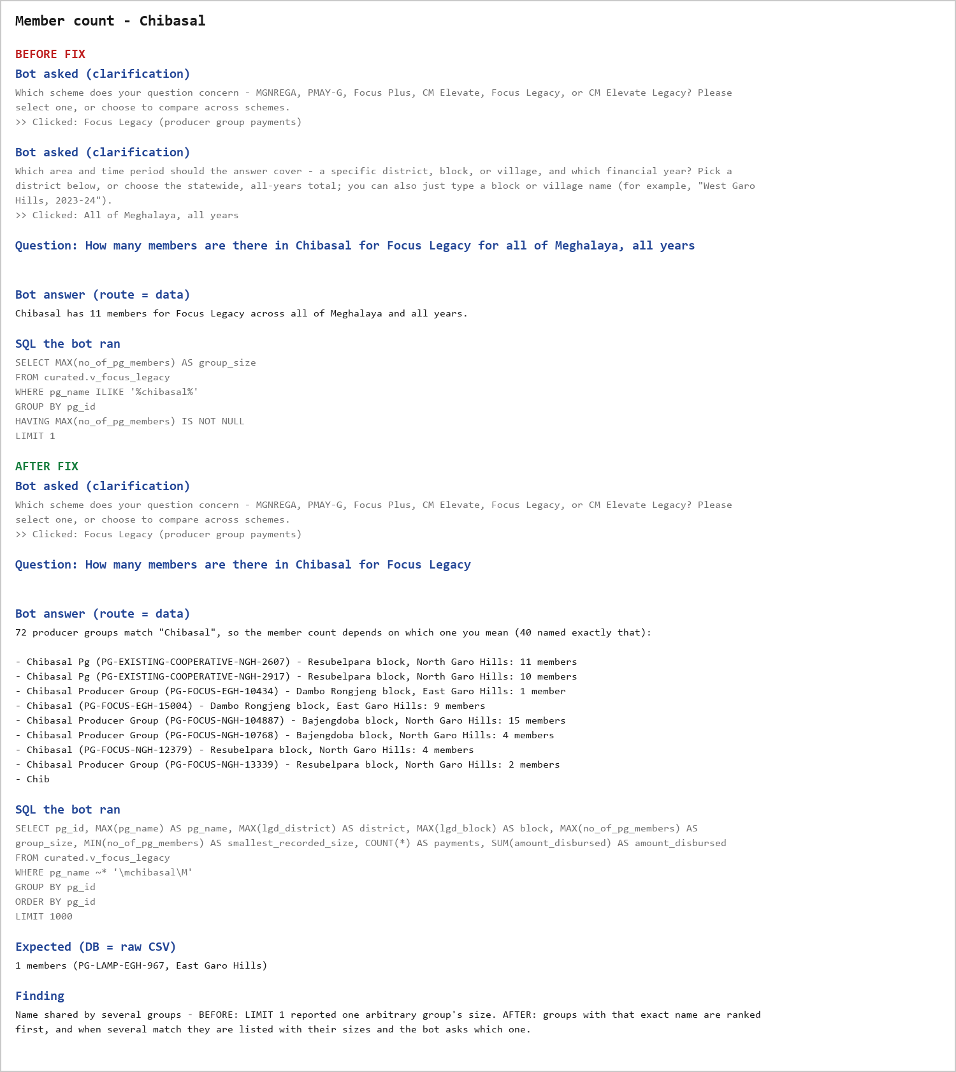

Member count - Bak-15 Wachal Pg
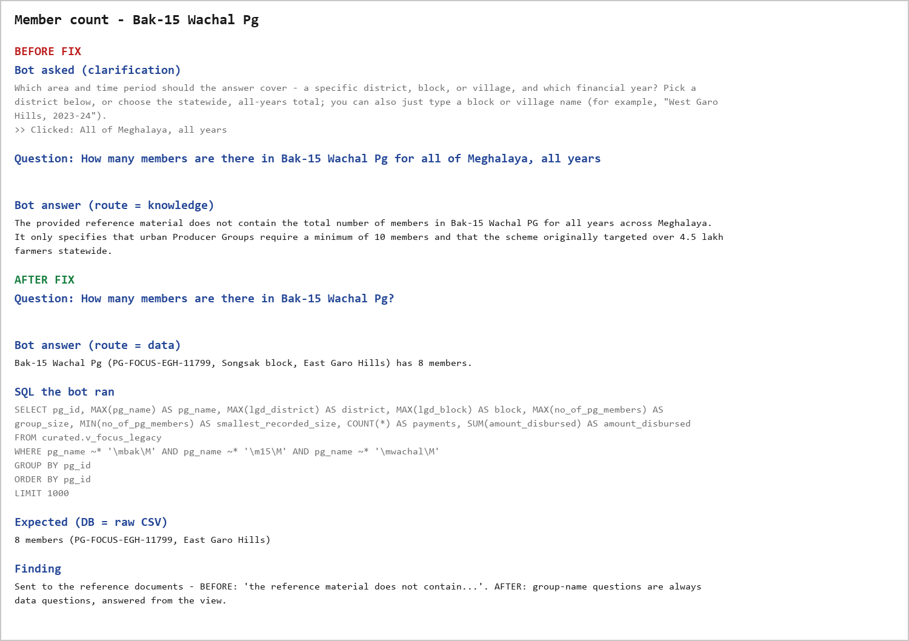

Member count - Chelchak Pineapple P.g
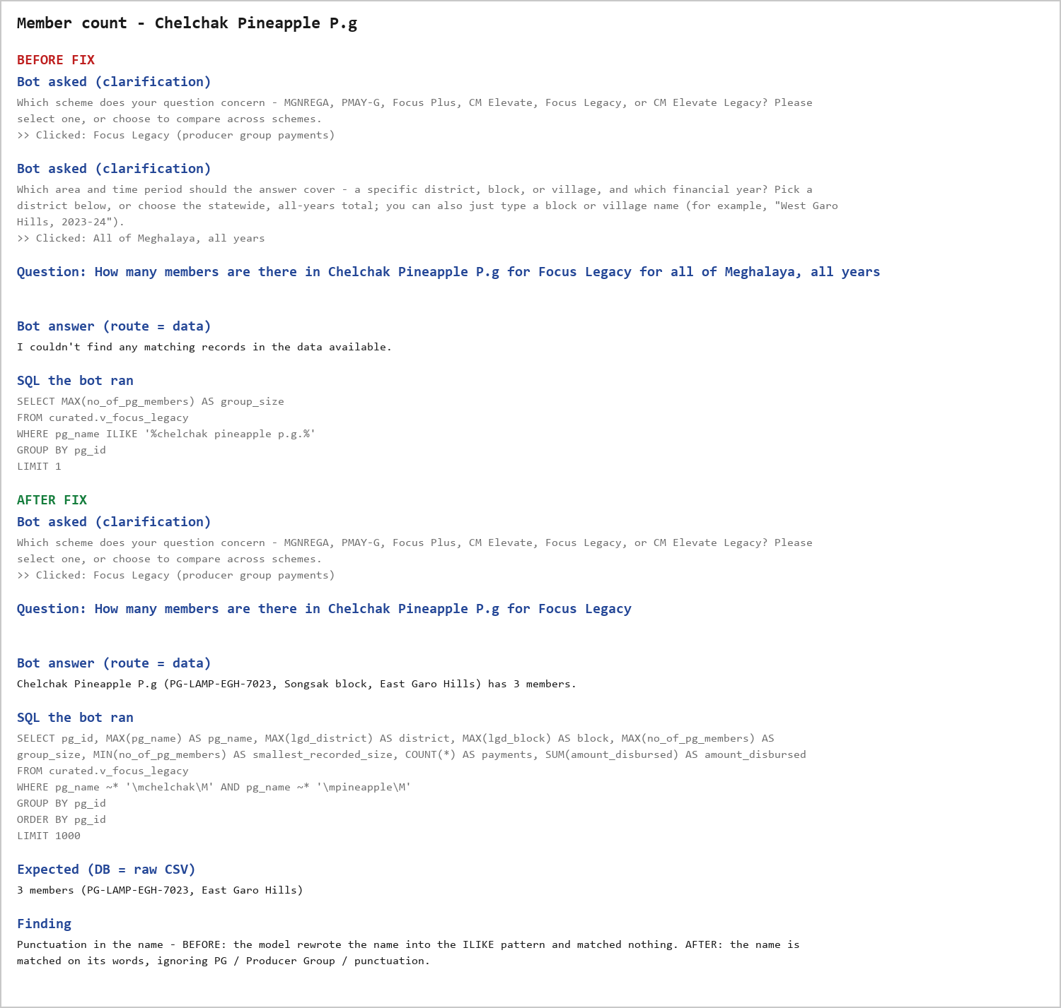

Member count - Iatreilang
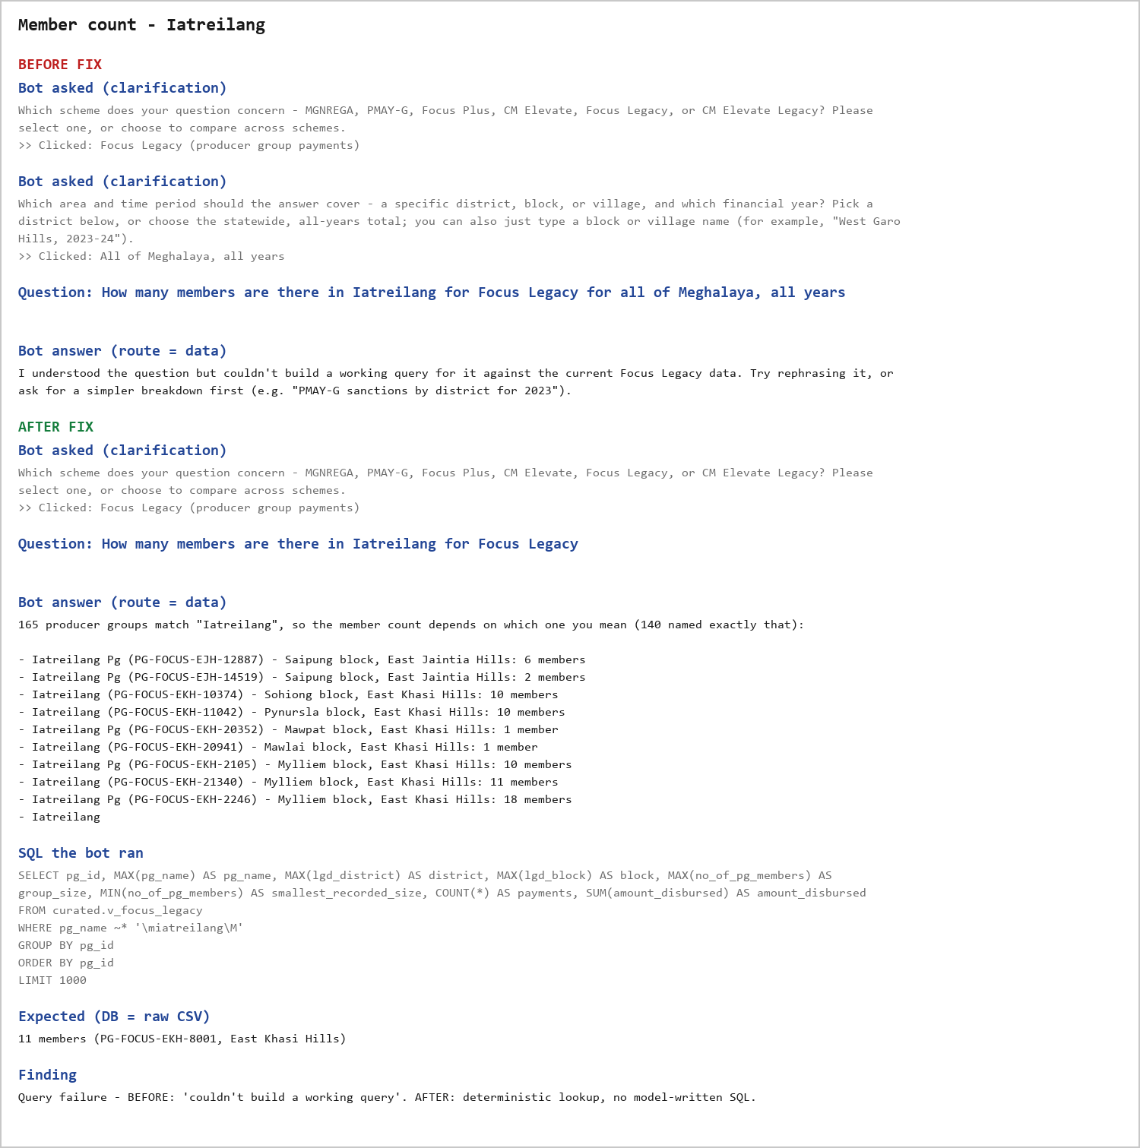

Member count - Dingchak
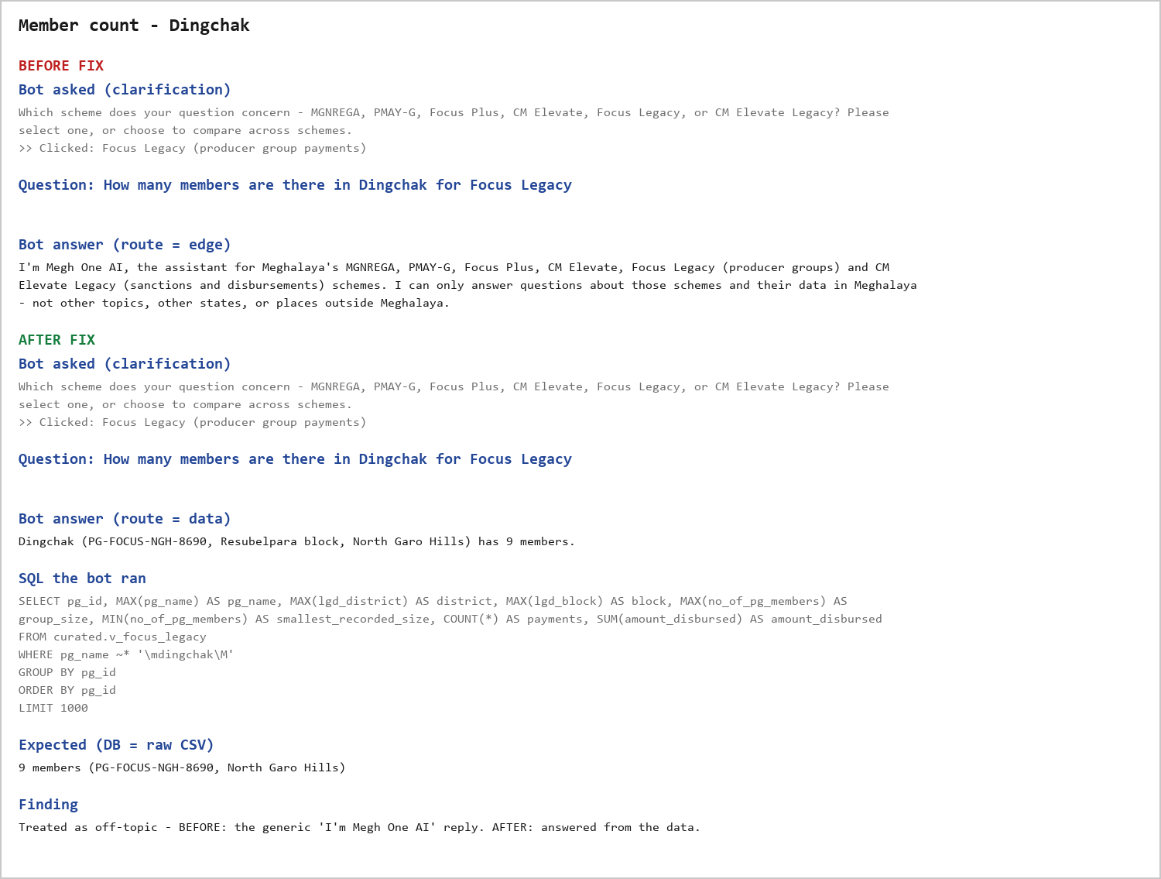

Name lookup - Mekonchi Producer
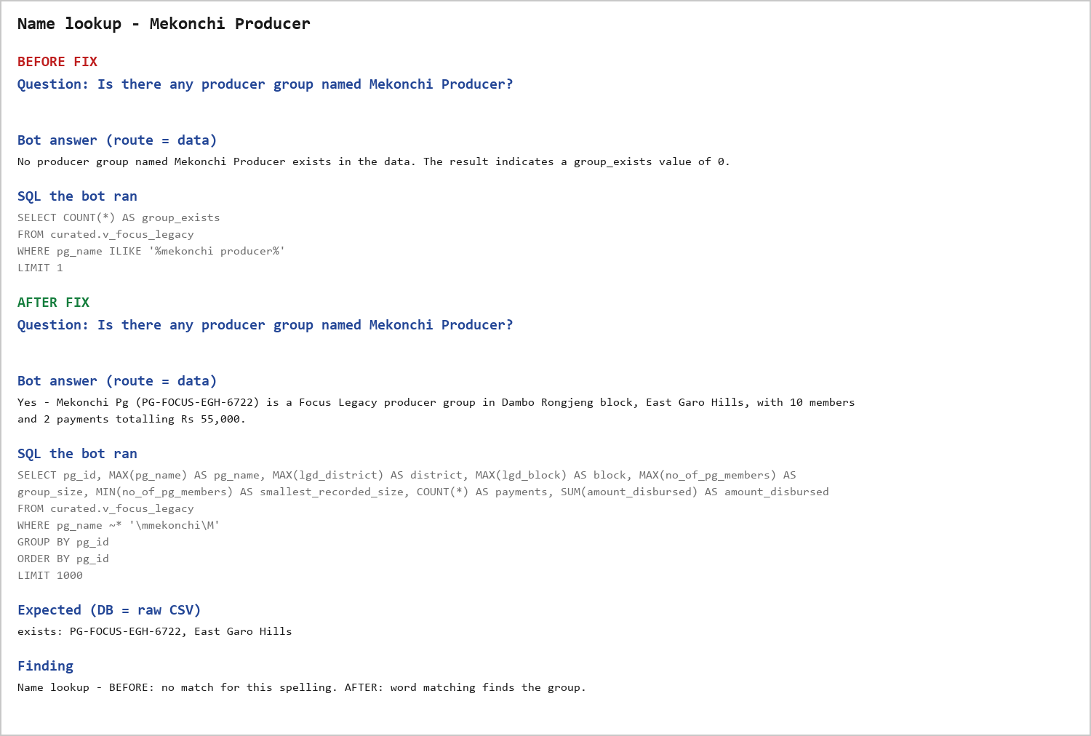

Member count - Chisam Piggery

