oms
 |  |  |  |  |  |  |  |  |  | global op seq

 |  | [ ] shirt |  | [ ] pant |  |  |  |  |  | style |  | product type

 |  | knitting | linking | sewing | washing

 |  |  |  |  |  |  |  |  |  | so | *so line | *product | * sub line 1 -> 1 | sub line features
 |  | getOrderInfoBySaleOrderNo |  |  |  |  |  |  |  |  |  |  | us
 |  |  |  |  |  |  |  |  |  |  | 1 | shirt | uk
 | 1 | order upload |  |  |  |  |  |  |  |  |  |  | ind
 |  | excel upload | sizes confirmation | BOM info | operations info | preview and confirm
 |  | getOrderInfoBySaleOrderNo |  |  |  |  |  |  |  |  | 2 | shirt
 |  | getUnConfirmedSaleOrdersInfo
 |  | getSaleOrdersList

 |  | select SO v |  |  | excel upload | save

 |  | sno | upload date | so | style | product |  |  |  | sale order split if multple lines for same product in an so has different fabrics and components
 | `+` | 1 | 12/03/2024 | S01 | ABC | Suit | proceed | delete
 | `+` | 2 | 12/03/2024 | S02 | ABC | shirt | proceed | delete
 | `+` | 3 | 12/03/2024 | S03 | ABC | Trouser | proceed | delete
 | `+` | 4 | 12/03/2024 | S04 | ABC | Suit | proceed | delete
 | `+` | 5 | 12/03/2024 | S05 | ABC | shirt | proceed | delete
 | `+` | 6 | 12/03/2024 | S06 | ABC | Trouser | proceed | delete
 | `+` | 7 | 12/03/2024 | S07 | ABC | Trouser | proceed | delete
 |  | so line | product | destination | del date | quantity
do API call on expand |  | LINE 1 |  |  |  |  | show size info
 |  | LINE 2 |  |  |  |  | show size info
 |  | LINE 3 |  |  |  |  | show size info
 |  | LINE 4 |  |  |  |  | show size info

 |  | (popup) | delivery | destination | color | size | quantity
 |  | gets opened when show size info is clicked

 |  | getOrderInfoBySaleOrderNo

 |  | order upload
 |  | excel upload | sizes confirmation | knit fabric info | operations info | preview and confirm

 |  | sno | so line | delivery | destination | color | size | quantity

 |  | order upload
 |  | excel upload | sizes confirmation | knit item info | operations info | preview and confirm

 |  | getOrderInfoBySaleOrderNo
 |  | So line 1

 |  | product name | item code | item desc | item color | sequence | avg consumption

 |  | So line 2

 |  | product name | item code | item desc | item color | sequence | avg consumption

 |  | order upload
 |  | excel upload | sizes confirmation | knit item info | operations info | preview and confirm
 |  | getOrderInfoBySaleOrderNo
 |  | So Line Level
 |  | sno | so line | product name | operation | item code | item desc | avg consumption

 |  | So Level (style level)
 |  | operation | item code | item desc | avg consumption

 |  | order upload
 |  | excel upload | sizes confirmation | knit item info | operations info | preview and confirm

 |  | getOrderInfoBySaleOrderNo
 |  | show sizes components

 |  | show knit item info

 |  | show operations info

 | 2 | order summary |  |  | product components |  | knit configuration |  | operation sequence
 |  | confirmed | in progress |  |  |  | so summary
 |  | s04 [ ] | s03 [ ] |  | use existing screen (for now show all comps)
 |  | s05 [ ] | s02 [ ] |  |  |  | knit groups configuration

 |  | getConfirmedSaleOrdersInfo |  |  |  |  | component | fabric
 |  | getOrderInfoBySaleOrderNo | on expand
 |  | getOrderLineInfoBySoLineId | on sizes info
 |  | getOrderProductInfoBySoProductId | on show RM
 |  | order summary | product components | knit configuration | consumption | operation sequence | oq update

 |  |  | open | inprogress

 |  |  | sno | so | style | product
 |  | `+` | 1 | S01 | ABC | Suit | proceed | delete
 |  | `+` | 2 | S02 | ABC | shirt | proceed | delete
 |  | `+` | 3 | S03 | ABC | Trouser | proceed | delete
 |  | `+` | 4 | S04 | ABC | Suit | proceed | delete
 |  | `+` | 5 | S05 | ABC | shirt | proceed | delete
 |  | `+` | 6 | S06 | ABC | Trouser | proceed | delete
 |  | `+` | 7 | S07 | ABC | Trouser | proceed | delete
 |  |  | so line | product | destination | del date | quantity
 | do API call on expand |  | LINE 1 |  |  |  |  | show size info | show RM info
 |  |  | LINE 2 |  |  |  |  | show size info | show RM info
 |  |  | LINE 3 |  |  |  |  | show size info | show RM info
 |  |  | LINE 4 |  |  |  |  | show size info | show RM info

 |  | order summary | product components | knit configuration | consumption | operation sequence | oq update
 |  | saveSoProductComponents
 |  | getSoProductComponents
 |  | Shirt

 |  | components | [front], [back]

 |  | Coat

 |  | components | [front], [back]

 |  |  |  |  | save | call save for each product

 |  | order summary | product components | knit configuration | consumption | operation sequence | oq update
 |  | saveKnitGroupsForSoProduct | 3
 |  | getKnitGroupsForSoProduct | 2
 |  | getOrderProductInfoBySoPk | 1
 |  | Shirt - Red |  |  | save | call save for each product + color

 |  | component | item code | knit group
 |  | front | FAB 1, FAB 2 | KG1
 |  | back | FAB 1 | KG2
 |  | lsleeve | FAB 3 | KG3
 |  | rsleeve | FAB 3 | KG4
 |  | pocket | FAB 3 | KG5

 |  | Shirt - Green |  |  | save | call save for each product + color

 |  | component | item code | knit group
 |  | front | FAB 3, FAB 2 | KG1
 |  | back | FAB 1 | KG2
 |  | lsleeve | FAB 3 | KG3
 |  | rsleeve | FAB 3 | KG4
 |  | pocket | FAB 3 | KG5

 |  | Sweater - Blue |  |  | save | call save for each product + color

 |  | component | item code | knit group
 |  | front | FAB 1 | KG1
 |  | back | FAB 2 | KG1
 |  | lsleeve | FAB 3 | KG2
 |  | rsleeve | FAB 3 | KG3
 |  | pocket | FAB 3 | KG4

 |  | Finishing

 |  | order summary | product components | knit configuration | consumption | operation sequence | oq update
 |  | getFabConsumptionForSoProduct | 2
 |  | saveFabConsumptionForSoProduct | 3
 |  | getOrderProductInfoBySoPk | 1
 |  | prod -> *items -> *comps -> *sizes
 |  | shirt - Blue |  |  |  |  |  | save
 |  | component | item color | item code | set cons | Small | Medium | large
 |  | front | red | FAB 1 | 0 | 0 | 0 | 0
 |  |  | blue | FAB 2 | 0 | 0 | 0 | 0
 |  | back | red | FAB 1 | 0 | 0 | 0 | 0
 |  | lsleeve | white | FAB 3 | 0 | 0 | 0 | 0
 |  | rsleeve | white | FAB 3 | 0 | 0 | 0 | 0
 |  | pocket | white | FAB 3 | 0 | 0 | 0 | 0

 |  | shirt - Red |  |  |  |  |  | save
 |  | component | item color | item code | set cons | Small | Medium | large
 |  | front | red | FAB 3 | 0 | 0 | 0 | 0
 |  |  | blue | FAB 2 | 0 | 0 | 0 | 0
 |  | back | red | FAB 1 | 0 | 0 | 0 | 0
 |  | lsleeve | white | FAB 3 | 0 | 0 | 0 | 0
 |  | rsleeve | white | FAB 3 | 0 | 0 | 0 | 0
 |  | pocket | white | FAB 3 | 0 | 0 | 0 | 0

 |  | sweater |  |  |  |  |  | save
 |  | component | item color | item code | set cons | Small | Medium | large
 |  | front | red | FAB 1 | 0 | 0 | 0 | 0
 |  |  | blue | FAB 2 |  | 0 | 0 | 0
 |  | back | red | FAB 1 | 0 | 0 | 0 | 0
 |  | lsleeve | white | FAB 3 | 0 | 0 | 0 | 0
 |  | rsleeve | white | FAB 3 | 0 | 0 | 0 | 0
 |  | pocket | white | FAB 3 | 0 | 0 | 0 | 0

 |  | Srini will provide req, res and APIs
 |  | Op version has to be saved against to style + product in MASTERS. In OMS, he will select the version for the style + product based on the color. We dont maintain color wise op versions in master. It is always for Style + Product

 |  | order summary | product components | knit configuration | consumption | operation sequence | oq update
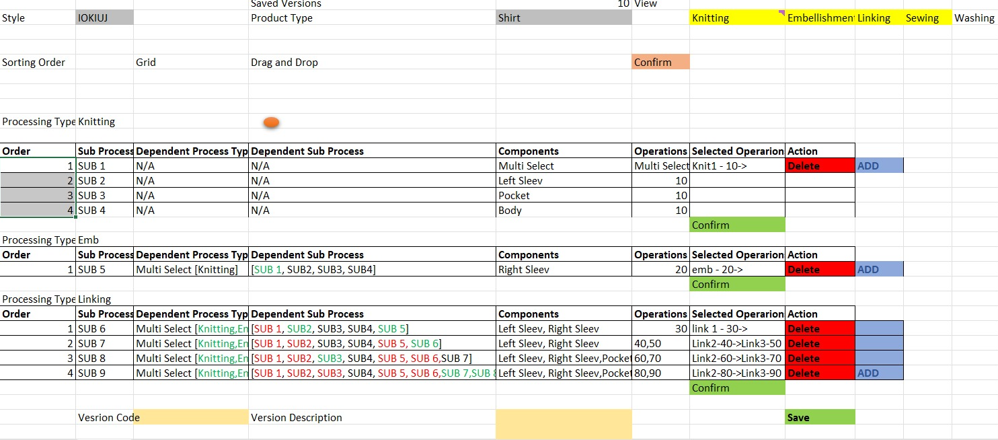

 |  | In this operation version screen, this is a readd only. We will only capture the BOM info for the operations. While saving , we will clone the same info the OMS for the referntial purpose

 |  | order summary | product components | knit configuration | consumption | operation sequence | oq update
 |  | saveOrderRevisionForSo
 |  | getOrderRevisionForSo
 |  |  |  |  |  |  |  |  | save
 |  | so line | product | fg color | oq type | percentage | SMALL | MEDIUM | LARGE
 |  | line 1 | shirt | red | ORG |  | 120 | 120 | 150
 |  |  |  |  | SAMPLE | 5 | 6 | 6 | 8
 |  |  |  |  | EXT SHIP | 2 | 2 | 2 | 3
 |  |  |  |  |  |  | 128 | 128 | 161
 |  | line 2 | shirt | red | ORG |  | 120 | 120 | 150
 |  |  |  |  | SAMPLE | 5 | 6 | 6 | 8
 |  |  |  |  | EXT SHIP | 2 | 2 | 2 | 3
 |  |  |  |  |  |  | 128 | 128 | 161

 |  | operations master

 |  | process code | process name | process type | ext op code
 |  | 15 |  |  |  | delete
 |  | 20 |  |  |  | delete
 |  | 25 |  |  |  | delete
 |  | 26 |  |  |  | delete
 |  | 100 |  |  |  | delete
 |  | 101 |  |  |  | delete
 |  | 130 |  |  |  | delete

