xPath
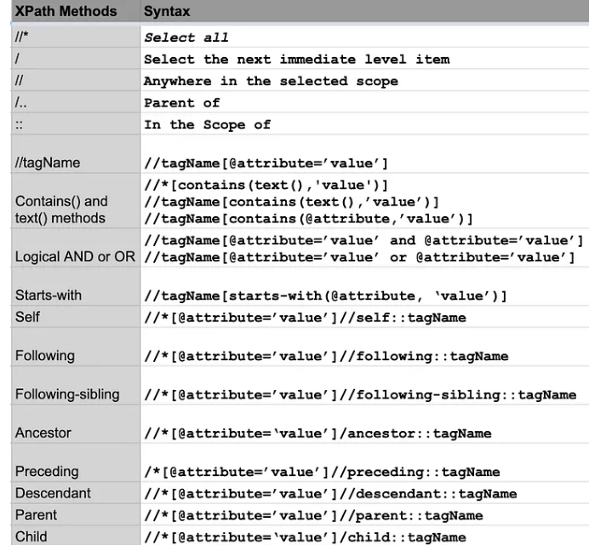
Type | Syntax | Eample
Single Attribute | //tag[@attribute='attribute_value'] | //input[@id='email']
Multiple Attribute | //tag[@attribute='attribute_value'][@attribute2='value'] | //input[@id='email'][@data-testid='royal_email']
Or Attribute | //tag[@attribute='attribute_value' or @attribute2='value'] | //input[@id='email' or @data-testid='royal_email']
Contains | //tag[contains(@attribute,'value')] | //input[contains(@data-testid,'royal')]
Starts-With | //tag[starts-with(@attribute,'prefix')] | //input[starts-with(@class,'inputtext')]
index | (//tag[contains(@attribute,'value')])[1] | (//input[starts-with(@class,'inputtext')])[1] | first WebElement
last | (//tag[contains(@attribute,'value')])[last()] | (//input[starts-with(@class,'inputtext')])[last()]
last-1 | (//tag[contains(@attribute,'value')])[last()-1] | (//input[starts-with(@class,'inputtext')])[last()-1]
Locate using innertext | //tag[text()="<text of webelement>"] | //div[text()="What's your name?"]
Finding Sibling | //div[@class='canvas- graph']/following-sibling::h4 | Finds all the siblings of div having tag as h4

