Jewelry Product Upload
Product Name | SKU | Collection Name | Category | Product Type | Short Description | Full Description | STYLING | OCASSIONS | Metal Type | Gold Purity | Gold Color | Gross Weight (g) | Net Gold Weight (g) | Diamond Type | Total Diamond Weight (CTS) | Diamond Shape | Diamond Color | Diamond Clarity | Number of Diamonds | Gemstone Type | Gemstone Shape | Gemstone Size | Total Gemstone Weight (CTS) | Number of Gemstones | Origin | Treatment | Dimensions | Ring Size | Necklace Length | Price | Stock Status | Production Time(IF MADE BY ORDER) | Certification | Hallmark Details | Shipping Info | SEO Title | SEO Description | Tags | Instagram Caption | PICTURE
Emerald Soleil Ring | RG0082 | Émeraude Lumière Ring Collection | RING | FINE JEWELRY | A radiant natural emerald encircled by heart-shaped diamonds, handcrafted in luxurious yellow gold to create a modern celestial statement. | Inspired by the brilliance of a rising sun, the Emerald Soleil Ring celebrates timeless elegance through contemporary craftsmanship. At its center rests a vivid natural oval emerald, surrounded by delicately arranged heart-shaped diamonds that create a soft celestial bloom effect. Handcrafted in rich yellow gold, the design balances minimal sophistication with striking luxury, making it an effortless statement piece for both special occasions and refined everyday wear. The contrast between the vibrant emerald and brilliant diamonds gives the ring a luminous presence while maintaining an elegant, wearable silhouette. Created for collectors who appreciate modern artistry and rare natural gemstones, the Emerald Soleil Ring embodies refined luxury with a distinctive contemporary identity. | Style this ring as a standalone statement piece or pair it with delicate diamond bands for a layered luxury look. | Cocktail Wear Luxury Evening Wear Anniversary Gift Fine Jewelry Collection Festive Luxury | GOLD | 14K | YELLOW GOLD | 2.057 | 1.852 | NATURAL DIAMONDS | 0.252 | ROUND BRILLIANT | D-F | VVS-VS | 24 | NATURAL EMERALD | OVAL | 7.00X5.00 MM | 0.775 | 1 | ZAMBIA | NATURAL | 11.73X11.80 MM | US 7 |  | 90000 | AVAILABLE |  | HALLMARKED IGI CERTIFIED |  | 1-5 DAYS | Luxury Emerald Diamond Ring in 14K Gold | Next Generation Gold | Discover handcrafted luxury with this natural emerald and diamond ring in 14K yellow gold, featuring a modern celestial-inspired design. | Emerald Ring Diamond Ring Luxury Jewelry Natural Emerald 14K Gold Ring Cocktail Ring Fine Jewelry Minimal Luxury | Radiating modern elegance ✨ The Emerald Soleil Ring features a vivid natural emerald embraced by luminous diamonds in handcrafted 14K gold. A refined statement designed for collectors of timeless luxury. #NextGenerationGold #EmeraldRing #LuxuryJewelry #NaturalEmerald #FineJewelry #DiamondRing #ModernLuxury #JewelryDesign #CocktailRing #EmeraldJewelry | 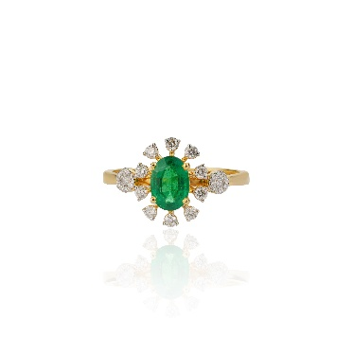
Trinity Emerald Halo Ring | RG0022 | Émeraude Lumière Ring Collection | RING | FINE JEWELRY | Three luminous natural emeralds framed with delicate diamond halos, handcrafted in elegant white gold for a timeless contemporary look. | A refined expression of balance and brilliance, the Trinity Emerald Halo Ring features three vivid natural emeralds gracefully aligned in a flowing silhouette. Each emerald is encircled by a delicate halo of brilliant diamonds, enhancing the richness of the vibrant green gemstones while creating a soft luminous sparkle. Handcrafted in luxurious white gold, the design combines timeless elegance with modern minimalism, making it a versatile statement for both elevated daily wear and sophisticated occasions. The trilogy arrangement symbolizes harmony, strength, and enduring beauty, giving the piece emotional significance alongside its luxurious aesthetic. Designed for collectors who appreciate understated sophistication and natural gemstones, the Trinity Emerald Halo Ring embodies graceful contemporary luxury. | Wear it as an elegant standalone statement ring or pair it with diamond bands for a layered contemporary look. | Anniversary Gift Fine Jewelry Collection Evening Wear Daily Luxury Celebration Jewelry | GOLD | 14K | WHITE GOLD | 2.68 | 2.274 | NATURAL DIAMONDS | 0.24 | ROUND BRILLIANT | G-I | VS-SI | 55 | NATURAL EMERALD | OVAL | 6.00X5.00 MM | 1.79 | 3 | ZAMBIA | NATURAL | 8.83X18.10 MM | US 7 |  | 85000 | AVAILABLE |  | HALLMARKED IGI CERTIFIED |  | 1-5 DAYS | Luxury Triple Emerald Diamond Ring in White Gold | Next Generation Gold | Explore timeless elegance with this handcrafted triple emerald and diamond halo ring in luxurious white gold by Next Generation Gold. | Emerald Ring Triple Emerald Ring White Gold Ring Diamond Halo Ring Luxury Jewelry Natural Emerald Jewelry Contemporary Ring Fine Jewelry | Three emeralds. One timeless statement. ✨ The Trinity Emerald Halo Ring blends vivid natural emeralds with delicate diamond halos in handcrafted white gold — designed for effortless sophistication and modern luxury. #NextGenerationGold #EmeraldRing #LuxuryJewelry #NaturalEmerald #WhiteGoldRing #DiamondRing #FineJewelry #ModernLuxury #EmeraldJewelry #CocktailRing | 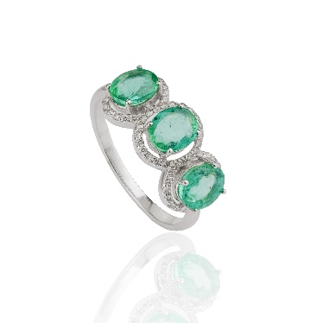
Emerald Aurora Bloom Ring | RG0080 | Émeraude Lumière Ring Collection | RING | FINE JEWELRY | An extraordinary natural emerald ring illuminated by a constellation of heart and marquise diamonds, handcrafted in luxurious yellow gold with an artistic celestial silhouette. | Inspired by the brilliance of celestial light and the elegance of haute joaillerie artistry, the Emerald Solaris Ring is designed as a luminous expression of modern luxury. At its center lies a vivid natural emerald, glowing intensely beneath a radiant arrangement of heart-shaped and marquise diamonds that unfold like solar rays around the gemstone. The sculptural composition creates movement, sparkle, and dimension from every angle while preserving a refined and wearable elegance. Crafted in rich yellow gold, the design merges delicate craftsmanship with bold visual presence, transforming the ring into a miniature piece of wearable art. The asymmetrical rhythm of the diamond arrangement gives the piece a couture-inspired personality — romantic yet contemporary, graceful yet powerful. Designed for collectors who seek distinctive gemstone jewelry beyond traditional forms, the Emerald Solaris Ring captures the spirit of rare luxury and artistic sophistication. | The Emerald Solaris Ring is designed to be worn as the focal point of an entire look. Best Styled With Silk evening gowns Emerald-toned cocktail dresses Monochrome black ensembles Ivory or champagne couture looks Tailored luxury power dressing | Luxury Evening Events Modern Bridal Styling Anniversary & Milestone Jewelry Fashion & Editorial Styling Festive Luxury | GOLD | 14K | YELLOW GOLD | 2.367 | 2.23 | NATURAL DIAMONDS | 0.255 | ROUND BRILLIANT | D-F | VVS-VS | 24 | NATURAL EMERALD | OVAL | 6.00X4.00 MM | 0.43 | 1 | ZAMBIA | NATURAL | 14.11X13.42 MM | US 7 |  | 60000 | AVAILABLE |  | HALLMARKED IGI CERTIFIED |  | 1-5 DAYS | Luxury Emerald Diamond Statement Ring in 14K Gold | Next Generation Gold | Discover the Emerald Solaris Ring — a handcrafted natural emerald and diamond statement ring in luxurious 14K yellow gold inspired by celestial elegance. | Emerald Statement Ring Luxury Emerald Jewelry Diamond Cocktail Ring Celestial Jewelry Fine Jewelry Couture Ring Natural Emerald Ring High Jewelry Yellow Gold Ring Modern Luxury Jewelry | Like a constellation wrapped around an emerald sky ✨💚 The Emerald Solaris Ring radiates celestial elegance with vivid natural emeralds and luminous diamonds handcrafted in luxurious yellow gold. A couture-inspired statement created for collectors of modern artistry and timeless glamour. #NextGenerationGold #EmeraldSolaris #LuxuryJewelry #EmeraldRing #FineJewelry #StatementRing #NaturalEmerald #HighJewelry #ModernLuxury #CocktailRing #DiamondJewelry #CoutureJewelry | 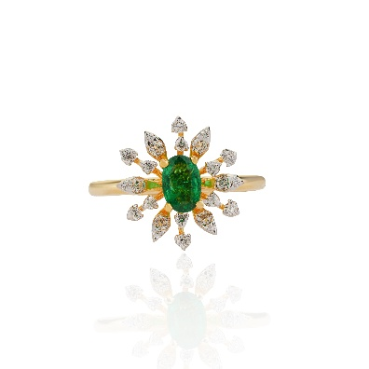
Royal Vine Emerald Ring | RG0065 | Émeraude Lumière Ring Collection | RING | FINE JEWELRY | A graceful natural emerald delicately set on an intricately carved yellow gold band, designed to embody understated elegance and heirloom charm. | Elegant in its simplicity and rich in artisanal detail, the Emerald Whisper Ring is a celebration of timeless craftsmanship and refined minimal luxury. At its center rests a vivid natural emerald, softly glowing against an intricately sculpted yellow gold band inspired by heritage filigree artistry. The delicate engraved detailing gives the ring a romantic vintage soul while maintaining a clean contemporary silhouette that feels effortlessly wearable. Lightweight yet luxurious, the piece is designed for collectors who appreciate subtle beauty, meaningful craftsmanship, and everyday elegance. Unlike bold statement jewelry, the Emerald Whisper Ring captivates quietly — through texture, detail, and the natural richness of the emerald itself. A modern heirloom designed to be cherished for years to come. | A delicate natural emerald ring inspired by vintage royal motifs and timeless artisanal gold craftsmanship. Best Styled With Neutral linen outfits Soft silk dresses Stacked gold bands Minimal luxury wardrobes Traditional Indian attire with a modern touch | Everyday Luxury Meaningful Gifting Modern Heirloom Jewelry Intimate Celebrations Stackable Luxury Styling | GOLD | 14K | YELLOW GOLD | 1.86 | 1.8 |  |  |  |  |  |  | NATURAL EMERALD | ROUND | 4.25 MM | 0.3 | 1 | PANJSHIR | NATURAL | 5.00X5.00 MM | US 7 |  | 40000 | AVAILABLE |  | HALLMARKED IGI CERTIFIED |  | 1-5 DAYS | Minimal Emerald Gold Ring | Luxury Everyday Jewelry | Next Generation Gold | Discover the Emerald Whisper Ring — a handcrafted natural emerald ring in intricately detailed 14K yellow gold inspired by timeless heirloom elegance. | Emerald Ring Minimal Gold Ring Vintage Inspired Jewelry Everyday Luxury Fine Jewelry Stackable Ring Natural Emerald Jewelry Heirloom Ring Luxury Gold Ring Delicate Emerald Ring | Quiet luxury, timeless detail 💚 The Emerald Whisper Ring combines a vivid natural emerald with intricate handcrafted gold artistry — designed for effortless everyday elegance and modern heirloom styling. Delicate. Personal. Timeless. #NextGenerationGold #EmeraldRing #EverydayLuxury #FineJewelry #MinimalJewelry #NaturalEmerald #LuxuryGoldRing #HeirloomJewelry #ModernLuxury #StackableRings | 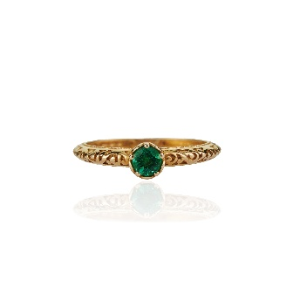
Emerald Fleur Duet Ring | RG0092 | Émeraude Lumière Ring Collection | RING | FINE JEWELRY | Two luminous natural emeralds embraced by delicate diamond halos and leaf-inspired details, handcrafted in elegant yellow and white gold. | Softly romantic and delicately sculptural, the Emerald Fleur Duet Ring is inspired by the graceful beauty of blooming emerald vines. Featuring two vivid natural emeralds framed by luminous diamond halos, the design flows effortlessly across the finger with elegant leaf-inspired diamond detailing. The open silhouette creates a light, airy elegance while enhancing the brilliance and freshness of the emeralds. Crafted in a luxurious combination of yellow and white gold, the ring balances contemporary femininity with timeless sophistication. The dual-stone composition symbolizes harmony, connection, and enduring love, making the piece deeply meaningful while maintaining a refined couture aesthetic. Delicate yet striking, the Emerald Fleur Duet Ring is designed for collectors who appreciate romantic luxury with artistic craftsmanship. | A romantic dual-emerald ring inspired by blooming vines and delicate floral artistry, crafted for modern feminine luxury. Best Styled With Silk blouses and tailored trousers Pastel evening wear Floral couture looks Champagne or ivory tones Elegant festive styling | Romantic Celebrations Luxury Daywear Destination Weddings & Festivities Garden & Daytime Events Modern Heirloom Jewelry | GOLD | 14K | YELLOW GOLD | 2.39 | 2.263 | NATURAL DIAMONDS | 0.311 | ROUND BRILLIANT | D-F | VVS-VS | 56 | NATURAL EMERALD | OVAL | 4.00X3.00 MM | 0.325 | 2 | ZAMBIA | NATURAL | 11.00X12.50 MM | US 7 |  | 60000 | AVAILABLE |  | HALLMARKED IGI CERTIFIED |  | 1-5 DAYS | Luxury Twin Emerald Diamond Ring in Dual Tone Gold | Next Generation Gold | Explore the Emerald Fleur Duet Ring featuring natural emeralds, diamond halos, and romantic floral-inspired craftsmanship in luxurious dual tone gold. | Emerald Ring Floral Jewelry Diamond Halo Ring Romantic Jewelry Dual Tone Gold Ring Luxury Emerald Jewelry Fine Jewelry Nature Inspired Jewelry Open Ring Design Modern Luxury Ring | A bloom of emerald elegance 💚✨ The Emerald Fleur Duet Ring features twin natural emeralds surrounded by luminous diamonds in a romantic floral-inspired silhouette handcrafted in luxurious dual tone gold. Delicate artistry. Timeless femininity. #NextGenerationGold #EmeraldRing #LuxuryJewelry #FineJewelry #RomanticJewelry #NaturalEmerald #DiamondRing #FloralJewelry #ModernLuxury #DualToneGold #EmeraldJewelry | 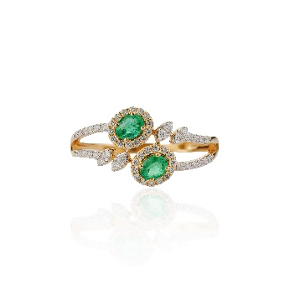
Emerald Éclat Ring | RG0093 | Émeraude Lumière Ring Collection | RING | FINE JEWELRY | A vivid emerald-cut natural emerald embraced by luminous diamonds in an architectural open-frame design handcrafted in luxurious yellow gold. | Bold yet refined, the Emerald Eclipse Ring is a modern interpretation of regal elegance and architectural artistry. At its center rests a richly saturated emerald-cut natural emerald, framed by a luminous arrangement of marquise and brilliant diamonds that create a graceful open silhouette around the gemstone. The layered structure of the ring gives the design depth, symmetry, and movement, while the split-band detailing adds a couture-inspired sophistication. Crafted in luxurious yellow gold with delicate pavé diamond accents, the piece radiates brilliance from every angle without overwhelming its refined aesthetic. Inspired by celestial symmetry and royal motifs, the Emerald Eclipse Ring balances contemporary glamour with timeless gemstone luxury. Designed for collectors who appreciate artistic structure and statement elegance, the piece feels both powerful and effortlessly wearable. | A striking emerald-cut emerald suspended within a sculptural diamond frame, designed to evoke the elegance of royal architecture and celestial symmetry. Best Styled With Tailored evening wear Monochrome luxury outfits Emerald-toned couture styling Structured blazers and silk ensembles Black or champagne evening gowns | Cocktail & Evening Events Contemporary Bridal Styling Luxury Workwear Styling Anniversary & Milestone Gifting Editorial & Fashion Styling | GOLD | 14K | YELLOW GOLD | 2.775 | 2.597 | NATURAL DIAMONDS | 0.312 | ROUND BRILLIANT | D-F | VVS-VS | 48 | NATURAL EMERALD | OCTAGON | 5.60X3.90 MM | 0.58 | 1 | ZAMBIA | NATURAL | 9.00X4.00 MM | US 7 |  | 80000 | AVAILABLE |  | HALLMARKED IGI CERTIFIED |  | 1-5 DAYS | Luxury Emerald Cut Emerald Diamond Ring in 14K Gold | Next Generation Gold | Explore the Emerald Eclipse Ring featuring a natural emerald-cut emerald surrounded by luminous diamonds in a sculptural architectural gold design | Emerald Cut Ring Emerald Ring Diamond Ring Architectural Jewelry Luxury Emerald Jewelry Fine Jewelry Contemporary Ring Statement Ring Yellow Gold Ring Modern Luxury Jewelry | Architectural elegance meets timeless brilliance ✨💚 The Emerald Eclipse Ring features a vivid emerald-cut natural emerald framed by luminous diamonds in a sculptural couture-inspired silhouette handcrafted in luxurious gold. Modern royalty, redefined. #NextGenerationGold #EmeraldRing #LuxuryJewelry #EmeraldCut #FineJewelry #ModernLuxury #StatementRing #NaturalEmerald #DiamondJewelry #ContemporaryJewelry #GoldRing | 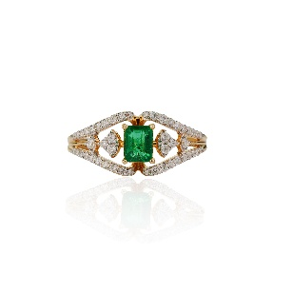
Emerald Noor Ring | RG0084 | Émeraude Lumière Ring Collection | RING | FINE JEWELRY | A luminous natural emerald framed within an ornate diamond silhouette inspired by royal architectural motifs and handcrafted in luxurious dual-tone gold. | Inspired by the elegance of royal palaces and the intricate artistry of heritage architecture, the Emerald Noor Ring is a refined expression of timeless luxury. At its center glows a vivid natural emerald, delicately surrounded by brilliant diamonds arranged within an ornate openwork silhouette reminiscent of traditional jharokha and arabesque patterns. The graceful curves and airy detailing create a sense of softness and movement, while the dual-tone gold structure adds depth and contemporary sophistication. The floral-inspired symmetry combined with fine pavé diamonds transforms the ring into a miniature work of wearable art. Elegant yet deeply rooted in heritage aesthetics, the Emerald Noor Ring is designed for collectors who appreciate refined craftsmanship, cultural artistry, and modern heirloom jewelry with a distinctive identity. | A luminous natural emerald framed within an ornate diamond silhouette inspired by royal architectural motifs and handcrafted in luxurious dual-tone gold. Best Styled With Ivory or champagne ethnic couture Silk sarees and contemporary lehengas Minimal luxury eveningwear Classic monochrome outfits Festive fine-jewelry styling | Festive Celebrations Intimate Wedding Functions Everyday Royal Luxury Heirloom Gifting Cultural & Editorial Styling | GOLD | 14K | YELLOW GOLD | 3.413 | 3.324 | NATURAL DIAMONDS | 0.231 | ROUND BRILLIANT | D-F | VVS-VS | 52 | NATURAL EMERALD | ROUND | 4.50X4.50 MM | 0.215 | 1 | ZAMBIA | NATURAL | 17.35X14.62 MM | US 7 |  | 68000 | AVAILABLE |  | HALLMARKED IGI CERTIFIED |  | 1-5 DAYS | Luxury Emerald Diamond Heritage Ring in Dual Tone Gold | Next Generation Gold | Discover the Emerald Noor Ring featuring natural emeralds, intricate diamond detailing, and Mughal-inspired artistry handcrafted in luxurious dual tone gold. | Emerald Ring Heritage Jewelry Mughal Inspired Jewelry Diamond Ring Luxury Emerald Jewelry Fine Jewelry Dual Tone Gold Ring Floral Ring Modern Heirloom Jewelry Festive Luxury Jewelry | Heritage artistry illuminated in emerald light ✨💚 The Emerald Noor Ring blends intricate royal-inspired detailing with luminous diamonds and a vivid natural emerald — handcrafted for collectors of timeless elegance and modern heirloom luxury. Graceful. Ornate. Eternal. #NextGenerationGold #EmeraldNoor #LuxuryJewelry #HeritageJewelry #EmeraldRing #FineJewelry #NaturalEmerald #DiamondRing #ModernHeirloom #MughalInspired #FestiveLuxury | 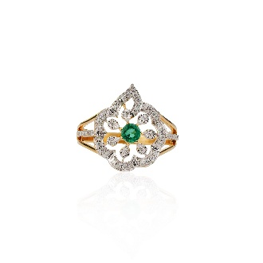
Opaline Mirage Ring | RG0023 | Aurora Opaline Collection | RING | FINE JEWELRY | A mesmerizing Australian opal embraced by delicate diamonds in an elegant asymmetrical gold silhouette inspired by moonlight and flowing movement. | Dreamlike and luminous, the Opaline Mirage Ring is inspired by the soft iridescence of moonlight reflected across silk. At its center rests a captivating Australian opal displaying delicate flashes of pastel fire — shifting between ivory, blush, soft gold, and subtle spectral hues with every movement. The graceful asymmetrical diamond frame creates a floating illusion around the gemstone, enhancing the opal’s natural glow while adding refined brilliance and structure. Crafted in luxurious yellow gold, the minimal silhouette allows the rare beauty of the opal to remain the focal point while maintaining an effortlessly contemporary elegance. Ethereal yet wearable, the Opaline Mirage Ring is designed for collectors who appreciate understated luxury, artistic minimalism, and gemstones with poetic individuality. | A luminous Australian opal floating within a sculptural diamond frame, capturing the ethereal beauty of shifting light and celestial elegance. Best Styled With Ivory silk dresses Champagne-toned eveningwear Minimal monochrome styling Bridal couture looks Neutral luxury wardrobes | Bridal & Engagement Styling Luxury Daywear Evening & Cocktail Events Meaningful Gifting Resort & Destination Luxury | GOLD | 14K | YELLOW GOLD | 1.72 | 1.502 | NATURAL DIAMONDS | 0.14 | ROUND BRILLIANT | G-I | VS-SI | 20 | AUSTRALIAN OPAL | ROUNDED TRIANGLE | 6.00X9.75 MM | 0.95 | 1 | AUSTRALIA | NATURAL | 9.61X11.44 MM | US 7 |  | 35000 | AVAILABLE |  | HALLMARKED IGI CERTIFIED |  | 1-5 DAYS | Luxury Australian Opal Diamond Ring in 14K Gold | Next Generation Gold | Discover the Opaline Mirage Ring featuring a luminous natural Australian opal surrounded by delicate diamonds in an elegant contemporary gold design. | Australian Opal Ring Opal Jewelry Diamond Ring Luxury Opal Ring Fine Jewelry Minimal Luxury Pear Shape Ring Contemporary Gold Ring Celestial Jewelry Feminine Luxury Jewelry | Soft flashes of fire, captured in gold ✨ The Opaline Mirage Ring features a luminous Australian opal framed by delicate diamonds in an ethereal contemporary silhouette handcrafted for modern elegance. Dreamlike. Radiant. Timeless. #NextGenerationGold #AustralianOpal #LuxuryJewelry #OpalRing #FineJewelry #ModernLuxury #DiamondRing #MinimalLuxury #CelestialJewelry #GoldRing #OpalJewelry | 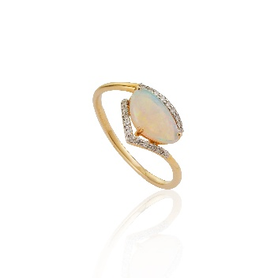
Rosé Amour Ring | RG0081 | Rosé Lumière Collection | RING | FINE JEWELRY | A vivid heart-shaped pink tourmaline illuminated by radiant natural diamonds in an elegant celestial halo handcrafted in luxurious yellow gold. | Romantic, luminous, and irresistibly feminine, the Rosé Amour Ring is designed as a celebration of love in its most refined form. At its center glows a vibrant heart-shaped pink tourmaline, radiating rich raspberry and blush tones that symbolize passion, warmth, and emotional elegance. Surrounding the gemstone is a delicate constellation of natural diamonds arranged in a soft halo formation, creating the illusion of a blooming celestial heart. The balanced split-band silhouette enhances the ring’s airy elegance while allowing the vivid pink tourmaline to remain the captivating focal point. Handcrafted in luxurious yellow gold, the design merges youthful romance with couture sophistication — transforming a classic heart motif into a modern fine-jewelry statement. Elegant yet playful, the Rosé Amour Ring is created for collectors who appreciate emotionally expressive gemstones and timeless feminine luxury. | The Rosé Amour Ring is designed for expressive feminine styling with soft glamour and modern romance. Best Styled With Blush pink eveningwear Champagne satin dresses Minimal monochrome looks Soft pastel couture styling Romantic festive ensembles | Romantic Gifting Modern Promise Ring Luxury Daywear Valentine & Celebration Jewelry Feminine Cocktail Styling | GOLD | 14K | YELLOW GOLD | 3.442 | 3.268 | NATURAL DIAMONDS | 0.125 | ROUND BRILLIANT | D-F | VVS-VS | 12 | PINK TOURMALINE | HEART | 6.00X6.00 MM | 0.745 | 1 | BRAZIL | NATURAL | 13.24X13.12 MM | US 7 |  | 65000 | AVAILABLE |  | HALLMARKED IGI CERTIFIED |  | 1-5 DAYS | Luxury Pink Tourmaline Diamond Heart Ring in 14K Gold | Next Generation Gold | Discover the Rosé Amour Ring featuring a natural heart-shaped pink tourmaline surrounded by luminous diamonds in an elegant luxury gold design. | Pink Tourmaline Ring Heart Shape Ring Diamond Ring Romantic Jewelry Luxury Gold Ring Fine Jewelry Feminine Luxury Jewelry Pink Gemstone Ring Luxury Gift Ring Cocktail Ring | A heart illuminated in radiant pink light 💗✨ The Rosé Amour Ring features a vivid heart-shaped natural pink tourmaline surrounded by luminous diamonds in a romantic celestial-inspired silhouette handcrafted in luxurious gold. Modern romance, captured forever. #NextGenerationGold #PinkTourmaline #LuxuryJewelry #HeartRing #FineJewelry #DiamondRing #RomanticJewelry #LuxuryRing #NaturalGemstones #ModernLuxury #TourmalineJewelry | 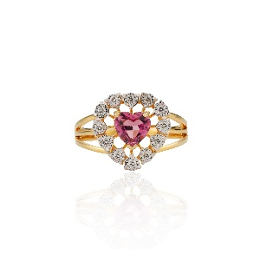
Golden Heart Mirage Ring | RG0068 | Aurelia Lumière Collection | RING | FINE JEWELRY | A radiant heart-shaped natural diamond framed by cascading baguette diamonds in a fluid contemporary design handcrafted in luxurious dual-tone gold. | Elegant, expressive, and distinctly modern, the Golden Heart Mirage Ring reimagines romantic jewelry through sculptural fine-jewelry artistry. At its center rests a luminous heart-shaped natural diamond with warm champagne brilliance, gracefully embraced by flowing ribbons of baguette diamonds that create movement, light, and architectural elegance. The asymmetrical silhouette gives the ring a couture-inspired personality while maintaining timeless sophistication. Crafted in luxurious dual-tone gold, the design balances softness and structure — allowing the heart-shaped diamond to glow as the emotional centerpiece of the composition. Inspired by flowing silk and radiant light, the Golden Heart Mirage Ring is designed for collectors who appreciate contemporary romance, artistic craftsmanship, and statement diamond jewelry beyond traditional forms. | The Golden Heart Mirage Ring is designed for elevated modern styling with effortless sophistication. Best Styled With Structured eveningwear Monochrome luxury styling Satin cocktail dresses Tailored blazers and silk ensembles Contemporary bridal looks | Modern Romantic Gifting Luxury Cocktail Styling Contemporary Bridal Jewelry Everyday Statement Luxury Editorial & Fashion Styling | GOLD | 18K | YELLOW GOLD | 3.5 | 3.35 | NATURAL DIAMONDS | 0.75 | ROUND BRILLIANT | F-G | VS | 21 |  |  |  |  |  |  |  | 9.66X9.57 MM | US 7 |  | 95000 | AVAILABLE |  | HALLMARKED IGI CERTIFIED |  | 1-5 DAYS | Luxury Heart Shape Diamond Ring in Dual Tone Gold | Next Generation Gold | Discover the Golden Heart Mirage Ring featuring a heart-shaped natural diamond and cascading baguette diamonds handcrafted in luxurious dual-tone gold. | Heart Shape Diamond Ring Baguette Diamond Ring Luxury Diamond Ring Contemporary Jewelry Fine Jewelry Champagne Diamond Ring Modern Romance Jewelry Couture Jewelry Dual Tone Gold Ring Statement Diamond Ring | A heart sculpted in radiant light ✨💛 The Golden Heart Mirage Ring features a luminous heart-shaped natural diamond flowing through cascading baguette diamonds in a contemporary couture-inspired silhouette handcrafted in luxurious gold. Romantic elegance, reimagined. #NextGenerationGold #DiamondRing #HeartDiamond #LuxuryJewelry #FineJewelry #ModernLuxury #BaguetteDiamond #ContemporaryJewelry #StatementRing #NaturalDiamonds #CoutureJewelry | 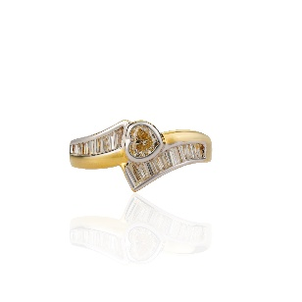
Diamond Élan Ring

