Sheet2
Sales by Region
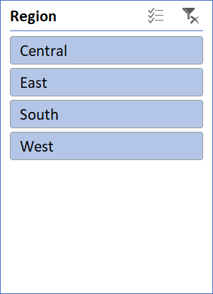
Row Labels | Sum of Sales
Central | 492,647
East | 669,519
South | 389,151
West | 710,220
Grand Total | 2,261,537

Sheet3
Sales by Category
Row Labels | Sum of Sales
Furniture | 728,659
Office Supplies | 705,422
Technology | 827,456
Grand Total | 2,261,537

Dashboard
Business Sales Dashboard

Sales by Region
 | Total
Central | 492,647
East | 669,519
South | 389,151
West | 710,220
Sales by Category
 | Total
Furniture | 728,659
Office Supplies | 705,422
Technology | 827,456

