در خاک
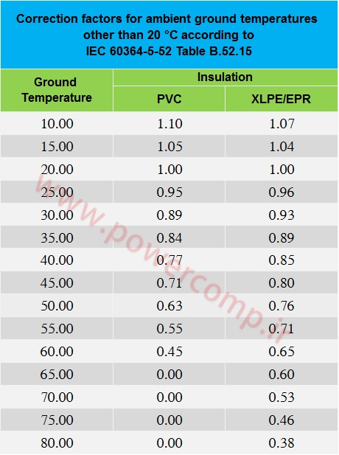
TEMP | PVC | XLPE
10 | 1.1 | 1.07
15 | 1.05 | 1.04
20 | 1 | 1
25 | 0.95 | 0.96
30 | 0.89 | 0.93
35 | 0.84 | 0.89
40 | 0.77 | 0.85
45 | 0.71 | 0.8
50 | 0.63 | 0.76
55 | 0.55 | 0.71
60 | 0.45 | 0.65

در هوا
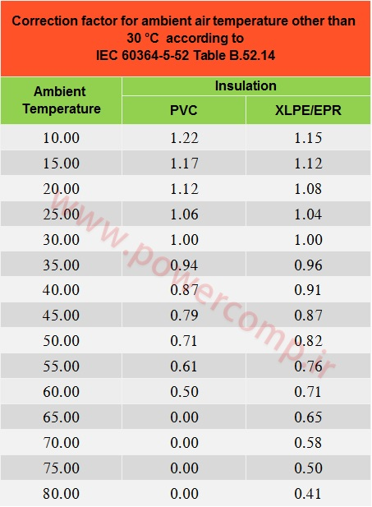
TEMP | PVC | XLPE
10 | 1.22 | 1.15
15 | 1.17 | 1.12
20 | 1.12 | 1.08
25 | 1.06 | 1.04
30 | 1 | 1
35 | 0.94 | 0.96
40 | 0.87 | 0.91
45 | 0.79 | 0.87
50 | 0.71 | 0.82
55 | 0.61 | 0.76
60 | 0.5 | 0.71

panel_table
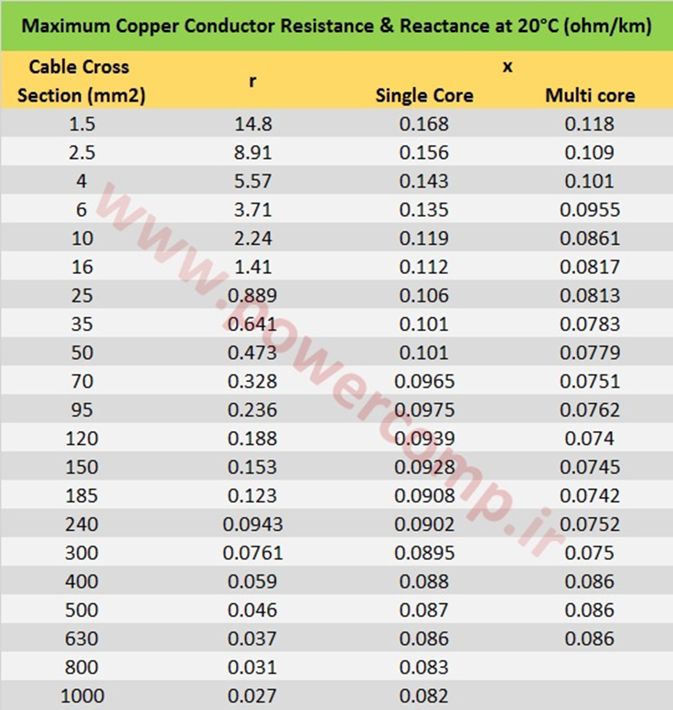
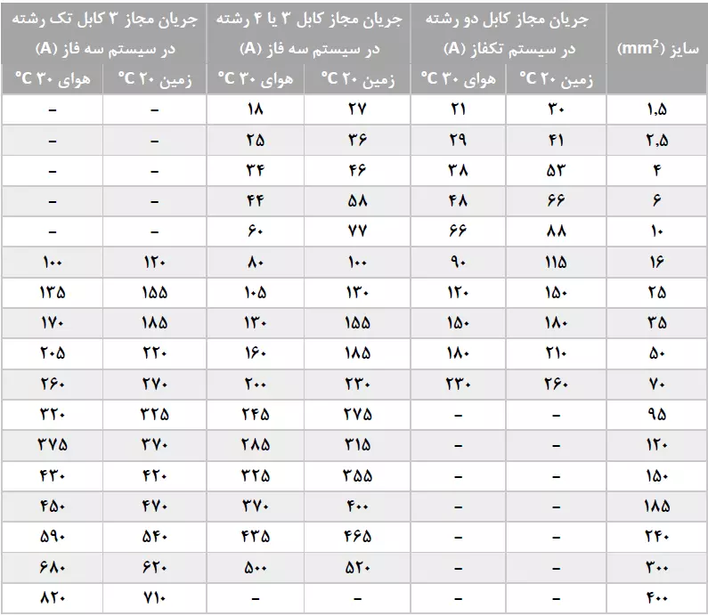
1PHASE_A | 1PHASE_G | 3PHASE_A | 3PHASE_G | SIZE | RESISTANT
21 | 30 | 18 | 27 | 2.5 | 14.8
29 | 41 | 25 | 36 | 2.5 | 8.91
38 | 53 | 34 | 46 | 4 | 5.57
48 | 66 | 44 | 58 | 6 | 3.71
66 | 88 | 60 | 77 | 10 | 2.24
90 | 115 | 80 | 100 | 16 | 1.41
120 | 150 | 105 | 130 | 25 | 0.889
150 | 180 | 130 | 155 | 35 | 0.641
180 | 210 | 160 | 185 | 50 | 0.473
230 | 260 | 200 | 230 | 70 | 0.328
 |  | 245 | 275 | 95 | 0.236
 |  | 285 | 315 | 120 | 0.188
 |  | 325 | 355 | 150 | 0.153
 |  | 370 | 400 | 185 | 0.123
 |  | 435 | 465 | 240 | 0.0943
 |  | 500 | 520 | 300 | 0.0761
 |  |  |  | 400 | 0.059
0 | 1 | 2 | 3 | 4 | 5

install_method
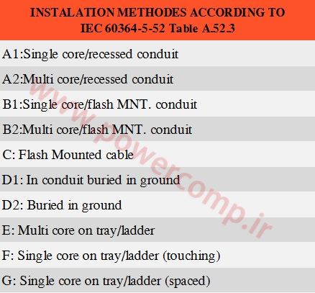

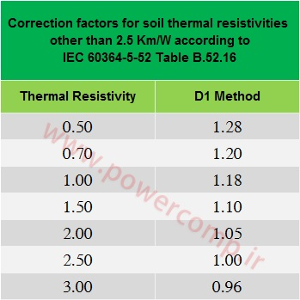

2437.194936

