1. Evidence
Evidence level | APIs | Share | Ceiling | What it means
two-sided | 674 | 45.0% | 100% | both halves exercised on devices — the HarmonyOS API behaved as its own documentation states, and the mapped equivalent was confirmed present on the target device
behavioural | 77 | 5.1% | 90% | the HarmonyOS half was verified on a device; the target half was not measured
twin-only | 656 | 43.8% | 85% | the mapped equivalent was confirmed on the target device; the HarmonyOS half was not behaviourally verified
availability | 92 | 6.1% | 82% | the symbol resolved on a physical device; its behaviour was not tested
unmeasured | 0 | 0.0% | 75% | no device evidence

TOTAL | 1499 | 100% |  | Every row in sheet 2 carries one of these levels and, where a device was involved, the log line it came from.

APIs by evidence level

Manual Test
 | Tester | API | Kit | Object | Evidence | Measured on | Log reference | Why | Windows PC tier | Windows PC % | Windows - AI Evaluation Result Check | Windows Manuel Result Mapped /Unmapped | Windows Screenshot | Windows Note | Windows PC equivalent | Android phone % | Android AI Evaluation Result Check | Android Mapped / Unmapped | Android Screenshot | Android Note | Android phone equivalent | macOS % | macOS AI Evaluation Result Check | macOS Mapped / Unmapped | macOS Screenshot | macOS Note | macOS equivalent | iPhone % | iPhone AI Evaluation Result Check | iPhone Mapped / Unmapped | iPhone Screenshot | iPhone Note | iPhone equivalent
1 | Emrah | OH_AVPlayer_GetDuration | MediaKit | AVPlayer | two-sided | harmonyos-wearable + macos | harmonyos-wearable:77 + macos:1502 | verb =; nouns timing; doc 0.28 [duration, media]; x1.10 | mechanism | 95 | Pass | Mapped | 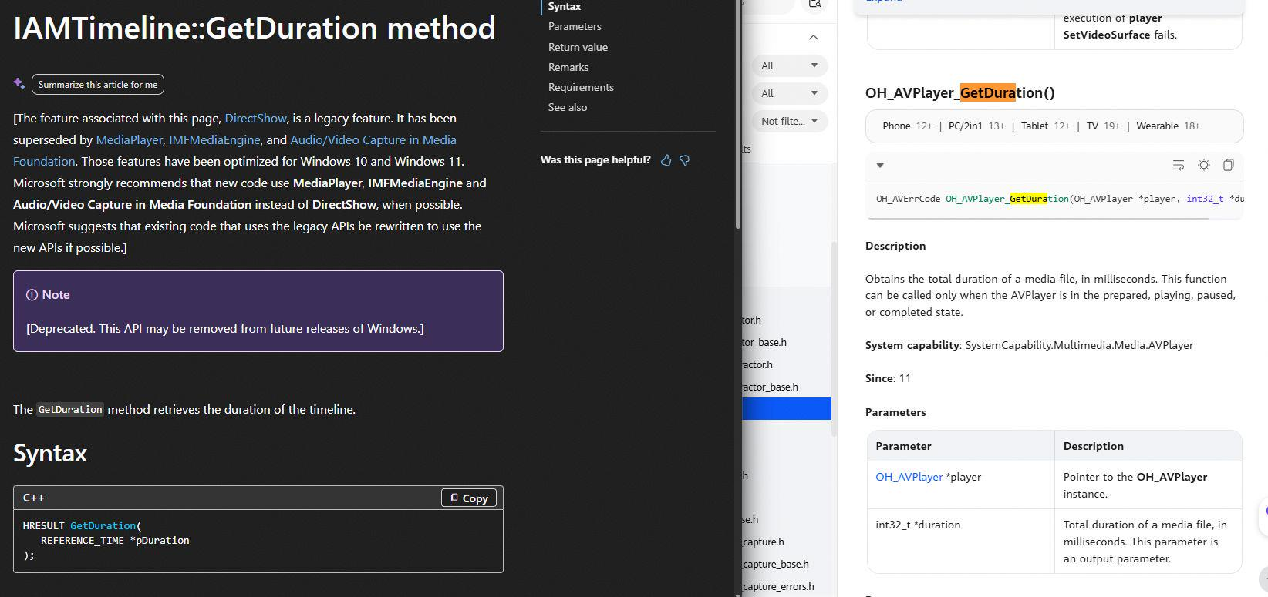 |  | IMFPMediaPlayer::GetDuration | 95 | Pass | Mapped | 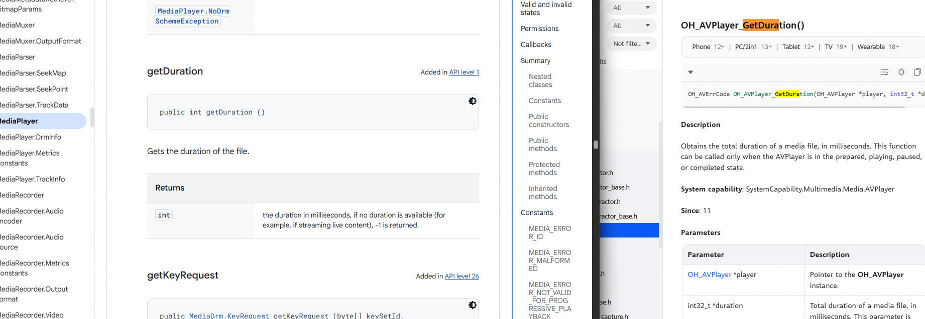 |  | android.media.MediaPlayer::getDuration | 79 | Pass | Mapped |  | 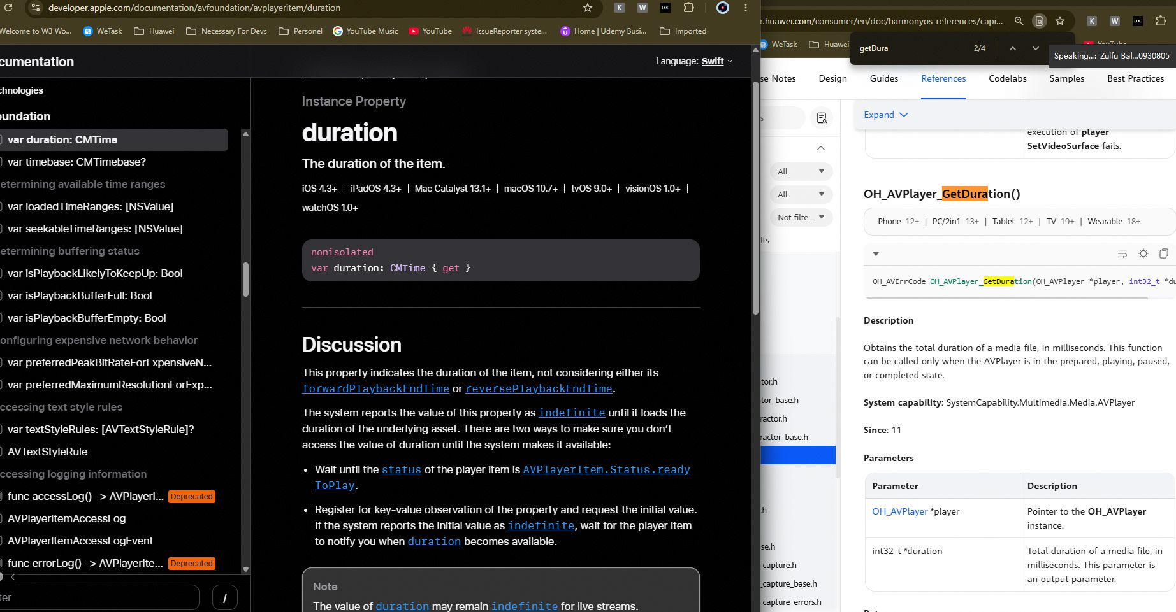 | AVPlayerItem::duration | 79 | Pass | Mapped |  |  | AVPlayerItem::duration
2 | Emrah | OH_AVPlayer_GetState | MediaKit | AVPlayer | two-sided | harmonyos-wearable + macos | harmonyos-wearable:88 + macos:1405 | verb =; nouns state; doc 0.26 [play, state]; x1.09 | mechanism | 95 |  |  |  |  | IMFPMediaPlayer::GetState | 44 |  |  |  |  | android.media.MediaPlayer::getDuration | 73 |  |  |  |  | AVPlayer::status | 73 |  |  |  |  | AVPlayer::status
3 | Emrah | OH_AVPlayer_GetVideoHeight | MediaKit | AVPlayer | two-sided | harmonyos-wearable + macos | harmonyos-wearable:93 + macos:1535 | verb =; nouns height,video; doc unavailable; x1.00 | emergent | 43.5 |  |  |  |  | IMFPMediaPlayer::GetState | 95 |  |  |  |  | android.media.MediaPlayer::getVideoHeight | 51.3 |  |  |  |  | AVPlayerLayer::videoRect | 51.3 |  |  |  |  | AVPlayerLayer::videoRect
4 | Emrah | OH_AVPlayer_GetVideoWidth | MediaKit | AVPlayer | two-sided | harmonyos-wearable + macos | harmonyos-wearable:95 + macos:1537 | verb =; nouns video,width; doc unavailable; x1.00 | emergent | 43.5 |  |  |  |  | IMFPMediaPlayer::GetState | 95 |  |  |  |  | android.media.MediaPlayer::getVideoWidth | 51.3 |  |  |  |  | AVPlayerLayer::videoRect | 51.3 |  |  |  |  | AVPlayerLayer::videoRect
5 | Emrah | OH_AVPlayer_Pause | MediaKit | AVPlayer | two-sided | harmonyos-wearable + macos | harmonyos-wearable:100 + macos:1411 | verb =; doc 0.46 [pause, paus, playback]; x1.18 | direct | 95 |  |  |  |  | IMFPMediaPlayer::Pause | 95 |  |  |  |  | android.media.MediaPlayer::pause | 95 |  |  |  |  | AVPlayer::pause | 95 |  |  |  |  | AVPlayer::pause
6 | Emrah | OH_AVPlayer_Play | MediaKit | AVPlayer | two-sided | harmonyos-wearable + macos | harmonyos-wearable:102 + macos:1413 | verb =; nouns play; doc 0.42 [playback, play, start]; x1.18 | direct | 95 |  |  |  |  | IMFPMediaPlayer::Play | 95 |  |  |  |  | android.media.JetPlayer::play | 95 |  |  |  |  | AVPlayer::play | 95 |  |  |  |  | AVPlayer::play
7 | Emrah | OH_AVPlayer_Prepare | MediaKit | AVPlayer | two-sided | harmonyos-wearable + macos | harmonyos-wearable:104 + macos:1415 | verb =; doc unavailable; x1.00 | mechanism | 74.5 |  |  |  |  | IMFPMediaPlayer::SetMediaItem | 95 |  |  |  |  | android.media.MediaPlayer::prepare | 73 |  |  |  |  | AVPlayer::init | 73 |  |  |  |  | AVPlayer::init
8 | Emrah | OH_AVPlayer_Release | MediaKit | AVPlayer | two-sided | harmonyos-wearable + macos | harmonyos-wearable:106 + macos:1417 | verb =; doc unavailable; x1.00 | mechanism | 67.6 |  |  |  |  | IMFPMediaPlayer::Shutdown | 95 |  |  |  |  | android.media.MediaPlayer::release | 73 |  |  |  |  | AVPlayer::pause | 73 |  |  |  |  | AVPlayer::pause
9 | Emrah | OH_AVPlayer_Reset | MediaKit | AVPlayer | two-sided | harmonyos-wearable + macos | harmonyos-wearable:110 + macos:1421 | verb =; doc unavailable; x1.00 | mechanism | 67.7 |  |  |  |  | IMFPMediaPlayer::GetState | 95 |  |  |  |  | android.media.MediaPlayer::reset | 73 |  |  |  |  | AVPlayer::init | 73 |  |  |  |  | AVPlayer::init
10 | Emrah | OH_AVPlayer_SetLooping | MediaKit | AVPlayer | two-sided | harmonyos-wearable + macos | harmonyos-wearable:132 + macos:1435 | verb =; nouns loop; doc unavailable; x1.00 | mechanism | 44.7 |  |  |  |  | IMFPMediaPlayer::SetPosition | 95 |  |  |  |  | android.media.MediaPlayer::setLooping | 42 |  |  |  |  | AVPlayer::setRate:time:atHostTime: | 42 |  |  |  |  | AVPlayer::setRate:time:atHostTime:
11 | Emrah | OH_AVPlayer_SetVolume | MediaKit | AVPlayer | two-sided | harmonyos-wearable + macos | harmonyos-wearable:157 + macos:1465 | verb =; nouns audio; doc 0.24 [volume]; x1.08 | mechanism | 95 |  |  |  |  | IMFPMediaPlayer::SetVolume | 95 |  |  |  |  | android.media.MediaPlayer::setVolume | 79 |  |  |  |  | AVPlayer::volume | 79 |  |  |  |  | AVPlayer::volume
12 | Emrah | OH_AVPlayer_Stop | MediaKit | AVPlayer | two-sided | harmonyos-wearable + macos | harmonyos-wearable:161 + macos:1547 | verb =; doc 0.44 [stop, playback]; x1.18 | direct | 95 |  |  |  |  | IMFPMediaPlayer::Stop | 95 |  |  |  |  | android.media.MediaPlayer::stop | 66.7 |  |  |  |  | AVPlayerLayer::stopShowingCaptionPreview | 66.7 |  |  |  |  | AVPlayerLayer::stopShowingCaptionPreview
13 | Emrah | OH_AVScreenCapture_Release | MediaKit | AVScreenCapture | two-sided | harmonyos-wearable + macos | harmonyos-wearable:777 + macos:1102 | verb =; doc unavailable; x1.00 | mechanism | 73.4 |  |  |  |  | IMFMediaSession::Close | 95 |  |  |  |  | android.media.MediaRecorder::release | 60.1 |  |  |  |  | AVCaptureScreenInput::cropRect | 60.1 |  |  |  |  | AVCaptureScreenInput::cropRect
14 | Emrah | OH_AVScreenCapture_SetCallback | MediaKit | AVScreenCapture | two-sided | harmonyos-wearable + android | harmonyos-wearable:790 + android:1119 | verb =; nouns callback; doc 0.14 [callback, video]; x1.03 | mechanism | 95 |  |  |  |  | IMFVideoSampleAllocatorCallback::SetCallback | 95 |  |  |  |  | android.media.MediaCodec::setCallback | 0 |  |  |  |  |  | 0
15 | Emrah | OH_PixelmapNative_Release | ImageKit | PixelmapNative | two-sided | harmonyos-wearable + android | harmonyos-wearable:2092 + android:276 | verb =; doc unavailable; x1.00 | mechanism | 66.6 |  |  |  |  | IWICPalette::GetColors | 95 |  |  |  |  | android.graphics.SurfaceTexture::release | 66.6 |  |  |  |  | CIGlassDistortion::textureImage | 66.6 |  |  |  |  | CIGlassDistortion::textureImage
16 | Emrah | OH_AudioRenderer_Flush | AudioKit | AudioRenderer | two-sided | harmonyos-wearable + macos | harmonyos-wearable:1239 + macos:744 | verb =; doc unavailable; x1.00 | emergent | 64.9 |  |  |  |  | IAudioEndpointVolume::RegisterControlChangeNotify | 95 |  |  |  |  | android.media.AudioTrack::flush | 73 |  |  |  |  | AVAudioApplication::init | 73 |  |  |  |  | AVAudioApplication::init
17 | Emrah | OH_AudioRenderer_GetTimestamp | AudioKit | AudioRenderer | two-sided | harmonyos-wearable + macos | harmonyos-wearable:1277 + macos:856 | verb =; nouns timing; doc unavailable; x1.00 | emergent | 37.7 |  |  |  |  | ISimpleAudioVolume::GetMute | 95 |  |  |  |  | android.media.AudioTrack::getTimestamp | 73 |  |  |  |  | AVAudioPlayer::duration | 73 |  |  |  |  | AVAudioPlayer::duration
18 | Emrah | OH_AudioRenderer_GetVolume | AudioKit | AudioRenderer | two-sided | harmonyos-wearable + macos | harmonyos-wearable:1281 + macos:860 | verb =; nouns audio; doc 0.19 [volume]; x1.05 | direct | 95 |  |  |  |  | IXAudio2Voice::GetVolume | 84.6 |  |  |  |  | android.media.AudioTrack::getMaxVolume | 68.2 |  |  |  |  | AVAudioPlayer::volume | 68.2 |  |  |  |  | AVAudioPlayer::volume
19 | Emrah | OH_AudioRenderer_Pause | AudioKit | AudioRenderer | two-sided | harmonyos-wearable + macos | harmonyos-wearable:1283 + macos:862 | verb =; doc unavailable; x1.00 | emergent | 64.9 |  |  |  |  | IAudioEndpointVolume::RegisterControlChangeNotify | 95 |  |  |  |  | android.media.AudioTrack::pause | 77 |  |  |  |  | AVAudioPlayer::pause | 77 |  |  |  |  | AVAudioPlayer::pause
20 | Emrah | OH_AudioRenderer_Release | AudioKit | AudioRenderer | two-sided | harmonyos-wearable + macos | harmonyos-wearable:1285 + macos:864 | verb =; doc unavailable; x1.00 | mechanism | 73.4 |  |  |  |  | IAudioClient::Start | 95 |  |  |  |  | android.media.AudioTrack::release | 73 |  |  |  |  | AVAudioPlayer::stop | 73 |  |  |  |  | AVAudioPlayer::stop
21 | Emrah | OH_AudioRenderer_SetVolume | AudioKit | AudioRenderer | two-sided | harmonyos-wearable + macos | harmonyos-wearable:1298 + macos:872 | verb =; nouns audio; doc 0.13 [volume]; x1.02 | mechanism | 95 |  |  |  |  | IXAudio2Voice::SetVolume | 95 |  |  |  |  | android.media.AudioTrack::setVolume | 76.7 |  |  |  |  | AVAudioPlayer::setVolume:fadeDuration: | 76.7 |  |  |  |  | AVAudioPlayer::setVolume:fadeDuration:
22 | Emrah | OH_AudioRenderer_Stop | AudioKit | AudioRenderer | two-sided | harmonyos-wearable + macos | harmonyos-wearable:1304 + macos:876 | verb =; doc unavailable; x1.00 | mechanism | 77 |  |  |  |  | IAudioClient::Stop | 95 |  |  |  |  | android.media.AudioTrack::stop | 77 |  |  |  |  | AVAudioPlayer::stop | 77 |  |  |  |  | AVAudioPlayer::stop
23 | Emrah | OH_ImageSourceNative_Release | ImageKit | ImageSourceNative | two-sided | harmonyos-wearable + macos | harmonyos-wearable:587 + macos:79 | verb =; doc unavailable; x1.00 | mechanism | 67 |  |  |  |  | IWICBitmapSource::GetPixelFormat | 73 |  |  |  |  | android.media.ImageReader::close | 95 |  |  |  |  | CGImageRelease | 95 |  |  |  |  | CGImageRelease
24 | Emrah | OH_ImageEffect_Release | ImageKit | ImageEffect | two-sided | harmonyos-wearable + macos | harmonyos-wearable:321 + macos:87 | verb =; doc unavailable; x1.00 | mechanism | 73 |  |  |  |  | WICRawParameterSet | 73 |  |  |  |  | android.graphics.drawable.AnimatedImageDrawable::start | 95 |  |  |  |  | CGImageRelease | 95 |  |  |  |  | CGImageRelease
25 | Emrah | OH_ImageEffect_Start | ImageKit | ImageEffect | two-sided | harmonyos-wearable + macos | harmonyos-wearable:352 + macos:91 | verb =; doc unavailable; x1.00 | mechanism | 73 |  |  |  |  | WICRawParameterSet | 95 |  |  |  |  | android.graphics.drawable.AnimatedImageDrawable::start | 73 |  |  |  |  | CGImageCreate | 73 |  |  |  |  | CGImageCreate
26 | Emrah | OH_ImageEffect_Stop | ImageKit | ImageEffect | two-sided | harmonyos-wearable + macos | harmonyos-wearable:354 + macos:93 | verb =; doc unavailable; x1.00 | mechanism | 74.2 |  |  |  |  | IWICBitmapFrameEncode::Commit | 95 |  |  |  |  | android.graphics.drawable.AnimatedImageDrawable::stop | 73 |  |  |  |  | CGImageCreate | 73 |  |  |  |  | CGImageCreate
27 | Eray | OH_VideoDecoder_Configure | AVCodecKit | VideoDecoder | two-sided | harmonyos-wearable + macos | harmonyos-wearable:1093 + macos:175 | verb =; doc unavailable; x1.00 | mechanism | 73.5 | Fail | Unmapped | 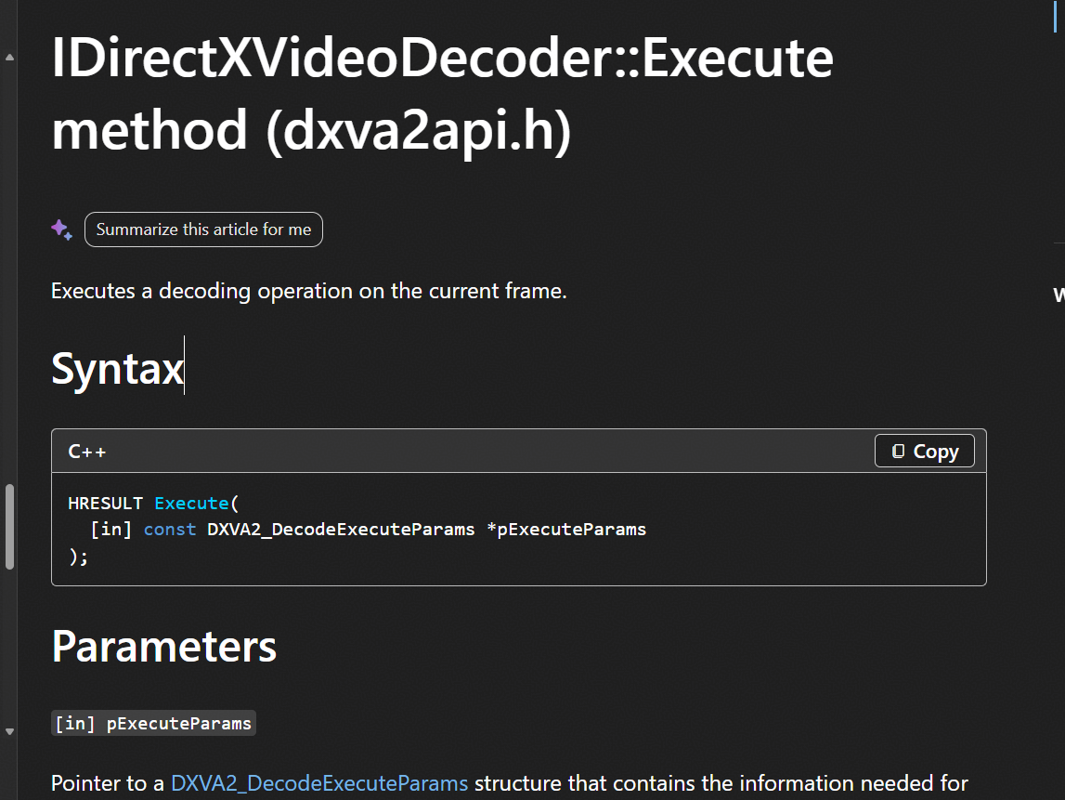 |  | IDirectXVideoDecoder::Execute | 95 | Pass | Mapped | 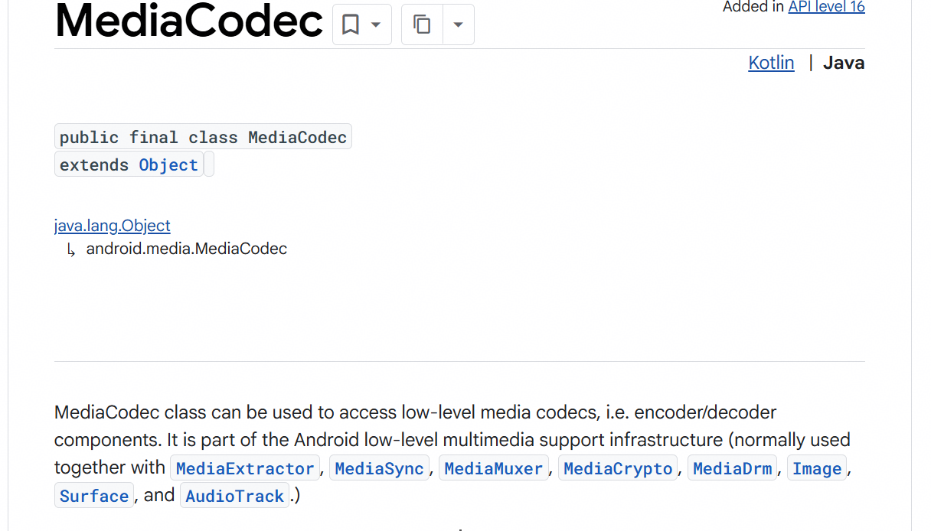 |  | android.media.MediaCodec::configure | 67.5 | Fail |  | 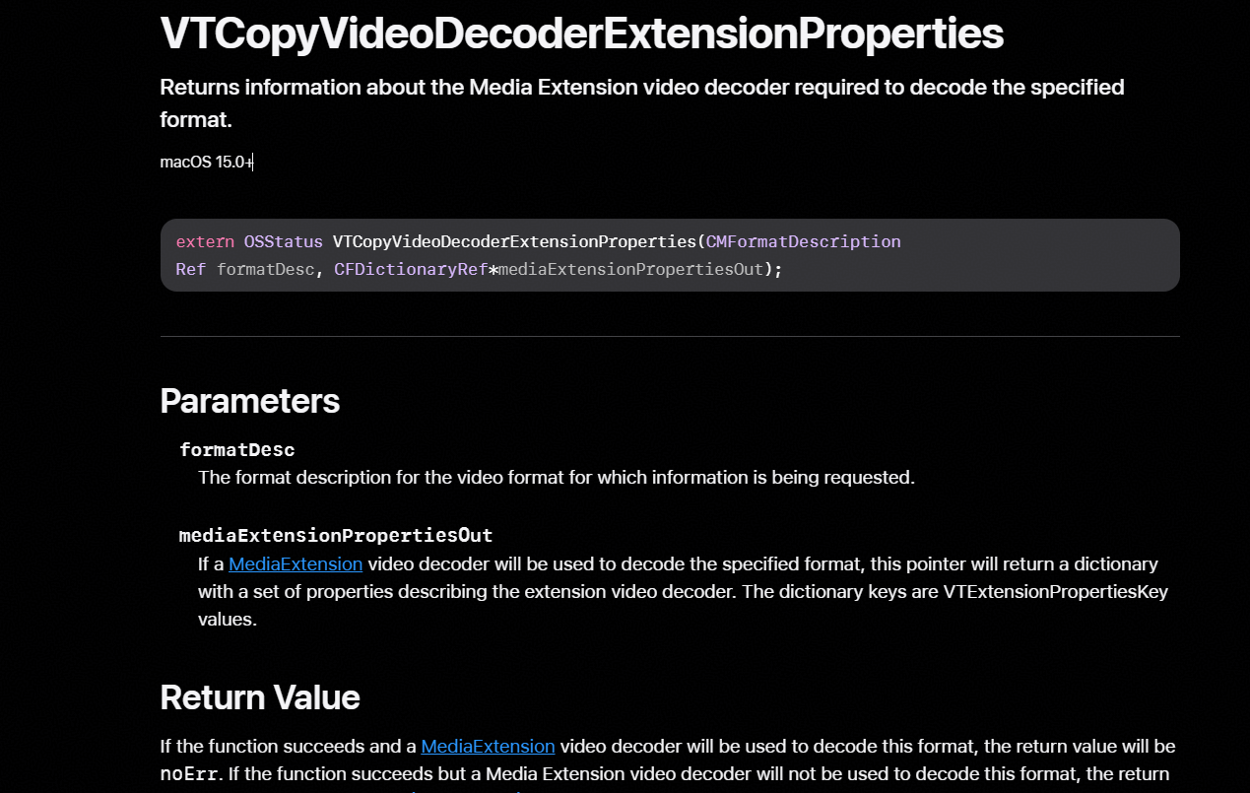 |  | VTCopyVideoDecoderExtensionProperties | 67.5 | Fail |  | 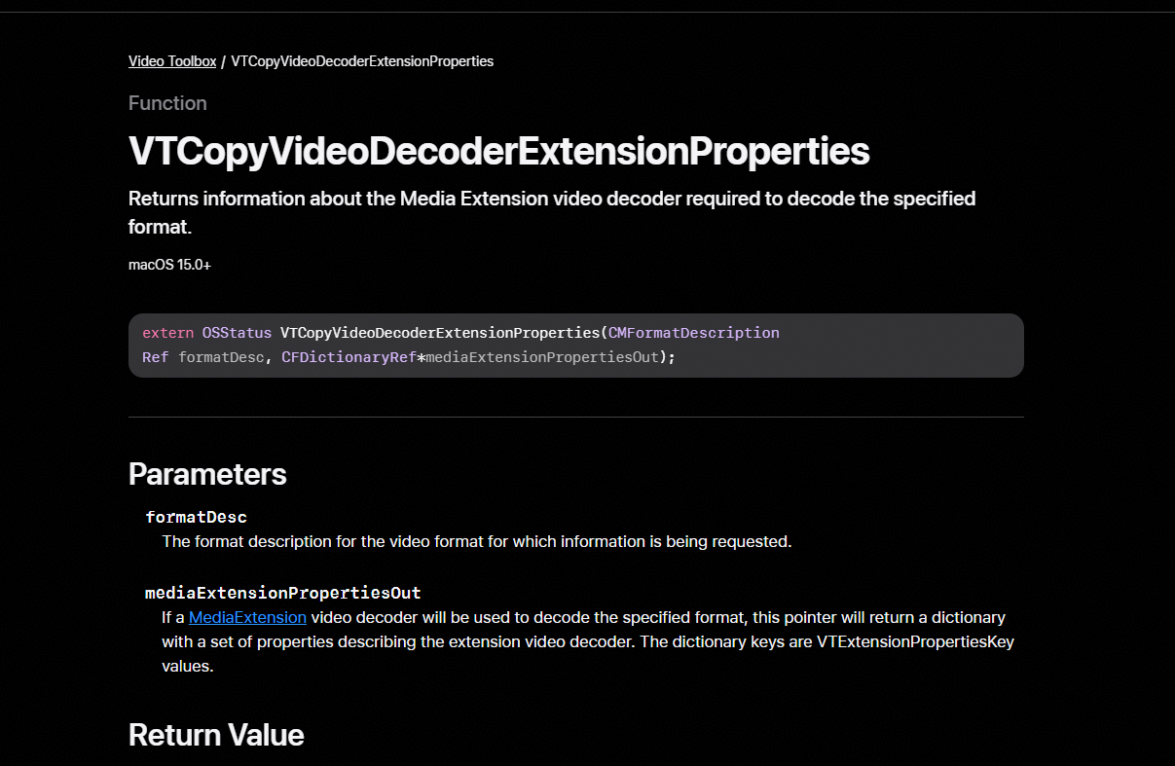 |  | VTCopyVideoDecoderExtensionProperties
28 | Eray | OH_VideoDecoder_Flush | AVCodecKit | VideoDecoder | two-sided | harmonyos-wearable + macos | harmonyos-wearable:1099 + macos:183 | verb =; doc unavailable; x1.00 | mechanism | 73.6 | Fail | Unmapped |  |  | IDirectXVideoDecoder::Execute | 95 | Pass | Mapped | 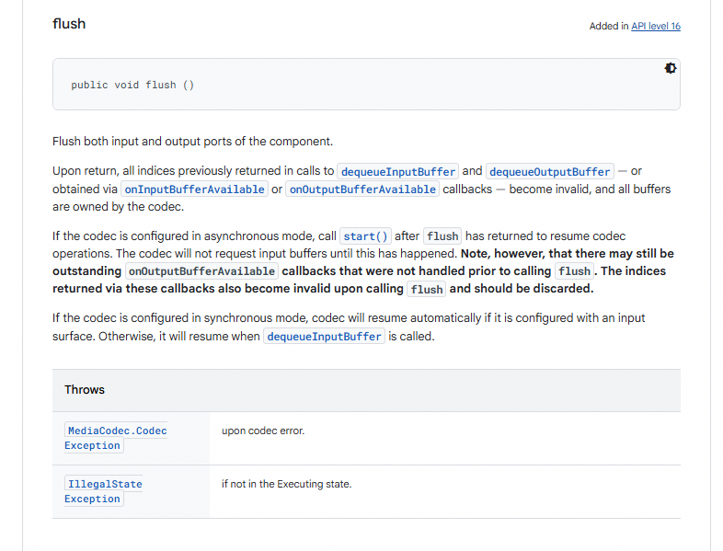 |  | android.media.MediaCodec::flush | 66.6 | Fail |  |  |  | VTCopyVideoDecoderExtensionProperties | 66.6 | Fail |  |  |  | VTCopyVideoDecoderExtensionProperties
29 | Eray | OH_VideoDecoder_Reset | AVCodecKit | VideoDecoder | two-sided | harmonyos-wearable + macos | harmonyos-wearable:1122 + macos:189 | verb =; doc unavailable; x1.00 | mechanism | 73.8 | Fail | Unmapped |  |  | IDirectXVideoDecoder::Execute | 95 | Pass | Mapped | 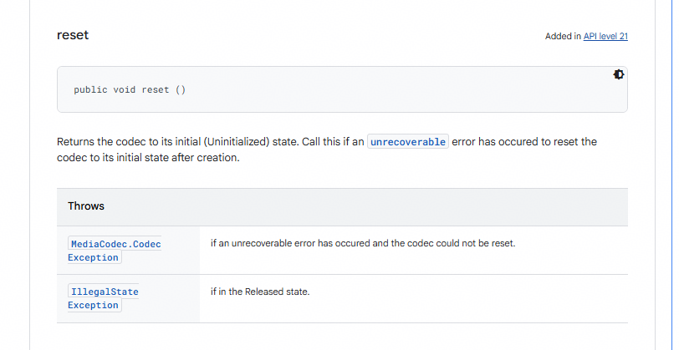 |  | android.media.MediaCodec::reset | 66.7 | Fail |  |  |  | VTCopyVideoDecoderExtensionProperties | 66.7 | Fail |  |  |  | VTCopyVideoDecoderExtensionProperties
30 | Eray | OH_VideoDecoder_Start | AVCodecKit | VideoDecoder | two-sided | harmonyos-wearable + macos | harmonyos-wearable:1130 + macos:195 | verb =; doc unavailable; x1.00 | mechanism | 73.6 | Fail | Unmapped |  |  | IDirectXVideoDecoder::Execute | 95 | Pass | Mapped | 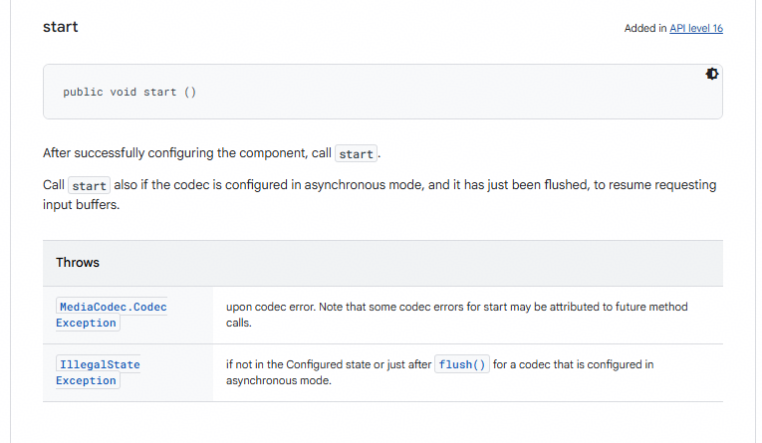 |  | android.media.MediaCodec::start | 66.6 | Fail |  |  |  | VTCopyVideoDecoderExtensionProperties | 66.6 | Fail |  |  |  | VTCopyVideoDecoderExtensionProperties
31 | Eray | OH_VideoDecoder_Stop | AVCodecKit | VideoDecoder | two-sided | harmonyos-wearable + macos | harmonyos-wearable:1132 + macos:197 | verb =; doc unavailable; x1.00 | mechanism | 73.7 | Fail | Unmapped |  |  | IDirectXVideoDecoder::Execute | 95 | Pass | Mapped | 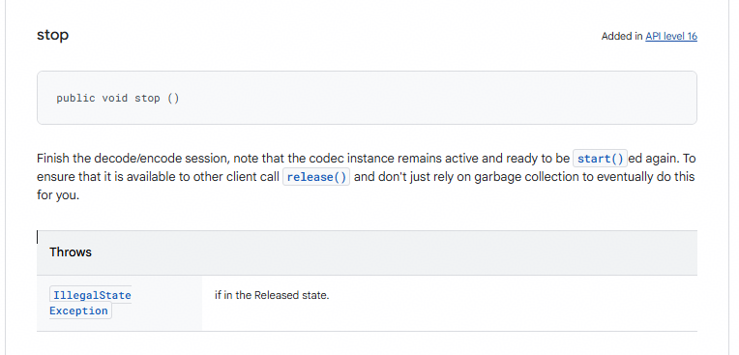 |  | android.media.MediaCodec::stop | 66.7 | Fail |  |  |  | VTCopyVideoDecoderExtensionProperties | 66.7 | Fail |  |  |  | VTCopyVideoDecoderExtensionProperties
32 | Eray | OH_AudioCapturer_Flush | AudioKit | AudioCapturer | two-sided | harmonyos-wearable + macos | harmonyos-wearable:1180 + macos:199 | verb =; doc unavailable; x1.00 | emergent | 64.9 | Fail | Unmapped | 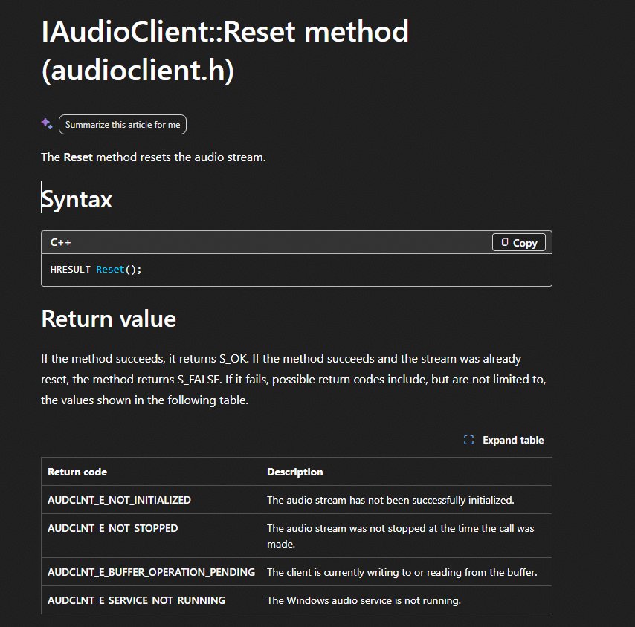 |  | IAudioClient::Reset | 95 | Pass | Mapped | 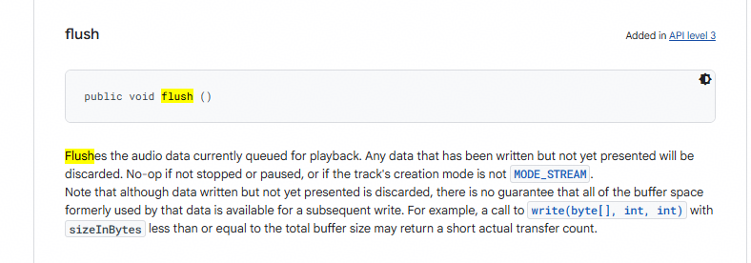 |  | android.media.AudioTrack::flush | 77 | Fail |  | 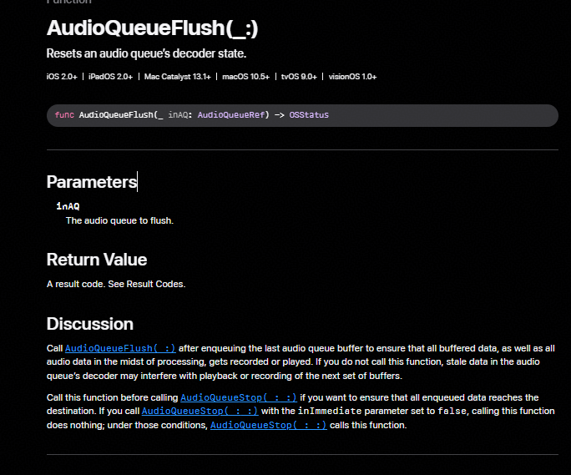 |  | AudioQueueFlush | 77 | Fail |  |  |  | AudioQueueFlush
33 | Eray | OH_AudioCapturer_GetChannelCount | AudioKit | AudioCapturer | two-sided | harmonyos-wearable + macos | harmonyos-wearable:1184 + macos:900 | verb =; nouns cardinality,stream; doc unavailable; x1.00 | mechanism | 57.3 | Fail | Unmapped | 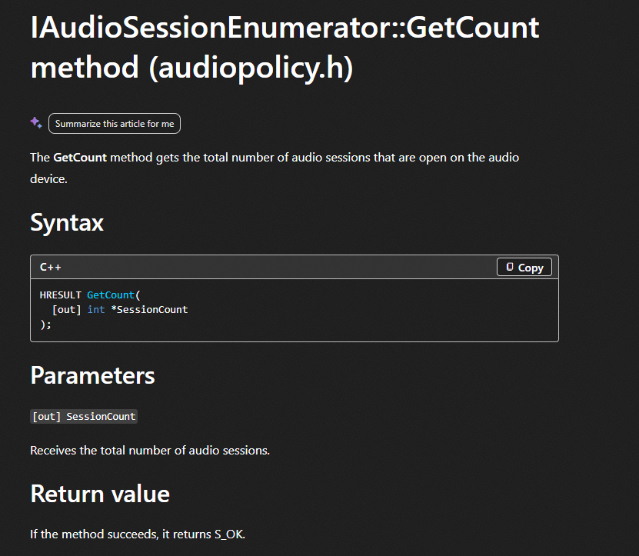 | not channel count, the functions returns audio session count | IAudioSessionEnumerator::GetCount | 95 | Pass | Mapped | 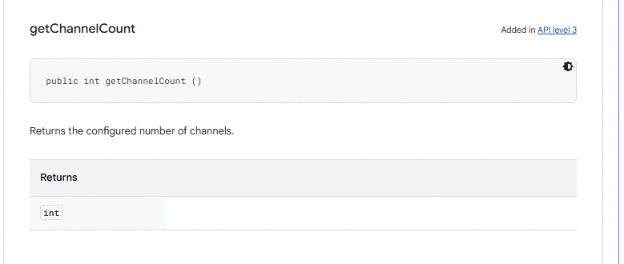 |  | android.media.AudioTrack::getChannelCount | 64.9 | Pass | Mapped |  | The number of audio channels in the player’s audio | AVAudioPlayer::numberOfChannels | 64.9 | Pass | Mapped |  | The number of audio channels in the player’s audio | AVAudioPlayer::numberOfChannels
34 | Eray | OH_AudioCapturer_GetTimestamp | AudioKit | AudioCapturer | two-sided | harmonyos-wearable + macos | harmonyos-wearable:1206 + macos:906 | verb =; nouns timing; doc unavailable; x1.00 | emergent | 37.7 | Fail | Unmapped | 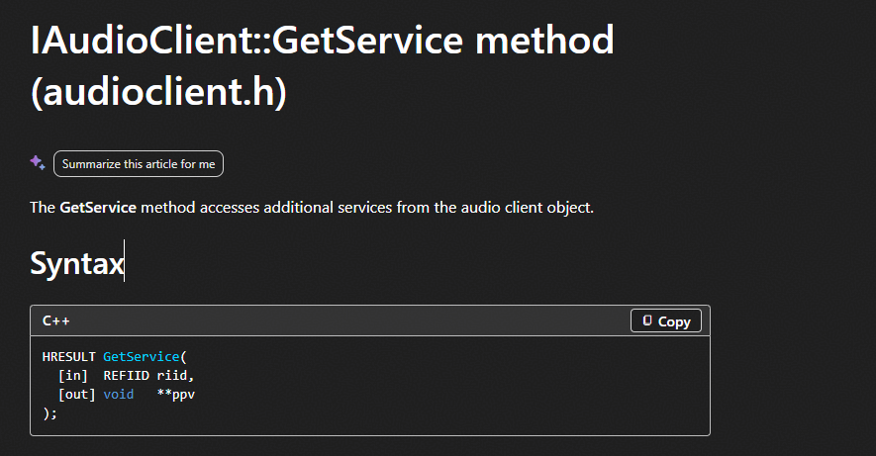 |  | IAudioClient::GetService | 95 | Pass | Mapped | 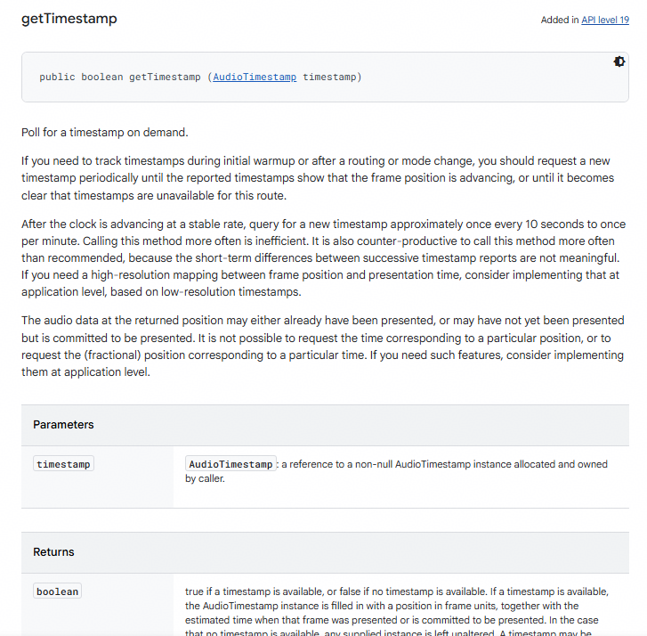 |  | android.media.AudioTrack::getTimestamp | 73 | Fail | Unmapped |  |  | AVAudioPlayer::duration | 73 | Fail | Unmapped |  |  | AVAudioPlayer::duration
35 | Eray | OH_AudioCapturer_Pause | AudioKit | AudioCapturer | two-sided | harmonyos-wearable + macos | harmonyos-wearable:1208 + macos:207 | verb =; doc unavailable; x1.00 | emergent | 64.9 | Fail | Unmapped | 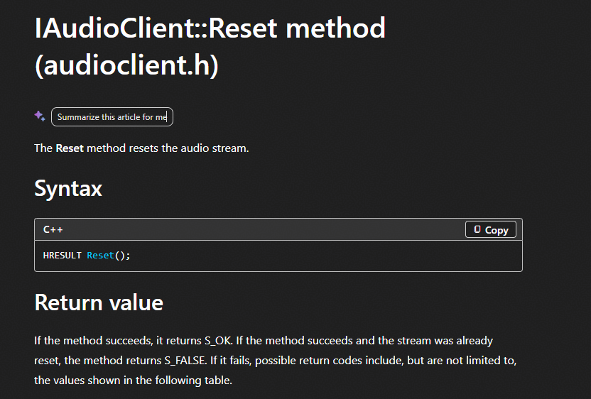 |  | IAudioClient::Reset | 95 | Pass | Mapped | 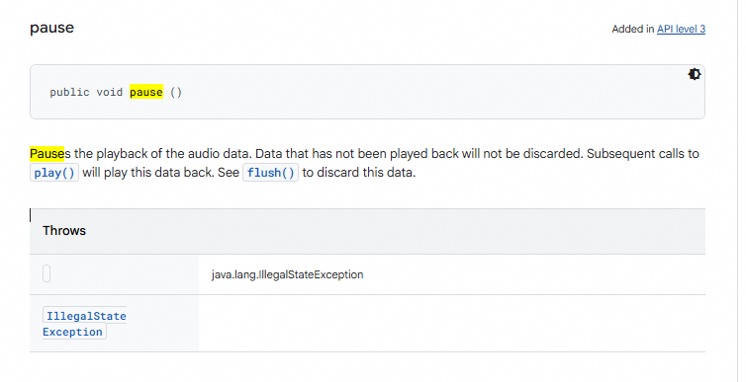 |  | android.media.AudioTrack::pause | 95 | Pass | Mapped | 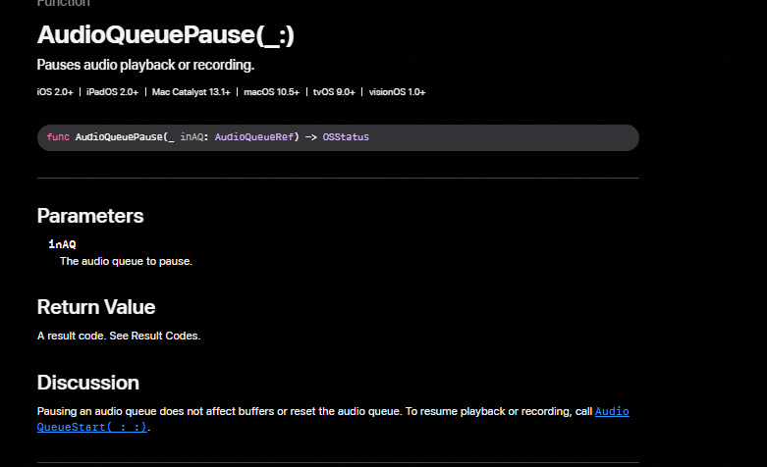 |  | AudioQueuePause | 95 | Pass | Mapped |  |  | AudioQueuePause
36 | Eray | OH_AudioCapturer_Release | AudioKit | AudioCapturer | two-sided | harmonyos-wearable + macos | harmonyos-wearable:1210 + macos:209 | verb =; doc unavailable; x1.00 | mechanism | 73.3 |  |  |  |  | IAudioClient::Start | 95 |  |  |  |  | android.media.AudioTrack::release | 73.3 |  |  |  |  | AudioQueuePause | 73.3 |  |  |  |  | AudioQueuePause
37 | Eray | OH_AudioCapturer_Stop | AudioKit | AudioCapturer | two-sided | harmonyos-wearable + macos | harmonyos-wearable:1217 + macos:912 | verb =; doc unavailable; x1.00 | mechanism | 77 |  |  |  |  | IAudioClient::Stop | 95 |  |  |  |  | android.media.AudioTrack::stop | 77 |  |  |  |  | AVAudioPlayer::stop | 77 |  |  |  |  | AVAudioPlayer::stop
38 | Eray | OH_LowPowerVideoSink_Configure | MediaKit | LowPowerVideoSink | two-sided | harmonyos-wearable + macos | harmonyos-wearable:674 + macos:213 | verb =; doc unavailable; x1.00 | mechanism | 73.3 |  |  |  |  | IMFMediaSession::Start | 95 |  |  |  |  | android.media.MediaCodec::configure | 73.4 |  |  |  |  | CMVideoFormatDescriptionCreate | 73.4 |  |  |  |  | CMVideoFormatDescriptionCreate
39 | Eray | OH_LowPowerVideoSink_Flush | MediaKit | LowPowerVideoSink | two-sided | harmonyos-wearable + macos | harmonyos-wearable:679 + macos:217 | verb =; doc unavailable; x1.00 | mechanism | 77 |  |  |  |  | IMFStreamSink::Flush | 95 |  |  |  |  | android.media.MediaCodec::flush | 73 |  |  |  |  | CMVideoFormatDescriptionCreate | 73 |  |  |  |  | CMVideoFormatDescriptionCreate
40 | Eray | OH_LowPowerVideoSink_Pause | MediaKit | LowPowerVideoSink | two-sided | harmonyos-wearable + macos | harmonyos-wearable:685 + macos:223 | verb =; doc 0.17 [paus]; x1.05 | mechanism | 95 |  |  |  |  | IMFClockStateSink::OnClockPause | 95 |  |  |  |  | android.media.MediaRecorder::pause | 73 |  |  |  |  | CMVideoFormatDescriptionCreate | 73 |  |  |  |  | CMVideoFormatDescriptionCreate
41 | Eray | OH_LowPowerVideoSink_Prepare | MediaKit | LowPowerVideoSink | two-sided | harmonyos-wearable + macos | harmonyos-wearable:687 + macos:225 | verb =; doc unavailable; x1.00 | mechanism | 73.3 |  |  |  |  | IMFMediaSession::Start | 95 |  |  |  |  | android.media.MediaRecorder::prepare | 73.3 |  |  |  |  | CMVideoFormatDescriptionCreate | 73.3 |  |  |  |  | CMVideoFormatDescriptionCreate
42 | Eray | OH_LowPowerVideoSink_Reset | MediaKit | LowPowerVideoSink | two-sided | harmonyos-wearable + macos | harmonyos-wearable:693 + macos:227 | verb =; doc unavailable; x1.00 | mechanism | 73.4 |  |  |  |  | IMFMediaSession::Start | 95 |  |  |  |  | android.media.MediaCodec::reset | 73 |  |  |  |  | CMVideoFormatDescriptionCreate | 73 |  |  |  |  | CMVideoFormatDescriptionCreate
43 | Eray | OH_LowPowerVideoSink_Resume | MediaKit | LowPowerVideoSink | two-sided | harmonyos-wearable + macos | harmonyos-wearable:695 + macos:229 | verb =; doc unavailable; x1.00 | mechanism | 73.4 |  |  |  |  | IMFMediaSession::Start | 95 |  |  |  |  | android.media.MediaRecorder::resume | 73 |  |  |  |  | CMVideoFormatDescriptionCreate | 73 |  |  |  |  | CMVideoFormatDescriptionCreate
44 | Eray | OH_LowPowerVideoSink_Stop | MediaKit | LowPowerVideoSink | two-sided | harmonyos-wearable + macos | harmonyos-wearable:713 + macos:233 | verb =; doc 0.15 [stop]; x1.03 | mechanism | 95 |  |  |  |  | IMFClockStateSink::OnClockStop | 95 |  |  |  |  | android.media.MediaCodec::stop | 73 |  |  |  |  | CMVideoFormatDescriptionCreate | 73 |  |  |  |  | CMVideoFormatDescriptionCreate
45 | Eray | OH_AudioCodec_Configure | AVCodecKit | AudioCodec | two-sided | harmonyos-wearable + macos | harmonyos-wearable:909 + macos:235 | verb =; doc unavailable; x1.00 | mechanism | 73 |  |  |  |  | ID3D12VideoDecodeCommandList::Reset | 95 |  |  |  |  | android.media.MediaCodec::configure | 73.2 |  |  |  |  | AudioCodecReset | 73.2 |  |  |  |  | AudioCodecReset
46 | Eray | OH_AudioCodec_Flush | AVCodecKit | AudioCodec | two-sided | harmonyos-wearable + macos | harmonyos-wearable:915 + macos:243 | verb =; doc unavailable; x1.00 | mechanism | 73 |  |  |  |  | ID3D12VideoDecodeCommandList::Reset | 95 |  |  |  |  | android.media.MediaCodec::flush | 74 |  |  |  |  | AudioCodecReset | 74 |  |  |  |  | AudioCodecReset
47 | Eray | OH_AudioCodec_Reset | AVCodecKit | AudioCodec | two-sided | harmonyos-wearable + macos | harmonyos-wearable:931 + macos:261 | verb =; doc 0.09 [reset]; x1.00 | mechanism | 95 |  |  |  |  | ID3D12VideoDecodeCommandList::Reset | 95 |  |  |  |  | android.media.MediaCodec::reset | 95 |  |  |  |  | AudioCodecReset | 95 |  |  |  |  | AudioCodecReset
48 | Eray | OH_AudioCodec_Start | AVCodecKit | AudioCodec | two-sided | harmonyos-wearable + macos | harmonyos-wearable:937 + macos:267 | verb =; doc unavailable; x1.00 | mechanism | 73 |  |  |  |  | ID3D12VideoDecodeCommandList::BeginQuery | 95 |  |  |  |  | android.media.MediaCodec::start | 73 |  |  |  |  | AudioCodecReset | 73 |  |  |  |  | AudioCodecReset
49 | Eray | OH_AudioCodec_Stop | AVCodecKit | AudioCodec | two-sided | harmonyos-wearable + macos | harmonyos-wearable:939 + macos:269 | verb =; doc unavailable; x1.00 | mechanism | 73 |  |  |  |  | ID3D12VideoDecodeCommandList::Reset | 95 |  |  |  |  | android.media.MediaCodec::stop | 73 |  |  |  |  | AudioCodecReset | 73 |  |  |  |  | AudioCodecReset
50 | Eray | OH_AVRecorder_Pause | MediaKit | AVRecorder | two-sided | harmonyos-wearable + macos | harmonyos-wearable:174 + macos:1753 | verb =; doc 0.23 [paus]; x1.07 | direct | 95 |  |  |  |  | IMFMediaSession::Pause | 95 |  |  |  |  | android.media.MediaRecorder::pause | 95 |  |  |  |  | MPMediaPlayback::pause | 95 |  |  |  |  | MPMediaPlayback::pause
51 | Eray | OH_AVRecorder_Prepare | MediaKit | AVRecorder | two-sided | harmonyos-wearable + macos | harmonyos-wearable:176 + macos:1755 | verb =; doc unavailable; x1.00 | emergent | 64.9 |  |  |  |  | IMFMediaSession::Close | 95 |  |  |  |  | android.media.MediaRecorder::prepare | 83.6 |  |  |  |  | MPMediaPlayback::prepareToPlay | 83.6 |  |  |  |  | MPMediaPlayback::prepareToPlay
52 | Eray | OH_AVRecorder_Release | MediaKit | AVRecorder | two-sided | harmonyos-wearable + macos | harmonyos-wearable:178 + macos:1815 | verb =; doc unavailable; x1.00 | mechanism | 74.5 |  |  |  |  | IMFMediaSession::Close | 95 |  |  |  |  | android.media.MediaRecorder::release | 73 |  |  |  |  | MPMusicPlayerMediaItemQueueDescriptor::query | 73 |  |  |  |  | MPMusicPlayerMediaItemQueueDescriptor::query
53 | Furkan | OH_AVRecorder_Reset | MediaKit | AVRecorder | two-sided | harmonyos-wearable + macos | harmonyos-wearable:180 + macos:291 | verb =; doc unavailable; x1.00 | mechanism | 66.9 |  |  |  |  | IMFPMediaPlayer::GetState | 95 |  |  |  |  | android.media.MediaRecorder::reset | 95 |  |  |  |  | CMBufferQueueReset | 95 |  |  |  |  | CMBufferQueueReset
54 | Furkan | OH_AVRecorder_Resume | MediaKit | AVRecorder | two-sided | harmonyos-wearable + macos | harmonyos-wearable:182 + macos:1817 | verb =; doc unavailable; x1.00 | emergent | 64.9 | Fail |  | 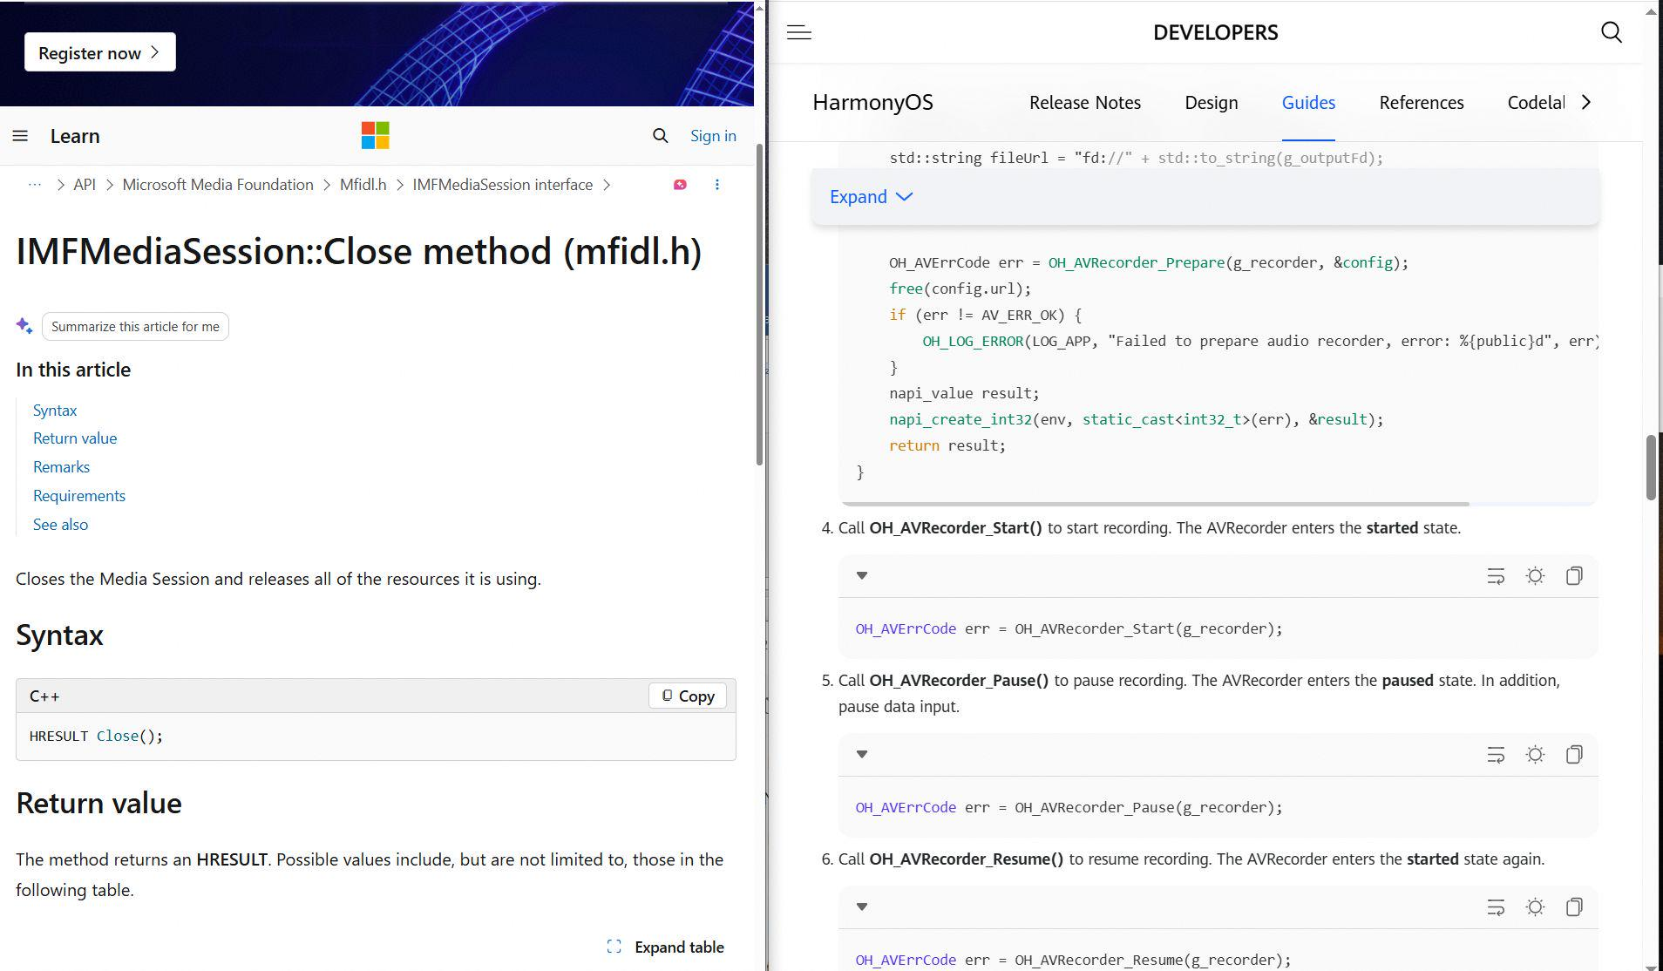 |  | IMFMediaSession::Close | 95 | Pass |  | 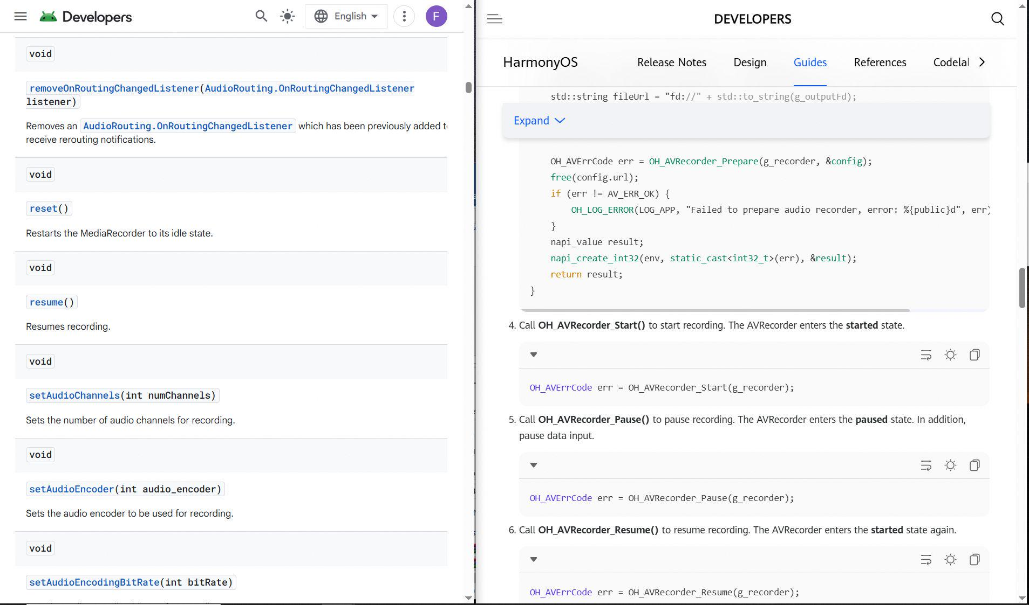 |  | android.media.MediaRecorder::resume | 73 | Fail |  | 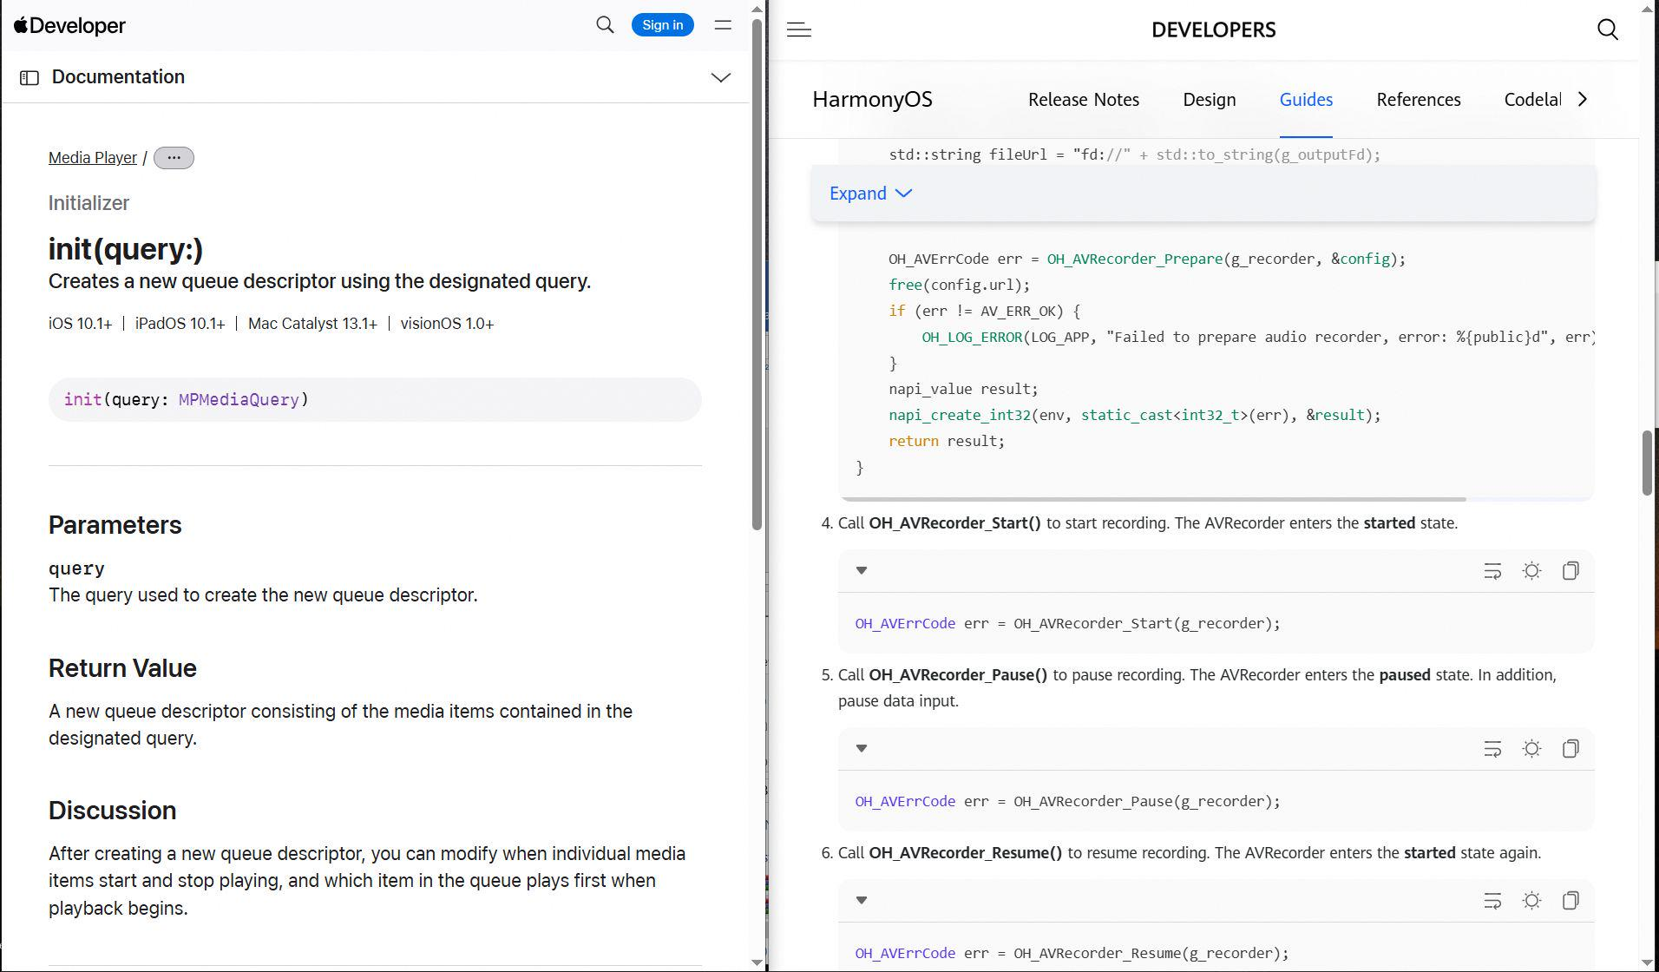 |  | MPMusicPlayerMediaItemQueueDescriptor::initWithQuery: | 73 | Fail |  |  |  | MPMusicPlayerMediaItemQueueDescriptor::initWithQuery:
55 | Furkan | OH_AVRecorder_Start | MediaKit | AVRecorder | two-sided | harmonyos-wearable + macos | harmonyos-wearable:192 + macos:1819 | verb =; doc 0.19 [start]; x1.05 | mechanism | 95 | Fail |  | 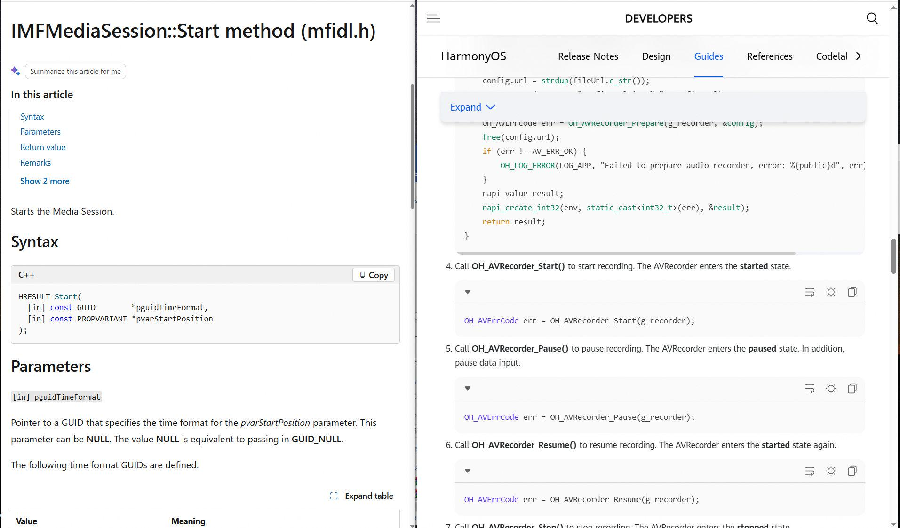 |  | IMFMediaSession::Start | 95 | Pass |  | 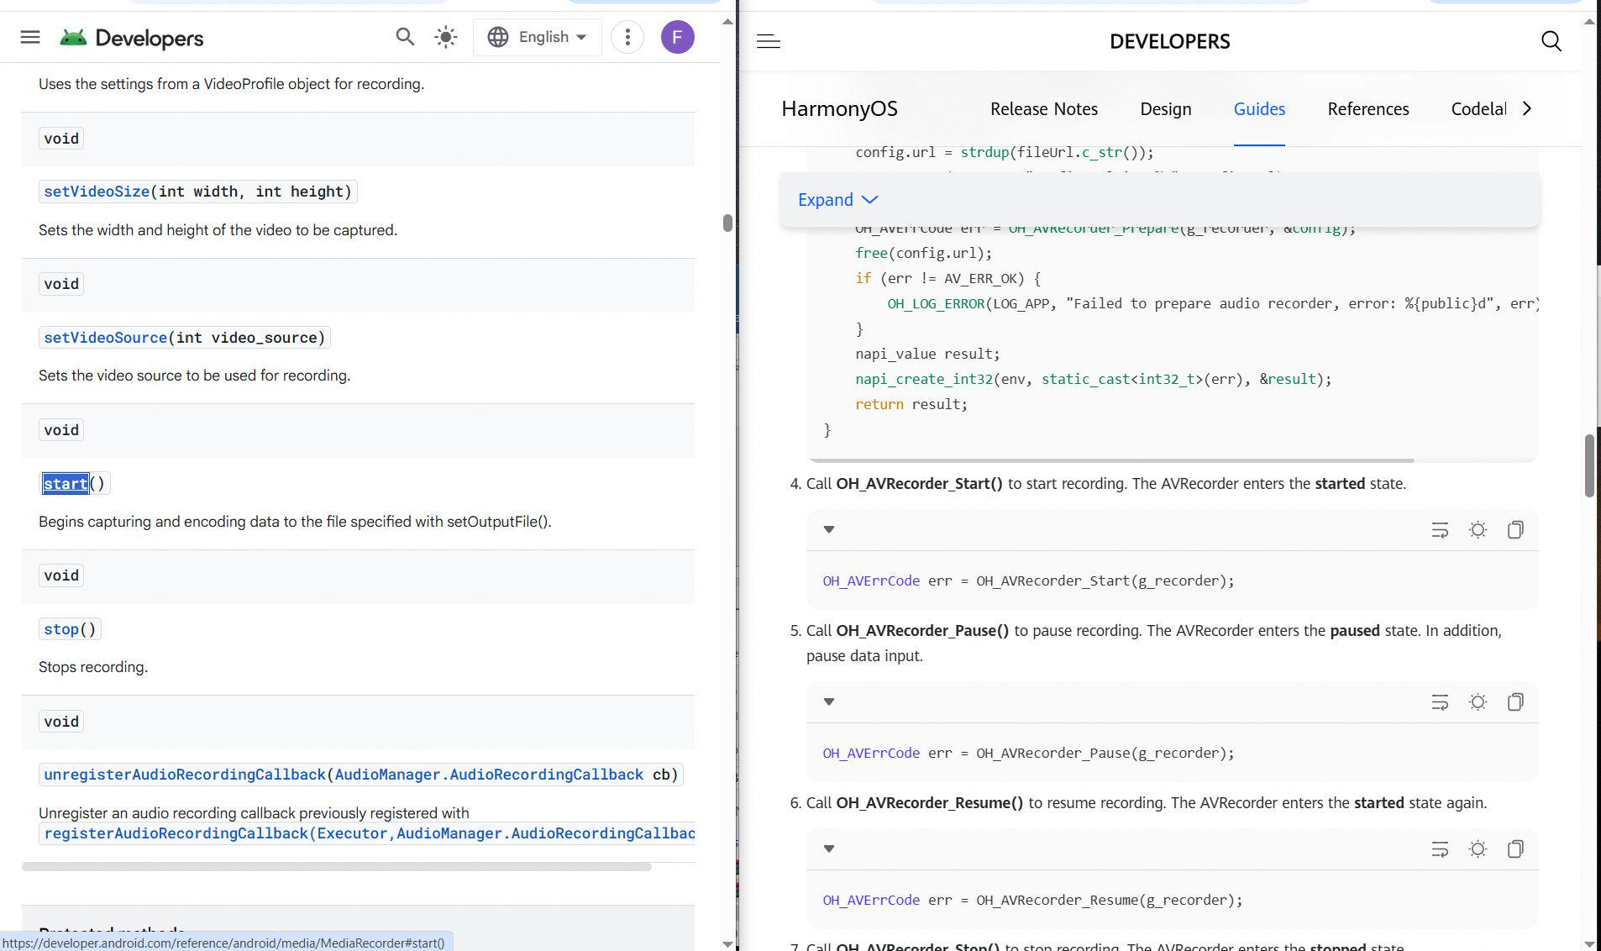 |  | android.media.MediaRecorder::start | 89 | Fail |  | 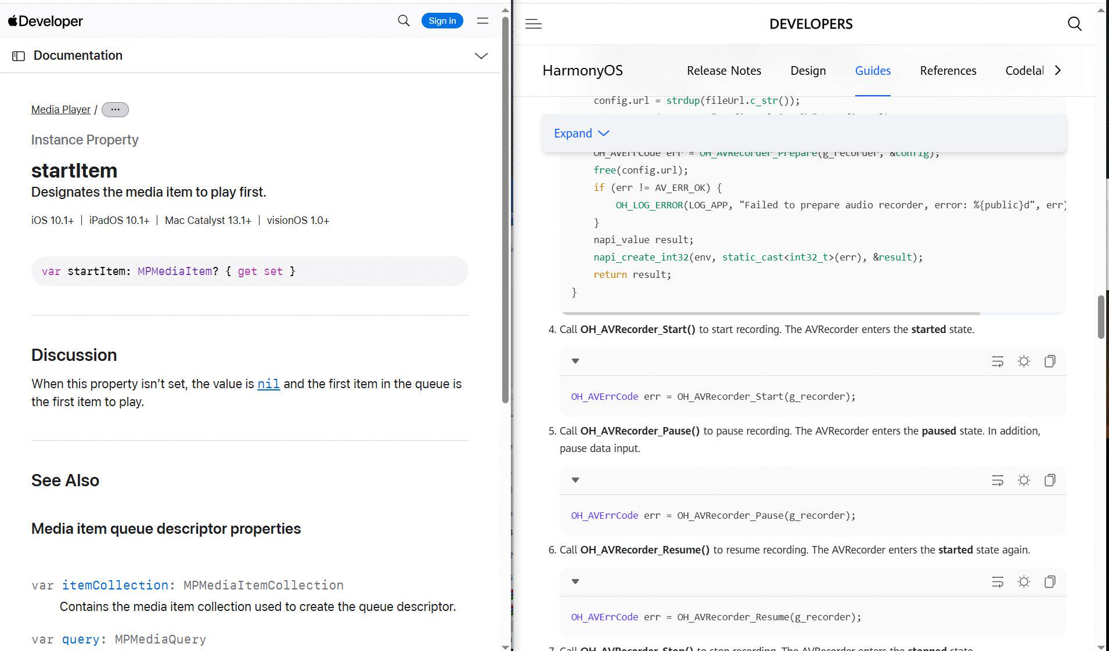 |  | MPMusicPlayerMediaItemQueueDescriptor::startItem | 89 | Fail |  |  |  | MPMusicPlayerMediaItemQueueDescriptor::startItem
56 | Furkan | OH_AVRecorder_Stop | MediaKit | AVRecorder | two-sided | harmonyos-wearable + macos | harmonyos-wearable:194 + macos:1757 | verb =; doc 0.21 [stop]; x1.07 | direct | 95 | Fail |  | 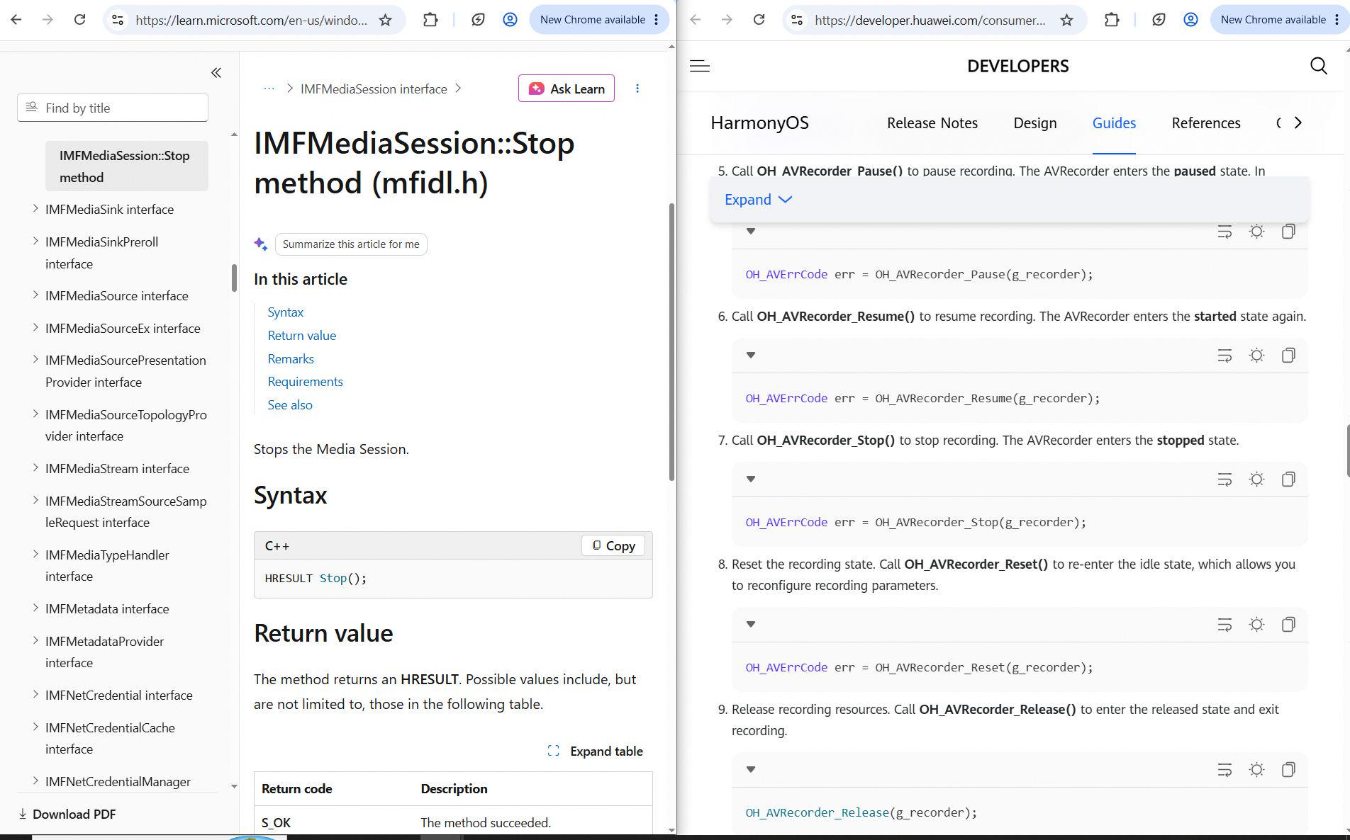 |  | IMFMediaSession::Stop | 95 | Pass |  | 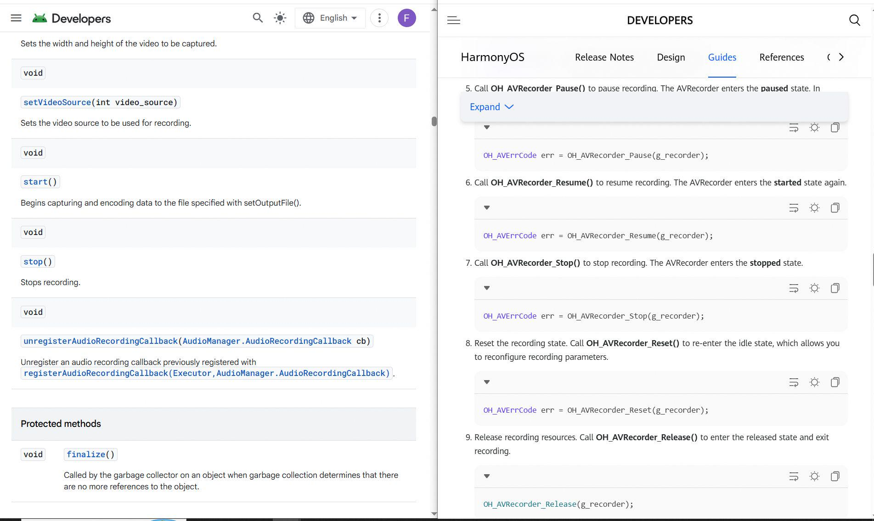 |  | android.media.MediaRecorder::stop | 95 | Fail |  | 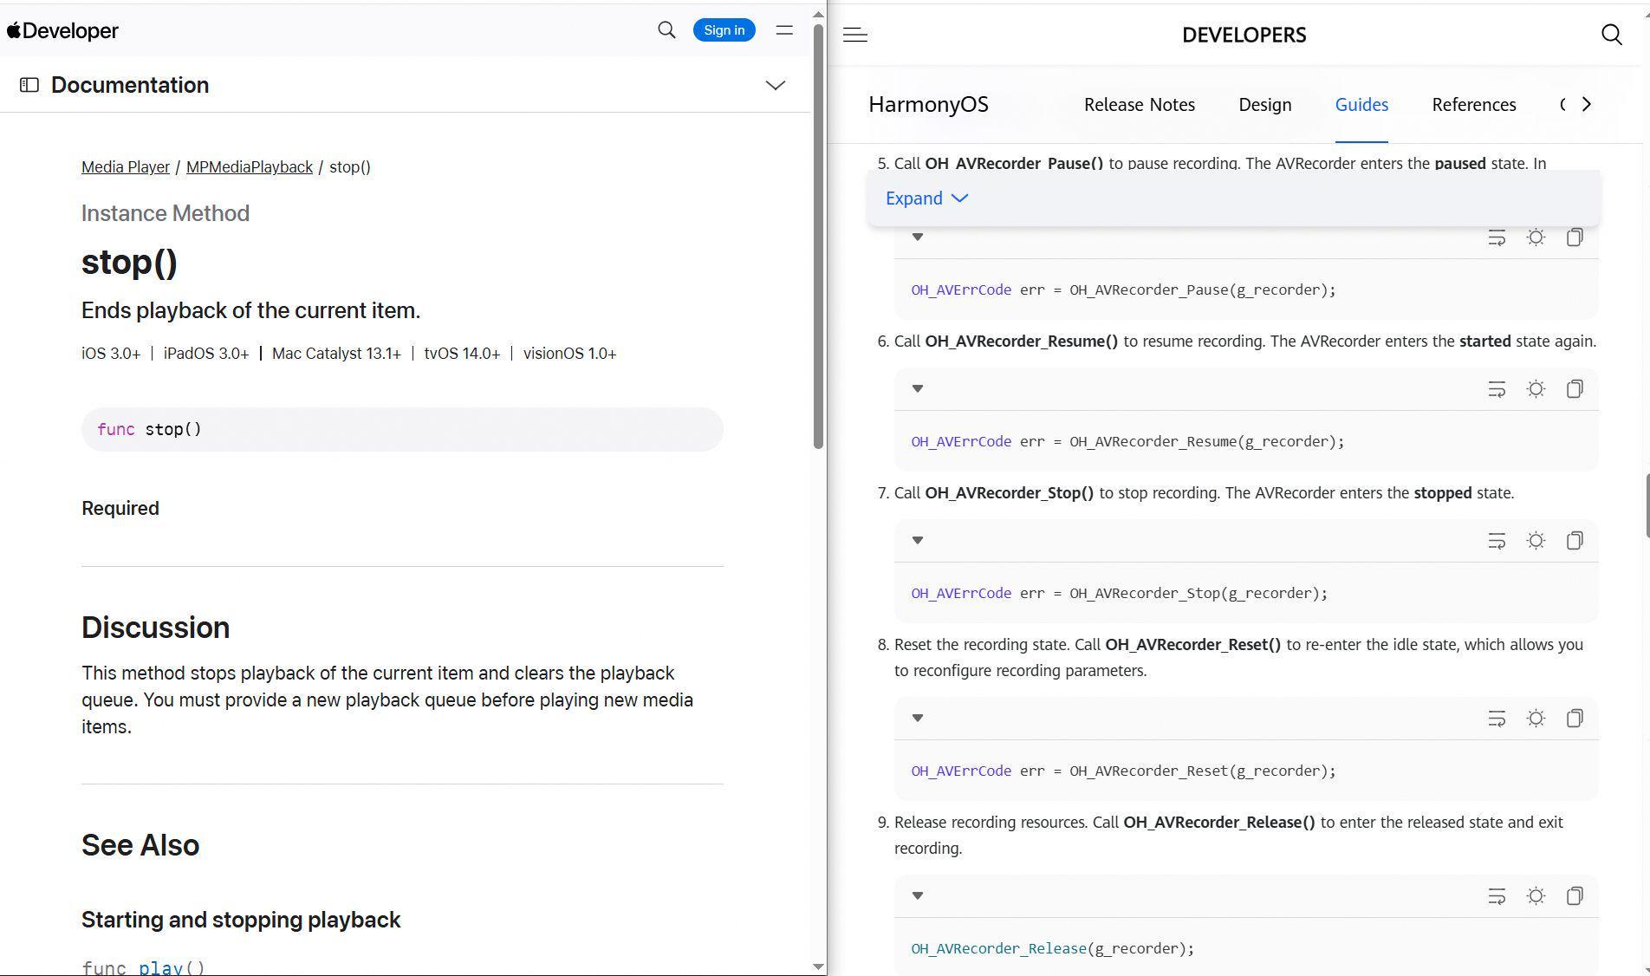 |  | MPMediaPlayback::stop | 95 | Fail |  |  |  | MPMediaPlayback::stop
57 | Furkan | OH_LowPowerAudioSink_Flush | MediaKit | LowPowerAudioSink | two-sided | harmonyos-wearable + macos | harmonyos-wearable:631 + macos:299 | verb =; doc unavailable; x1.00 | mechanism | 77 |  | Moderate | 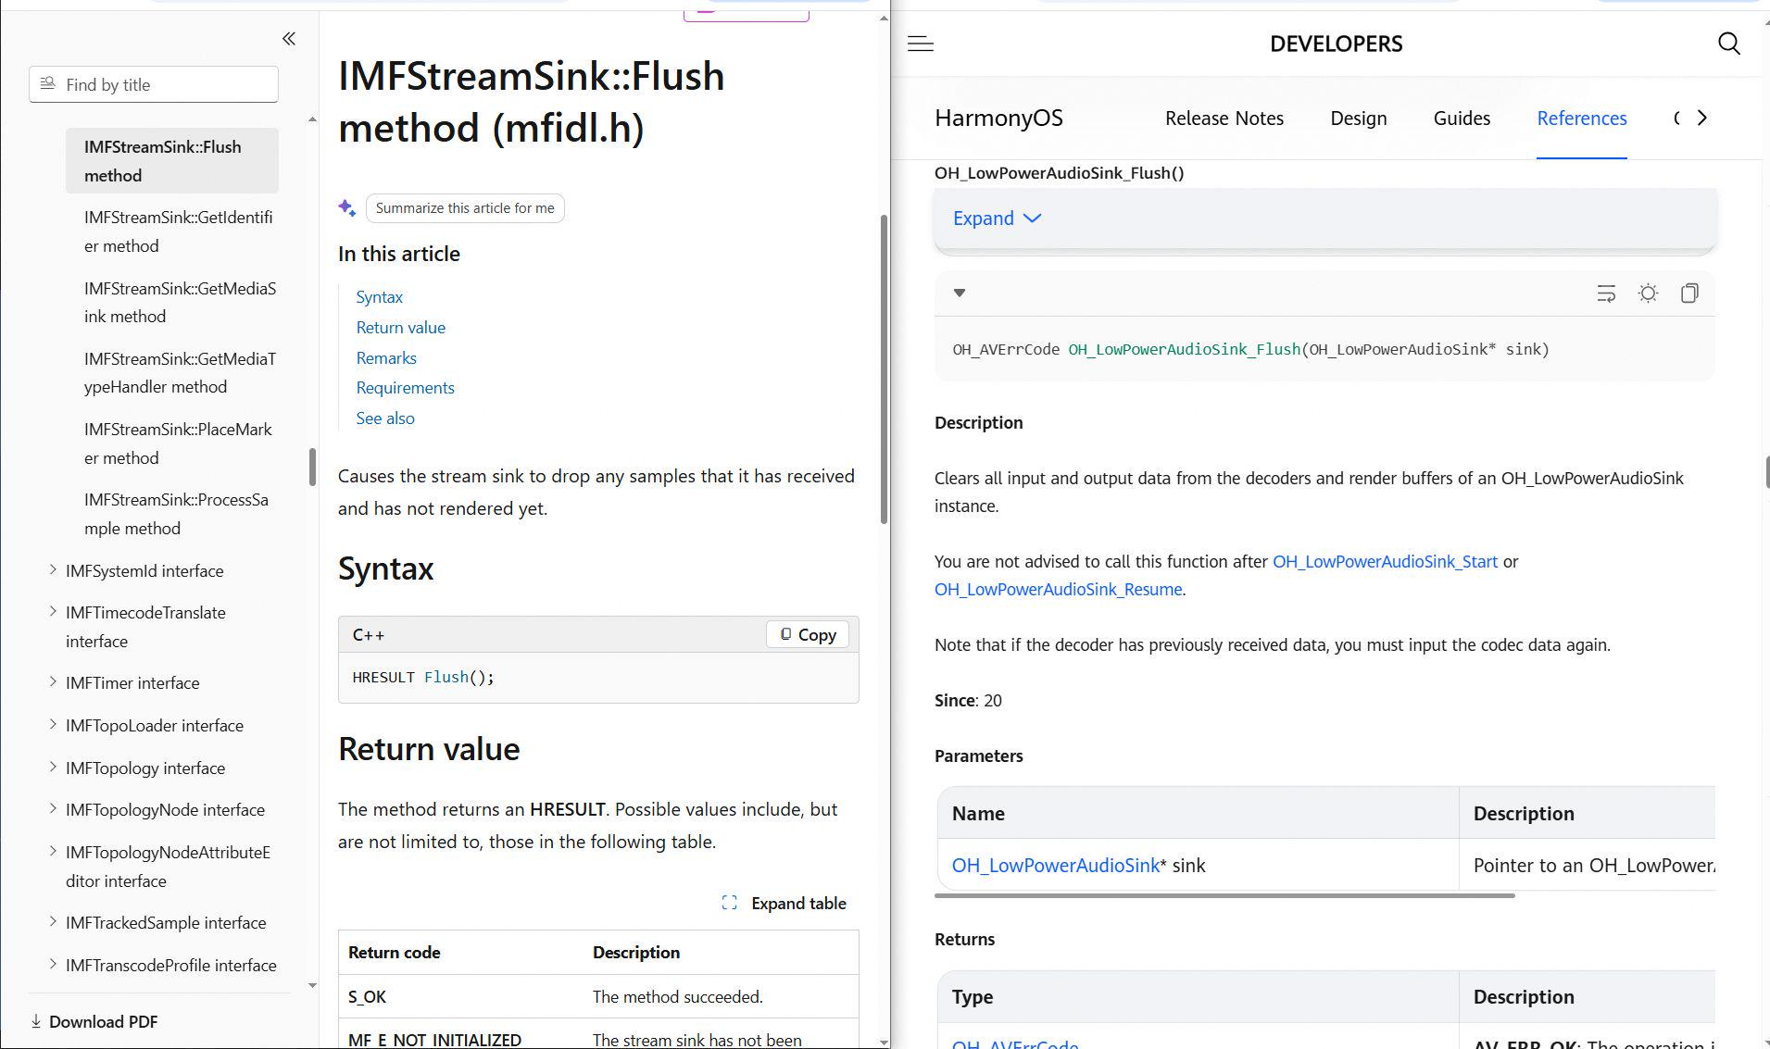 |  | IMFStreamSink::Flush | 95 | Pass |  | 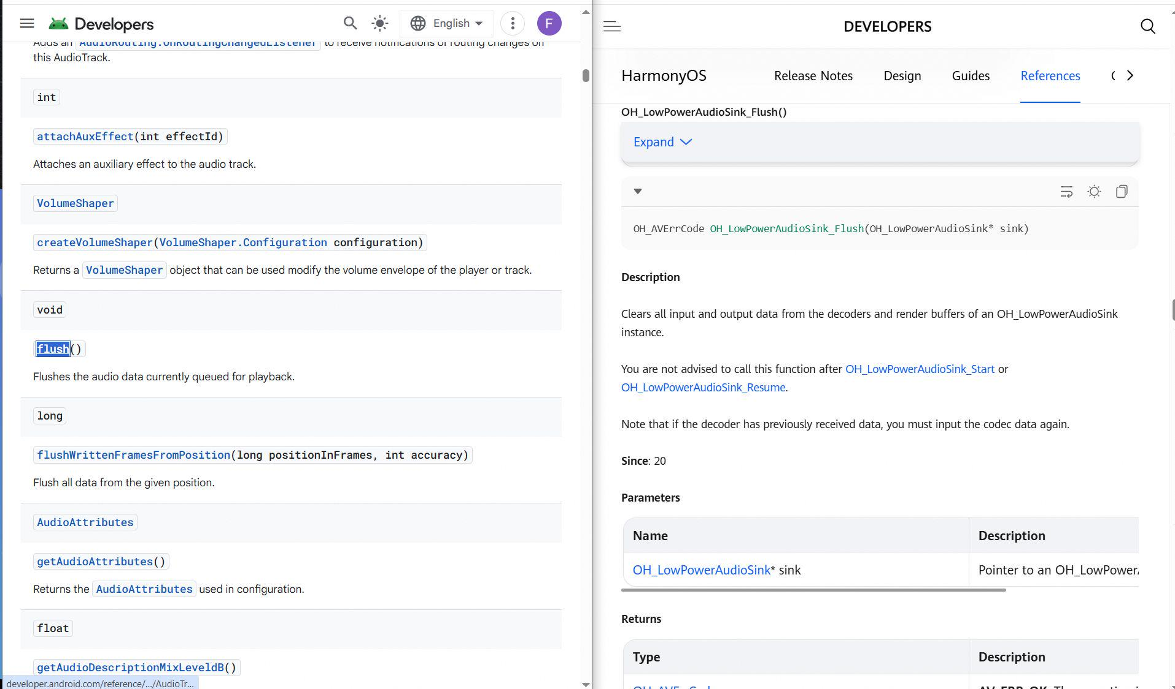 |  | android.media.AudioTrack::flush | 73 | Fail |  | 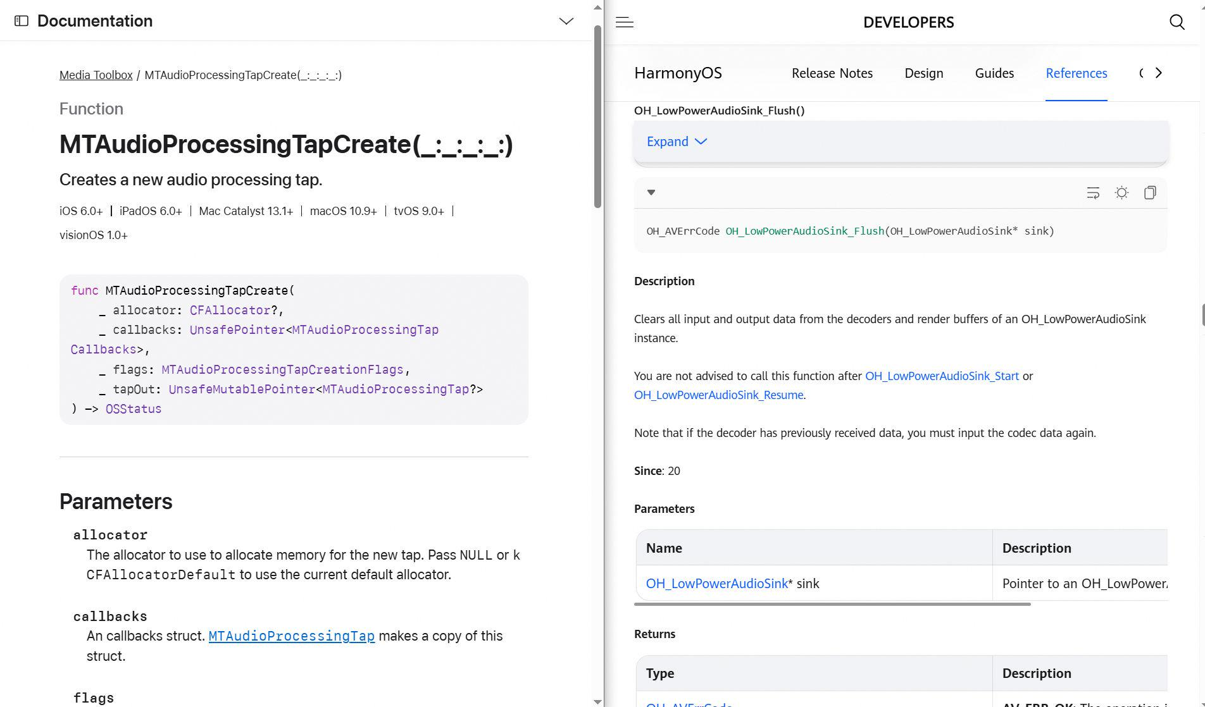 |  | MTAudioProcessingTapCreate | 73 | Fail |  |  |  | MTAudioProcessingTapCreate
58 | Furkan | OH_LowPowerAudioSink_Pause | MediaKit | LowPowerAudioSink | two-sided | harmonyos-wearable + macos | harmonyos-wearable:635 + macos:303 | verb =; doc 0.17 [paus]; x1.05 | mechanism | 95 | Fail |  | 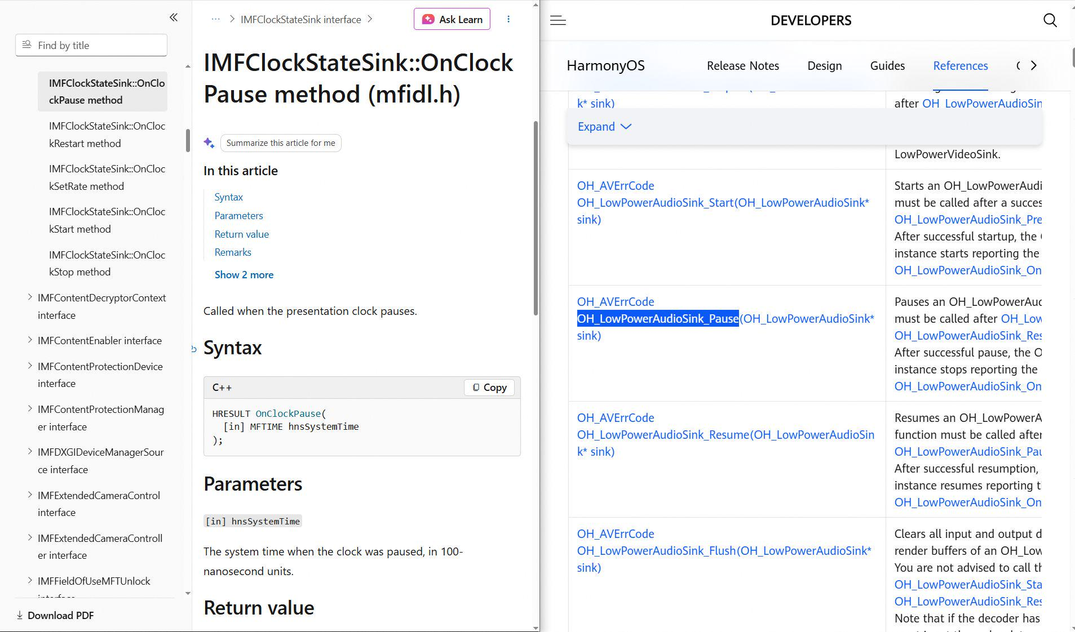 |  | IMFClockStateSink::OnClockPause | 95 | Pass |  | 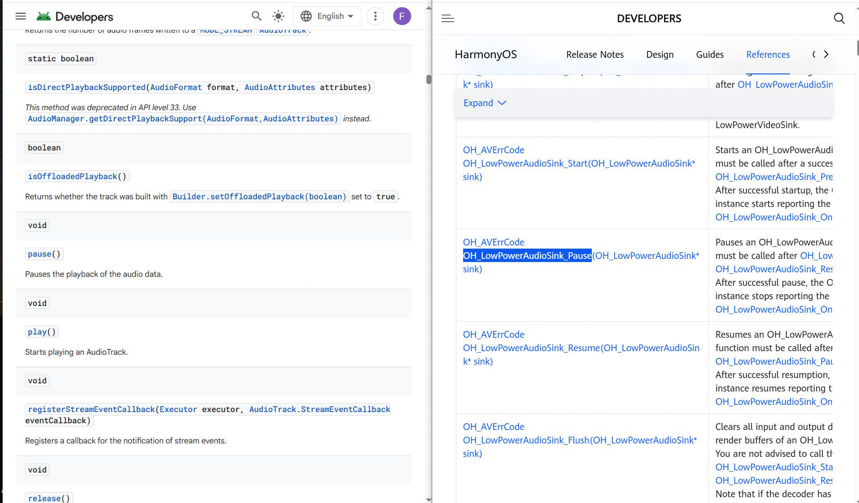 |  | android.media.AudioTrack::pause | 73 | Fail |  | 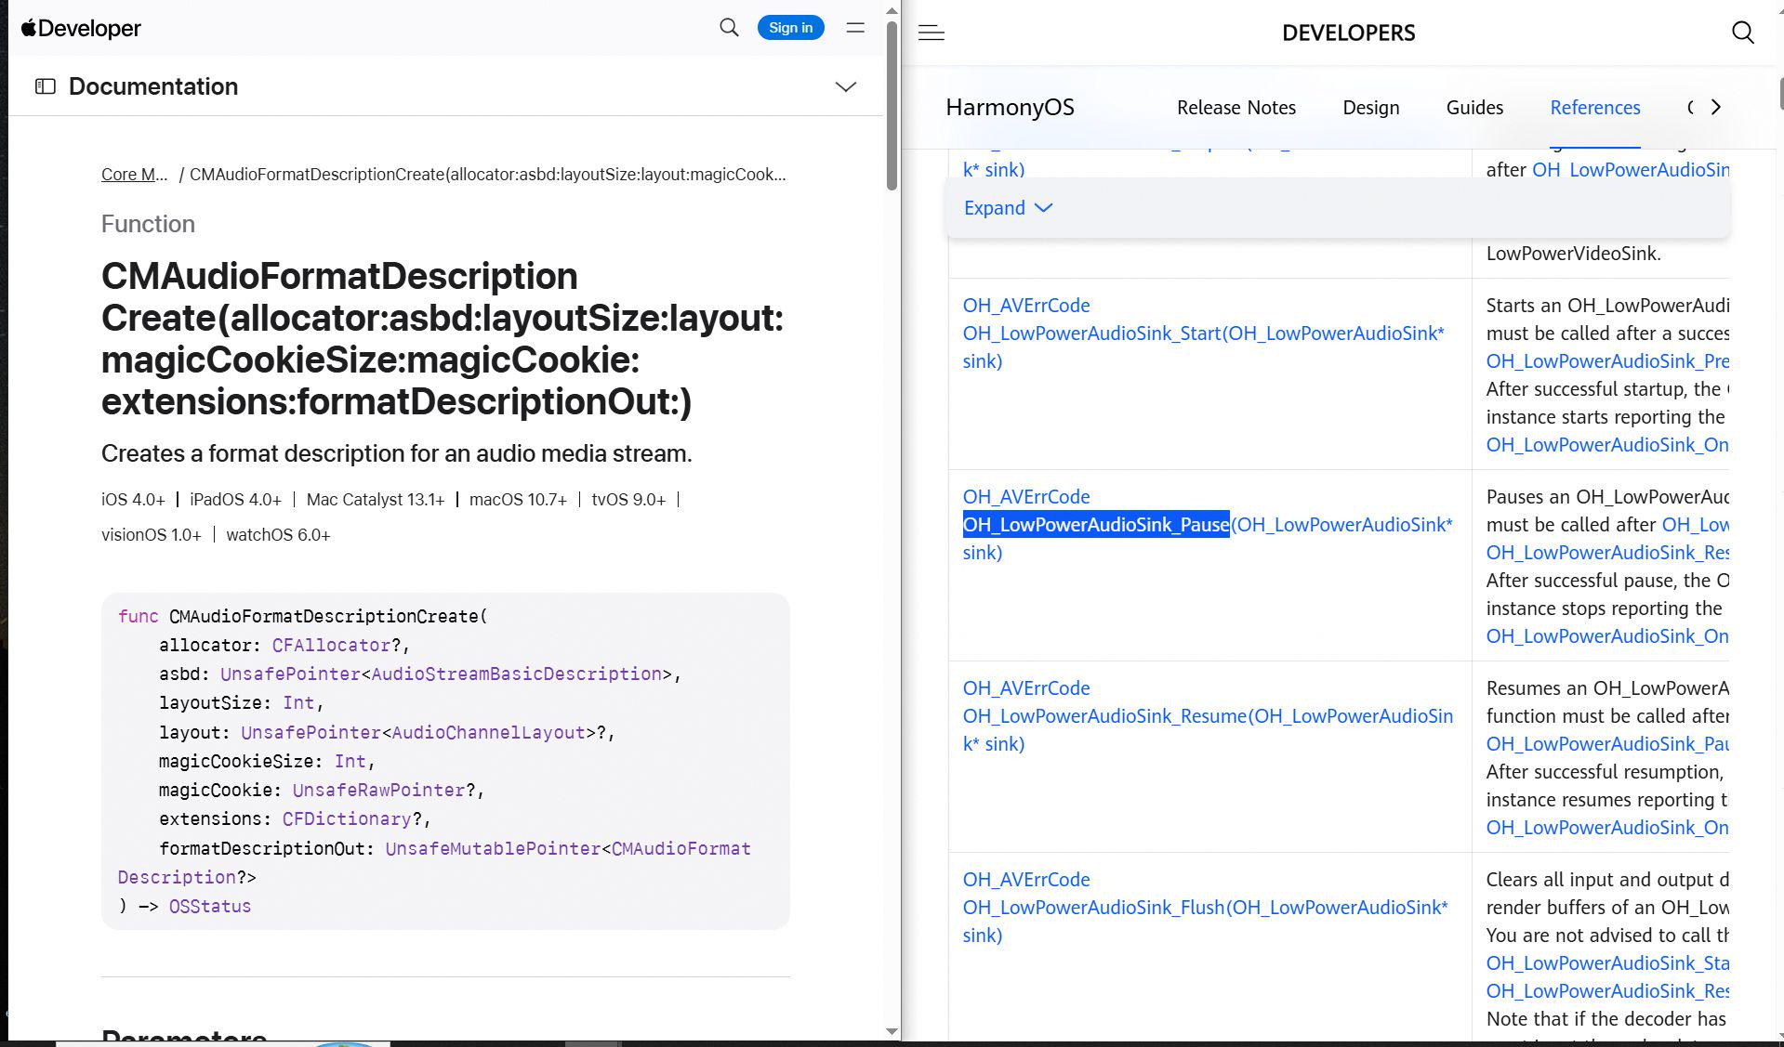 |  | CMAudioFormatDescriptionCreate | 73 | Fail |  |  |  | CMAudioFormatDescriptionCreate
59 | Furkan | OH_LowPowerAudioSink_Prepare | MediaKit | LowPowerAudioSink | two-sided | harmonyos-wearable + macos | harmonyos-wearable:637 + macos:305 | verb =; doc unavailable; x1.00 | mechanism | 73.2 |  |  |  |  | IMFMediaSession::Start | 95 |  |  |  |  | android.media.MediaRecorder::prepare | 73 |  |  |  |  | MTAudioProcessingTapCreate | 73 |  |  |  |  | MTAudioProcessingTapCreate
60 | Furkan | OH_LowPowerAudioSink_Reset | MediaKit | LowPowerAudioSink | two-sided | harmonyos-wearable + macos | harmonyos-wearable:641 + macos:1240 | verb =; doc unavailable; x1.00 | mechanism | 73.4 |  |  |  |  | IMFMediaSession::Start | 95 |  |  |  |  | android.media.MediaRecorder::reset | 82.5 |  |  |  |  | AVCaptureSpatialAudioMetadataSampleGenerator::resetAnalyzer | 82.5 |  |  |  |  | AVCaptureSpatialAudioMetadataSampleGenerator::resetAnalyzer
61 | Furkan | OH_LowPowerAudioSink_Resume | MediaKit | LowPowerAudioSink | two-sided | harmonyos-wearable + macos | harmonyos-wearable:643 + macos:307 | verb =; doc unavailable; x1.00 | mechanism | 73.4 |  |  |  |  | IMFMediaSession::Start | 95 |  |  |  |  | android.media.MediaRecorder::resume | 73 |  |  |  |  | CMAudioFormatDescriptionCreate | 73 |  |  |  |  | CMAudioFormatDescriptionCreate
62 | Furkan | OH_LowPowerAudioSink_SetVolume | MediaKit | LowPowerAudioSink | two-sided | harmonyos-wearable + macos | harmonyos-wearable:653 + macos:1383 | verb =; nouns audio; doc unavailable; x1.00 | mechanism | 79.9 |  |  |  |  | IMFSimpleAudioVolume::SetMasterVolume | 95 |  |  |  |  | android.media.AudioTrack::setVolume | 85.7 |  |  |  |  | AVMutableAudioMixInputParameters::setVolume:atTime: | 73 |  |  |  |  | MTAudioProcessingTapGetSourceAudio
63 | Furkan | OH_LowPowerAudioSink_Start | MediaKit | LowPowerAudioSink | two-sided | harmonyos-wearable + macos | harmonyos-wearable:655 + macos:313 | verb =; doc 0.12 [start]; x1.02 | mechanism | 95 |  |  |  |  | IMFClockStateSink::OnClockStart | 95 |  |  |  |  | android.media.MediaRecorder::start | 73 |  |  |  |  | CMAudioFormatDescriptionCreate | 73 |  |  |  |  | CMAudioClockCreate
64 | Furkan | OH_LowPowerAudioSink_Stop | MediaKit | LowPowerAudioSink | two-sided | harmonyos-wearable + macos | harmonyos-wearable:657 + macos:315 | verb =; doc 0.15 [stop]; x1.03 | mechanism | 95 |  |  |  |  | IMFClockStateSink::OnClockStop | 95 |  |  |  |  | android.media.AudioTrack::stop | 73 |  |  |  |  | CMAudioFormatDescriptionCreate | 73 |  |  |  |  | CMAudioFormatDescriptionCreate
65 | Furkan | OH_EffectBufferInfo_GetHeight | ImageKit | EffectBufferInfo | two-sided | harmonyos-wearable + macos | harmonyos-wearable:253 + macos:352 | verb =; nouns height; doc unavailable; x1.00 | emergent | 37.7 |  |  |  |  | IWICMetadataWriterInfo::GetHeader | 95 |  |  |  |  | android.media.Image::getHeight | 80.6 |  |  |  |  | CVPixelBufferGetHeight | 80.6 |  |  |  |  | CVPixelBufferGetHeight
66 | Furkan | OH_EffectBufferInfo_GetTimestamp | ImageKit | EffectBufferInfo | two-sided | harmonyos-wearable + android | harmonyos-wearable:258 + android:815 | verb =; nouns timing; doc unavailable; x1.00 | emergent | 37.7 |  |  |  |  | IWICMetadataWriterInfo::GetHeader | 95 |  |  |  |  | android.media.Image::getTimestamp | 0 |  |  |  |  |  | 0
67 | Furkan | OH_EffectBufferInfo_GetWidth | ImageKit | EffectBufferInfo | two-sided | harmonyos-wearable + macos | harmonyos-wearable:260 + macos:358 | verb =; nouns width; doc unavailable; x1.00 | emergent | 37.7 |  |  |  |  | IWICMetadataWriterInfo::GetHeader | 95 |  |  |  |  | android.media.Image::getWidth | 80.5 |  |  |  |  | CVPixelBufferGetWidth | 80.5 |  |  |  |  | CVPixelBufferGetWidth
68 | Furkan | OH_PixelmapInitializationOptions_GetHeight | ImageKit | PixelmapInitializationOptions | two-sided | harmonyos-wearable + macos | harmonyos-wearable:2016 + macos:376 | verb =; nouns height; doc unavailable; x1.00 | mechanism | 44.4 |  |  |  |  | IWICBitmapLock::GetSize | 95 |  |  |  |  | android.graphics.Bitmap::getHeight | 80.4 |  |  |  |  | CVPixelBufferGetHeight | 80.4 |  |  |  |  | CVPixelBufferGetHeight
69 | Furkan | OH_PixelmapInitializationOptions_GetWidth | ImageKit | PixelmapInitializationOptions | two-sided | harmonyos-wearable + macos | harmonyos-wearable:2023 + macos:384 | verb =; nouns width; doc unavailable; x1.00 | mechanism | 44.4 |  |  |  |  | IWICBitmapLock::GetSize | 95 |  |  |  |  | android.graphics.Bitmap::getWidth | 80.4 |  |  |  |  | CVPixelBufferGetWidth | 80.4 |  |  |  |  | CVPixelBufferGetWidth
70 | Furkan | OH_ImageProcessing_Create | ImageKit | ImageProcessing | two-sided | harmonyos-pc + macos | harmonyos-pc:475 + macos:400 | verb =; doc 0.07 [example, creat]; x1.00 | mechanism | 66.8 |  |  |  |  | WICGifImageDescriptorProperties | 67.5 |  |  |  |  | android.graphics.ImageDecoder::createSource | 95 |  |  |  |  | CGImageMetadataTagCreate | 95 |  |  |  |  | CGImageMetadataTagCreate
71 | Furkan | OH_AVMetadataExtractor_Release | MediaKit | AVMetadataExtractor | two-sided | harmonyos-wearable + macos | harmonyos-wearable:48 + macos:1390 | verb =; doc unavailable; x1.00 | emergent | 59.7 |  |  |  |  | IMFMetadata::DeleteProperty | 95 |  |  |  |  | android.media.MediaExtractor::release | 66.6 |  |  |  |  | AVMutableMetadataItem::key | 66.6 |  |  |  |  | AVMutableMetadataItem::key
72 | Furkan | OH_VideoProcessing_Create | MediaKit | VideoProcessing | two-sided | harmonyos-pc + windows | harmonyos-pc:2289 + windows:49 | verb =; doc 0.07 [video, creat]; x1.00 | mechanism | 65.8 |  |  |  |  | MFCreateVideoSampleAllocatorEx | 82.6 |  |  |  |  | android.media.MediaCodec::createByCodecName | 95 |  |  |  |  | CMVideoFormatDescriptionCreate | 95 |  |  |  |  | CMVideoFormatDescriptionCreate
73 | Furkan | OH_VideoProcessing_GetSurface | MediaKit | VideoProcessing | two-sided | harmonyos-pc + windows | harmonyos-pc:2296 + windows:55 | verb =; nouns surface; doc unavailable; x1.00 | direct | 80.2 |  |  |  |  | MFCreateVideoSampleFromSurface | 95 |  |  |  |  | android.media.MediaRecorder::getSurface | 41.5 |  |  |  |  | CMVideoFormatDescriptionGetH264ParameterSetAtIndex | 41.5 |  |  |  |  | CMVideoFormatDescriptionGetH264ParameterSetAtIndex
74 | Furkan | OH_VideoProcessing_Start | MediaKit | VideoProcessing | two-sided | harmonyos-pc + windows | harmonyos-pc:2309 + windows:61 | verb =; doc unavailable; x1.00 | mechanism | 66.8 |  |  |  |  | MFCreateVideoSampleFromSurface | 95 |  |  |  |  | android.media.MediaCodec::start | 73.1 |  |  |  |  | AVVideoCompositing::startVideoCompositionRequest: | 73.1 |  |  |  |  | AVVideoCompositing::startVideoCompositionRequest:
75 | Furkan | OH_VideoProcessing_Stop | MediaKit | VideoProcessing | two-sided | harmonyos-pc + windows | harmonyos-pc:2311 + windows:63 | verb =; doc unavailable; x1.00 | mechanism | 66.8 |  |  |  |  | MFCreateVideoSampleAllocator | 95 |  |  |  |  | android.media.MediaCodec::stop | 73 |  |  |  |  | CMVideoFormatDescriptionCreate | 73 |  |  |  |  | CMVideoFormatDescriptionCreate
76 | Furkan | OH_AudioRoutingManager_GetDevices | AudioKit | AudioRoutingManager | two-sided | harmonyos-wearable + android | harmonyos-wearable:1310 + android:468 | verb =; nouns devic; doc unavailable; x1.00 | emergent | 37.7 |  |  |  |  | IMMDeviceEnumerator::GetDevice | 95 |  |  |  |  | android.media.AudioManager::getDevices | 0 |  |  |  |  |  | 0
77 | Furkan | OH_ImagePackerNative_Release | ImageKit | ImagePackerNative | two-sided | harmonyos-wearable + macos | harmonyos-wearable:383 + macos:422 | verb =; doc unavailable; x1.00 | emergent | 59.7 |  |  |  |  | WICImageParameters | 73 |  |  |  |  | android.media.Image::close | 95 |  |  |  |  | CGImageRelease | 95 |  |  |  |  | CGImageRelease
78 | Furkan | OH_PackingOptions_Release | ImageKit | PackingOptions | two-sided | harmonyos-wearable + macos | harmonyos-wearable:417 + macos:442 | verb =; doc 0.09 [releas]; x1.00 | mechanism | 66.6 |  |  |  |  | IWICBitmapLock::GetDataPointer | 73 |  |  |  |  | android.media.ImageWriter::close | 95 |  |  |  |  | CVPixelBufferPoolRelease | 95 |  |  |  |  | CVPixelBufferPoolRelease
79 | Mert | OH_AVSession_SetAVMetadata | AVSessionKit | AVSession | two-sided | harmonyos-wearable + macos | harmonyos-wearable:1616 + macos:725 | verb =; nouns metadata; doc unavailable; x1.00 | none | 0 |  |  |  |  |  | 91 |  |  |  |  | android.media.session.MediaSession::setMetadata | 77 |  |  |  |  | AVAssetExportSession::metadata | 77 |  |  |  |  | AVAssetExportSession::metadata
80 | Mert | OH_AVSession_SetPlaybackState | AVSessionKit | AVSession | two-sided | harmonyos-wearable + macos | harmonyos-wearable:1624 + macos:1300 | verb =; nouns playback,state; doc unavailable; x1.00 | none | 0 |  |  |  |  |  | 95 |  |  |  |  | android.media.session.MediaSession::setPlaybackState | 42.4 |  |  |  |  | AVContentKeySession::setDelegate:queue: | 42.4 |  |  |  |  | AVContentKeySession::setDelegate:queue:
81 | Mert | OH_AVTranscoderConfig_Release | MediaKit | AVTranscoderConfig | two-sided | harmonyos-wearable + macos | harmonyos-wearable:202 + macos:1851 | verb =; doc unavailable; x1.00 | mechanism | 73 | Fail | Unmapped | 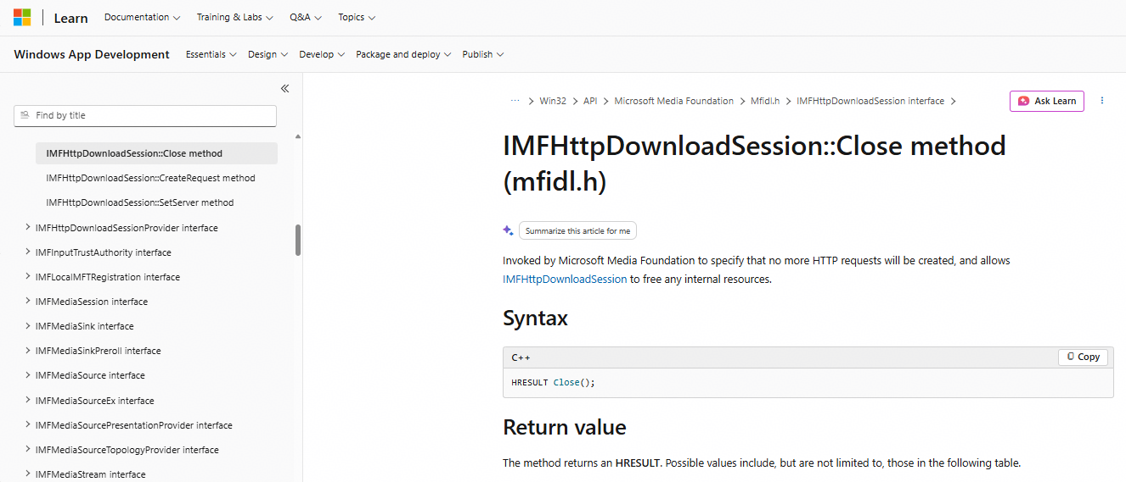 | OH_AVTranscoderConfig_Release releases a transcoder configuration object, while IMFHttpDownloadSession::Close ends an HTTP/HTTPS download session and allows internal resources to be freed; both involve cleanup, but serve different purposes. | IMFHttpDownloadSession::Close | 95 |  |  |  |  | android.media.MediaParser::release | 73 |  |  |  |  | MPMusicPlayerMediaItemQueueDescriptor::query | 73 |  |  |  |  | MPMusicPlayerMediaItemQueueDescriptor::query
82 | Mert | OH_EffectFilter_Release | ImageKit | EffectFilter | two-sided | harmonyos-wearable + macos | harmonyos-wearable:300 + macos:450 | verb =; doc unavailable; x1.00 | emergent | 64.9 | Fail | Unmapped | 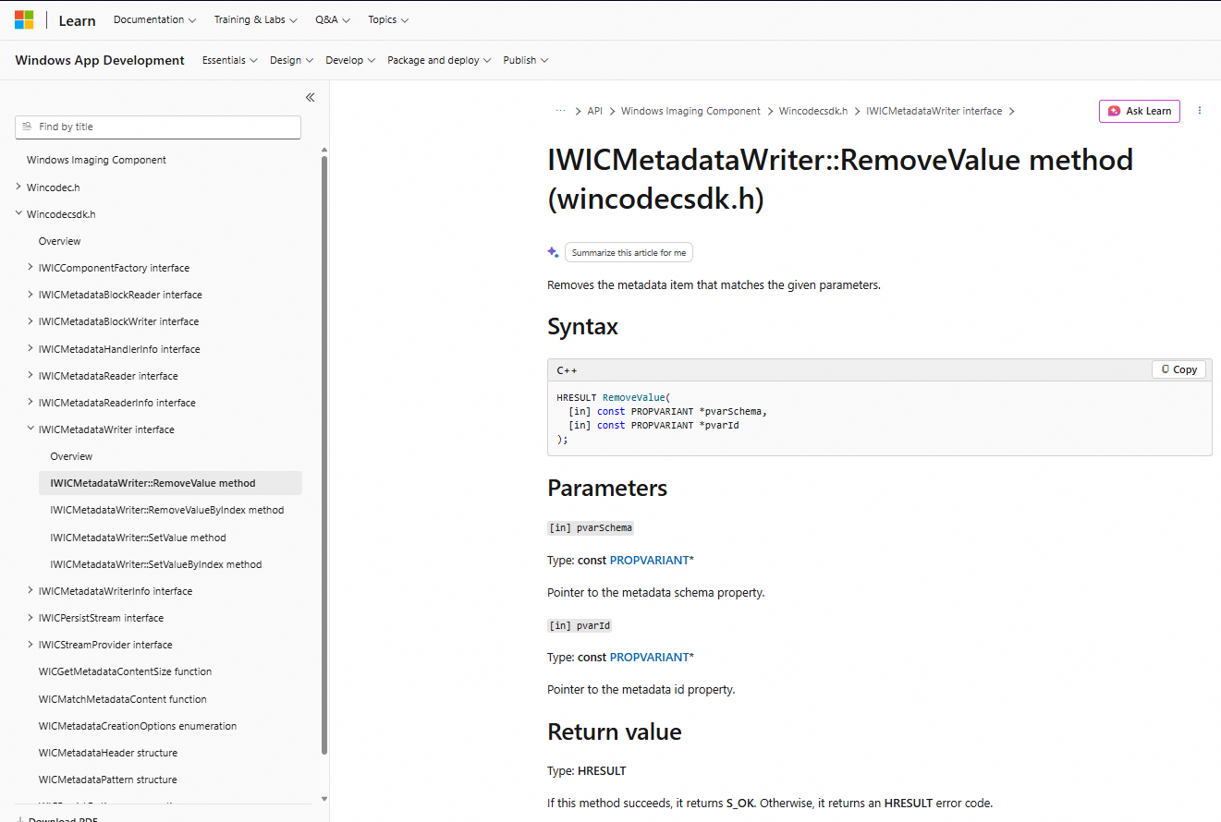 | OH_EffectFilter_Release releases an effect-filter object, while "RemoveValue" removes a specified metadata item from a WIC metadata stream; they have fundamentally different purposes. | IWICMetadataWriter::RemoveValue | 66.6 |  |  |  |  | android.graphics.LightingColorFilter::LightingColorFilter | 95 |  |  |  |  | CGColorRelease | 95 |  |  |  |  | CGColorRelease
83 | Mert | OH_AVPlayer_DeselectTrack | MediaKit | AVPlayer | two-sided | harmonyos-wearable + macos | harmonyos-wearable:71 + macos:1498 | verb =; nouns deselect,stream; doc unavailable; x1.00 | none | 0 |  |  |  |  |  | 95 |  |  |  |  | android.media.MediaPlayer::deselectTrack | 51.5 |  |  |  |  | AVPlayerItem::tracks | 51.5 |  |  |  |  | AVPlayerItem::tracks
84 | Mert | OH_AuxiliaryPictureInfo_Create | ImageKit | AuxiliaryPictureInfo | two-sided | harmonyos-wearable + macos | harmonyos-wearable:1931 + macos:454 | verb =; doc unavailable; x1.00 | emergent | 59.7 | Fail | Unmapped | 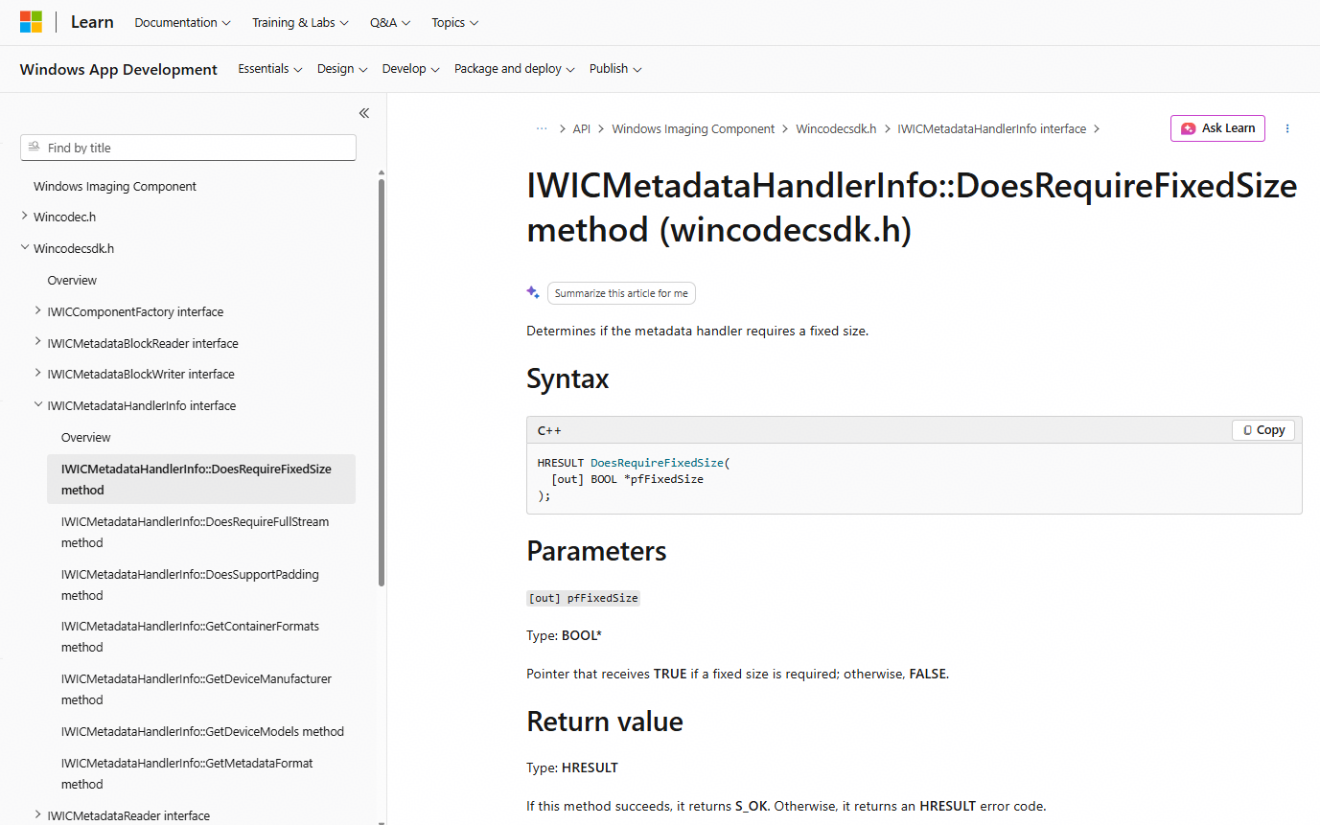 | OH_AuxiliaryPictureInfo_Create creates an auxiliary-picture information object, while "DoesRequireFixedSize" determines whether a WIC metadata handler requires a fixed-size metadata block; they have different purposes. | IWICMetadataHandlerInfo::DoesRequireFixedSize | 66.6 |  |  |  |  | android.graphics.pdf.models.FormWidgetInfo::equals | 95 |  |  |  |  | CGRenderingBufferProviderCreate | 95 |  |  |  |  | CGRenderingBufferProviderCreate
85 | Mert | OH_PackingOptionsForSequence_Release | ImageKit | PackingOptionsForSequence | two-sided | harmonyos-wearable + macos | harmonyos-wearable:395 + macos:476 | verb =; doc unavailable; x1.00 | emergent | 64.9 | Fail | Unmapped | 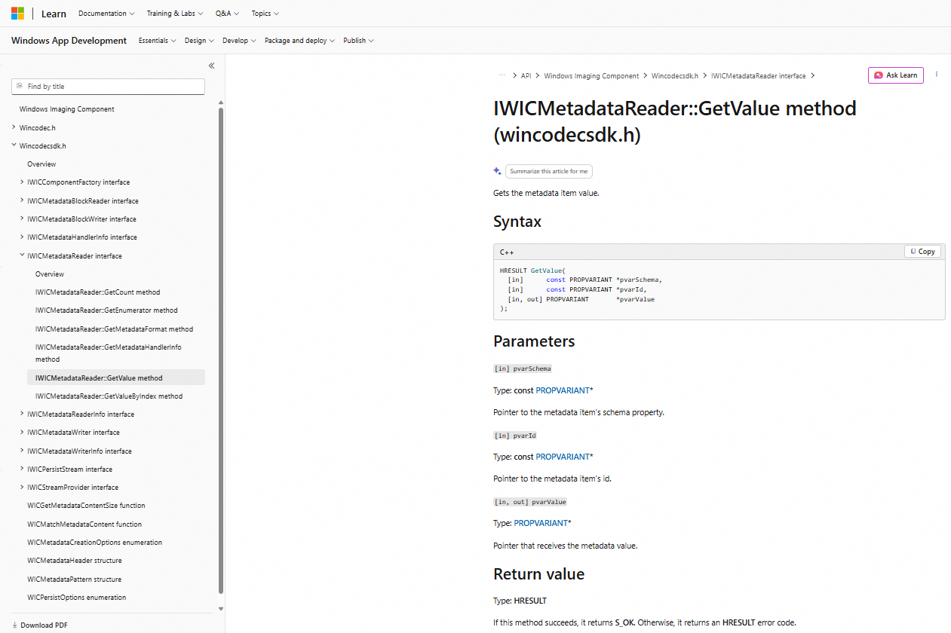 | OH_PackingOptionsForSequence_Release releases a HarmonyOS packing-options object, while IWICMetadataReader::GetValue retrieves an image metadata item's value; they have different purposes. | IWICMetadataReader::GetValue | 95 |  |  |  |  | android.graphics.SurfaceTexture::release | 95 |  |  |  |  | CVPixelBufferPoolRelease | 95 |  |  |  |  | CVPixelBufferPoolRelease
86 | Mert | OH_AVTranscoder_Pause | MediaKit | AVTranscoder | two-sided | harmonyos-wearable + macos | harmonyos-wearable:223 + macos:1871 | verb =; doc 0.23 [paus, media]; x1.07 | direct | 95 | Pass | Mapped | 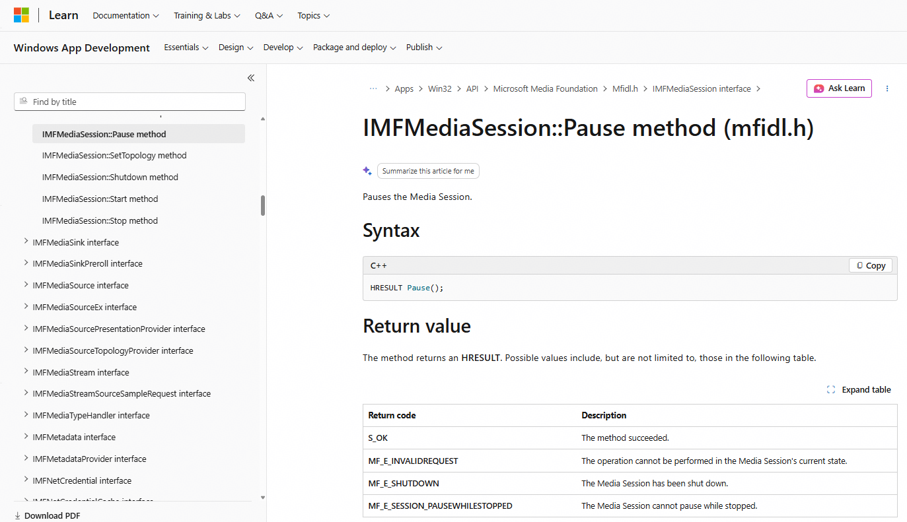 | both pause an active media operation: HarmonyOS pauses a transcoding task, while Windows pauses the Media Session/presentation clock. They are strong conceptual counterparts, but operate on different media pipelines. | IMFMediaSession::Pause | 95 |  |  |  |  | android.media.SoundPool::pause | 73 |  |  |  |  | MPMusicPlayerMediaItemQueueDescriptor::initWithQuery: | 73 |  |  |  |  | MPMusicPlayerMediaItemQueueDescriptor::initWithQuery:
87 | Mert | OH_AVTranscoder_Release | MediaKit | AVTranscoder | two-sided | harmonyos-wearable + macos | harmonyos-wearable:227 + macos:1875 | verb =; doc unavailable; x1.00 | mechanism | 73.8 | Pass | Moderate | 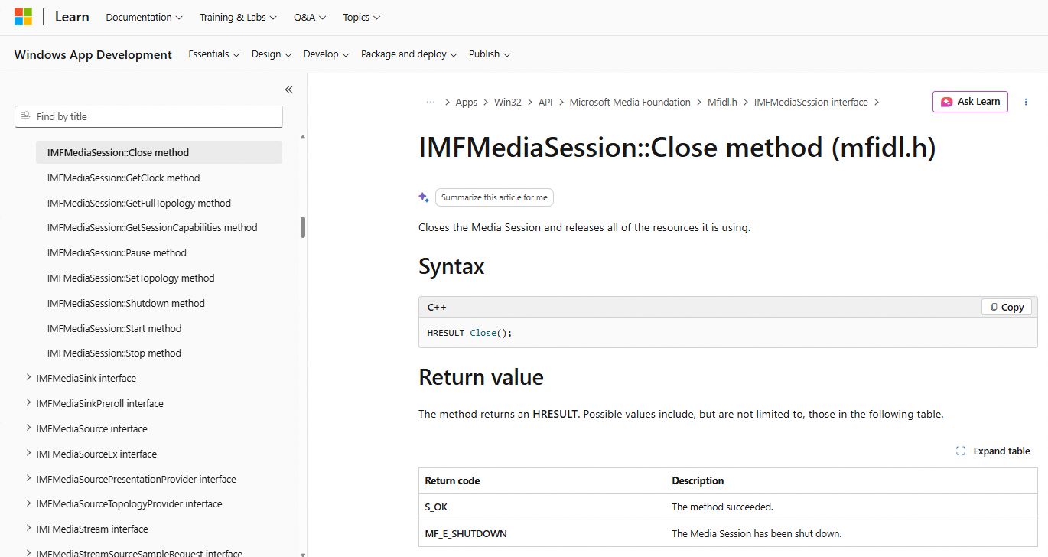 | both terminate a media-processing/session object and release/prepare its resources for shutdown, but HarmonyOS directly releases the transcoder, while Windows "Close" asynchronously closes the Media Session before Shutdown performs final resource cleanup. | IMFMediaSession::Close | 95 |  |  |  |  | android.media.MediaSync::release | 73 |  |  |  |  | MPMusicPlayerMediaItemQueueDescriptor::query | 73 |  |  |  |  | MPMusicPlayerMediaItemQueueDescriptor::query
88 | Mert | OH_AVTranscoder_Resume | MediaKit | AVTranscoder | two-sided | harmonyos-wearable + macos | harmonyos-wearable:229 + macos:1877 | verb =; doc unavailable; x1.00 | mechanism | 73.1 | Pass | Moderate | 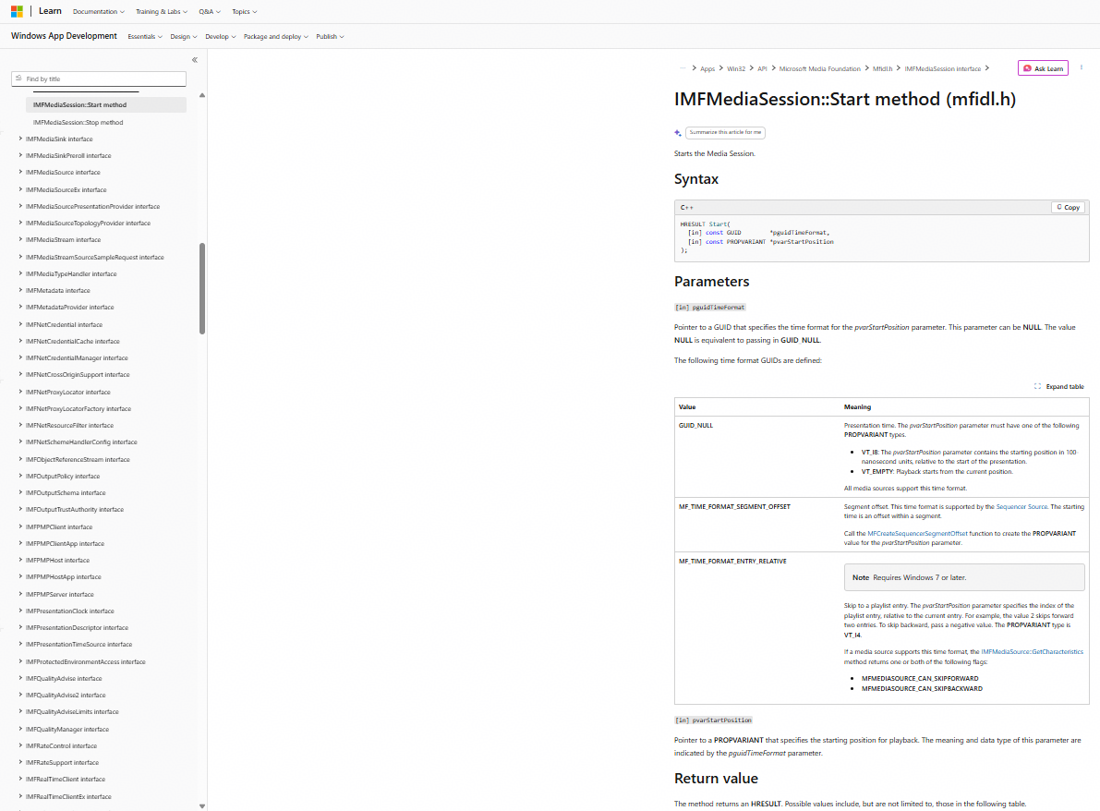 | both resume/start media processing, but OH_AVTranscoder_Resume specifically resumes a paused transcoding task, while IMFMediaSession::Start starts or restarts a Media Foundation presentation/playback session; they are not direct equivalents. | IMFMediaSession::Start | 95 |  |  |  |  | android.media.SoundPool::resume | 73 |  |  |  |  | MPMusicPlayerMediaItemQueueDescriptor::initWithQuery: | 73 |  |  |  |  | MPMusicPlayerMediaItemQueueDescriptor::initWithQuery:
89 | Mert | OH_AVTranscoder_Start | MediaKit | AVTranscoder | two-sided | harmonyos-wearable + macos | harmonyos-wearable:237 + macos:1885 | verb =; doc 0.20 [start, media]; x1.06 | mechanism | 95 | Pass | Mapped |  | both start media processing, but OH_AVTranscoder_Start starts video transcoding, while IMFMediaSession::Start starts the Media Foundation session/playback or processing pipeline; they are conceptually related but not exact equivalents. | IMFMediaSession::Start | 73 |  |  |  |  | android.media.MediaSync::flush | 89 |  |  |  |  | MPMusicPlayerMediaItemQueueDescriptor::startItem | 89 |  |  |  |  | MPMusicPlayerMediaItemQueueDescriptor::startItem
90 | Mert | OH_AuxiliaryPictureNative_Create | ImageKit | AuxiliaryPictureNative | two-sided | harmonyos-wearable + macos | harmonyos-wearable:1951 + macos:532 | verb =; doc 0.08 [pixel, creat]; x1.00 | mechanism | 66.9 | Fail | Unmapped | 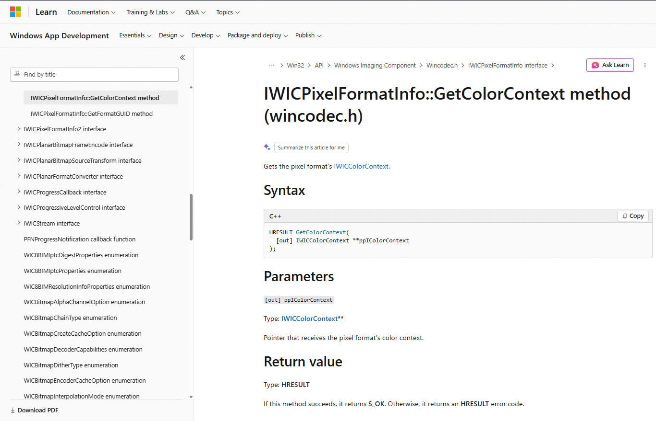 | OH_AuxiliaryPictureNative_Create creates an auxiliary-picture object from pixel data, while GetColorContext retrieves the default color context of a pixel format; they serve fundamentally different purposes. | IWICPixelFormatInfo::GetColorContext | 66.6 |  |  |  |  | android.media.ImageWriter::getFormat | 95 |  |  |  |  | CVPixelBufferPoolCreate | 95 |  |  |  |  | CVPixelBufferPoolCreate
91 | Mert | OH_AuxiliaryPictureNative_GetType | ImageKit | AuxiliaryPictureNative | two-sided | harmonyos-wearable + macos | harmonyos-wearable:1957 + macos:538 | verb =; nouns descriptor; doc 0.09 [type]; x1.01 | mechanism | 95 | Fail | Unmapped | 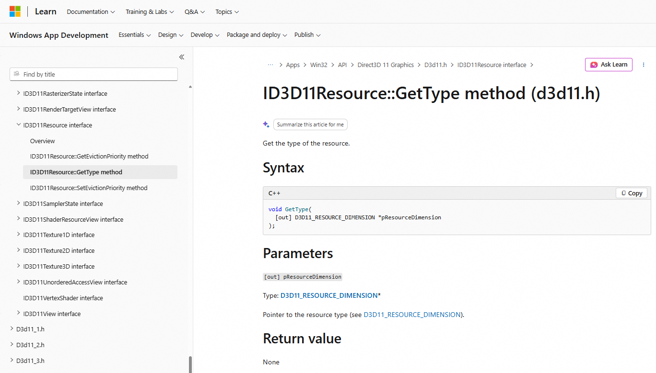 | both retrieve a “type,” but OH_AuxiliaryPictureNative_GetType identifies the auxiliary picture type, while ID3D11Resource::GetType identifies the Direct3D resource dimension (buffer, Texture1D/2D/3D); they are not functional counterparts. | ID3D11Resource::GetType | 87 |  |  |  |  | android.media.ImageWriter::getFormat | 70.5 |  |  |  |  | CVPixelBufferPoolGetTypeID | 70.5 |  |  |  |  | CVPixelBufferPoolGetTypeID
92 | Mert | OH_AuxiliaryPictureNative_Release | ImageKit | AuxiliaryPictureNative | two-sided | harmonyos-wearable + macos | harmonyos-wearable:1961 + macos:542 | verb =; doc 0.10 [releas]; x1.01 | emergent | 64.9 | Fail | Unmapped | 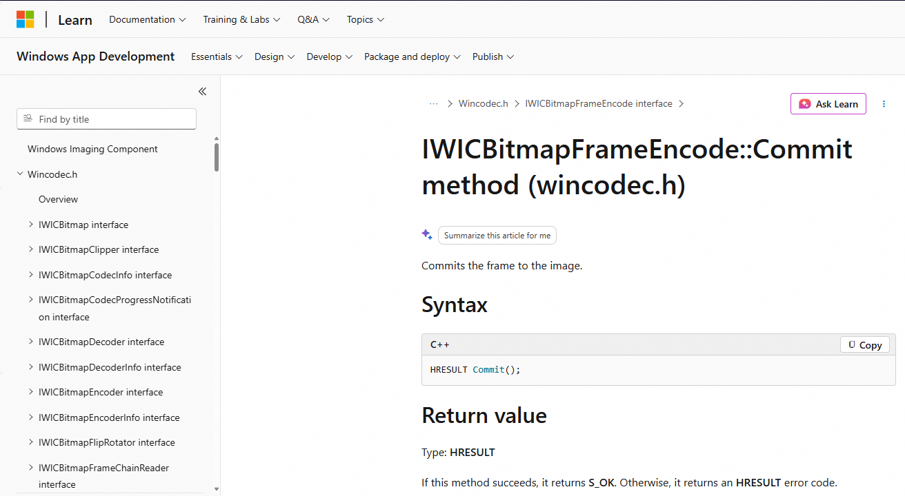 | OH_AuxiliaryPictureNative_Release releases an auxiliary-picture object, while IWICBitmapFrameEncode::Commit commits/finalizes an encoded image frame; both are image-lifecycle operations but serve different purposes. | IWICBitmapFrameEncode::Commit | 73 |  |  |  |  | android.media.ImageWriter::close | 95 |  |  |  |  | CVPixelBufferPoolRelease | 95 |  |  |  |  | CVPixelBufferPoolRelease
93 | Mert | OH_AuxiliaryPictureNative_WritePixels | ImageKit | AuxiliaryPictureNative | two-sided | harmonyos-wearable + macos | harmonyos-wearable:1967 + macos:548 | verb =; nouns surface; doc 0.05 [buffer]; x1.00 | direct | 95 | Pass | Mapped | 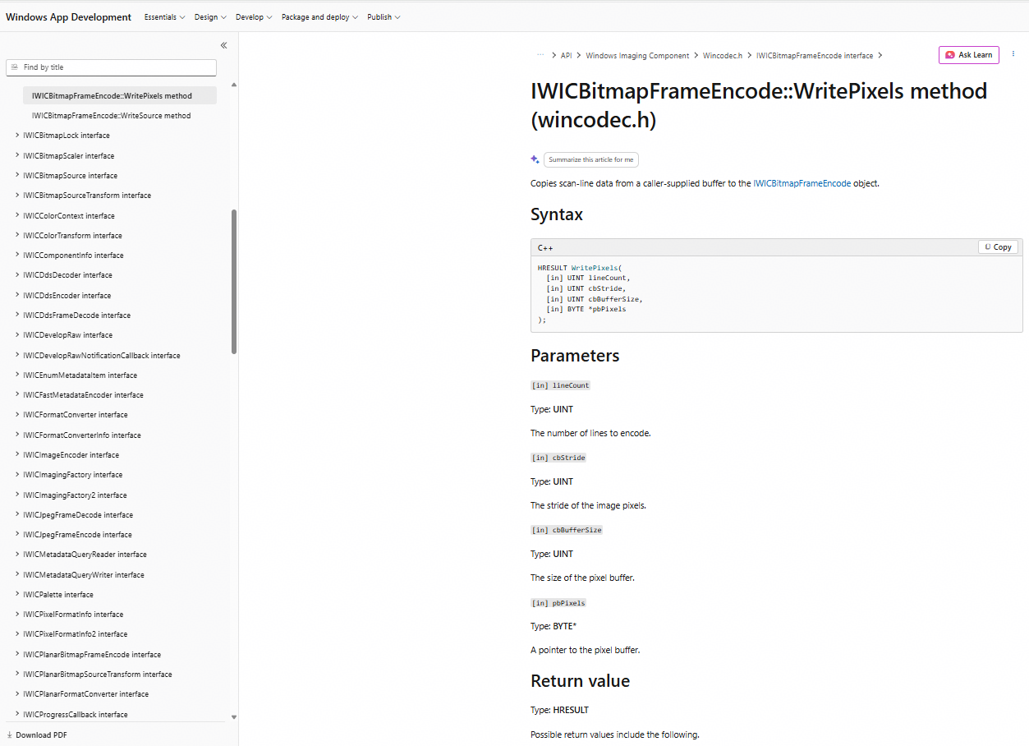 | both write pixel data from a caller-provided buffer into an image/encoding object; however, HarmonyOS writes auxiliary-picture pixels, while Windows writes sequential scan lines to an encoded image frame. | IWICBitmapFrameEncode::WritePixels | 46 |  |  |  |  | android.graphics.pdf.PdfRendererPreV::write | 51.5 |  |  |  |  | CGImageDestinationAddImage | 51.5 |  |  |  |  | CGImageDestinationAddImage
94 | Mert | OH_PixelmapImageInfo_Create | ImageKit | PixelmapImageInfo | two-sided | harmonyos-wearable + macos | harmonyos-wearable:1993 + macos:550 | verb =; doc unavailable; x1.00 | mechanism | 68.5 | Fail | Unmapped | 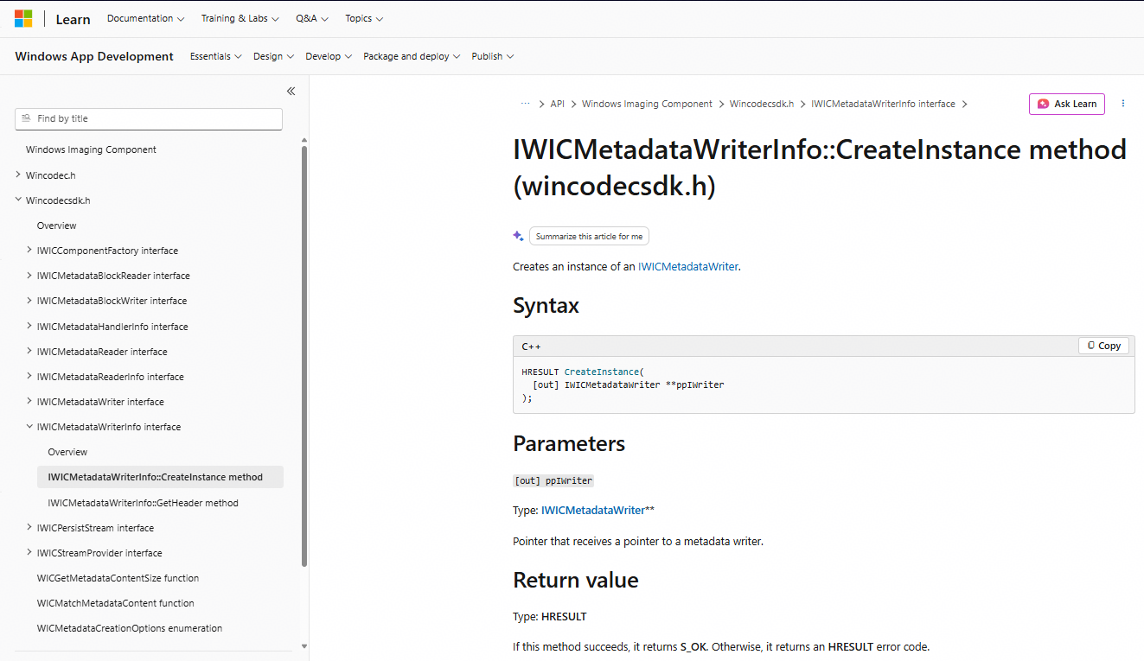 | both create image/metadata-related objects, but HarmonyOS creates an image-information structure, while Windows `CreateInstance` creates an IWICMetadataWriter; their purposes and object types differ. | IWICMetadataWriterInfo::CreateInstance | 66.6 |  |  |  |  | android.media.ImageWriter::getFormat | 95 |  |  |  |  | CGImageCreate | 95 |  |  |  |  | CGImageCreate
95 | Mert | OH_PixelmapImageInfo_GetHeight | ImageKit | PixelmapImageInfo | two-sided | harmonyos-wearable + macos | harmonyos-wearable:2001 + macos:558 | verb =; nouns height; doc unavailable; x1.00 | emergent | 37.7 | Pass | Unmapped | 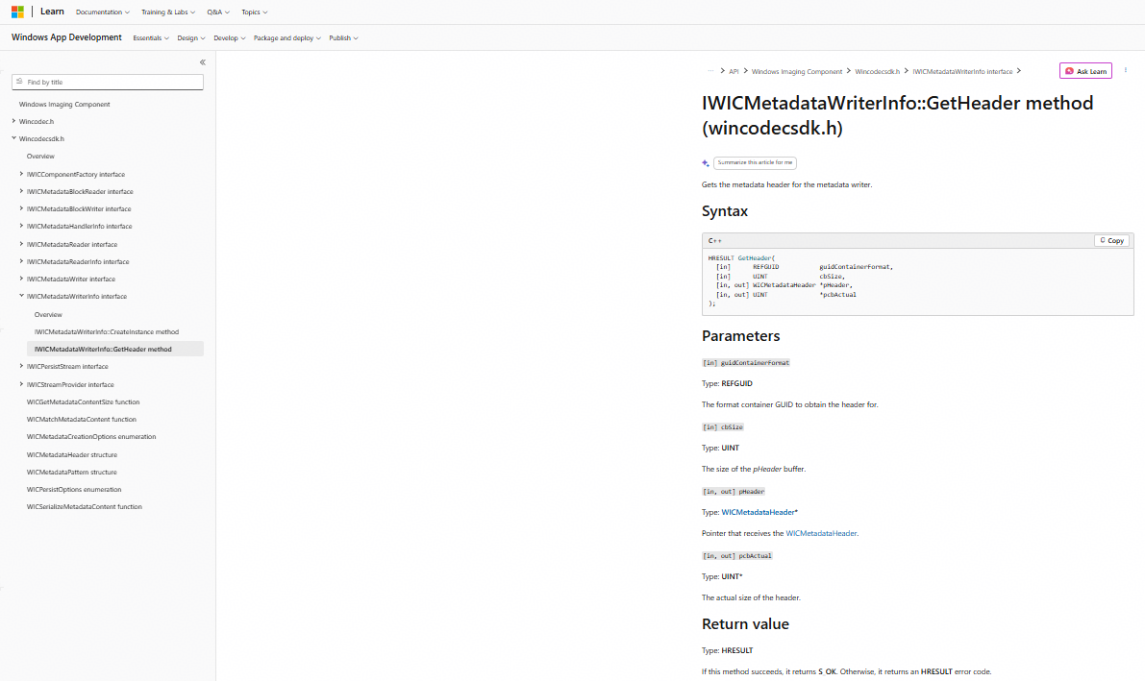 | OH_PixelmapImageInfo_GetHeight retrieves an image's height, while GetHeader retrieves metadata-header information for a WIC metadata writer; they have different purposes. | IWICMetadataWriterInfo::GetHeader | 95 |  |  |  |  | android.media.ImageWriter::getHeight | 84.6 |  |  |  |  | CGFontGetXHeight | 84.6 |  |  |  |  | CGFontGetXHeight
96 | Mert | OH_PixelmapImageInfo_GetWidth | ImageKit | PixelmapImageInfo | two-sided | harmonyos-wearable + macos | harmonyos-wearable:2007 + macos:564 | verb =; nouns width; doc unavailable; x1.00 | emergent | 37.7 | Pass | Unmapped |  | OH_PixelmapImageInfo_GetWidth obtains an image's width, while GetHeader retrieves metadata-header information from a WIC metadata writer; they have different purposes. | IWICMetadataWriterInfo::GetHeader | 95 |  |  |  |  | android.media.ImageWriter::getWidth | 79 |  |  |  |  | CGImageGetWidth | 79 |  |  |  |  | CGImageGetWidth
97 | Mert | OH_PixelmapImageInfo_Release | ImageKit | PixelmapImageInfo | two-sided | harmonyos-wearable + macos | harmonyos-wearable:2009 + macos:566 | verb =; doc unavailable; x1.00 | emergent | 59.7 | Fail | Unmapped |  | OH_PixelmapImageInfo_Release releases an image-information object, while GetHeader retrieves metadata-header information from a WIC metadata writer; they perform fundamentally different operations. | IWICMetadataWriterInfo::GetHeader | 73 |  |  |  |  | android.media.ImageWriter::close | 95 |  |  |  |  | CGImageRelease | 95 |  |  |  |  | CGImageRelease
98 | Mert | OH_AVMuxer_AddTrack | AVCodecKit | AVMuxer | two-sided | harmonyos-wearable + android | harmonyos-wearable:972 + android:1472 | verb =; nouns stream; doc unavailable; x1.00 | direct | 87.3 | Pass | Mapped | 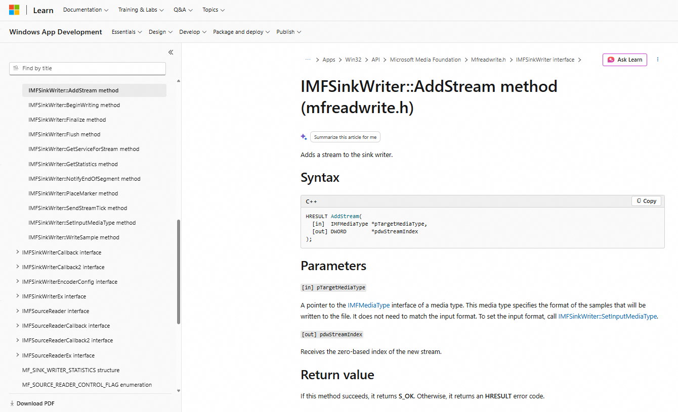 | OH_AVMuxer_AddTrack and IMFSinkWriter::AddStream are strongly related: both add/register an audio/video stream in a media-output pipeline and return a stream/track identifier. They are highly relevant cross-platform counterparts, although Windows separates input and output media types while HarmonyOS directly adds a muxer track. | IMFSinkWriter::AddStream | 95 |  |  |  |  | android.media.MediaMuxer::addTrack | 0 |  |  |  |  |  | 0
99 | Mert | OH_AVMuxer_Start | AVCodecKit | AVMuxer | two-sided | harmonyos-wearable + macos | harmonyos-wearable:980 + macos:586 | verb =; doc unavailable; x1.00 | mechanism | 66.6 | Fail | Unmapped |  | OH_AVMuxer_Start and IMFSinkWriter::Finalize are related because both belong to media-output/writing pipelines, but they are not equivalent operations. IMFSinkWriter::BeginWriting is going to be more equivalent then IMFSinkWriter::Finalize | IMFSinkWriter::Finalize | 95 |  |  |  |  | android.media.MediaMuxer::start | 95 |  |  |  |  | AUGraphStart | 95 |  |  |  |  | AUGraphStart
100 | Mert | OH_AVMuxer_Stop | AVCodecKit | AVMuxer | two-sided | harmonyos-wearable + macos | harmonyos-wearable:982 + macos:588 | verb =; doc unavailable; x1.00 | mechanism | 66.6 | Pass | Moderate |  | The purpose at the end of a media-writing pipeline is similar, but the abstraction isn't identical. Therefore I'd call this strong semantic relevance, but not a one-to-one API equivalence. | IMFSinkWriter::Finalize | 95 |  |  |  |  | android.media.MediaMuxer::stop | 95 |  |  |  |  | AUGraphStop | 95 |  |  |  |  | AUGraphStop
101 | Mert | OH_ImageSourceInfo_GetHeight | ImageKit | ImageSourceInfo | two-sided | harmonyos-wearable + macos | harmonyos-wearable:531 + macos:646 | verb =; nouns height; doc unavailable; x1.00 | mechanism | 44.6 | Fail | Mapped |  | GetSize() is essentially the Windows API that covers the functionality of both HarmonyOS GetWidth() and GetHeight(). I'd say it is equivalent with additional information provided by Windows API | IWICBitmapSource::GetSize | 95 |  |  |  |  | android.media.ImageWriter::getHeight | 79 |  |  |  |  | CGImageGetHeight | 79 |  |  |  |  | CGImageGetHeight
102 | Mert | OH_ImageSourceInfo_GetWidth | ImageKit | ImageSourceInfo | two-sided | harmonyos-wearable + macos | harmonyos-wearable:535 + macos:650 | verb =; nouns width; doc unavailable; x1.00 | mechanism | 44.6 | Fail | Mapped |  | GetSize() is essentially the Windows API that covers the functionality of both HarmonyOS GetWidth() and GetHeight(). I'd say it is equivalent with additional information provided by Windows API | IWICBitmapSource::GetSize | 95 |  |  |  |  | android.media.ImageWriter::getWidth | 79 |  |  |  |  | CGImageGetWidth | 79 |  |  |  |  | CGImageGetWidth
103 | Mert | OH_ImageSourceInfo_Release | ImageKit | ImageSourceInfo | two-sided | harmonyos-wearable + macos | harmonyos-wearable:537 + macos:652 | verb =; doc unavailable; x1.00 | emergent | 59.7 | Fail | Unmapped |  | It doesn't release an image or image resource. Its relationship to the other APIs is only that it belongs to an image framework. GetHeader() is about the metadata writer's header, whereas the Harmony API concerns object/resource lifetime. | IWICMetadataWriterInfo::GetHeader | 73 |  |  |  |  | android.media.ImageWriter::close | 95 |  |  |  |  | CGImageRelease | 95 |  |  |  |  | CGImageRelease
104 | Mert | OH_VideoProcessingCallback_Create | MediaKit | VideoProcessingCallback | two-sided | harmonyos-pc + windows | harmonyos-pc:2285 + windows:73 | verb =; doc 0.12 [process, memory]; x1.02 | mechanism | 65.6 | Fail | Unmapped |  | both are in video-processing infrastructure, but one is callbacks and the other is buffer allocation. This is primarily a buffer/surface allocation API, not a media-service lifecycle API. | MFCreateVideoSampleAllocatorEx | 82.5 |  |  |  |  | android.media.MediaSession2Service::onCreate | 95 |  |  |  |  | MTAudioProcessingTapCreate | 95 |  |  |  |  | MTAudioProcessingTapCreate
105 | Nalan | OH_ComposeOptions_Create | ImageKit | ComposeOptions | two-sided | harmonyos-pc + macos | harmonyos-pc:2110 + macos:690 | verb =; doc unavailable; x1.00 | mechanism | 84.2 | Pass | Mapped |  | Similarities can be observed between the two APIs. harmonies:Creates an OH_ComposeOptions instance. Windows PC:Pointer that receives a pointer to a metadata writer. | IWICMetadataWriterInfo::CreateInstance | 80.5 | Pass | Mapped |  | Similarities can be observed between the two APIs. harmonies:Creates an OH_ComposeOptions instance. Android-Kotlin:Returns a FrameRenderRequest that can be used to render a new frame | android.graphics.HardwareRenderer::createRenderRequest | 95 | Fail | Unmapped |  | It should be %40 "The similarity is structural rather than semantic — both follow the standard create/release convention, but their object contracts differ in mutability, failure modes, and ownership harmonies:Creates an OH_ComposeOptions instance. MacOS/Iphone:A CGColorConversionInfo object specifies a conversion between two or more color spaces, including information about the intent of the conversion." | CGColorConversionInfoCreate | 95 | Fail | Unmapped |  | It should be %40 The similarity is structural rather than semantic — both follow the standard create/release convention, but their object contracts differ in mutability, failure modes, and ownership harmonies:Creates an OH_ComposeOptions instance. MacOS/Iphone:A CGColorConversionInfo object specifies a conversion between two or more color spaces, including information about the intent of the conversion. | CGColorConversionInfoCreate
106 | Nalan | OH_ComposeOptions_Release | ImageKit | ComposeOptions | two-sided | harmonyos-pc + macos | harmonyos-pc:2114 + macos:694 | verb =; doc unavailable; x1.00 | emergent | 59.7 | Fail | Unmapped |  | These two APIs perform different operations. Harmonies:Set the target pixel format in OH_ComposeOptions. Windows PC:Gets the metadata header for the metadata writer. | IWICMetadataWriterInfo::GetHeader | 73 | Pass | Mapped |  | Similarities can be observed between the two APIs. Harmonies: Set the target pixel format in OH_ComposeOptions. Android-Kotlin:Destroys all the display lists associated with the current rendering content. | android.graphics.HardwareRenderer::destroy | 95 | Pass | Mapped |  | The two APIs serve functionally equivalent roles, but their behavior should not be assumed to be interchangeable. | CGColorRelease | 95 | Pass | Mapped |  | The two APIs serve functionally equivalent roles, but their behavior should not be assumed to be interchangeable. | CGColorRelease
107 | Nalan | OH_AVPlayer_SelectTrack | MediaKit | AVPlayer | two-sided | harmonyos-wearable + macos | harmonyos-wearable:116 + macos:1516 | verb =; nouns stream; doc unavailable; x1.00 | none | 0 |  |  |  |  |  | 95 | Pass | Mapped |  | Similarities can be observed between the two APIs. harmonies:Selects an audio or subtitle track. Android-Kotlin:Selects a track. | android.media.MediaPlayer::selectTrack | 73 | Pass | Mapped |  | Similarities can be observed between the two APIs. harmonies:Selects an audio or subtitle track. MacOS/Iphone: An array of player item track objects. | AVPlayerItem::tracks | 73 | Pass | Mapped |  | Similarities can be observed between the two APIs. harmonies:Selects an audio or subtitle track. MacOS/Iphone: An array of player item track objects. | AVPlayerItem::tracks
108 | Nalan | OH_DecodingOptionsForPicture_Create | ImageKit | DecodingOptionsForPicture | two-sided | harmonyos-wearable + macos | harmonyos-wearable:479 + macos:698 | verb =; doc unavailable; x1.00 | mechanism | 83.7 |  |  |  |  | IWICMetadataWriterInfo::CreateInstance | 95 |  |  |  |  | android.graphics.Typeface::create | 95 |  |  |  |  | CGColorConversionInfoCreate | 95 |  |  |  |  | CGColorConversionInfoCreate
109 | Nalan | OH_DecodingOptionsForPicture_Release | ImageKit | DecodingOptionsForPicture | two-sided | harmonyos-wearable + macos | harmonyos-wearable:483 + macos:700 | verb =; doc unavailable; x1.00 | emergent | 64.9 |  |  |  |  | WICRawParameterSet | 95 |  |  |  |  | android.graphics.SurfaceTexture::release | 95 |  |  |  |  | CGColorRelease | 95 |  |  |  |  | CGColorRelease
110 | Nalan | OH_AVImageGenerator_Release | MediaKit | AVImageGenerator | two-sided | harmonyos-wearable + macos | harmonyos-wearable:8 + macos:704 | verb =; doc unavailable; x1.00 | mechanism | 73 |  |  |  |  | IMFHttpDownloadSession::Close | 95 |  |  |  |  | android.media.audiofx.HapticGenerator::release | 73 |  |  |  |  | CMBufferQueueReset | 73 |  |  |  |  | CMBufferQueueReset
111 | Nalan | OH_AVMuxer_WriteSampleBuffer | AVCodecKit | AVMuxer | two-sided | harmonyos-wearable + macos | harmonyos-wearable:984 + macos:590 | verb =; nouns dataunit; doc 0.20 [writ, sample]; x1.06 | direct | 93.1 |  |  |  |  | IMFSinkWriter::WriteSample | 89 |  |  |  |  | android.media.MediaMuxer::writeSampleData | 55.5 |  |  |  |  | AudioQueueAllocateBuffer | 55.5 |  |  |  |  | AudioQueueAllocateBuffer
112 | Nalan | OH_AVPlayer_SetDataSource | MediaKit | AVPlayer | two-sided | harmonyos-wearable + macos | harmonyos-wearable:126 + macos:1431 | verb =; nouns dataunit,source; doc unavailable; x1.00 | none | 0 |  |  |  |  |  | 95 |  |  |  |  | android.media.MediaPlayer::setDataSource | 41.7 |  |  |  |  | AVPlayer::setRate:time:atHostTime: | 41.7 |  |  |  |  | AVPlayer::setRate:time:atHostTime:
113 | Nalan | OH_AVDemuxer_ReadSampleBuffer | AVCodecKit | AVDemuxer | two-sided | harmonyos-wearable + macos | harmonyos-wearable:961 + macos:572 | verb =; nouns dataunit; doc 0.15 [operation, sample]; x1.04 | mechanism | 92.3 |  |  |  |  | IMFSourceReader::ReadSample | 89 |  |  |  |  | android.media.MediaExtractor::readSampleData | 44 |  |  |  |  | ExtAudioFileRead | 44 |  |  |  |  | ExtAudioFileRead
114 | Nalan | OH_PixelmapNative_GetColorSpaceNative | ImageKit | PixelmapNative | two-sided | harmonyos-wearable + macos | harmonyos-wearable:2079 + macos:1601 | verb =; nouns colour; doc unavailable; x1.00 | mechanism | 85.4 |  |  |  |  | IWICPalette::GetColors | 92 |  |  |  |  | android.graphics.Bitmap::getColorSpace | 71.3 |  |  |  |  | CIContext::workingColorSpace | 71.3 |  |  |  |  | CIContext::workingColorSpace
115 | Nalan | OH_AuxiliaryPictureInfo_GetPixelFormat | ImageKit | AuxiliaryPictureInfo | two-sided | harmonyos-wearable + macos | harmonyos-wearable:1933 + macos:1721 | verb =; nouns descriptor,surface; doc unavailable; x1.00 | mechanism | 68.5 |  |  |  |  | IWICPixelFormatInfo::GetFormatGUID | 92 |  |  |  |  | android.graphics.PixelFormat::getPixelFormatInfo | 57.9 |  |  |  |  | CIImageAccumulator::format | 57.9 |  |  |  |  | CIImageAccumulator::format
116 | Nalan | OH_AVPlayer_SetOnErrorCallback | MediaKit | AVPlayer | two-sided | harmonyos-wearable + macos | harmonyos-wearable:140 + macos:1445 | verb =; nouns callback,error,on; doc unavailable; x1.00 | none | 0 |  |  |  |  |  | 90.2 |  |  |  |  | android.media.MediaPlayer::setOnErrorListener | 41.5 |  |  |  |  | AVPlayer::setRate:time:atHostTime: | 41.5 |  |  |  |  | AVPlayer::setRate:time:atHostTime:
117 | Nalan | OH_AVPlayer_SetOnInfoCallback | MediaKit | AVPlayer | two-sided | harmonyos-wearable + macos | harmonyos-wearable:142 + macos:1545 | verb =; nouns callback,descriptor,on; doc unavailable; x1.00 | none | 0 |  |  |  |  |  | 90.2 |  |  |  |  | android.media.MediaPlayer::setOnInfoListener | 49.1 |  |  |  |  | AVPlayerLayer::setCaptionPreviewProfileID:position:text: | 49.1 |  |  |  |  | AVPlayerLayer::setCaptionPreviewProfileID:position:text:
118 | Nalan | OH_AudioRenderer_GetCurrentState | AudioKit | AudioRenderer | two-sided | harmonyos-wearable + macos | harmonyos-wearable:1247 + macos:852 | verb =; nouns state; doc unavailable; x1.00 | emergent | 67.1 |  |  |  |  | IXAudio2Voice::GetEffectState | 91 |  |  |  |  | android.media.AudioTrack::getState | 59.7 |  |  |  |  | AVAudioPlayer::isMeteringEnabled | 73 |  |  |  |  | AVAudioSession::mode
119 | Nalan | OH_LowPowerVideoSink_GetParameter | MediaKit | LowPowerVideoSink | two-sided | harmonyos-pc + macos | harmonyos-pc:743 + macos:221 | verb =; nouns descriptor; doc unavailable; x1.00 | emergent | 64.9 |  |  |  |  | IMFTranscodeSinkInfoProvider::GetSinkInfo | 91 |  |  |  |  | android.media.MediaCodec::getParameterDescriptor | 71.1 |  |  |  |  | CMVideoFormatDescriptionGetH264ParameterSetAtIndex | 71.1 |  |  |  |  | CMVideoFormatDescriptionGetH264ParameterSetAtIndex
120 | Nalan | OH_VideoProcessing_GetParameter | MediaKit | VideoProcessing | two-sided | harmonyos-pc + windows | harmonyos-pc:2294 + windows:53 | verb =; nouns descriptor; doc unavailable; x1.00 | mechanism | 73.3 |  |  |  |  | MFCreateVideoMediaType | 91 |  |  |  |  | android.media.MediaCodec::getParameterDescriptor | 71.3 |  |  |  |  | CMVideoFormatDescriptionGetH264ParameterSetAtIndex | 71.3 |  |  |  |  | CMVideoFormatDescriptionGetH264ParameterSetAtIndex
121 | Nalan | OH_MediaKeySystem_GetConfigurationByteArray | DrmKit | MediaKeySystem | two-sided | harmonyos-wearable + android | harmonyos-wearable:881 + android:1330 | verb =; nouns array,byte,descriptor; doc unavailable; x1.00 | emergent | 42.4 |  |  |  |  | IMFMediaSession::GetClock | 90.2 |  |  |  |  | android.media.MediaDrm::getPropertyByteArray | 0 |  |  |  |  |  | 0
122 | Nalan | OH_MediaKeySystem_SetConfigurationByteArray | DrmKit | MediaKeySystem | two-sided | harmonyos-wearable + macos | harmonyos-wearable:902 + macos:1324 | verb =; nouns array,byte,descriptor; doc unavailable; x1.00 | emergent | 42.5 |  |  |  |  | IMFMediaSession::SetTopology | 90.2 |  |  |  |  | android.media.MediaDrm::setPropertyByteArray | 42 |  |  |  |  | AVContentKeySession::setDelegate:queue: | 42 |  |  |  |  | AVContentKeySession::setDelegate:queue:
123 | Nalan | OH_PixelmapNative_SetColorSpaceNative | ImageKit | PixelmapNative | two-sided | harmonyos-wearable + macos | harmonyos-wearable:2099 + macos:1605 | verb =; nouns colour; doc unavailable; x1.00 | none | 0 |  |  |  |  |  | 92 |  |  |  |  | android.graphics.Bitmap::setColorSpace | 71.3 |  |  |  |  | CIContext::workingColorSpace | 71.3 |  |  |  |  | CIContext::workingColorSpace
124 | Nalan | OH_AudioRenderer_GetChannelCount | AudioKit | AudioRenderer | two-sided | harmonyos-wearable + macos | harmonyos-wearable:1243 + macos:850 | verb =; nouns cardinality,stream; doc unavailable; x1.00 | none | 0 |  |  |  |  |  | 95 |  |  |  |  | android.media.AudioTrack::getChannelCount | 64.9 |  |  |  |  | AVAudioPlayer::numberOfChannels | 64.9 |  |  |  |  | AVAudioPlayer::numberOfChannels
125 | Nalan | OH_AVCastController_GetPlaybackState | AVSessionKit | AVCastController | two-sided | harmonyos-pc + macos | harmonyos-pc:1563 + macos:1762 | verb =; nouns playback,state; doc unavailable; x1.00 | none | 0 |  |  |  |  |  | 95 |  |  |  |  | android.media.session.MediaController::getPlaybackState | 81 |  |  |  |  | MPMusicPlayerController::playbackState | 81 |  |  |  |  | MPMusicPlayerController::playbackState
126 | Nalan | OH_AVCastController_SendCommonCommand | AVSessionKit | AVCastController | two-sided | harmonyos-pc + android | harmonyos-pc:1581 + android:2065 | verb =; nouns command; doc unavailable; x1.00 | none | 0 |  |  |  |  |  | 91 |  |  |  |  | android.media.session.MediaController::sendCommand | 0 |  |  |  |  |  | 0
127 | Nalan | OH_AudioCapturer_GetCurrentState | AudioKit | AudioCapturer | two-sided | harmonyos-wearable + macos | harmonyos-wearable:1186 + macos:902 | verb =; nouns state; doc unavailable; x1.00 | none | 0 |  |  |  |  |  | 91 |  |  |  |  | android.media.AudioTrack::getState | 59.7 |  |  |  |  | AVAudioPlayer::isMeteringEnabled | 59.7 |  |  |  |  | AVAudioPlayer::isMeteringEnabled
128 | Nalan | OH_EffectBufferInfo_SetHeight | ImageKit | EffectBufferInfo | two-sided | harmonyos-wearable + macos | harmonyos-wearable:268 + macos:364 | verb =; nouns height; doc unavailable; x1.00 | none | 0 |  |  |  |  |  | 95 |  |  |  |  | android.graphics.Bitmap::setHeight | 80.6 |  |  |  |  | CVPixelBufferGetHeight | 80.6 |  |  |  |  | CVPixelBufferGetHeight
129 | Nalan | OH_EffectBufferInfo_SetTimestamp | ImageKit | EffectBufferInfo | two-sided | harmonyos-wearable + android | harmonyos-wearable:273 + android:822 | verb =; nouns timing; doc unavailable; x1.00 | none | 0 |  |  |  |  |  | 95 |  |  |  |  | android.media.Image::setTimestamp | 0 |  |  |  |  |  | 0
130 | Nalan | OH_EffectBufferInfo_SetWidth | ImageKit | EffectBufferInfo | two-sided | harmonyos-wearable + macos | harmonyos-wearable:275 + macos:370 | verb =; nouns width; doc unavailable; x1.00 | none | 0 |  |  |  |  |  | 95 |  |  |  |  | android.graphics.Bitmap::setWidth | 80.5 |  |  |  |  | CVPixelBufferGetWidth | 80.5 |  |  |  |  | CVPixelBufferGetWidth
131 | Nalan | OH_PixelmapInitializationOptions_SetHeight | ImageKit | PixelmapInitializationOptions | two-sided | harmonyos-wearable + macos | harmonyos-wearable:2030 + macos:390 | verb =; nouns height; doc unavailable; x1.00 | none | 0 |  |  |  |  |  | 95 |  |  |  |  | android.graphics.Bitmap::setHeight | 80.4 |  |  |  |  | CVPixelBufferGetHeight | 80.4 |  |  |  |  | CVPixelBufferGetHeight
132 | Nalan | OH_PixelmapInitializationOptions_SetWidth | ImageKit | PixelmapInitializationOptions | two-sided | harmonyos-wearable + macos | harmonyos-wearable:2037 + macos:398 | verb =; nouns width; doc unavailable; x1.00 | none | 0 |  |  |  |  |  | 95 |  |  |  |  | android.graphics.Bitmap::setWidth | 80.4 |  |  |  |  | CVPixelBufferGetWidth | 80.4 |  |  |  |  | CVPixelBufferGetWidth

 |  |  | Emrah
 |  |  | Eray
 |  |  | Furkan
 |  |  | Mert
 |  |  | Nalan

