1. Title Page
[Project Name]

Project Name: Customer Segmentation Analysis
Date: May 6th 2023
Analyst Name: Melanie Etchison

Contents:
Population Flow
Consistency checks
Wrangling steps
Column derivations
Visualizations
Recommendations

2. Population Flow
Title page

Population flow

Exclusion flag
Condition: max_order <
Obervations to be removed:
Final total count of order_products_all:

Orders_products_combined
Orders_products_merged
Orders_products_all

Total: 32404859
Total: 32434489
Total: 32404859

1.) The grey boxes in the first row of the population flow represent the original data sets as they were when you downloaded them. In the Total fields you need to add the count of the rows when you imported the data set into Jupyter.
2.) The second row of boxes (coloured) represents the data sets after you manipulated them, e.g., removed missing values and duplicates. In the Total fields you need to add the count of the rows after conducting these operations. This offers a visual oveview of how the data flows throughout the data consistency checks.
3.) The third row, where also the arrows are coloured, represents the merges you performed between the datasets. In the Total fields you need to add the count of the rows in the merged datasets, so that you end up with the final dataset (in the red box). Keep in mind the final dataset should be without exclusions (based on the exclusion flag).

3. Consistency checks
 |  |  |  | Title page
Consistency checks

Dataset | Missing values | Missing values treatment | Duplicates
orders | none |  | none
products | 16 rows missing product name | dropped these rows from data set since it is an insignificant amount of data | 5 rows duplicated data
orders_products_prior | none |  | none
customers | First Name | Dropped this column from data set because the same information could be found from user_id

4. Wrangling steps
 |  |  |  | Title page
Wrangling steps

Columns dropped | Columns renamed | Columns' type changed | Comment/Reason
Customer - 'First Name' |  |  | contains missing values, data is not necessary for analysis
 | orders_dow |  | to make 'dow' a better description of the values
 | Customers 'Surnam' |  | to provide correct spelling and case consistency with other variables
 | Customers 'State' |  | to provide case consistency with other variables
 | Customers 'Age' |  | to provide case consistency with other variables
 |  | Customer user_id | changed to string so that data tools will not perform calculations on this field

5. Column derivations
 |  |  |  | Title page

Column derivations and aggregations

In this tab you should add tables below that the frequences of flags/label variables that you produced after deriving them. NB: don't do this for continuous variables, only for flags.
Dataset | New column | Column/s it was derived from | Conditions
combined orders_products_customers | loyalty_flag | max_order | <10 = New Customer, between 11 and 40 = regular customer, over 40 = loyal customer
 | spending_flag | avg_price | <10 = low spender, >10 = high spender
 | max_order | order_number | agg of max order number grouped by user id
 | busiest_day | order_dow | if order_dow was the day Instacart recieves the most orders
 | busiest_period_of_day | order_hour_of_day | if order_hour_of_day was the hour Instacart recieves the most orders
 | avg_price | prices | agg of avg prices grouped by user_id
 | median_days_last_order | days_since_prior_order | agg of median days_since_prior_order grouped by user_id
 | frequency_flag | median_days_since_last_order | >20 = non-frequent, between 10 and 20 = regular customer, <10 = frequent customer
 | region_flag | state | created lists of regions based on wikipedia definitions, assigned state to each region
 | income_group | income | created quartiles groups based on descriptive statistics on income
 | age_group | age | created quartile groups based on descriptive statistics on age

6. Visualizations
 |  |  | Title page

Visualisations

In this tab you should include all the visualtions from Exercises 4.9 and 4.10, alongside the questions from the project brief that they answer. Include any commentary on the relationship between different variables.

Note: I exported my visualizations from Anaconda to .png files. Now that I insert them to this excel file, I see the axis labels are being cut-off. This is not how they appear in my Notebook.
Visualizations from Exercise 4.9

Business Question: Distribution of orders by time of day


Comments: This Histogram shows that most customers are ordering between 9am and 4pm, and that very few customers order between 1am and 6am. There is also a mid-sized audience in the evening hours between 5pm and 10pm, although it drops-off the later it gets in the day.

Business Question: Audience size of each Loyalty Group
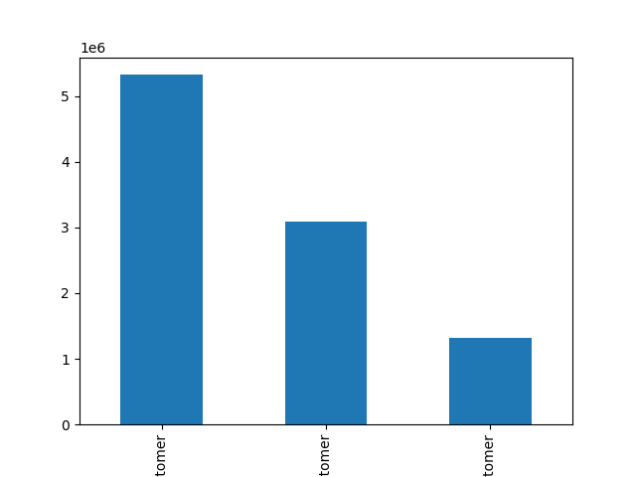

Comments: Regular Customers, who order approximately every 2-weeks, are the largest group. This is followed by New Customers ordering for the first time, then Loyal Customers, who order approximately once every week.

Business Question: What time of day do customers order items with the highest prices.
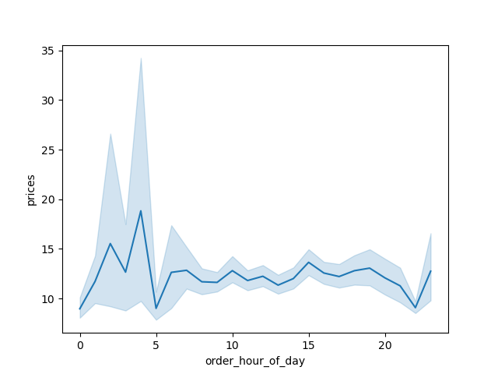

Comments: Customers tend to order the most expensive items during the night, from midnight to 5am.

Business Question: Is there a relationship between age and number of dependants of Instacart customers?

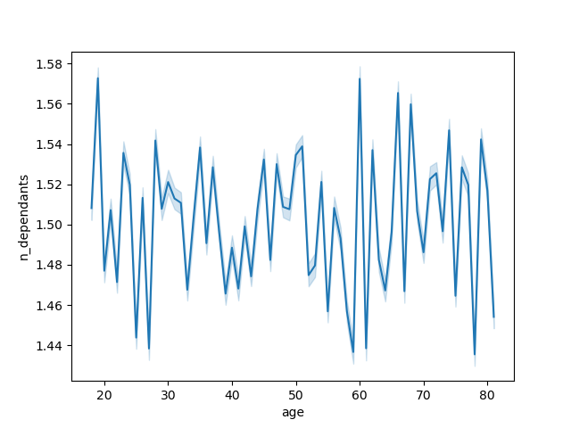

Comment: There is no relationship between age and number of dependants. All customers, regardless of age, tend to have 1.5 dependants on average.

Business Question: Is there a relationship between age and income of Instacart Customers?


Comment: This scatterplot shows that after the age of 40, there tends to be a shift in income and that more people earn more money after the age of 40.

Visualizations from Exercise 4.10

Family Status Segmentation
divorced/widowed | 793658
living with parents and siblings | 445109
married | 6522580
single | 1528054
Business Question: Find customer segments with interesting characteristics in order to recommend Marketing campaigns to drive their shopping.
Data investigation found the following:
 | Married families are the largest audience group.

Income Segmentation of Family Status
 | Below 67300 | 67301 to 96779 | 96780 to 128138 | 128139 and over
divorced/widowed | 98826 | 108777 | 282264 | 303791
living with parents and siblings | 199482 | 211947 | 28347 | 5333
married | 1543778 | 1534507 | 1711094 | 1733201
single | 480285 | 467257 | 300633 | 279879
 | Divorced/Widowed families have the highest income.
 | There is a very small target audience of customers living with their parents who have very high income.

Age Group Segmentation by Family Status
 | 18 to 33 | 34 to 49 | 50 to 65 | 66 and over
divorced/widowed | 0 | 0 | 221746 | 571912
living with parents and siblings | 445109 | 0 | 0 | 0
married | 1301218 | 1755960 | 1716693 | 1748709
single | 581399 | 580187 | 366468 | 0
 | Divorced/Widowed families tend to be over 66 years old.
 | Living with parents and siblings are all under 33 years old.

Based on these observations, Instacart should target these three audience groups

Married with Children - defined by Family Status Married and Number Dependants 3
Living with Parents but High Income - defined by Family Status Living with Parents and Income over $128,139
Divorced/Widowed Retirees - defined by Family Status Divorced/Widowed and Age over 66.

Observations on these three Audience Groups

Size of Audience
highincomewithparents | 5393
marriedwithkids | 2285894
singleretirees | 599588
 |  | Married with Kids is the largest audience and therefore Instacart has the biggest possiblity for sales with this group.

 |  | Divorced/Widowed Retirees are about 20% the size of the Married with Kids audience, however, they have the highest income and therefore the most spending power.

 |  | High Income and Living with Parents are a small audience group. However they have distinctive shopping behavior and high spending power. Therefore Instacart will benefit by targeting these customers.

Average Number of Orders
highincomewithparents | 44.582792509
marriedwithkids | 32.953149621
singleretirees | 33.06683923
Average Purchase Price
highincomewithparents | 199.27716322
marriedwithkids | 11.774077806
singleretirees | 11.964466918
Average Days Since Last Order
highincomewithparents | 9.4372940492
marriedwithkids | 11.119147755
singleretirees | 11.075924437
 |  |  |  |  |  | High Income Living with Parents may be a small audience group. But they consistently have the most orders per customer, the highest purchase price, and the shortest period between orders.

 |  |  |  |  |  | This makes them valuable and worth targeting.

Where are these customers located?

Regional Segmentation for Customer Segments
 | south | west | midwest | northeast
highincomewithparents | 2589 | 1286 | 1007 | 511
marriedwithkids | 760581 | 593879 | 526444 | 404990
singleretirees | 193188 | 153627 | 140675 | 112098
 | All three Customer Segment groups are predominantly in the South and West regions

 | High Income with Parents have 70% living in these regions, with almost 50% in the South.

 | Married with Kids and Single Retirees have about 60% in the south and west.
 | These groups have more people living in the Northeast.

What is the most popular Department for purchases?

High Income with Parents:
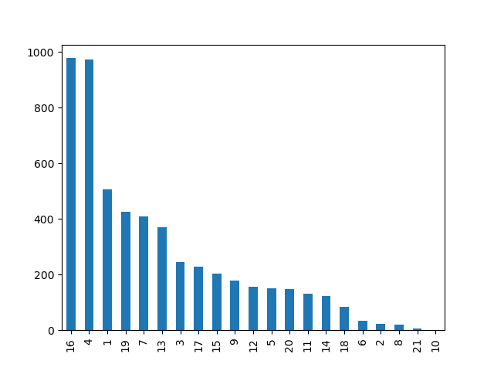

 |  | Overall, departments 16, 4 and 19 are the most popular across all three audience segments.

 |  | High Income with Parents purchase at the same rate from Departments 4 and 16.
 |  | This group also shows a preference for Department 1, as it is the 3rd most popular department.

 |  | Married with Kids and Retirees both purchase from Department 16 more than 4.
 |  | Department 1 is the 5th most popular department for these groups.

Married with Kids:
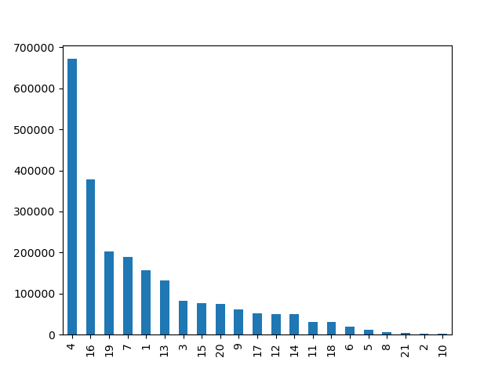

Single Retirees


What days do these customers do their shopping?

High Income with Parents
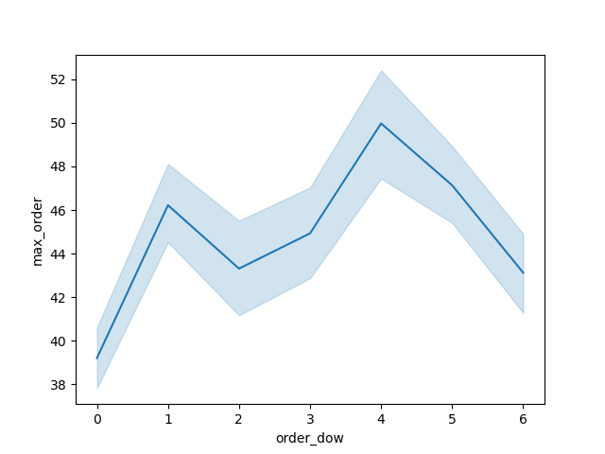
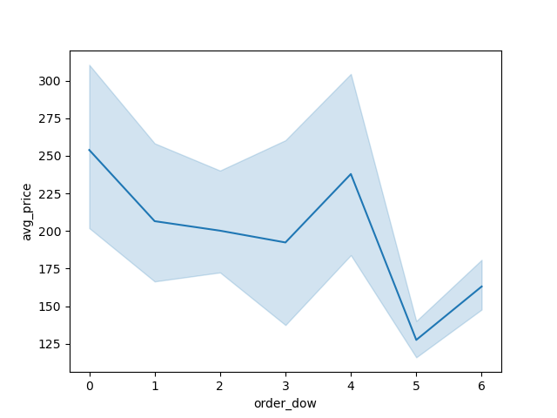

 |  |  |  |  | High Income with Parents tend to make the most orders on Thursdays and Mondays.
 |  |  |  |  | They purchase the most expensive items on Thursdays and Sundays.

 |  |  |  |  | Thursdays is a good day to target this audience.

Married with Kids

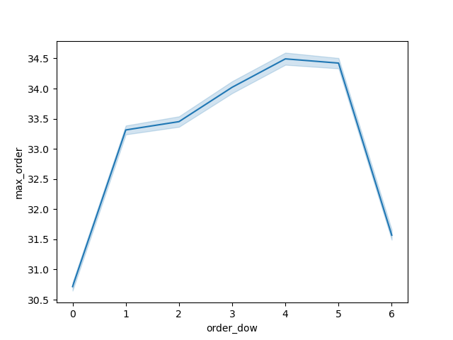
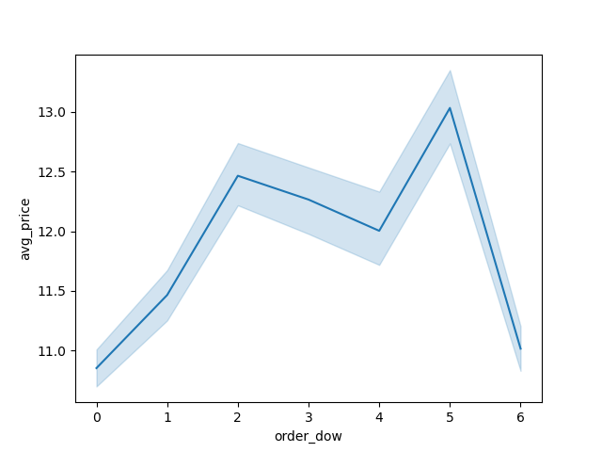

 |  |  |  |  | Married with Kids make all of their orders almost exclusively on weekdays.
 |  |  |  |  | They purchase the most expensive item on Fridays and Tuesdays.

 |  |  |  |  | Fridays are a good day to target these customers.

Single Retirees

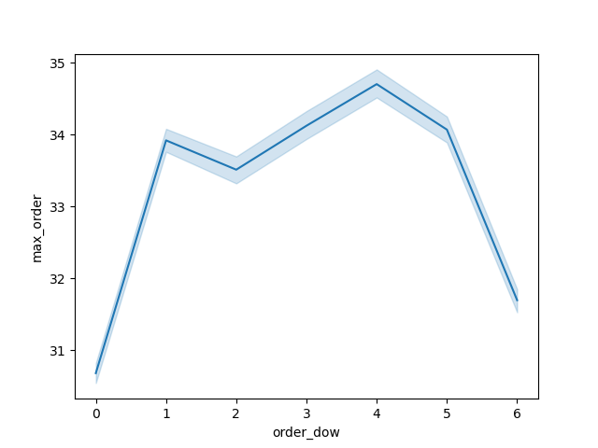
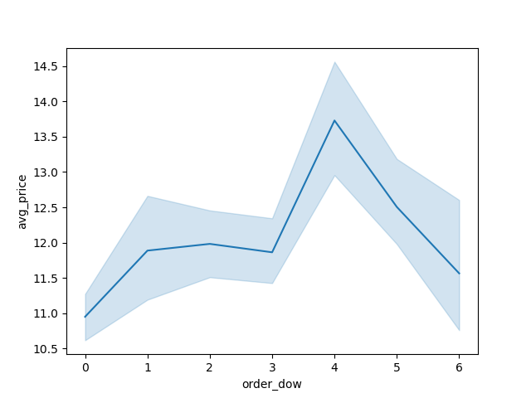

 |  |  |  |  | Single Retirees make their orders almost exclusively on weekdays.
 |  |  |  |  | There is a slight peak in purchases on Thursdays.
 |  |  |  |  | They purchase the most expensive items on Thursdays.

 |  |  |  |  | Thursdays are a good day to target these customers.

What time of day do these customers place orders?

High Income with Parents
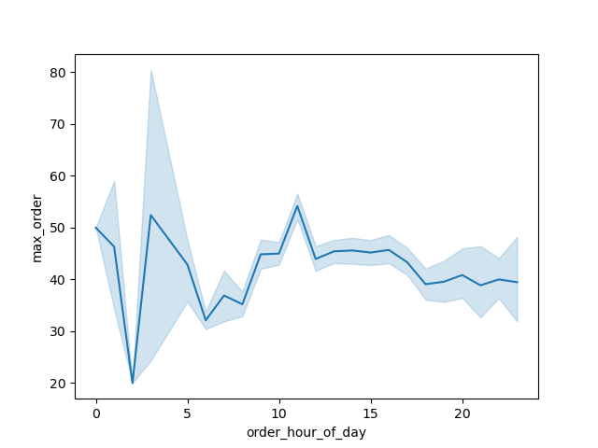
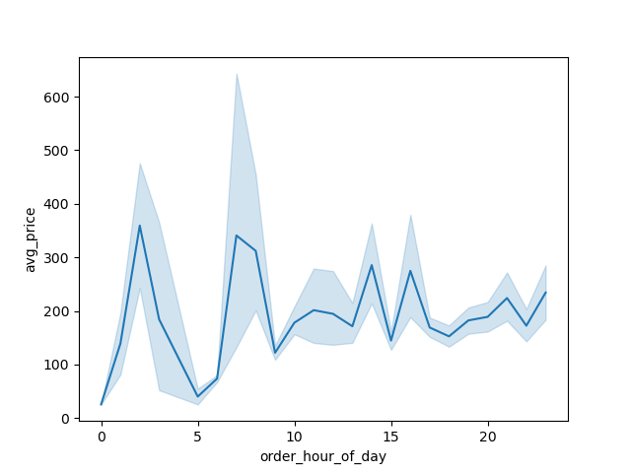

 |  |  |  | High Income with Parents place orders consistently through the day with a slight decrease in the morning between 6am and 8am.
 |  |  |  | The high priced orders tend to happen at night or in the morning.

Married with Kids
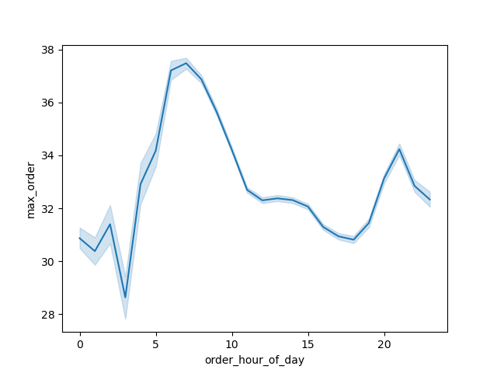
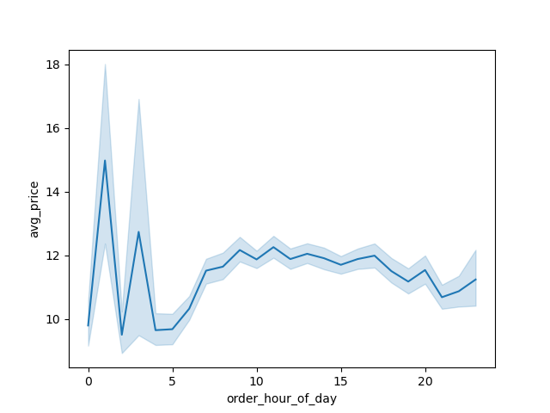

 |  |  |  | Married with Kids place the majority of their orders in the mornings between 5am and 10 am or at night after 8pm.
 |  |  |  | They purchase the most expensive items at night.

Single Retirees

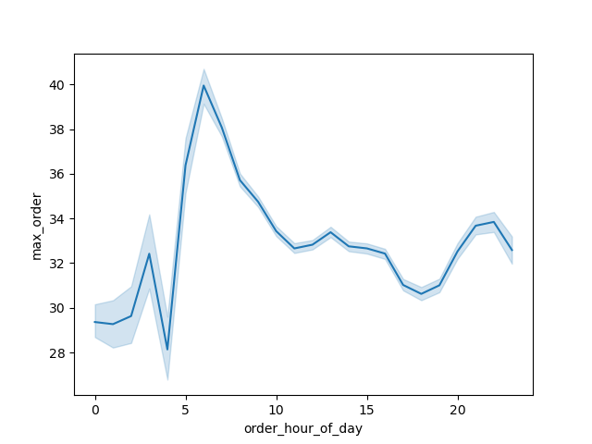
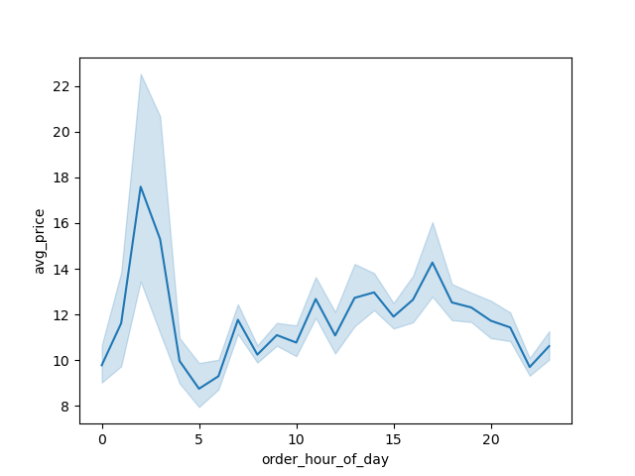

 |  |  |  | Single Retirees place the most orders early in the morning between 5am and 8am.
 |  |  |  | They tend to purchase the most expensive items at night.

7. Recommendations
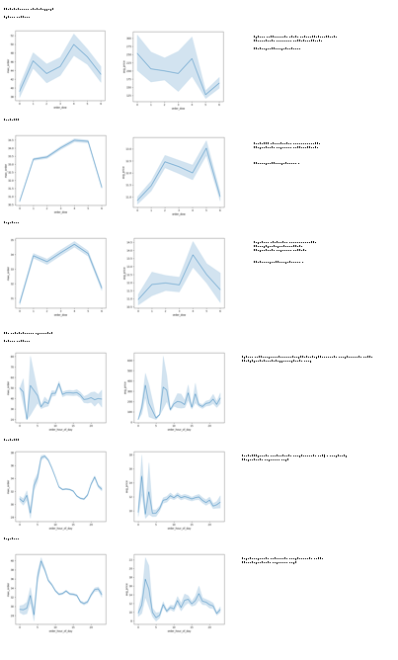
 |  |  | Title page

Recommendations

In this tab you should include any recommendations you would made to Instcart in terms of their marketing strategy based on the questions posed in the brief. Every key question has been covered in the Tasks of the Exercises - here you need to add an item - a visualisation or table/crosstable that is showing the answer in the data, acompanied by a comment from you. Please, list the questions below and add the answer underneath.

Question | Answer

Which Audience Segments should Instacart Target? |  | High Income Living with Parents, Married with Kids, Single Retirees

Why should Instacart target these groups? |  | Married is the largest audience segment.
Family Status Segmentation
divorced/widowed | 793658
living with parents and siblings | 445109
married | 6522580
single | 1528054

 |  | Single Retirees have the most income and therefore the most spending power.
Income Segmentation of Family Status
 | Below 67300 | 67301 to 96779 | 96780 to 128138 | 128139 and over
divorced/widowed | 98826 | 108777 | 282264 | 303791
living with parents and siblings | 199482 | 211947 | 28347 | 5333
married | 1543778 | 1534507 | 1711094 | 1733201
single | 480285 | 467257 | 300633 | 279879

 |  | High Income Living with Parents have the most desireable shopping behavior.

What items do these groups buy? |  | Departments 16, 4, 1

Where are these folks located? |  | Most commonly, they are in the South and West. Married with Kids and Single Retirees have a slightly larger presence in the Northeast.

Regional Segmentation for Customer Segments
 | south | west | midwest | northeast
highincomewithparents | 2589 | 1286 | 1007 | 511
marriedwithkids | 760581 | 593879 | 526444 | 404990
singleretirees | 193188 | 153627 | 140675 | 112098

What day & time do these customers do their shopping? |  | High Income with Parents tend to do the best shopping on Thursdays. Anytime except the mornings.
 |  | Married with Kids tend to do their shopping on Fridays. Before 10am or after 8pm.
 |  | Single Retirees tend to do their shopping on Thursdays and in the mornings.

