myexcel.csv
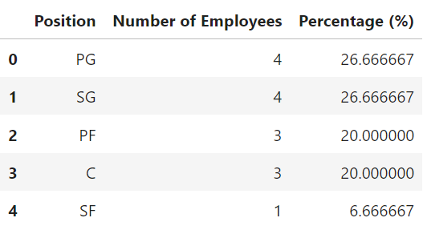
Name | Team | Number | Position | Age | Height | Weight | College | Salary | Sum | Percentage Split
Avery Bradley | Boston Celtics | 0 | PG | 25 | 170 | 180 | Texas | 7730337 | 478 | 0
Jae Crowder | Boston Celtics | 99 | SF | 25 | 179 | 235 | Marquette | 6796117 | 522 | 225
John Holland | Boston Celtics | 30 | SG | 27 | 171 | 205 | Boston University | 6796117 | 445 | 68.181818182
R.J. Hunter | Boston Celtics | 28 | SG | 22 | 162 | 185 | Georgia State | 1148640 | 436 | 63.636363636
Jonas Jerebko | Boston Celtics | 8 | PF | 29 | 175 | 231 |  | 5000000 | 432 | 18.181818182
Amir Johnson | Boston Celtics | 90 | PF | 29 | 159 | 240 |  | 12000000 | 426 | 204.54545455
Jordan Mickey | Boston Celtics | 55 | PF | 21 | 166 | 235 | LSU | 1170960 | 346 | 125
Kelly Olynyk | Boston Celtics | 41 | C | 25 | 158 | 238 | Gonzaga | 2165160 | 297 | 93.181818182
Terry Rozier | Boston Celtics | 12 | PG | 22 | 156 | 190 | Louisville | 1824360 | 256 | 27.272727273
Marcus Smart | Boston Celtics | 36 | PG | 22 | 176 | 220 | Oklahoma State | 3431040 | 255 | 81.818181818
Jared Sullinger | Boston Celtics | 7 | C | 24 | 173 | 260 | Ohio State | 2569260 | 220 | 15.909090909
Isaiah Thomas | Boston Celtics | 4 | PG | 27 | 166 | 185 | Washington | 6912869 | 246 | 9.0909090909
Evan Turner | Boston Celtics | 11 | SG | 27 | 174 | 220 | Ohio State | 3425510 | 283 | 25
James Young | Boston Celtics | 13 | SG | 20 | 152 | 215 | Kentucky | 1749840 | 286 | 29.545454545
Tyler Zeller | Boston Celtics | 44 | C | 26 | 167 | 253 | North Carolina | 2616975 | 288 | 100
 |  |  |  |  |  |  |  |  | 0

Summary
1. distribution of employees across each team and calculate the percentage split relative to the total number of employees
2. Segregate employees based on their positions within the company
3. The predominant age group among employees
Age Group
23-27 :8
20-22 : 5
28-30: 2
Prodominent: '23-27', 8
4. Discovering which team and position have the highest salary expenditure
(('PG', 'Boston Celtics'), 19898606)
5. Investigative result of correlation between age and salary
Pearson correlation coefficient between age and salary: 0.7052395617176469. The value of 0.705 is close to 1, which suggests a strong positive linear relationship between age and salary.As age increases, there's a tendency for salaries to increase as well.

