Instructions
Note: make sure you are using "parts_list" file and not "parts_list_nesting" file, the second one doesn't have data validation and images
 | 3. Run the script selecting this file's location
1. In the "Materials" sheet, list all the raw materials you are going to use and their lengths:
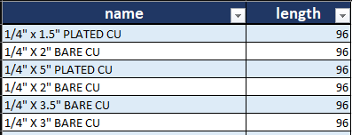
Example: | 4. The script will create another file with the same name and the suffix "_nesting". There will be two new sheets: "Nesting_detail" and "Nesting_summary".
 | 4.1 Nesting_detail: here you can find the table for the detailed nesting with 4 columns:
 | 4.1.1 Profile: this is the raw materilal used
 | 4.1.2 Pieces: the lengths of the nested parts, split and separated by a "|" symbol.
 | 4.1.3 Used: this is the quantity of raw material used in the nesting.
 | 4.1.4 Waste: the remaining raw material after the nesting.
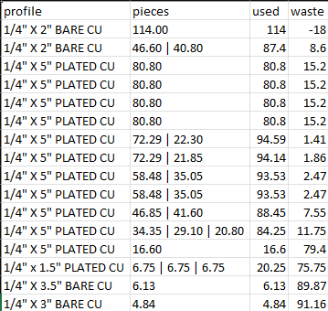
 | Example:

2. In the "Parts" sheet, list all the parts you want to nest:
2.1 Item: this is a consecutive number used just for identification.
2.2 Length: this is the length of the part as shown on the BOM/drawing.
2.3 Qty: total quantity of parts used for the nesting.
2.4 Profile: the raw material used for this part (it should match exactly the ones listed in "Materials").

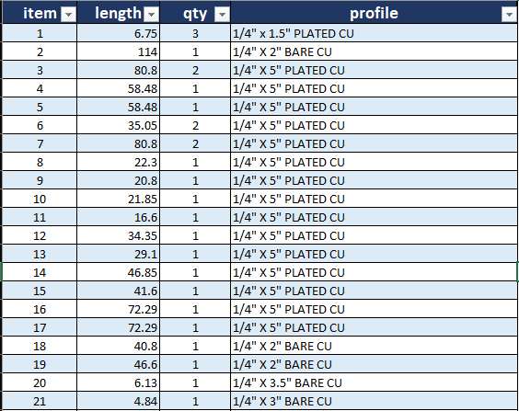
Example:

 | 4.2 Nesting_summary: here you will find 5 columns:
 | 4.2.1 Profile: this is the raw materilal used
 | 4.2.2 Total bars: this is the quantity of profiles of the selected length (in the "Materials" sheet) used in all the nestings.
 | 4.2.3 Total waste: this is the total length of the waste from the nestings that used this material.
 | 4.2.4 Utilization: this is the percentage of raw material usage.

 | Example:

