DFM template
Seeed DFA report
Project Name： |  | Prepared by: Qiaoyu Lin |  |  |  | Date: 20220211
Item | Problem description 问题描述 | Reference location 影响位置 | Impact 影响 | Image 图片 | Seeed Suggestion 矽递建议 | Customer feedback 客户反馈 | Severity 严重度 | Status 状态
1 | There is missing the holes in the Gerber | J1,J2 | couldn't be solder in the boards |  | Please update the Gerber to match with the datasheet |  | High | open
2 | The clearance between the holes are not match with the datasheet | J9 | couldn't be solder in the boards | 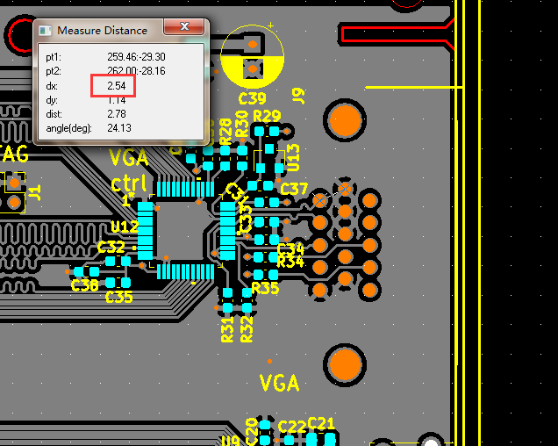 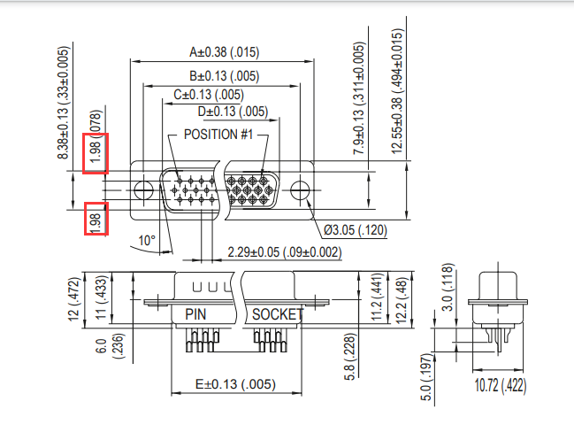 | Please update the Gerber to match with the datasheet |  | High | open
3 | There is not solder mask layer in the bottom | bottom solder mask layer | couldn't sure how to apply the solder mask oil | 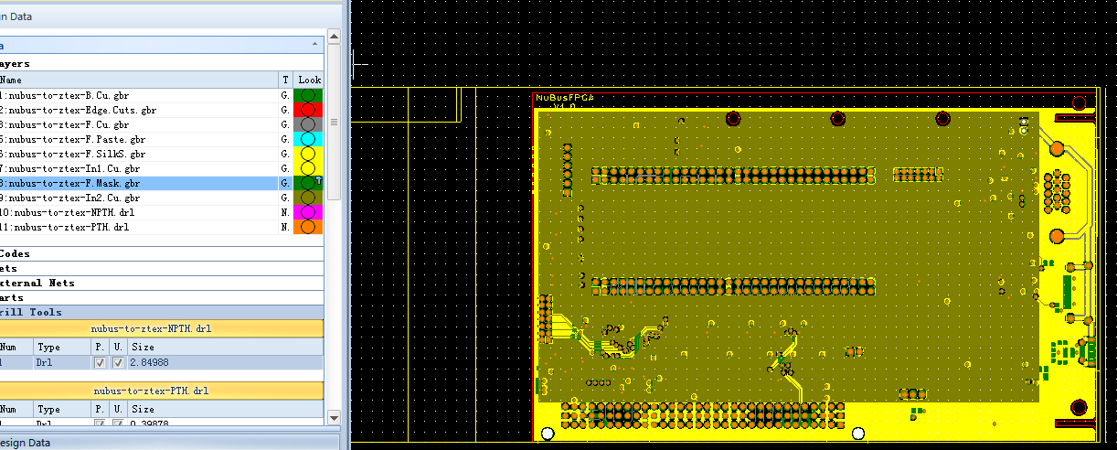 | Please add it in the Gerber |  | High | open
4 |  |  |  |  |  |  | Middle | open
5 |  |  |  |  |  |  | Middle | open
6 |  |  |  |  |  |  | Middle | open
7 |  |  |  |  |  |  | Middle | open
8 |  |  |  |  |  |  | Middle | open

