REPORT L&C
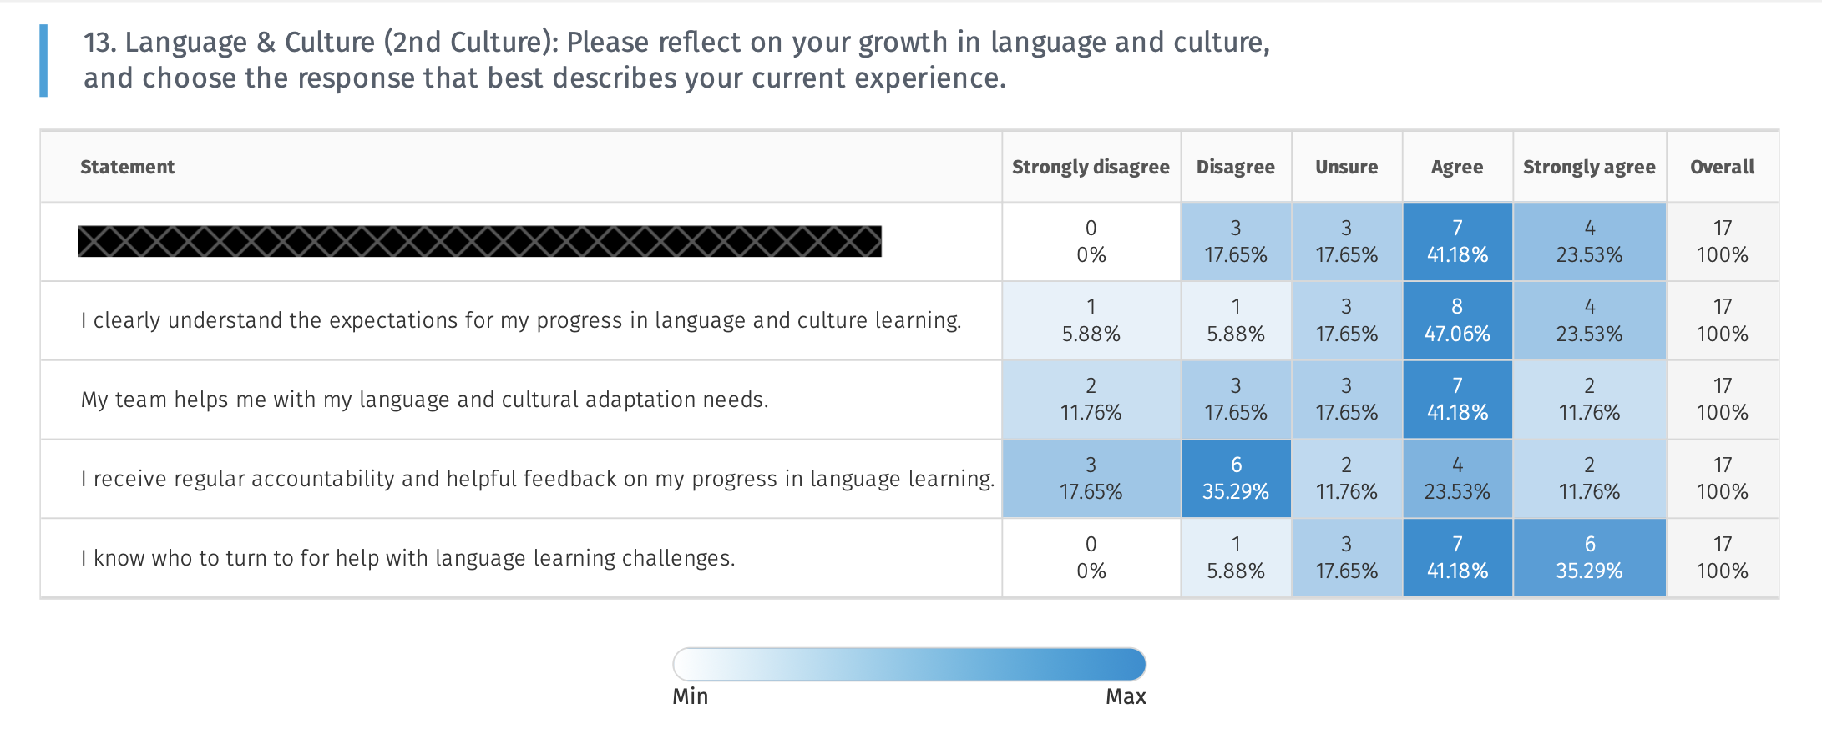
Language & Culture
Description:
The Language & Culture department exists to support JV missionaries as they live and serve in multicultural contexts. Our role is to provide guidance, resources, and accountability for language learning and cultural adaptation. We walk alongside you as you grow in communication and cultural understanding so that you can engage ministry effectively and build meaningful relationships across cultures.

Question | Count | Score |  | Result | What we Learn
I clearly understand the expectations for my progress in language and culture learning. | 17 | 3.76 |  | Medium | Survey data suggests staff know some expectations, but they are not consistently reinforced or tracked.
My team helps me with my language and cultural adaptation needs. | 17 | 3.24 |  | Low | Staff report feeling unsupported by their team in language or cultural adaptation, or unsure where to find help.
I receive regular accountability and helpful feedback on my progress in language learning. | 17 | 2.76 |  | Low | Staff report lacking regular accountability or helpful feedback, possibly contributing to slow language learning progress.
I know who to turn to for help with language learning challenges. | 17 | 4.06 |  | High | Staff clearly know where to seek help for language and cultural challenges.
I am growing in my ability to live and function daily in another culture and language. |  | 4.18 |  | High | Staff function effectively in daily life using language and cultural skills.
I feel increasingly capable in ministry because of my language and cultural skills. |  | 3.29 |  | Medium | Staff have some capability, but confidence is uneven or fragile.
I regularly feel discouraged about my pace of language learning. | 17 | 3.24 |  | Medium | Staff experience occasional discouragement during transitions, busy seasons, or setbacks. | 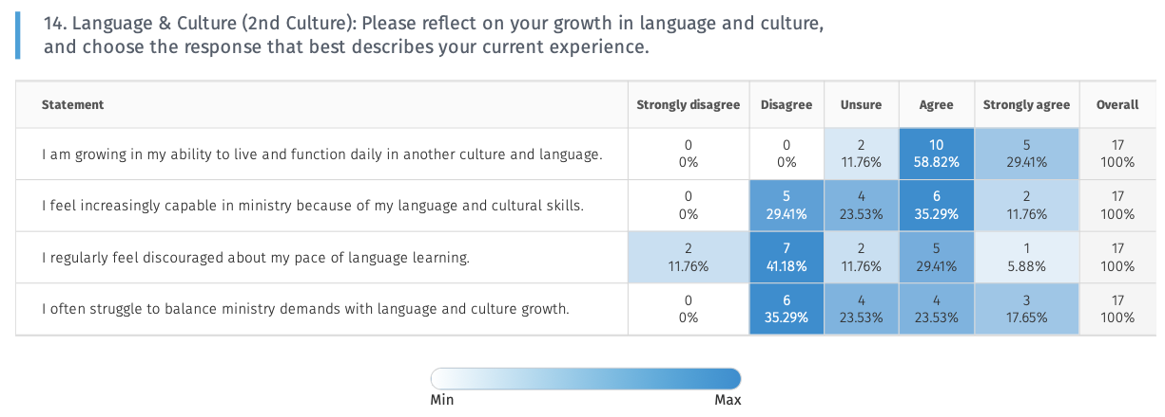
I often struggle to balance ministry demands with language and culture growth. | 17 | 2.76 |  | Low | Staff report frequent imbalance, feeling torn between ministry and L&C learning.

 | Average: | 3.41125

1st Culture
I am able to switch into English and still communicate effectively on a team where my anguage is not everyone's first language | 5 | 4.4 |  | High | Staff communicate effectively in English on a multi-language team.
I am aware of cultural differences on my team and I intentionally seek to understand them. | 5 | 4.4 |  | High | Staff value English growth and intentionally invest in improving their skills.
It is important for me to grow in my English skills because I am part of such an international organization. | 4 | 4.5 |  | High | Staff are aware of cultural differences and seek to understand them intentionally.
I regularly offer grace and encouragement to ammates who experience culture shock o ow progress in language learnin | 4 | 3.75 |  | High | Staff regularly offer grace and encouragement to teammates in language and culture growth.
 | Average: | 4.2625

 | Weighted Average 1st & 2nd Culture Combined | 3.63 |  |  |  | 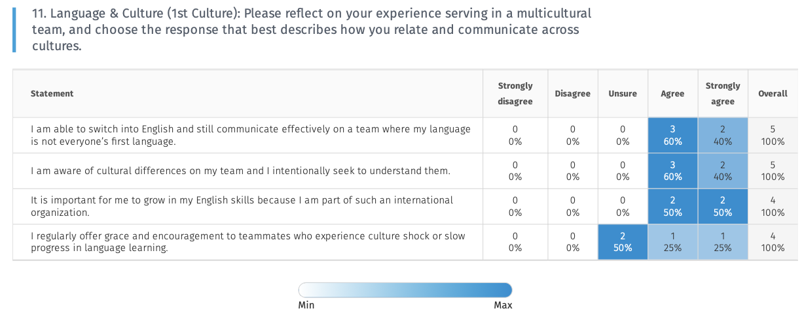

STRENGTHS: |  |  | POSSIBLE GROWTH AREAS:
Staff demonstrate strong cultural awareness and sensitivity when working on multicultural teams. |  |  | Accountability and follow-through in language learning are inconsistent.
Team members value growth in language and culture as essential to effective ministry. |  |  | Expectations around language and culture progress could be clearer.
Many staff feel increasingly capable in ministry because of their language and cultural skills. |  |  | Some staff experience discouragement related to the pace of their language learning.
There is a culture of grace and encouragement toward those navigating language and cultural adaptation. |  |  | Balancing ministry demands with language and culture growth remains challenging.
Language and culture growth is recognized as an important part of long-term sustainability. |  |  | More structured guidance would help translate effort into measurable progress.
 |  |  | Clearer support pathways would reduce uncertainty and increase confidence.

