Sheet1
MAYA- MAYA COTTAGES INC.
EASEMENT INFRACTION by CATEGORY
based on Latest Survey received from Engr. Ave L. San Buenaventura.

CATEGORY B. Easement Infraction

Lot Holder Name: | :
Lot # 9. Klaus/ Verena Gerhausser
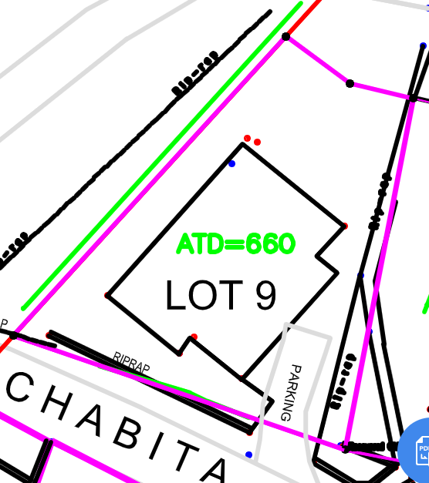 | 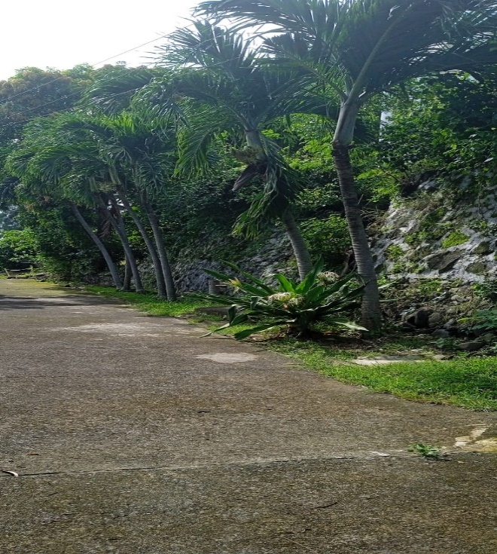 | 1.) Riprap ( facing chabitha st.) - some portion is outside the property line as per Technical Description (TD).
Lot # 22

