Sheet1
MAYA - MAYA COTTAGES INC.
EASEMENT INFRACTION by CATEGORY
based on map received from Engr. Avelino L.. San Buenaventura

CATEGORY B Easement Infraction

Lot Holder Name: | Photo: | Issue and Remarks:

Lot # 1. Honorio Poblador
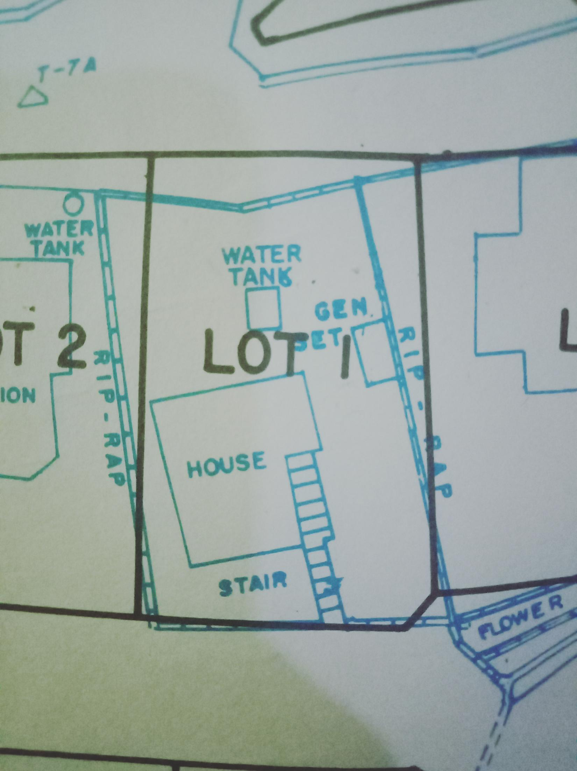 |  | 1.) Riprap (facing Chabitha St.)- portion is outside the property line

1
2
Lot # 2& 3. Adrew Walker
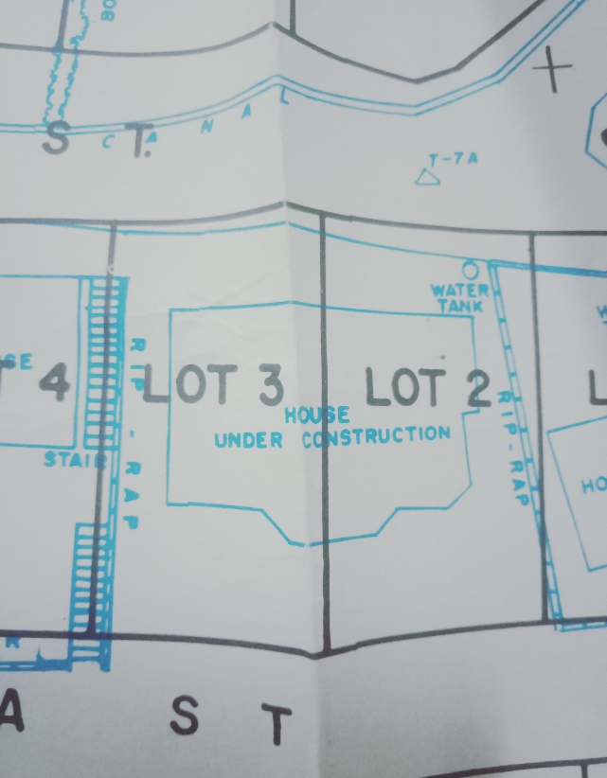 | 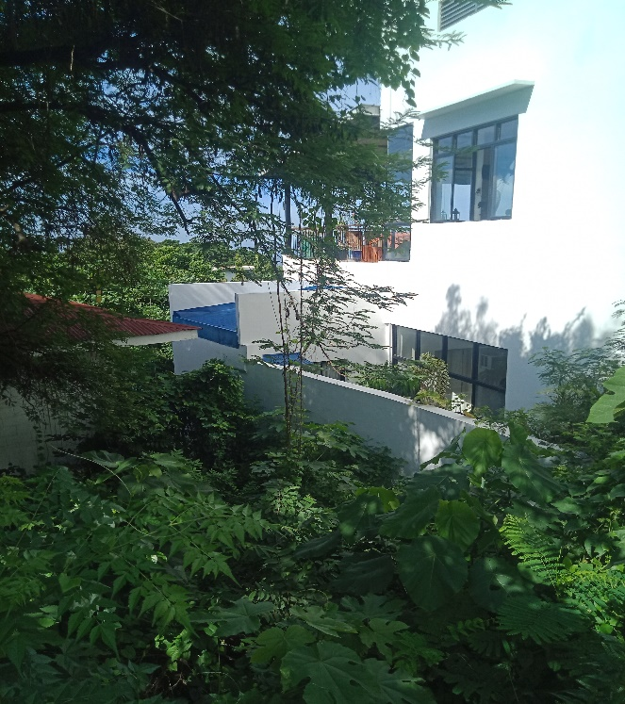 | 1.) Toilet (adjacent to Lot # 1)-is attached to the fence as per Actual Description(AD).
 | 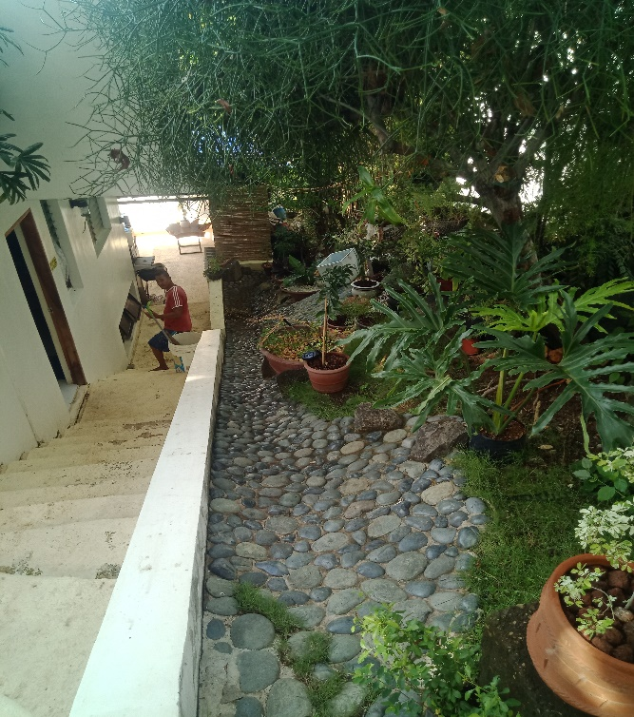 | 2.) Servant Quarter - is built over the boundary of 2 lots.
Lot # 9. Klaus Gerhausser/ Verena Gerhausser
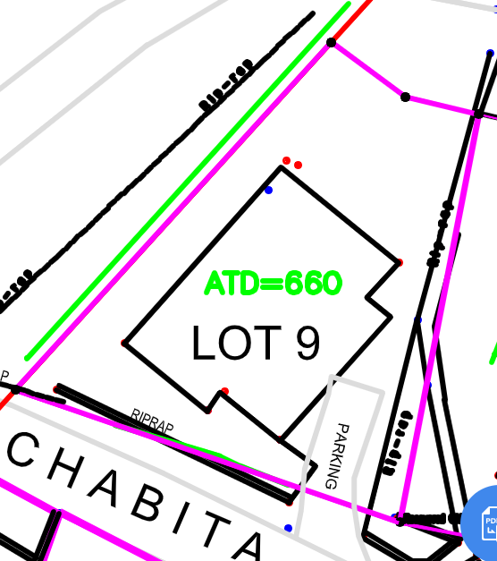 | 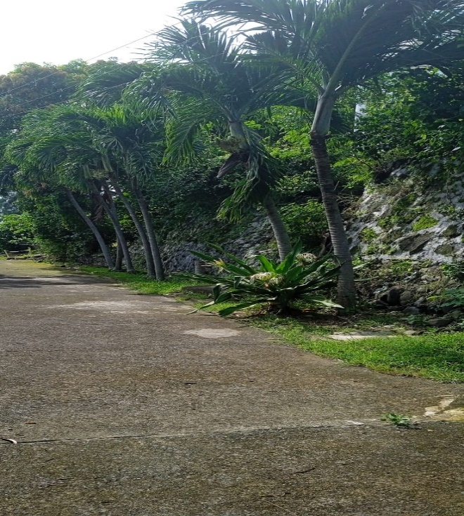 | 1.) Riprap ( facing chabitha st.) - portion is outside the property line as per Technical Description (TD).
Lot # 11 & 12. Richard Anthony Underwood/ Nicholas John Undwewood
2
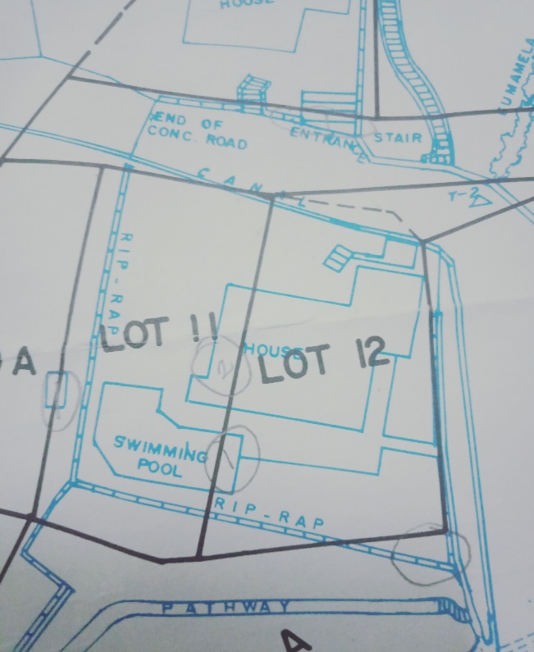 |  | 1.) Swimming Pool- is built over the boundary of 2 lots
1
 |  | 2.) House- also built over the boundary of 2 lots as per Technical Description (TD).
Lot # 31 Jurgen Von Grabowski
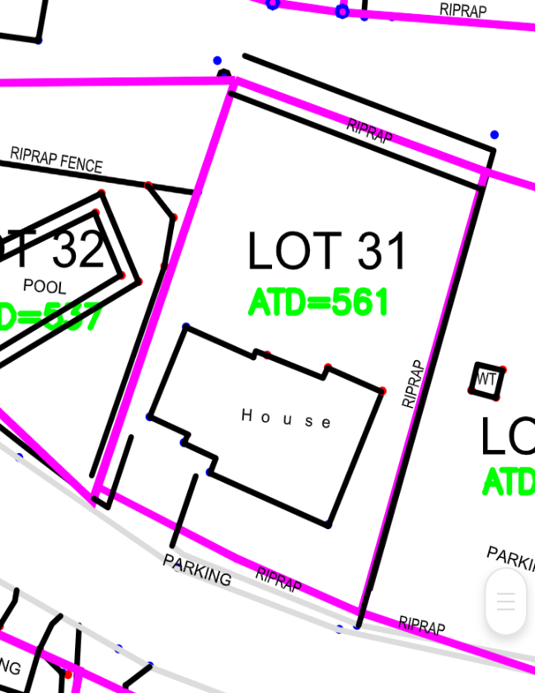 | 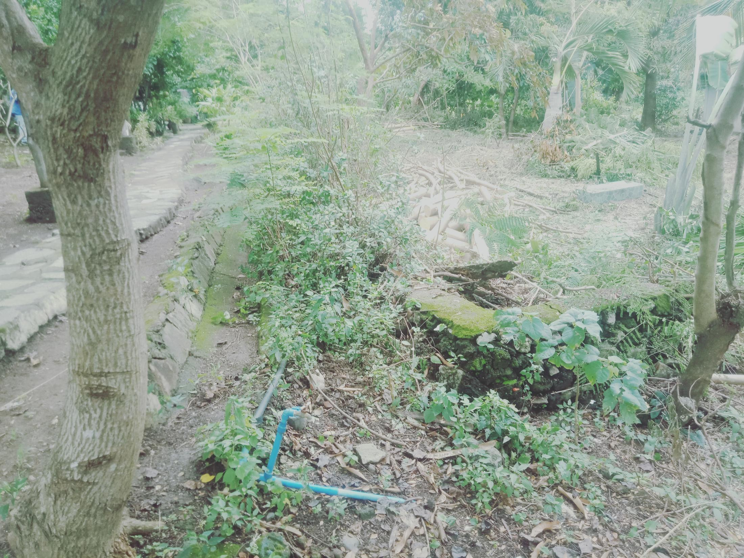 | 1.) Riprap ( facing parkland)- is outside the property line as per Technical Description(TD).
Lot # 43. Alfonso V. Lim
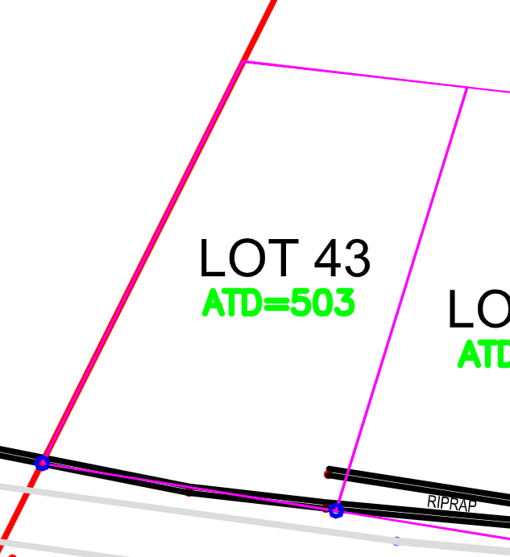 | 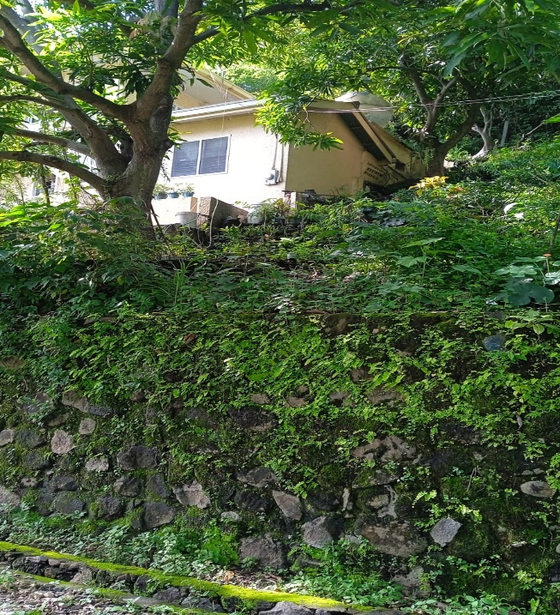 | 1.) House - is totally outside the property line as per Actual Description.
Lot # 46 & 47 MBH Trading and Manufacturing Corp.c/o Mariano Ho
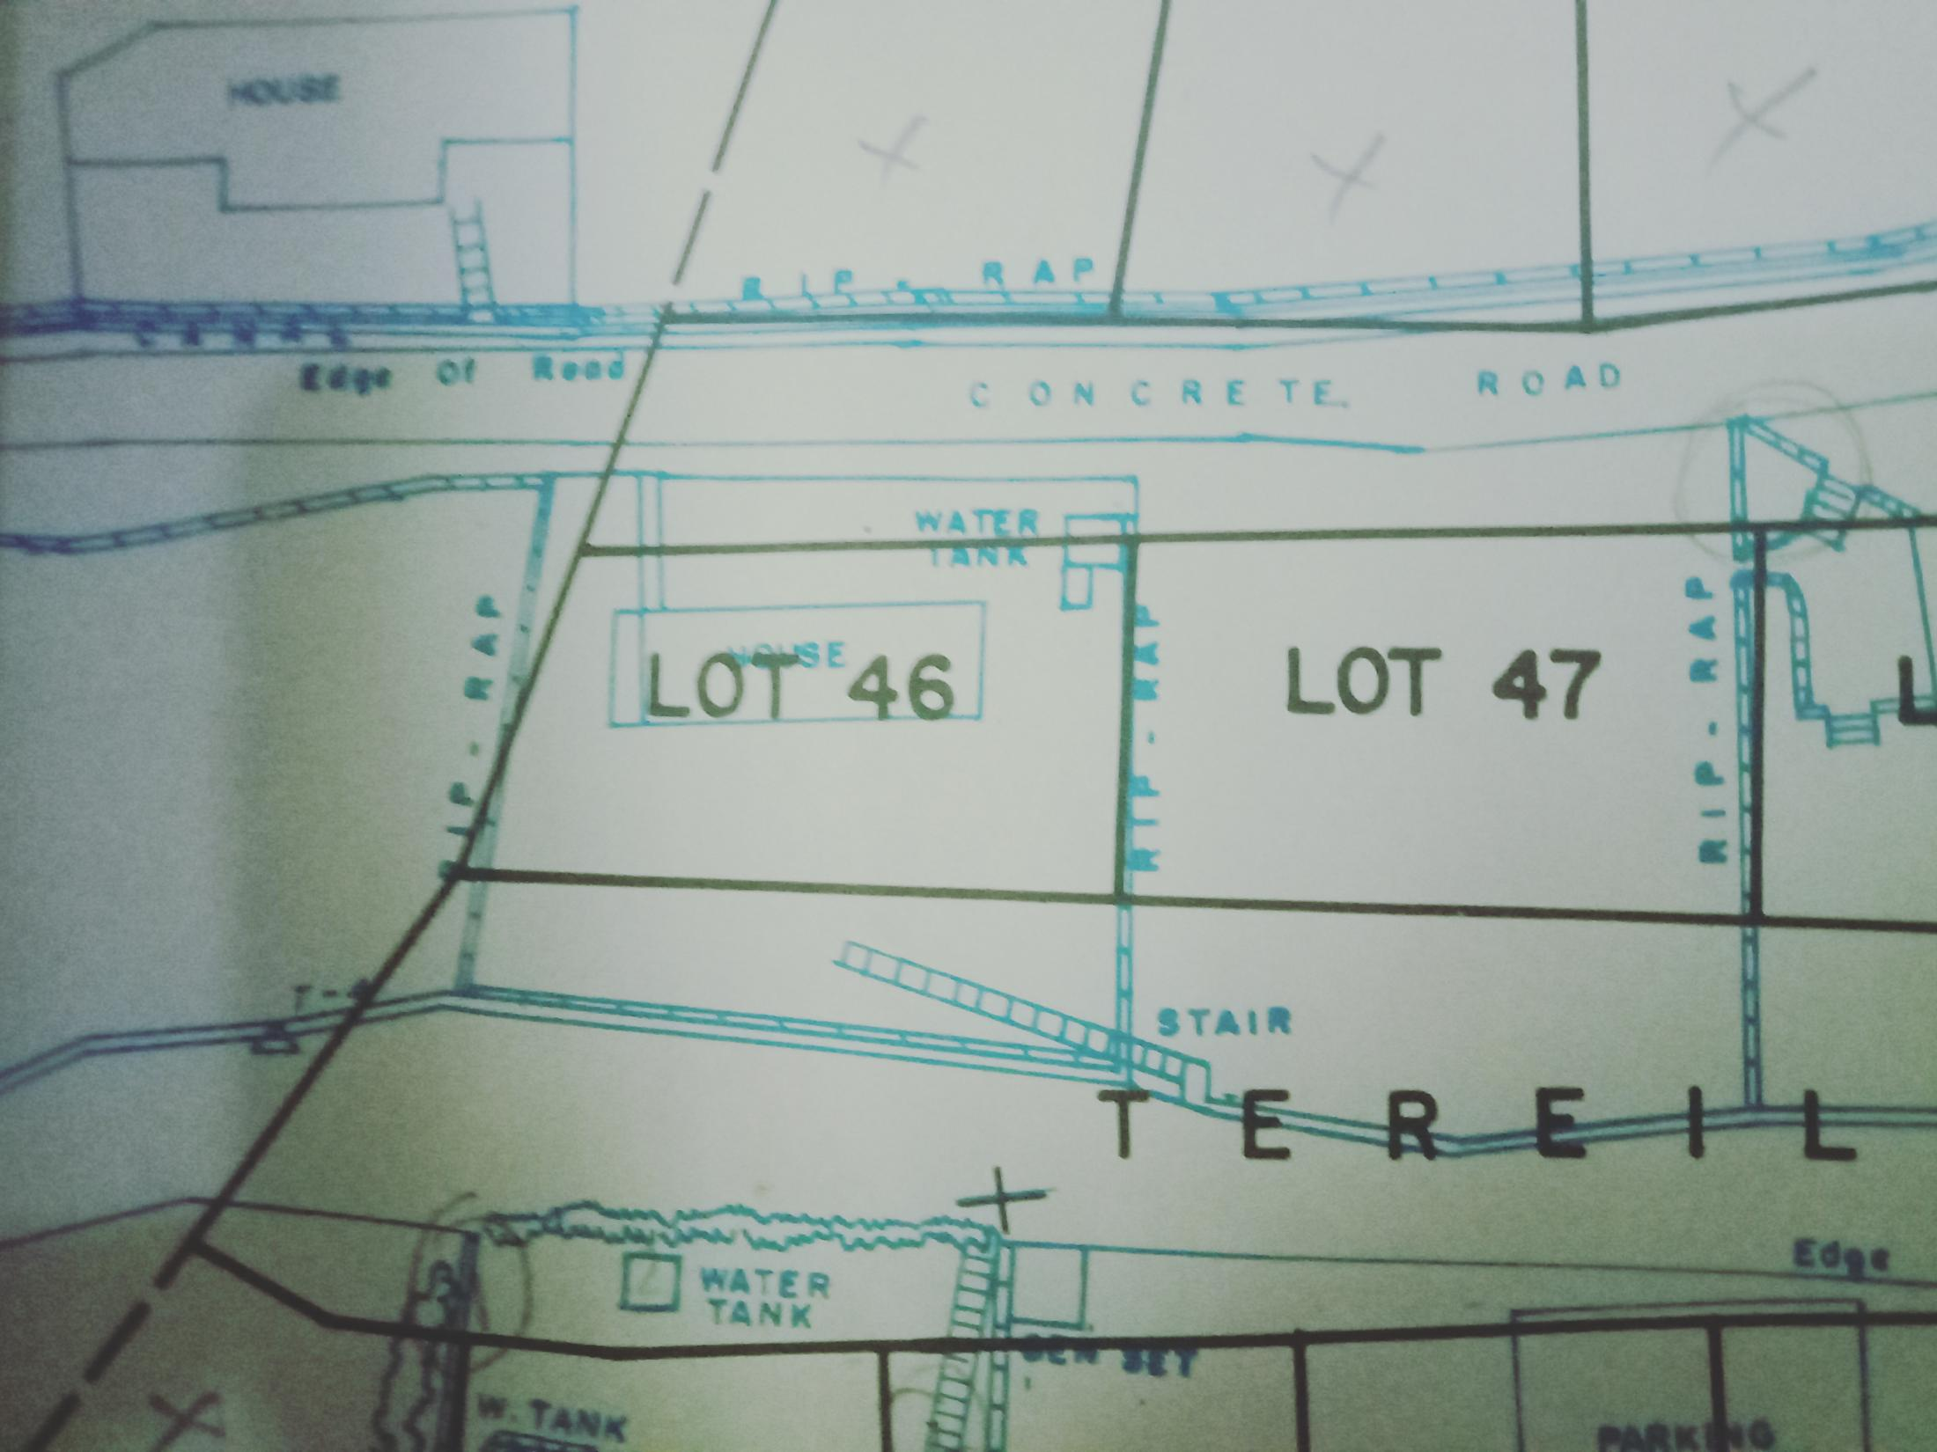 | 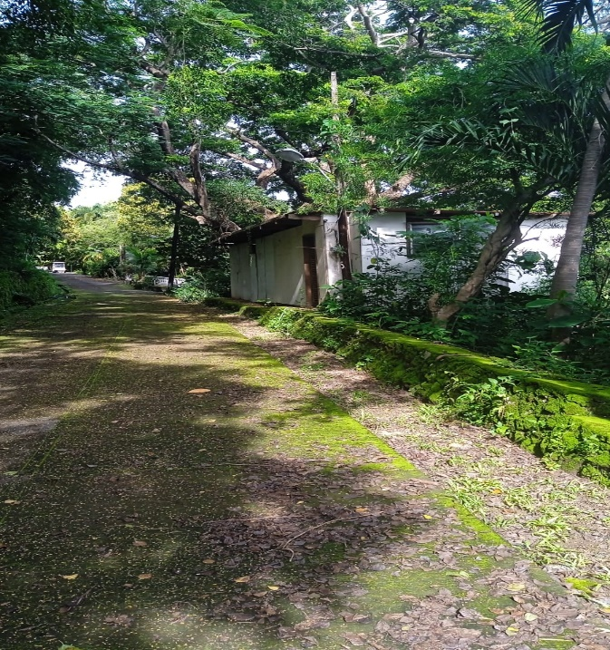 | 1.) Storage Room/ Stock Room- is attached to the riprap fence and as per Technical Description it is outside the property line .
Lot # 53. A&B .Mieke Norris
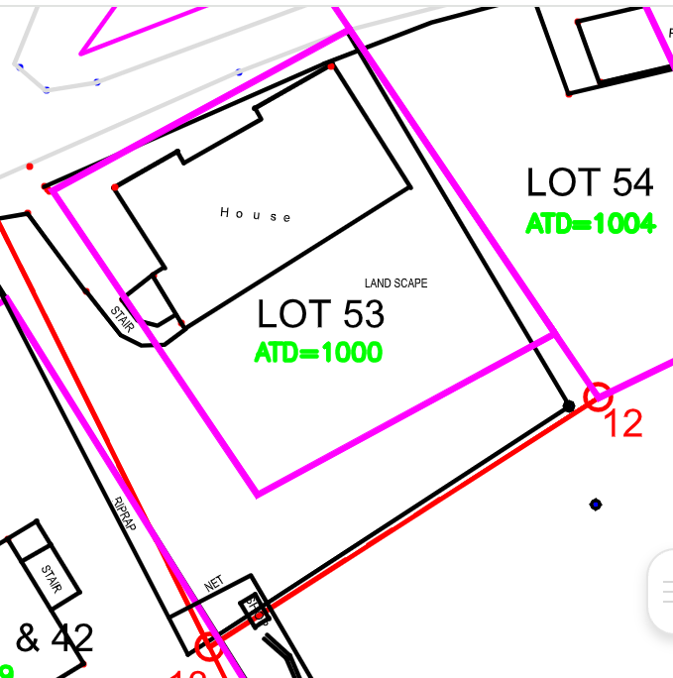 | 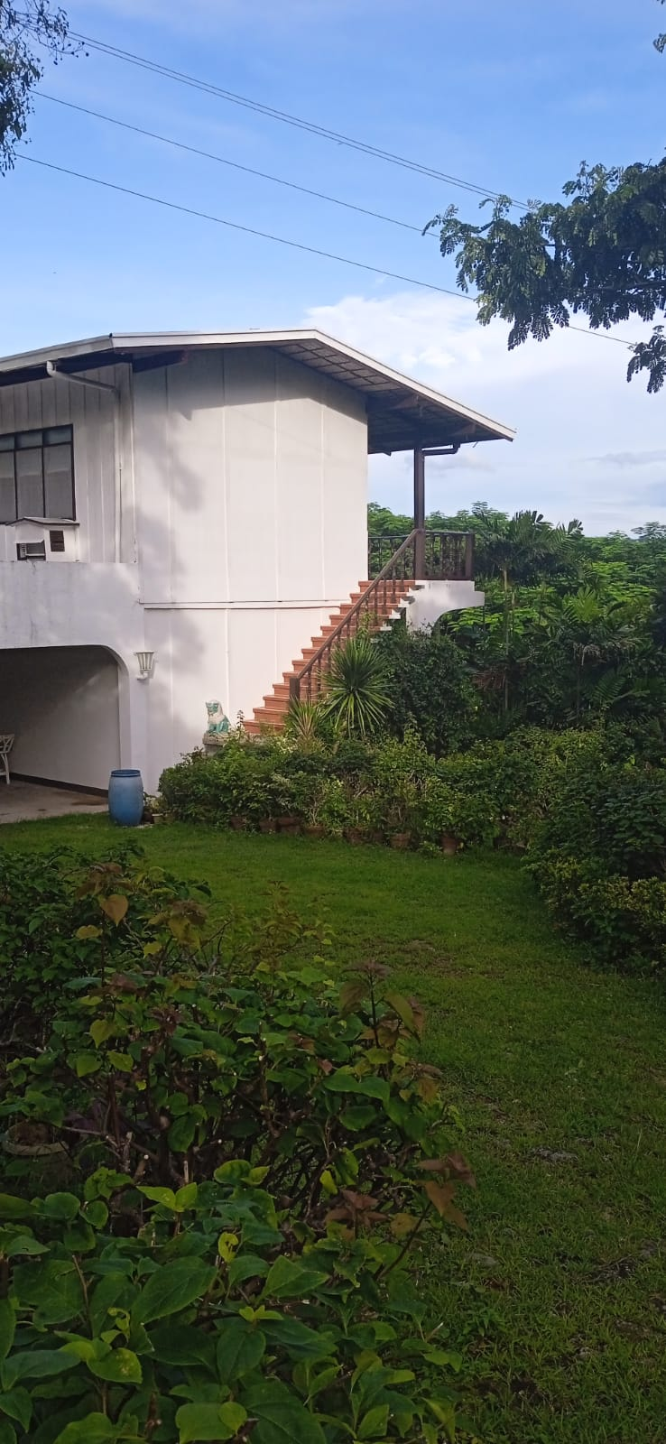 | 1.) Stairs- it is outside the property line as per Technical Description(TD).

