Sheet1
MAYA- MAYA COTTAGES INC.
EASEMENT INFRACTION by CATEGORY
based on Latest Survey received from Engr. Ave L. San Buenaventura.

CATEGORY C Easement/ Overlap

Lot Holder Name: | :

1
2
2
Lot# 22. Frederick Marie Verhaeghe
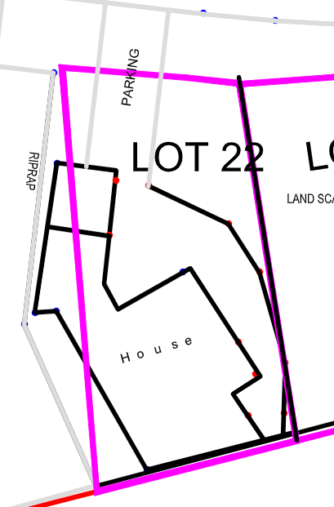 | 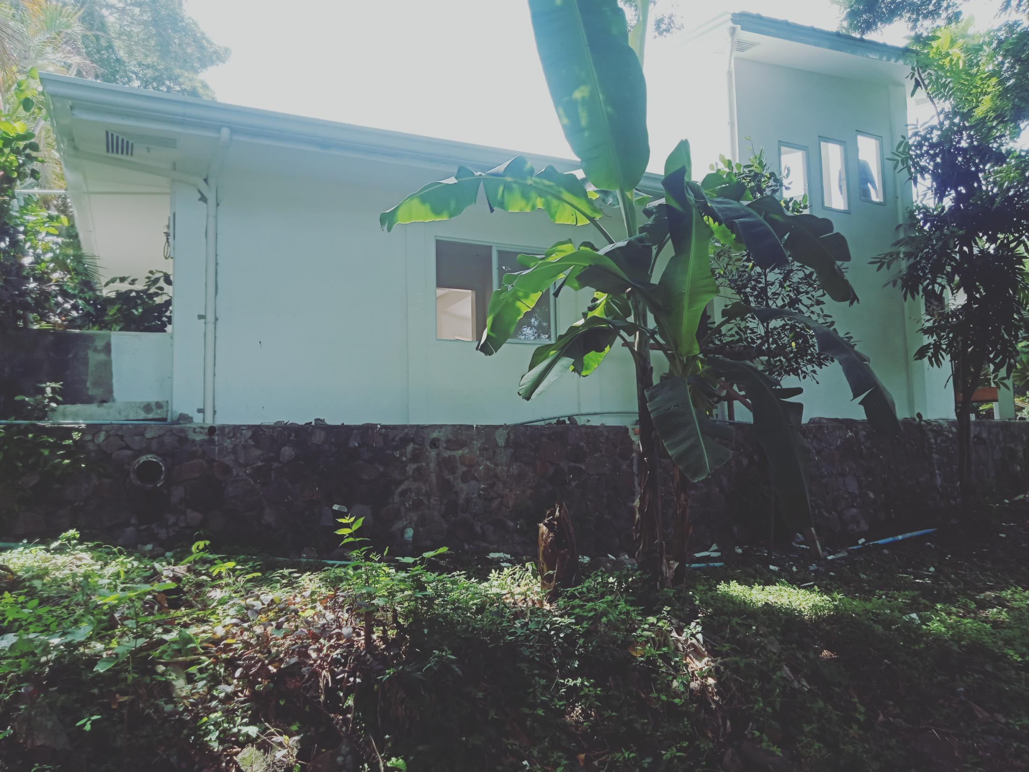 | 1.) House - portion is outside the property line as per Technical descriprion and it is attached to the riprap.
 | 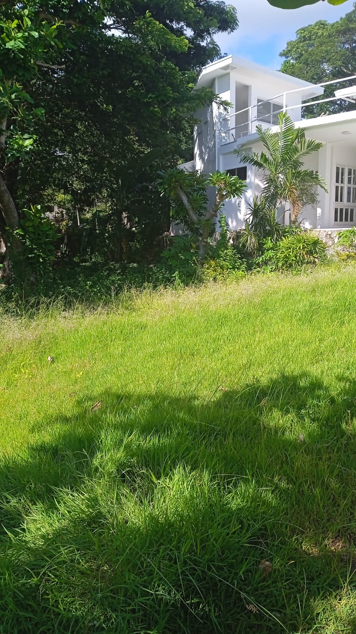 | 2.) Riprap(facing park land)- portion also is outside the property line as per Technical Description(TD).11
Lot# 24. Frederick Marie Verhaeghe
3
4
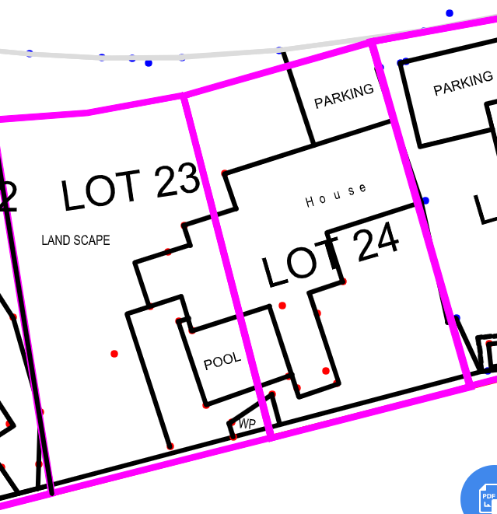 | 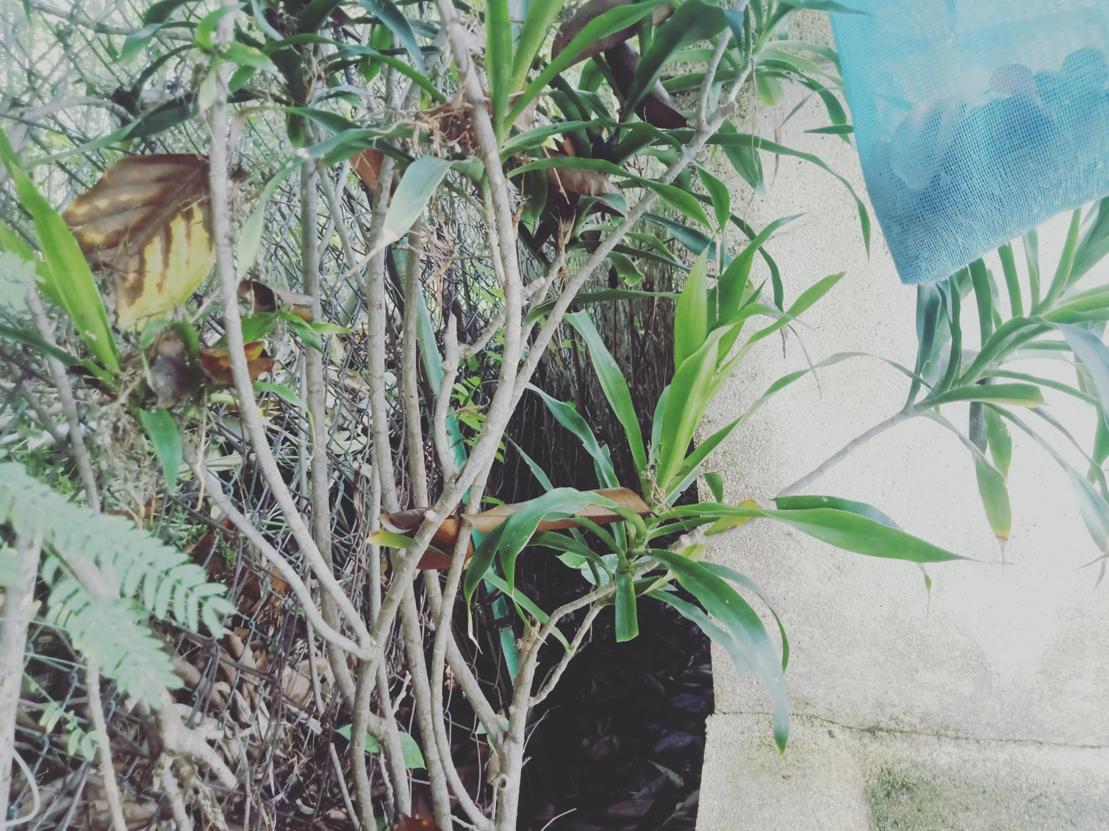 | 1.) Water Pump- is less than 2 meter set back from the boundary line as per Technical Description.
1
2
 | 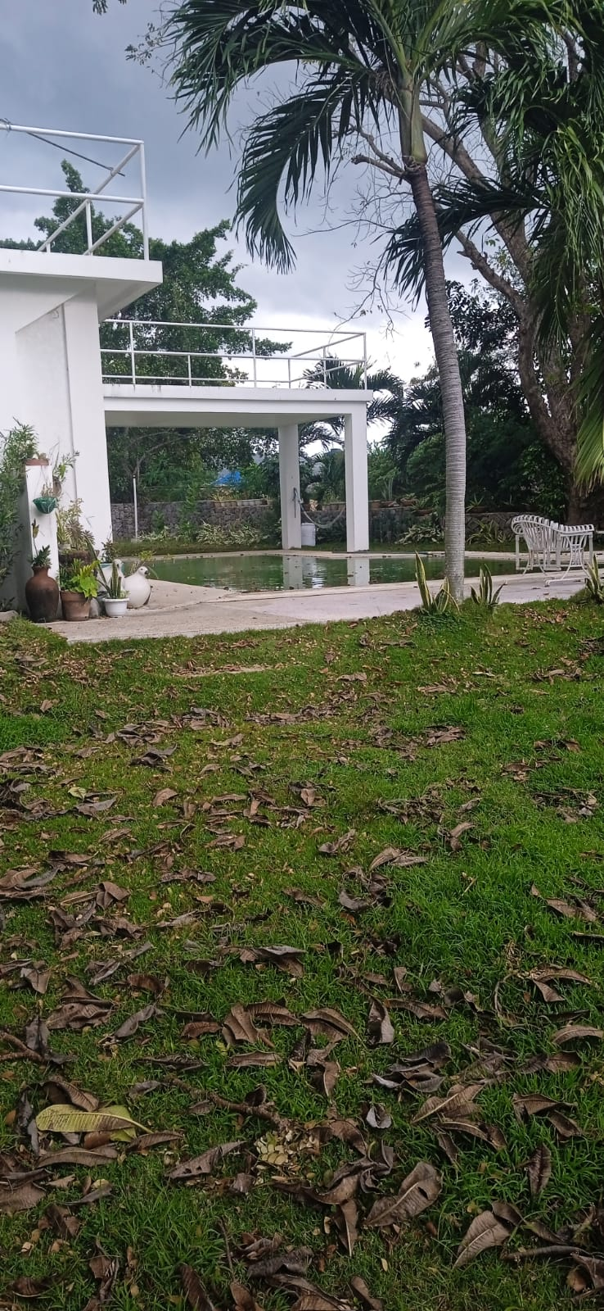 | 2.) Pool- portion is built over the boundary of 2 lots. same owner as Lot 23.
 | 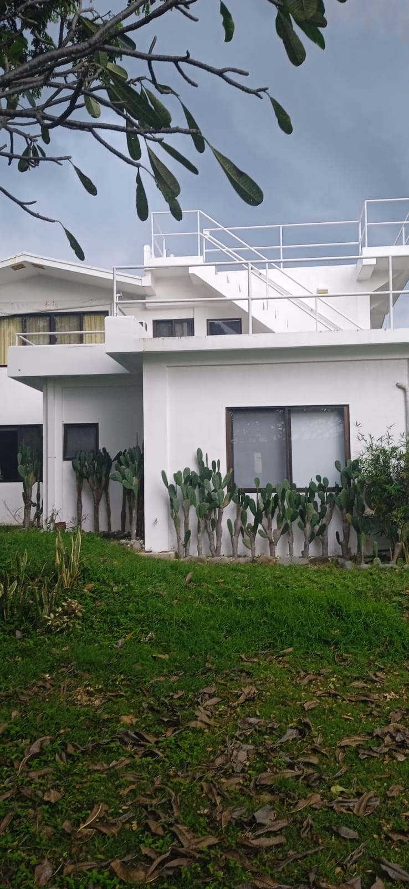 | 3.) House - also built over the boundary of 2 lots as per Technical Description(TD).
 | 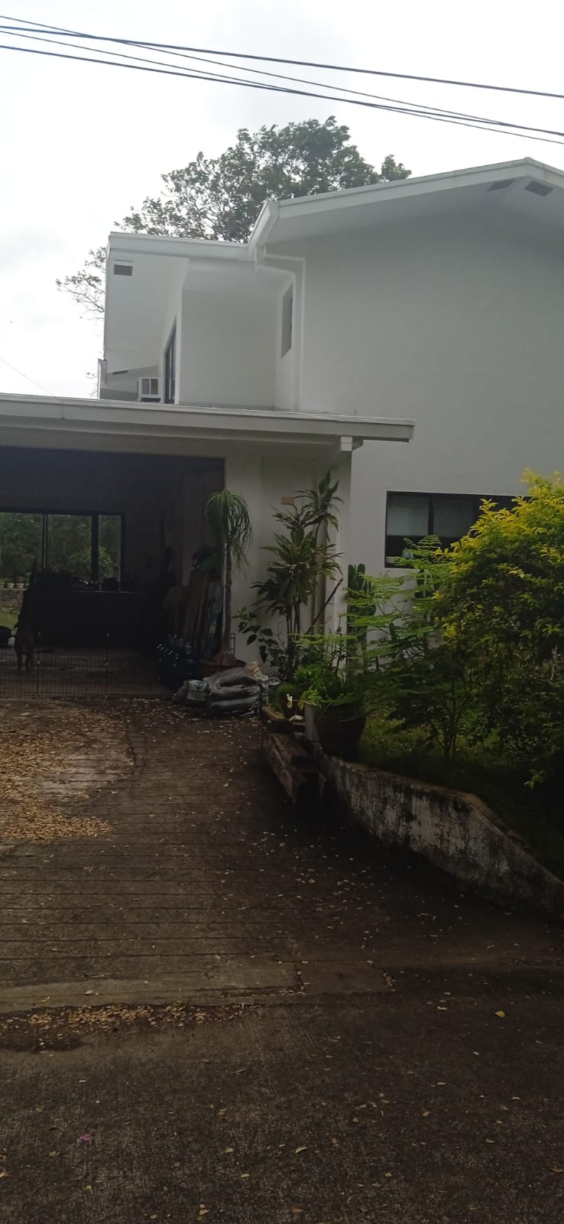 | 4.) Parking- portion is outside the boundary line as per Technical Description(TD).
Lot # 25 AB. Allan Kelly/ Elaine Santos

