Dailyctivity_Visuals
Total steps per participant |  |  | Moderately Active | Very Active | Light Active | Total | Features | # of participants | Difference | Total | %
596789 |  |  | 752 | 1952 | 4461 | 7166 | Daily Activity | 35 | 0 | 35 | 100%
258360 | 80% of the participants walked an average of 5607 steps per day that was tracked |  | 10.5% | 27.2% | 62.3% |  | Weight | 13 | 22 | 35 | 37%
311237 |  |  |  |  |  |  | Sleep | 25 | 10 | 35 | 71%
123669 | Divided each participants total steps by each participants tracked days, then averaged the results.
54570 |  | 62% of the total distance traveled was covered walking, 27% running, and 11% jogging
498589
Number of participants that tracked their data
213286
Total distance traveled in km - by level of intensity
183884
318355
313868
6189
198508
433504
255135
75743
319181
335232
213089
307662
384885
367247
343823
279794
6,189 |--------------------------| 426,223
180018
12032
115543
480595
441533
363772
620950
151840
367872
247518
90897
706246

WeightLog_Pivot
Row Labels | WeightKg | Height | BMI | Days Tracked | Sum of TotalSteps | Sum of DaysTracked | Category
1503960366 | 53 | 1.52 | 22.76 | 3 | 596789 | 50 | Healthy
1927972279 | 132 | 1.68 | 46.85 | 2 | 54570 | 43 | Obesity
2347167796 | 63 | 1.60 | 24.77 | 1 | 318355 | 33 | Healthy | Source: National Heart, Lung, and Blood Institute, 2025. https://www.nhlbi.nih.gov/calculate-your-bmi
2873212765 | 57 | 1.63 | 21.56 | 4 | 313868 | 43 | Healthy
2891001357 | 88 | 1.88 | 25.03 | 1 | 6189 | 8 | Overweight
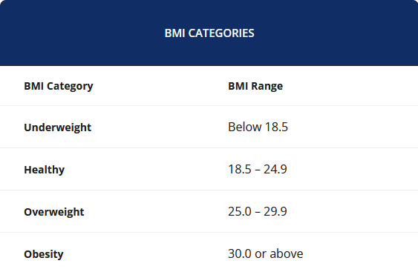
4319703577 | 72 | 1.62 | 27.41 | 2 | 319181 | 43 | Overweight
4445114986 | 92 | 1.62 | 35.01 | 1 | 213089 | 46 | Obesity
4558609924 | 70 | 1.60 | 27.20 | 6 | 307662 | 43 | Overweight
4702921684 | 100 | 1.95 | 26.11 | 1 | 384885 | 46 | Overweight
5577150313 | 91 | 1.80 | 28.00 | 1 | 343823 | 41 | Overweight
6962181067 | 62 | 1.60 | 24.07 | 44 | 480595 | 45 | Healthy
8253242879 | 76 | 1.60 | 29.55 | 1 | 151840 | 31 | Overweight
8877689391 | 85 | 1.83 | 25.54 | 33 | 706246 | 43 | Overweight

Only 2 out of the 13 participants that tracked their weight during the study had more than 7 days tracked.

 |  |  |  | 13 | 2
 |  |  | 37% | 35 | 13 | 15.4%

WeightLog_Visuals
WeightKg |  | Healthy | Overweight | Obesity | Total
53 |  | 4 | 7 | 2 | 13
57 |  | 31% | 54% | 15%
62
63
Number of participants - by BMI Category
70
72
76
85
88
91
92
100
132

 | 77% of the participants weigh less than 92kg

Sleep_Sessions_Visuals
Row Labels | Sum of session_minutes |  | Count of Date | Sum of session_minutes | Average per session | General average sleep per session
1 | 45485 |  | 55 | 19209 | 349.25 | 366 | min
2 | 56960 |  | 6 | 3306 | 551.00 | 6.10 | hour
3 | 58863 |  | 5 | 4805 | 961.00
4 | 47653 |  | 47 | 13080 | 278.30
5 | 44837 |  | 1 | 144 | 144.00
Average minutes of sleep per session
366
6 | 59306 |  | 59 | 32012 | 542.58
7 | 69676 |  | 1 | 69 | 69.00
Grand Total | 382780 |  | 43 | 20854 | 484.98
 |  |  | 48 | 19532 | 406.92
 |  |  | 28 | 8790 | 313.93
 |  |  | 54 | 25477 | 471.80
 |  |  | 30 | 9734 | 324.47
 |  |  | 80 | 20920 | 261.50
Average hours of sleep per session
6.1
 |  | 20 | 8 | 1356 | 169.50
 |  | 35 | 61 | 24980 | 409.51
 |  | 57% | 77 | 29820 | 387.27
 |  |  | 71 | 25861 | 364.24
 |  |  | 66 | 22108 | 334.97
 |  |  | 20 | 6401 | 320.05
 |  |  | 69 | 28966 | 419.80
 |  |  | 10 | 704 | 70.40
 |  |  | 48 | 21076 | 439.08
 |  |  | 4 | 1406 | 351.50
 |  |  | 83 | 29819 | 359.27
 |  |  | 33 | 12351 | 374.27

Minutes of sleep - by day of the week
 |  |  | Row Labels | Sum of session_minutes
 |  |  | 1 | 45485
 |  |  | 2 | 56960
 |  |  | 3 | 58863
 |  |  | 4 | 47653
 |  |  | 5 | 44837
 |  |  | 6 | 59306
 |  |  | 7 | 69676

