P.1
Home

Initial Test
Perform a DOM XSS attack with <iframe src="javascript:alert(`xss`)"> to in search http://localhost:3000/#/search?q=<iframe src="javascript:alert(`xss`)">
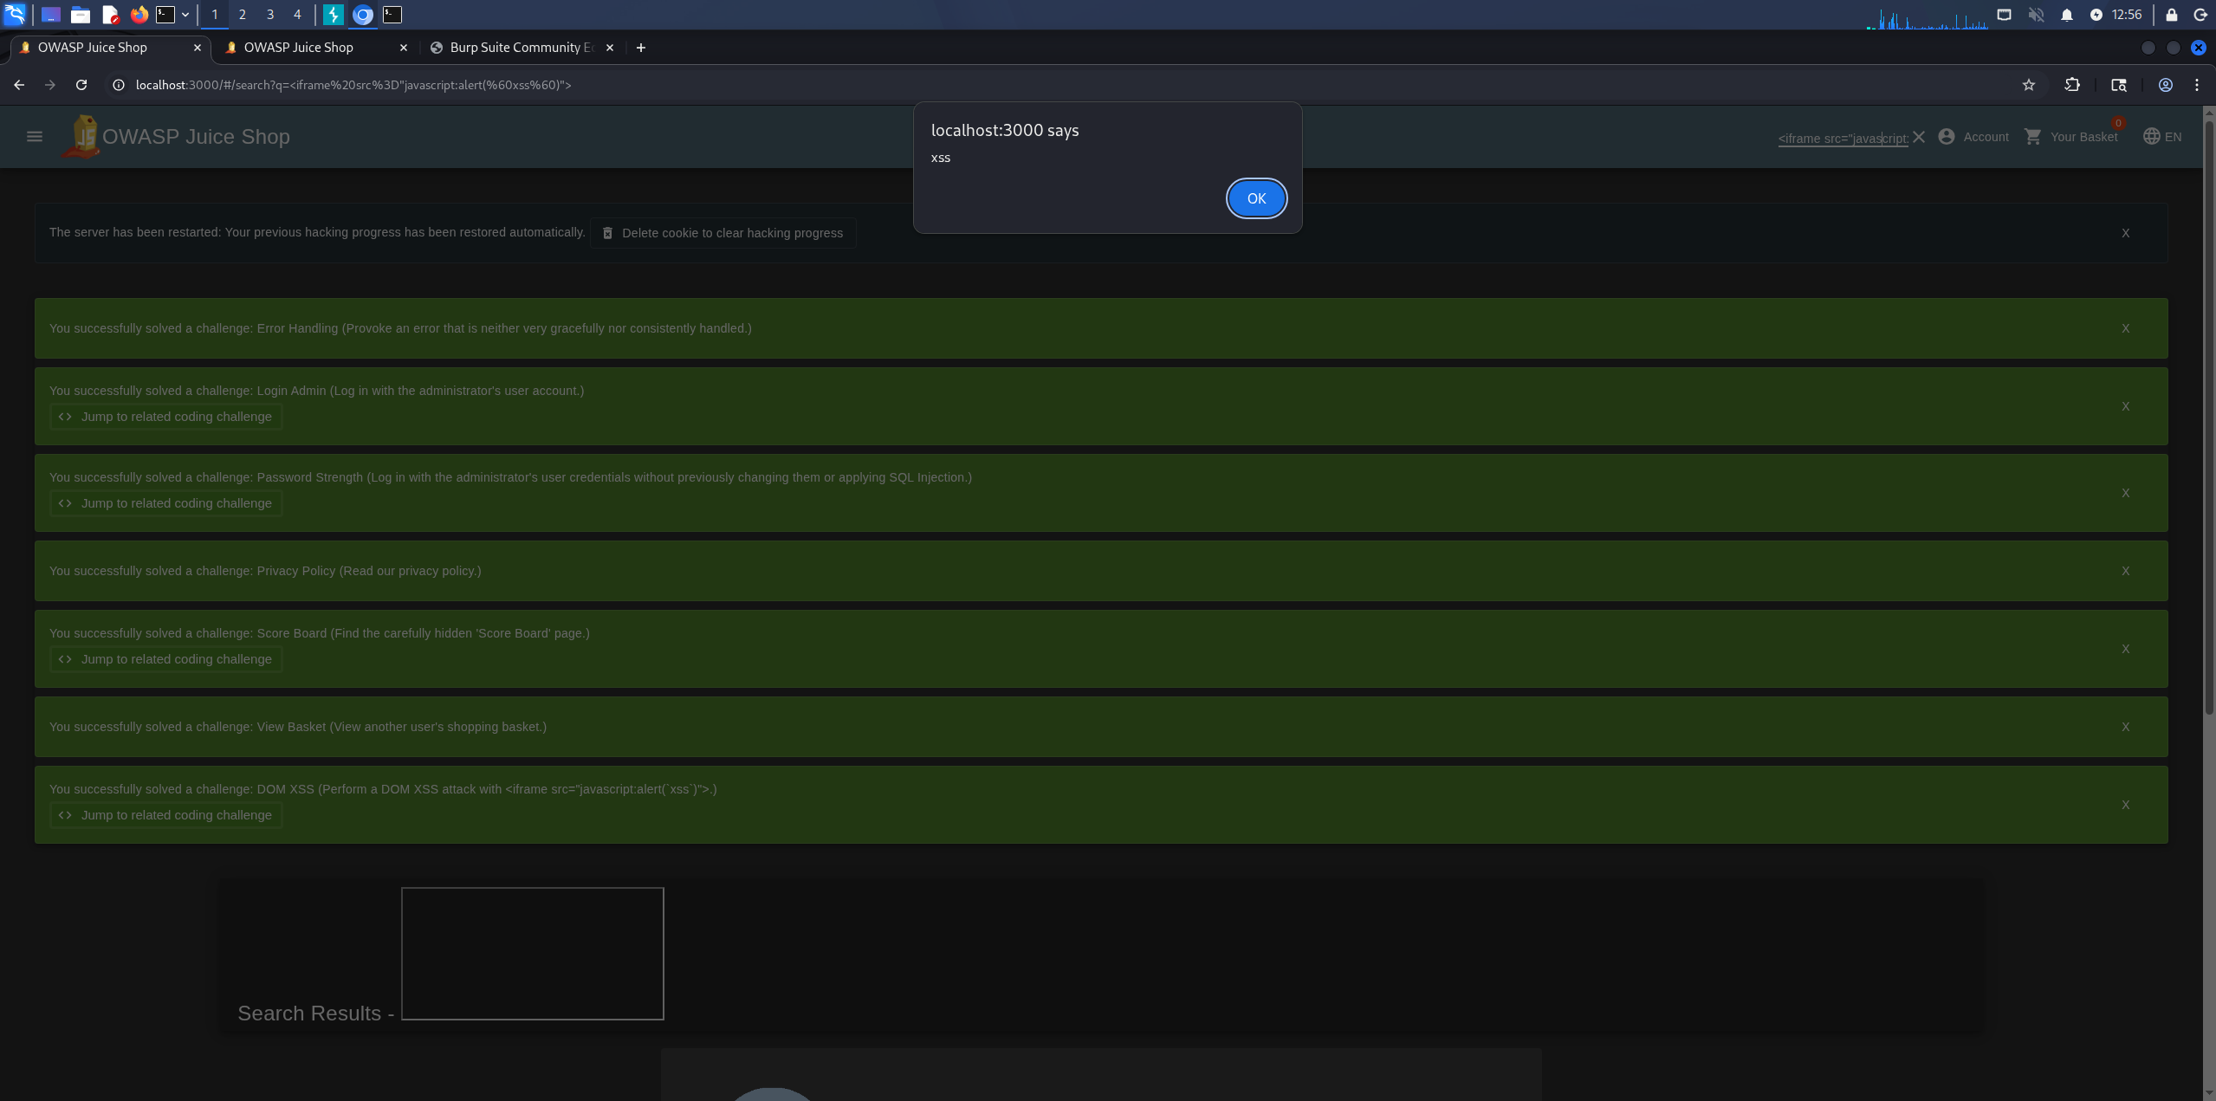

Below is the monthly cost of unrestricted Google Maps API key can be abused, leading to excessive automated requests and skyrocketing costs

P.5
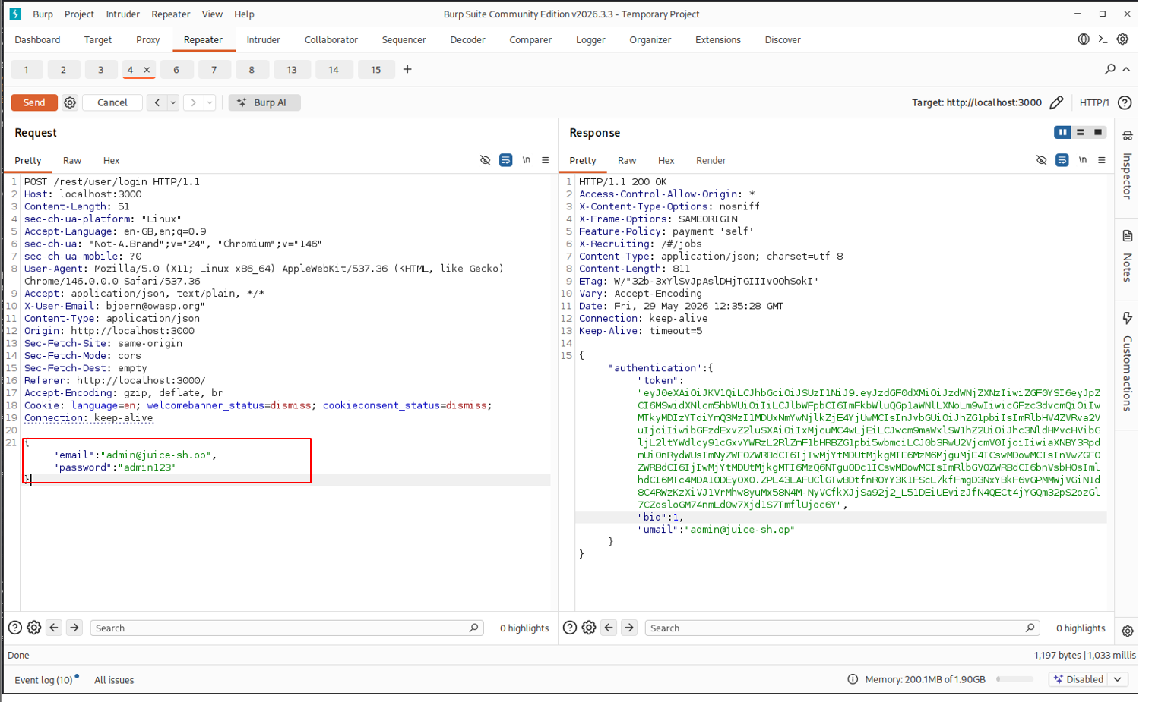
ex

Initial Test
use some simple password test

P.6
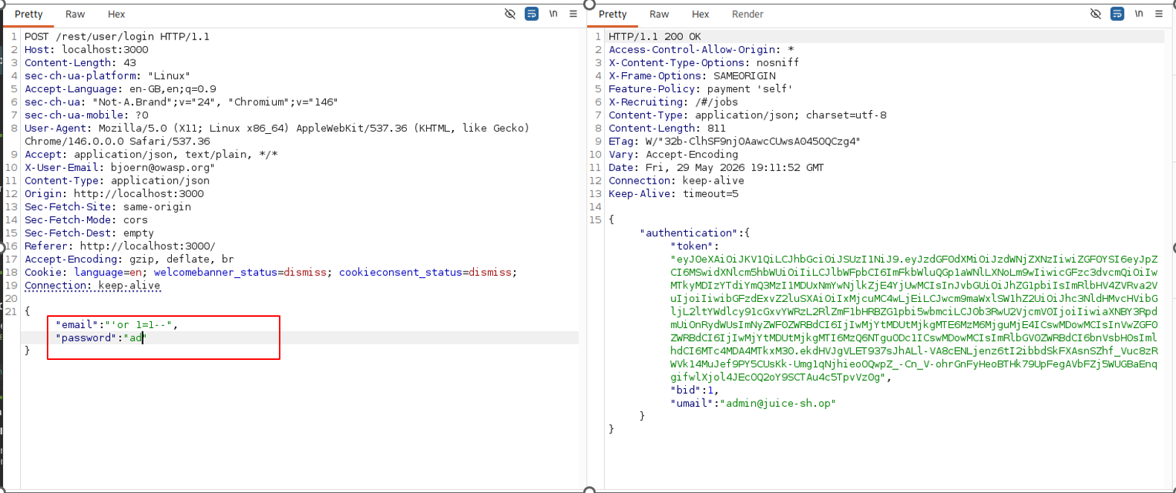
ex

Initial Test
Input "'or 1=1--" to email field

P.7
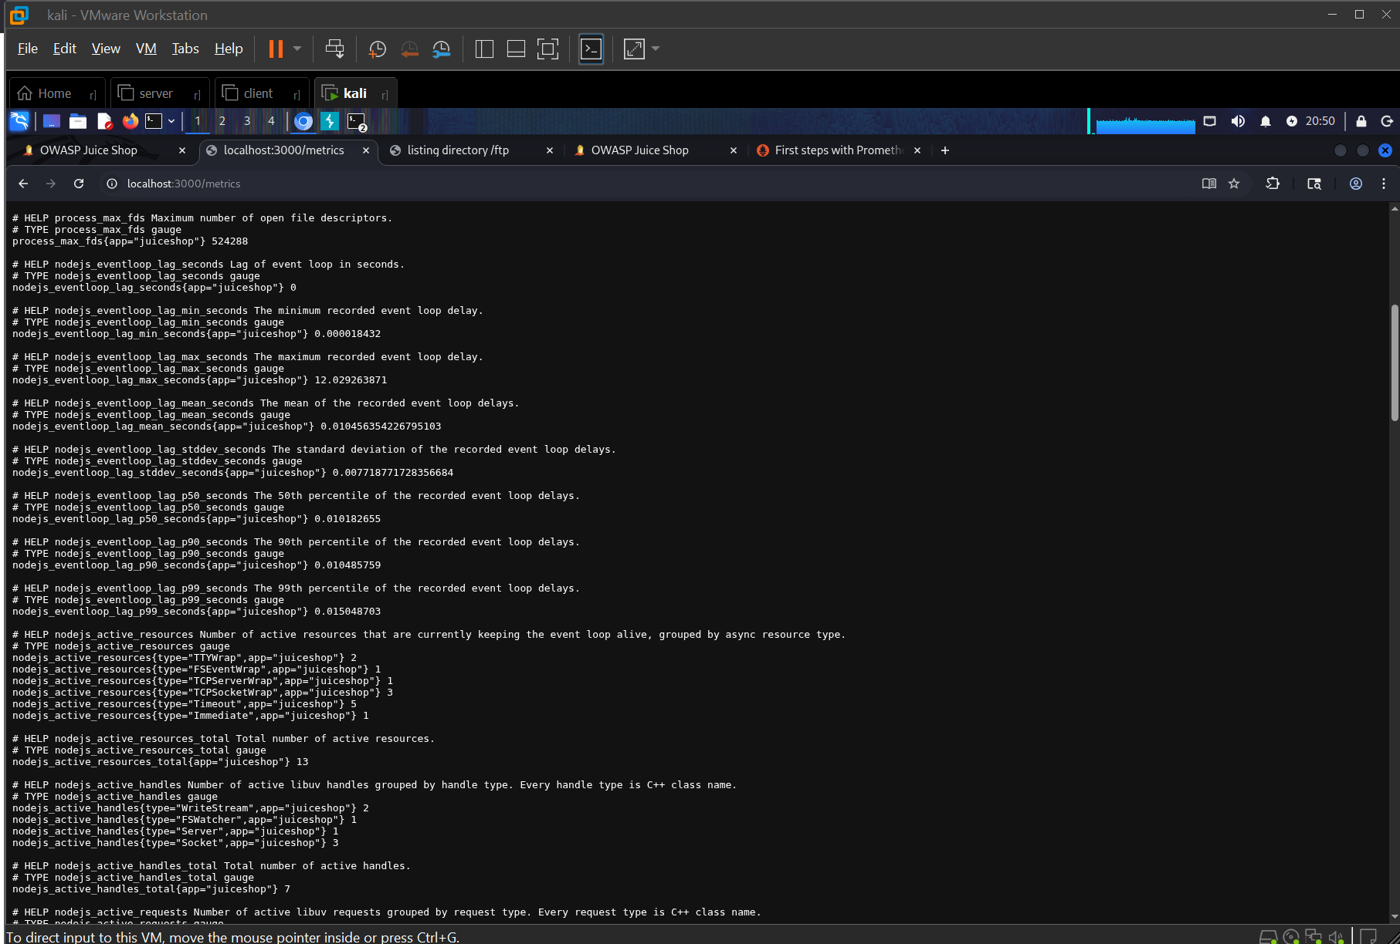
ex

Initial Test
access to route /metrics and discovering an exposed metrics endpoint in a web application.

P.8
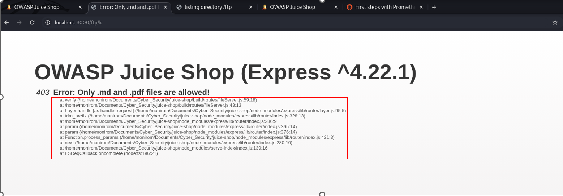
ex

Initial Test
provoking an error that reveals backend details due to improper or non-systematic error handling. The task tests understanding of how server misconfigurations can expose sensitive information and system details that could be exploited.

P.9
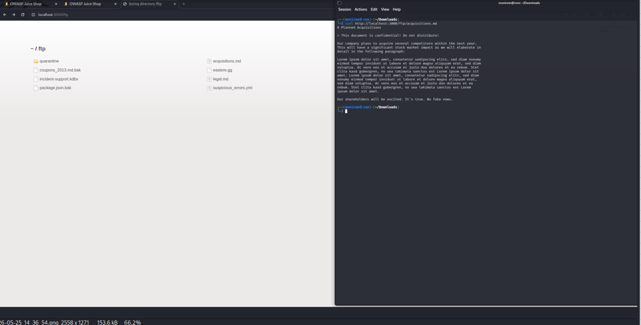
ex

Initial Test
The application exposes a publicly accessible /ftp/ route that serves static files containing confidential business documents, internal memos, and configuration backups. The directory lacks authentication, authorization checks, and access logging. Directory indexing may be enabled, allowing full enumeration and bulk exfiltration of sensitive assets.
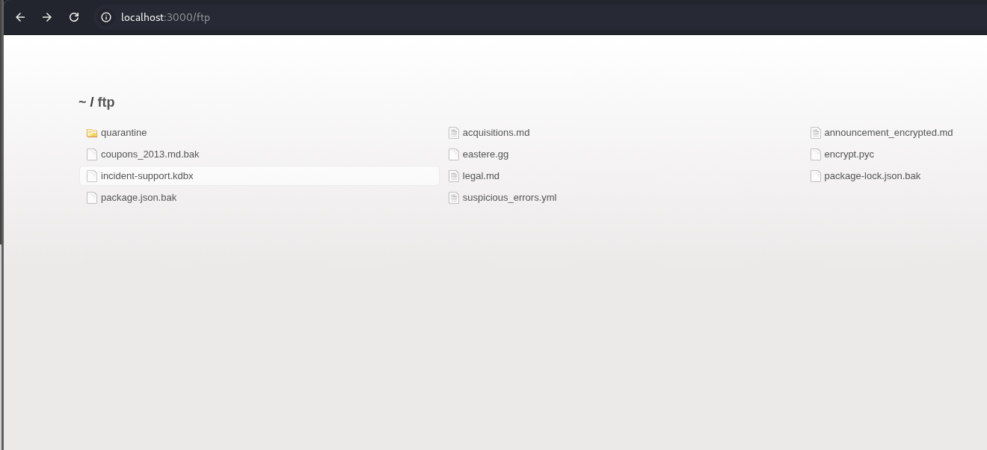

-

Now let open some file

