Sheet1
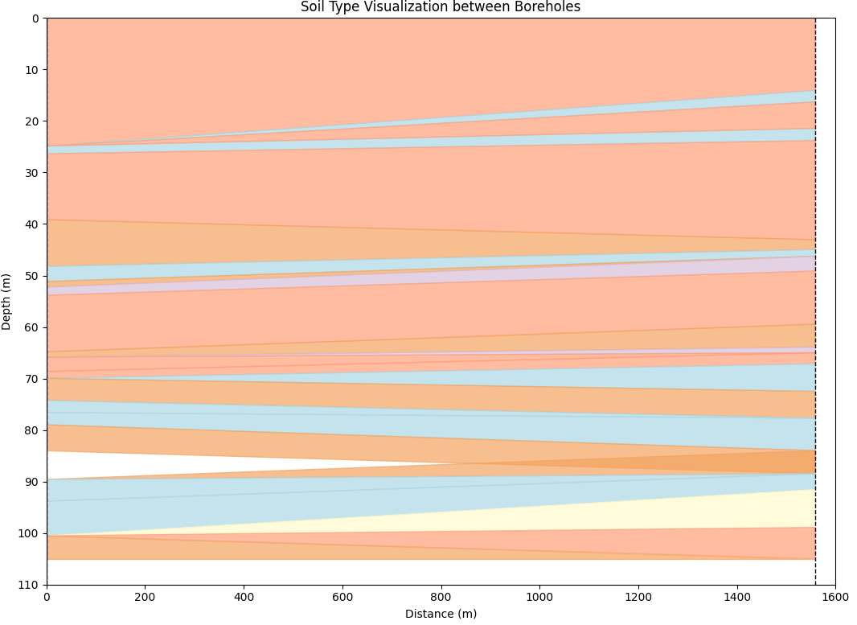
Type | Upper Depth | Lower Depth | Average Ic
1 | 0.02 | 14.06 | 1.7432608696 | 0
2 | 14.08 | 16.28 | 2.11125 | 1
1 | 16.30 | 21.42 | 1.8894086022 | 2
2 | 21.44 | 23.78 | 2.1473684211 | 3
1 | 23.80 | 43.04 | 1.9482295082 | 4
5 | 43.06 | 44.96 | 3.144047619 | 5
2 | 44.98 | 46.26 | 2.2067647059 | 6
3 | 46.28 | 49.12 | 2.4436666667 | 7
1 | 49.14 | 59.44 | 1.9574237288 | 8
5 | 59.46 | 63.90 | 3.1491803279 | 9
3 | 63.92 | 64.98 | 2.448 | 0
1 | 65.00 | 67.14 | 1.8689830508 | 1
2 | 67.16 | 72.48 | 2.2096226415 | 2
5 | 72.50 | 77.70 | 3.3733802817 | 3
2 | 77.72 | 83.98 | 2.2025773196 | 4
5 | 84.00 | 88.48 | 3.2098039216 | 0
2 | 88.50 | 91.52 | 2.1897368421 | 1
4 | 91.54 | 98.88 | 2.7327272727 | 2
1 | 98.90 | 105.00 | 1.9436363636 | 3

