工作表1
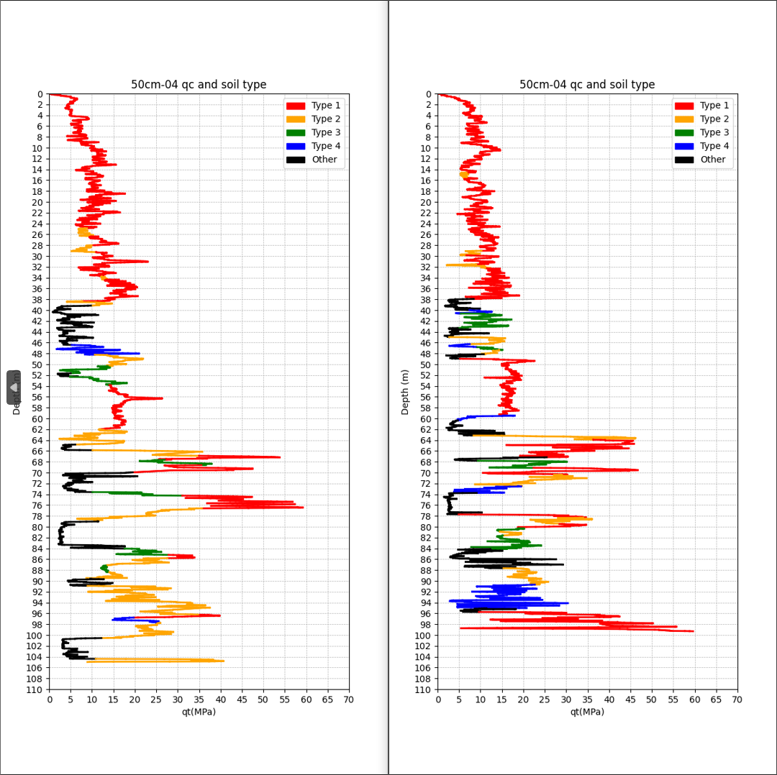
Type | Upper Depth | Lower Depth | Average Ic |  |  | Type | Upper Depth | Lower Depth | Average Ic
1 | 0.02 | 24.86 | 1.7870420624 | 0 |  | 1 | 0.02 | 14.58 | 1.7338205128 | 0
2 | 24.88 | 26.36 | 2.1559090909 | 1 | 1.5 | 2 | 14.6 | 15.56 | 2.1185714286 | 1 | 0.98
1 | 26.38 | 28 | 1.9491071429 | 2 | 1.64 | 1 | 15.58 | 29.02 | 1.9191469194 | 2 | 13.46
2 | 28.02 | 29.26 | 2.1262857143 | 3 | 1.26 | 2 | 29.04 | 29.86 | 2.1625 | 3 | 0.84
1 | 29.28 | 33.78 | 1.9594690265 | 4 | 4.52 | 1 | 29.88 | 31.5 | 1.9675 | 4 | 1.64
2 | 33.8 | 34.32 | 2.0794444444 | 5 | 0.54 | 2 | 31.52 | 32.26 | 2.1064285714 | 5 | 0.76
1 | 34.34 | 38.32 | 1.915037594 | 6 | 4 | 1 | 32.28 | 37.92 | 1.9605 | 6 | 5.66
2 | 38.34 | 39.14 | 2.1607692308 | 7 | 0.82 | 5 | 37.94 | 39.98 | 3.1328125 | 7 | 2.06
5 | 39.16 | 46.4 | 3.2221052632 | 8 | 7.26 | 4 | 40 | 40.6 | 2.76 | 8 | 0.62
4 | 46.42 | 48.22 | 2.7804 | 9 | 1.82 | 3 | 40.62 | 43.28 | 2.4603333333 | 9 | 2.68
2 | 48.24 | 50.32 | 2.1889705882 | 10 | 2.1 | 5 | 43.3 | 44.96 | 3.144047619 | 10 | 1.68
3 | 50.34 | 51.64 | 2.4013333333 | 11 | 1.32 | 2 | 44.98 | 46.26 | 2.2067647059 | 11 | 1.3
5 | 51.66 | 52.24 | 3.3063636364 | 12 | 0.6 | 4 | 46.28 | 46.8 | 2.7746153846 | 12 | 0.54
3 | 52.26 | 53.82 | 2.43775 | 13 | 1.58 | 3 | 46.82 | 47.36 | 2.4438888889 | 13 | 0.56
1 | 53.84 | 61.98 | 1.9734716981 | 14 | 8.16 | 2 | 47.38 | 48.12 | 2.2542857143 | 14 | 0.76
2 | 62 | 64.8 | 2.2327272727 | 15 | 2.82 | 5 | 48.14 | 48.94 | 3.1417647059 | 15 | 0.82
5 | 64.82 | 65.84 | 3.1275 | 16 | 1.04 | 1 | 48.96 | 59.44 | 1.9574237288 | 16 | 10.5
2 | 65.86 | 66.88 | 2.099 | 17 | 1.04 | 4 | 59.46 | 60.34 | 2.7814285714 | 17 | 0.9
1 | 66.9 | 67.62 | 1.7707692308 | 18 | 0.74 | 5 | 60.36 | 63.14 | 3.1491803279 | 18 | 2.8
3 | 67.64 | 68.62 | 2.375 | 19 | 1 | 2 | 63.16 | 63.9 | 2.1409090909 | 19 | 0.76
1 | 68.64 | 69.94 | 1.8431578947 | 20 | 1.32 | 1 | 63.92 | 67.14 | 1.8636986301 | 20 | 3.24
5 | 69.96 | 73.58 | 3.1872649573 | 21 | 3.64 | 5 | 67.16 | 67.8 | 3.12 | 21 | 0.66
3 | 73.6 | 74.24 | 2.4066666667 | 22 | 0.66 | 3 | 67.82 | 69.1 | 2.3658333333 | 22 | 1.3
1 | 74.26 | 76.58 | 1.7467692308 | 23 | 2.34 | 1 | 69.12 | 70.38 | 1.7269230769 | 23 | 1.28
2 | 76.6 | 78.96 | 2.1843103448 | 24 | 2.38 | 2 | 70.4 | 72.48 | 2.2133333333 | 24 | 2.1
5 | 78.98 | 84.02 | 3.3919875776 | 25 | 5.06 | 4 | 72.5 | 73.74 | 2.7271428571 | 25 | 1.26
3 | 84.04 | 85.18 | 2.4095454545 | 26 | 1.16 | 5 | 73.76 | 77.7 | 3.3895384615 | 26 | 3.96
1 | 85.2 | 85.78 | 1.99 | 27 | 0.6 | 1 | 77.72 | 78.3 | 2.025 | 27 | 0.6
2 | 85.8 | 87.14 | 2.2204347826 | 28 | 1.36 | 2 | 78.32 | 79.48 | 2.1918181818 | 28 | 1.18
3 | 87.16 | 88.38 | 2.3998 | 29 | 1.24 | 1 | 79.5 | 80.24 | 1.8705555556 | 29 | 0.76
2 | 88.4 | 89.58 | 2.267 | 30 | 1.2 | 3 | 80.26 | 80.86 | 2.3573333333 | 30 | 0.62
5 | 89.6 | 90.9 | 3.1895 | 31 | 1.32 | 2 | 80.88 | 81.58 | 2.2228125 | 31 | 0.72
2 | 90.92 | 96.22 | 2.1781967213 | 32 | 5.32 | 3 | 81.6 | 84.1 | 2.344375 | 32 | 2.52
1 | 96.24 | 96.76 | 1.9863157895 | 33 | 0.54 | 5 | 84.12 | 87.64 | 3.2098039216 | 33 | 3.54
4 | 96.78 | 97.72 | 2.6946666667 | 34 | 0.96 | 2 | 87.66 | 90.68 | 2.1934020619 | 34 | 3.04
2 | 97.74 | 100.54 | 2.2039784946 | 35 | 2.82 | 4 | 90.7 | 95.04 | 2.7203508772 | 35 | 4.36
5 | 100.56 | 104.38 | 3.4411034483 | 36 | 3.84 | 5 | 95.06 | 95.72 | 3.1985714286 | 36 | 0.68
2 | 104.4 | 105 | 2.1157142857 | 37 | 0.62 | 1 | 95.74 | 99.3 | 1.9608823529 | 37 | 3.58

