Sheet1
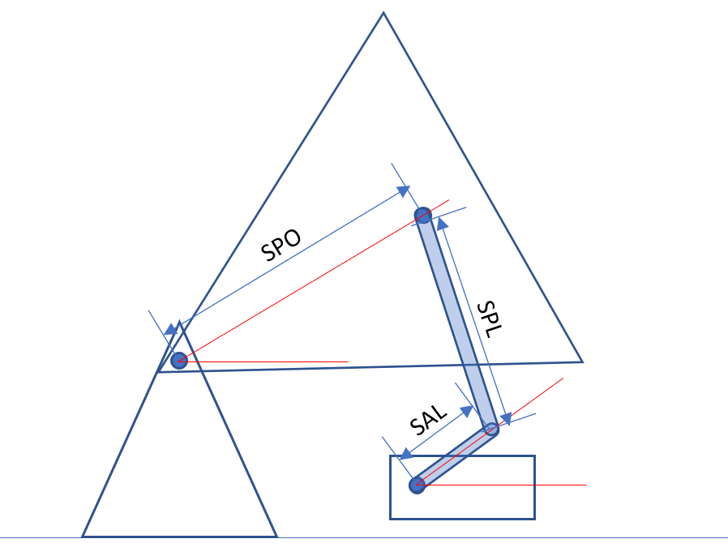
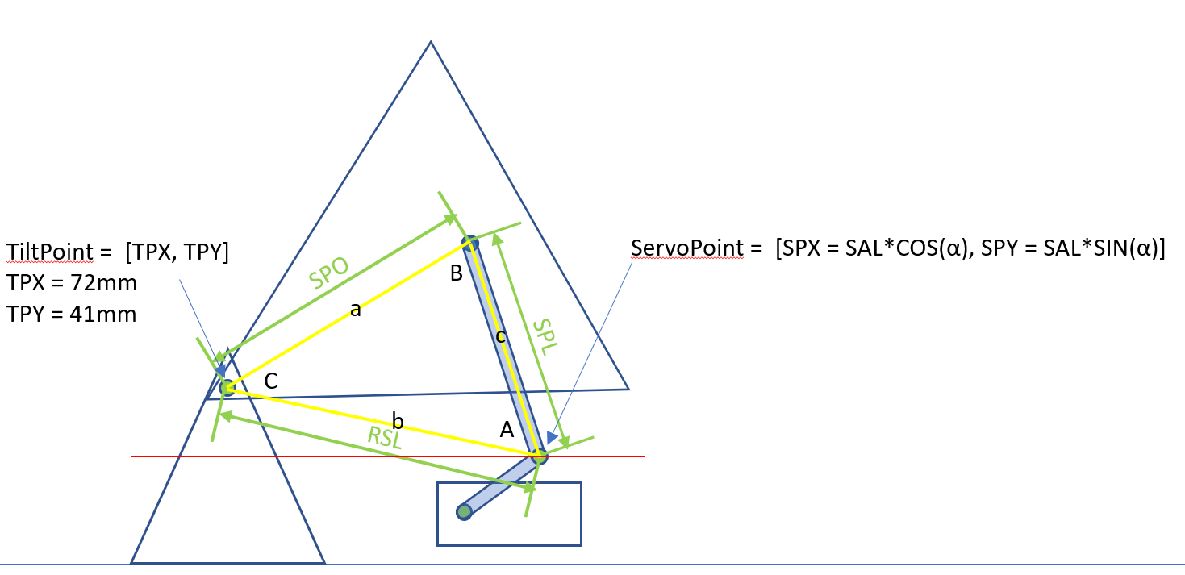
Servo angle | 45
 | mm
SAL | 45
SPL | 120
SPO | 110
TPX | -72
TPY | 41

Servo A | SPX | SPY | RSL | Angle C | Angle D | Shooter Angle
-10 | 44.3 | -7.8 | 126.14402885 | 60.626279821 | 22.766199837 | 37.860079984
-5 | 44.8 | -3.9 | 125.16767288 | 60.960030125 | 21.032328343 | 39.927701782
0 | 45.0 | 0.0 | 123.97580409 | 61.366894461 | 19.311856564 | 42.055037896
5 | 44.8 | 3.9 | 122.57135454 | 61.845615432 | 17.607897879 | 44.237717552
10 | 44.3 | 7.8 | 120.95781274 | 62.394771524 | 15.92380237 | 46.470969154
15 | 43.5 | 11.6 | 119.139234 | 63.012807385 | 14.263212804 | 48.749594581
20 | 42.3 | 15.4 | 117.12025382 | 63.698066298 | 12.630129402 | 51.067936896
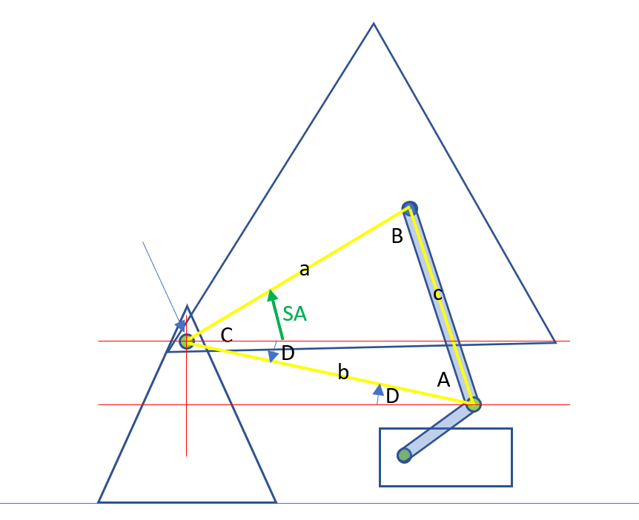
25 | 40.8 | 19.0 | 114.90610547 | 64.448824123 | 11.028985688 | 53.419838435
30 | 39.0 | 22.5 | 112.50264271 | 65.263324061 | 9.4647382677 | 55.798585793
35 | 36.9 | 25.8 | 109.9163691 | 66.13981169 | 7.9429740791 | 58.196837611
40 | 34.5 | 28.9 | 107.15447593 | 67.076569768 | 6.470039539 | 60.606530229
45 | 31.8 | 31.8 | 104.22489107 | 68.071952348 | 5.0531971556 | 63.018755192
50 | 28.9 | 34.5 | 101.13634221 | 69.124417682 | 3.7008166127 | 65.42360107
55 | 25.8 | 36.9 | 97.898438517 | 70.232559155 | 2.4226091355 | 67.80995002
60 | 22.5 | 39.0 | 94.521776645 | 71.395133002 | 1.2299161702 | 70.165216832
65 | 19.0 | 40.8 | 91.018078435 | 72.61108065 | 0.13606605109 | 72.475014599
70 | 15.4 | 42.3 | 87.400370469 | 73.879541853 | -0.84318469175 | 74.722726545
75 | 11.6 | 43.5 | 83.683218827 | 75.199851941 | -1.6891057505 | 76.888957691
80 | 7.8 | 44.3 | 79.883036889 | 76.571511696 | -2.3793213865 | 78.950833082
85 | 3.9 | 44.8 | 76.018489705 | 77.994110237 | -2.8869913804 | 80.881101618
90 | 0.0 | 45.0 | 72.111025509 | 79.467167904 | -3.1798301199 | 82.646998024
95 | -3.9 | 44.8 | 68.185572895 | 80.989844204 | -3.2189700299 | 84.208814234
100 | -7.8 | 44.3 | 64.271449339 | 82.560421113 | -2.957724072 | 85.518145185
105 | -11.6 | 43.5 | 60.403528777 | 84.175419323 | -2.3404037037 | 86.515823026

Linear
-10 |  |  |  |  |  | 37.860079984
105 |  |  |  |  |  | 90

