Chart

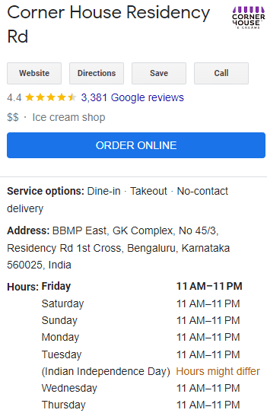
Number of Employees Needed
 | 3
 | 3
 | 5
 | 5
 | 4
 | 4
 | 5
 | 5
 | 5
 | 4
 | 5
 | 5
 | 3
 | 3
 | 3

