CarInsuranceData
Total | Age | 6-month premium | Gender
 | 16 | $1,200 | F
 | 16 | $1,400 | M
 | 17 | $1,200 | F
 | 17 | $1,300 | M
 | 18 | $1,100 | F
 | 18 | $1,200 | M
 | 19 | $1,000 | F
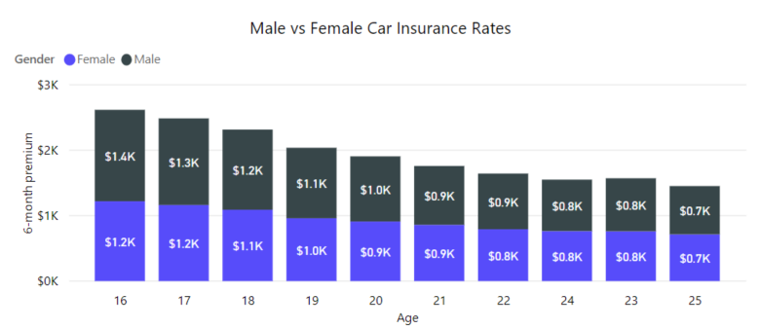
 | 19 | $1,100 | M
 | 20 | $900 | F
 | 20 | $1,000 | M
 | 21 | $900 | F
 | 21 | $900 | M
 | 22 | $800 | F
 | 22 | $900 | M
 | 23 | $800 | F
 | 23 | $800 | M
 | 24 | $800 | F
 | 24 | $800 | M
 | 25 | $700 | F
 | 25 | $700 | M
Total |  | $19,500

