LenovoData
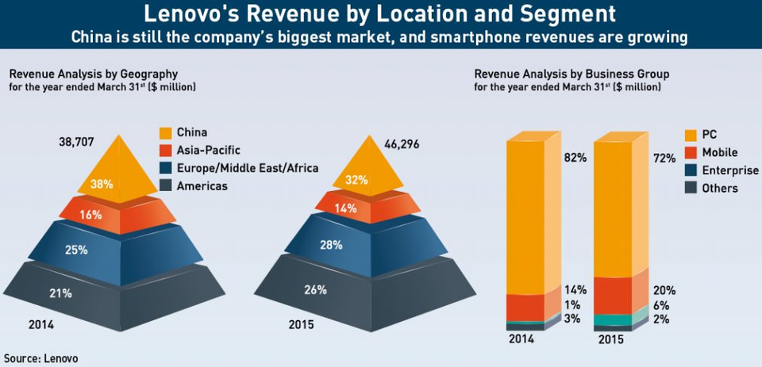
Revenue Analysis by Business Group
for the year ended March 31st ($ million)
Business Group | 2014 | 2015
PC | $31,740.99 | $33,333.12
Mobile | $5,419.19 | $9,259.20
Enterprise | $387.09 | $2,777.76
Others | $1,161.26 | $925.92
Total by Business Group | $38,708.52 | $46,296.00

