LenovoData
Revenue Analysis by Geography
for the year ended March 31st ($ million)
Region | 2014 | 2015
China | $14,710.18 | $14,814.72
Asia-Pacific | $6,193.12 | $6,481.44
Europe/Middle East/Africa | $9,676.75 | $12,962.88
Americas | $8,128.47 | $12,036.96
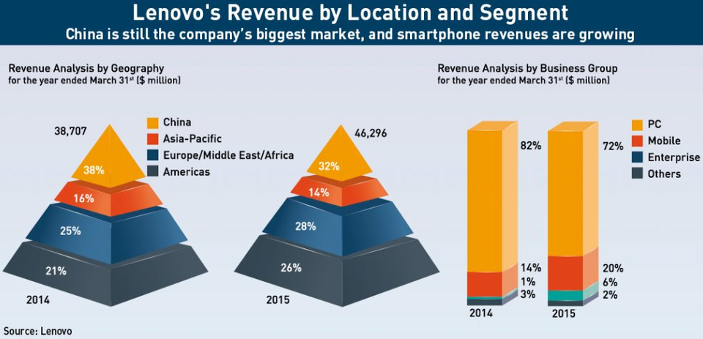
Total by Geography | $38,708.52 | $46,296.00

