Dexcom financial information
Source: Dexcom Annual Reports, 2022–2025

Consolidated Statements of Operations
(in millions $, except per share data) | 2025 | 2024 | 2023 | 2022 | 2021 | 2020
Revenue | 4662 | 4033 | 3622.3 | 2909.8 | 2448.5 | 1926.7
Cost of sales | 1860.1 | 1594.8 | 1333.4 | 1026.7 | 768 | 646.6
Gross profit | 2860.1 | 2438.2 | 2288.9 | 1883.1 | 1680.5 | 1280.1
Operating expenses:
Research and development | 599.1 | 552.4 | 505.8 | 484.2 | 517.1 | 359.9
Selling, general and administratice | 1291 | 1285.8 | 1185.4 | 1000.2 | 806.8 | 618.2
Total operating expenses | 1890.1 | 1838.2 | 1691.2 | 1419.9 | 1414.7 | 980.6
Operating income | 911.8 | 600 | 597.7 | 391.2 | 265.8 | 299.5
Other income, net | 176.6 | 109 | 112.7
Income before income taxes | 1088.4 | 709 | 710.4 | 390.8 | 256.8 | 297.9
Income tax expense | 836.3 | 576.2 | 541.5 | 49.6 | 39.9 | 251.8
Net income | 836.3 | 576.2 | 541.5 | 341.2 | 216.9 | 549.7

Basic net income per share | 2.14 | 1.46 | 1.4 | 0.88 | 0.56 | 1.46
Shares used to compute basic income per share | 390.2 | 393.6 | 386 | 389.4 | 386.9 | 377.5
Diluted net income per share | 2.09 | 1.42 | 1.3 | 0.82 | 0.53 | 1.33
Shares used to compute diluted net income per share | 405.5 | 412.7 | 425.5 | 427.5 | 428.8 | 420.4

Consolidated Balance Sheets
(in millions $, except per share data) | 2025 | 2024 | 2023 | 2022 | 2021
Assets
Current assets:
Cash and cash equivalents | 917.7 | 606.1 | 566.3 | 642.3 | 1052.6
Short-term maketable securities | 1081 | 1973.3 | 2157.8 | 1813.9 | 1678.6
Accounts receivable, net | 1216.1 | 1005.7 | 973.9 | 713.3 | 514.3
Inventory | 629.1 | 542.6 | 559.6 | 306.7 | 357.3
Prepaid and other current assets | 189.4 | 173.7 | 168.3 | 192.6 | 81.6
Total current assets | 4033.3 | 4301.4 | 4425.9 | 3668.8 | 3684.4
Property and equipment, net | 1559.9 | 1339.9 | 1113.1 | 1055.6 | 801.8
Operating lease right-of-use assets | 77.4 | 62.8 | 71.4 | 80 | 88.1
Goodwill | 24.2 | 22.8 | 25.2 | 25.7 | 26.5
Intangibles, net | 70.8 | 103.4 | 134.5 | 173.3 | 31.5
Deferref tax assets | 295.6 | 481.2 | 419.4 | 341.2 | 290.5
Other assets | 278.7 | 173 | 75 | 47.1 | 10.5
Total assets | 6339.9 | 6484.5 | 6264.5 | 5391.7 | 4933.3
Liabilities and Stockholder´s Equity
Current liabilities:
Accounts payable and accrued liabilities | 1944 | 1585.1 | 1345.5 | 901.8 | 573
Accrued payroll and related expenses | 169.2 | 112 | 171 | 134.3 | 125.2
Current portion of long-term senior convertible notes |  | 1204.4 |  | 772.6
Short-term operating lease liabilities | 21.6 | 22.5 | 21.1 | 20.5 | 20.5
Other current liabilities | 7.7 | 8 | 18.4 | 10.1 | 2.1
Total current liabilities | 2142.5 | 2932 | 1556 | 1839.3 | 720.8
Long-term senior convertible notes | 1240.9 | 1237 | 2434.2 | 1197.7 | 1981.8
Long-term operating lease liabilities | 73.4 | 65 | 80.1 | 94.6 | 98.6
Other long-term liabilities | 137.1 | 147.9 | 125.6 | 128.3 | 90
Total liabilities | 3593.9 | 4381.9 | 4195.9 | 3259.9 | 2891.2

Stockholder´s equity:
Commonstock,$0.001parvalue,800.0millionsharesauthorized;410.7 millionand384.8millionsharesissuedandoutstanding,respectively,at December31,2025;and408.9millionand390.7millionsharesissuedand outstanding,respectively,atDecember31,2024 | 0.4 | 0.4 | 0.4 | 0:04:00 | 0.4
Additional paid-in capital | 2281.5 | 2093.8 | 3514.6 | 2258.1 | 2108.7
Accumulated other comprehensive income (loss) | 115 | 8 | 16.7 | 11.6 | 0.5
Retained earnings | 2433.9 | 1597.6 | 1021.4 | 479.9 | 138.7
Treasury stock, at cost; 25.9 million shares at December 31, 2025 and 18.2 million shares at December 31, 2024 | 2084.8 | 1581.2 | 2451.1 | 595 | 206.2
Total stockholder´s equity | 2746 | 2102.6 | 2068.6 | 2131.8 | 2042.1
Total liabilities and stockholder´s equity | 6339.9 | 6484.5 | 6264.5 | 5391.7 | 4933.3

Consolidated Statement of Cash Flows
(in millions $) | 2025 | 2024 | 2023
Operating activities
Net income | 836.3 | 576.2 | 541.5
Adjustments to reconcile net income to cash provided by operating activities:
Depreciation and amortization | 251.8 | 217.7 | 186
Share-based compensation | 159.6 | 170.4 | 150.8
Non-cash interest expense | 7.3 | 7.5 | 7.8
Deferred income taxes | 182.2 | 43.8 | 55
Net (gains) losses on equity investments | 78.1 | 1.4 | 1.9
Other non-cash income and expenses | 21.8 | 48.7 | 83.9
Changes in operating assets and liabilities:
Accounts receivable, net | 201.9 | 35 | 260.1
Inventory | 63.7 | 12.4 | 252.6
Prepaid and other assets | 14.8 | 5.8 | 19.3
Operating lease right-of-use assets and liabilities, net | 7.1 | 6.5 | 4.5
Accounts payable and accrued liabilities | 347 | 211.7 | 466.5
Accrued payroll and related expenses | 55.4 | 60 | 37.2
Deferred revenue and other liabilities | 11.5 | 8 | 2.6
Net cash provided by operating activities | 1440.7 | 989.5 | 748.5
Investing activities
Purchase of marketable securities | 1246.6 | 2576.3 | 3200.4
Proceeds from sale and maturity of marketable securities | 2164.7 | 2824.4 | 2947.4
Purchases of property and equipment | 363.5 | 358.8 | 236.6
Purchases of non-marketable equity securities | 19.2 | 81.3 | 19.5
Other investing activities | 0.6 | 15.5 | 1.9
Net cash provided by (used in) investing activities | 536 | 207.5 | 507.2
Financing activities
Net proceeds from issuance of common stock | 28.1 | 28.2 | 26.6
Purchases of treasury stock | 500 | 750 | 688.7
Proceeds from issuance of convertible notes, net issuance costs |  |  | 1230.6
Purchases of capped call transactions |  |  | 101.3
Payments of conversions of senior convertible notes |  |  | 787.3
Repayments from maturity of senior convertible notes | 1207.5
Other financing activities | 7 | 13 | 1.5
Net cash used in financing activities | 1686.4 | 734.8 | 318.6
Effect of exchange rate changes on cash, cash equivalents and restricted cash | 21.5 | 7.4 | 1.5
Increase (decrease) in cash, cash equivalents and restricted cash | 311.8 | 39.8 | 75.8
Cash, cash equivalents and restricted cash, beginning of period | 607.3 | 567.5 | 643.3
Cash, cash equivalents and restricted cash, beginning of period | 919.1 | 607.3 | 567.5
Reconciliation of cash, cash equivivalents and restricher cash, aend of period
Cash and cash equivalents | 917.7 | 606.1 | 566.3
U.S. Revenue by Sales Channel
International Revenue by Sales Channel
Restricted cash | 1.4 | 1.2 | 1.2
Total cash, cash equivalents and restrichted cash | 919.1 | 607.3 | 567.5

Revenue by sales channel
 | 2025 |  |  | 2024 |  |  | 2023 |  |  | U.S.
Revenue by sales channel | U.S. | International | Total | U.S. | International | Total | U.S. | International | Total | Revenue by sales channel | 2025 | 2024 | 2023
Distributor | 3195.7 | 763.3 | 3959 | 2824.4 | 605.7 | 3430.1 | 2587.2 | 508.4 | 3095.6 | Distributor | 3195.7 | 2824.4 | 2587.2
Direct | 139.2 | 563.8 | 703 | 65.4 | 537.5 | 602.9 | 38.1 | 488.6 | 526.7 | Direct | 139.2 | 65.4 | 38.1
Total revenue | 3334.9 | 1327.1 | 4662 | 2889.8 | 1143.2 | 4033 | 2625.3 | 997 | 3622.3

 |  |  |  |  |  |  |  |  |  | International
Properties |  |  |  |  |  |  |  |  |  | Revenue by sales channel | 2025 | 2024 | 2023
Location | Purpose |  |  |  |  |  |  |  |  | Distributor | 763.3 | 605.7 | 508.4
San Diego, California | Corporate HQ |  |  |  |  |  |  |  |  | Direct | 563.8 | 537.5 | 488.6
Mesa, Arizona | Manufacturing
Penang, Malaysia | Manufacturing
Athenry, Ireland | Manufacturing

Dexcom financial info + figures
Consolidated Statements of Operations
(in millions $, except per share data) | 2025 | 2024 | 2023 | 2022 | 2021 | 2020 |  | Notes |  |  | 2020 | 2021 | 2022 | 2023 | 2024 | 2025
Revenue | 4662 | 4033 | 3622.3 | 2909.8 | 2448.5 | 1926.7 |  | Money earned from selling products and services |  | Revenue [M $] | 1927 | 2449 | 2910 | 3622 | 4033 | 4662
Cost of sales | 1860.1 | 1594.8 | 1333.4 | 1026.7 | 768 | 646.6 |  | Direct costs required to produce the goods or services sold |  | Operating income [M $] | 299.5 | 265.8 | 391.2 | 597.7 | 600 | 911.8
Gross profit | 2860.1 | 2438.2 | 2288.9 | 1883.1 | 1680.5 | 1280.1 |  | Gross profit = Revenue - Cost of sales |  | EBIT % | 15.5 | 10.9 | 13.4 | 16.5 | 14.9 | 19.6
Operating expenses: |  |  |  |  |  |  |  |  |  | Research and development [M $] | 359.9 | 517.1 | 484.2 | 505.8 | 552.4 | 599.1
Research and development | 599.1 | 552.4 | 505.8 | 484.2 | 517.1 | 359.9 |  | Spending of product development, innovation, engineering, testing |  | Revenue Growth % |  | 27.1 | 18.8 | 24.5 | 11.3 | 15.6
Selling, general and administrative | 1291 | 1285.8 | 1185.4 | 1000.2 | 806.8 | 618.2 |  | Sales, marketing, HR, finance, IT, management salaries…
Revenue and EBIT% Development, 2020–2025
Total operating expenses | 1890.1 | 1838.2 | 1691.2 | 1419.9 | 1414.7 | 980.6
Operating income | 911.8 | 600 | 597.7 | 391.2 | 265.8 | 299.5 |  | EBIT. Operating income = Gross profit − Total operating expenses
Other income, net | 176.6 | 109 | 112.7 |  |  |  |  | Not part of core operations. Foreign exchange effects, interest income….
Income before income taxes | 1088.4 | 709 | 710.4 | 390.8 | 256.8 | 297.9 |  | Profit before tax
Income tax expense | 836.3 | 576.2 | 541.5 | 49.6 | 39.9 | 251.8
Net income | 836.3 | 576.2 | 541.5 | 341.2 | 216.9 | 549.7 |  | Total profit for shareholders. Net income = Income before taxes − Income tax expense

Basic net income per share | 2.14 | 1.46 | 1.4 | 0.88 | 0.56 | 1.46 |  | Net income divided by basic number of shares outstanding.
Shares used to compute basic income per share | 390.2 | 393.6 | 386 | 389.4 | 386.9 | 377.5 |  | Actual number of shares currently outstanding
Diluted net income per share | 2.09 | 1.42 | 1.3 | 0.82 | 0.53 | 1.33
Shares used to compute diluted net income per share | 405.5 | 412.7 | 425.5 | 427.5 | 428.8 | 420.4 |  |  |  |  |  |  |  |  |  |  |  | 2020 | 2021 | 2022 | 2023 | 2024 | 2025
 |  |  |  |  |  |  |  |  |  |  |  |  |  |  |  |  | Revenue [M $] | 1926.7 | 2448.5 | 2909.8 | 3622.3 | 4033.0 | 4662.0
EBIT [%] | 19.6 | 14.9 | 16.5 | 13.4 | 10.9 | 15.5 |  | EBIT% = Operating income (EBIT) / Revenue |  |  |  |  |  |  |  |  | Revenue Growth % |  | 27.1 | 18.8 | 24.5 | 11.3 | 15.6
Revenue Growth [%] | 15.6 | 11.3 | 24.5 | 18.8 | 27.1 |  |  | Annual revenue growth |  |  |  |  |  |  |  |  | Operating income [M $] | 299.5 | 265.8 | 391.2 | 597.7 | 600.0 | 911.8
Operating assets [M$] | 4341.2 | 3905.1 | 3540.4 | 2935.5 | 2202.1 |  |  | Ressources directly tied to producing goods or delivering services |  |  |  |  |  |  |  |  | EBIT % | 15.5 | 10.9 | 13.4 | 16.5 | 14.9 | 19.6
Operating liabilities [M$] | 2215.9 | 1792.6 | 1636.1 | 1161.3 | 819.4 |  |  | Obligations that arise from normal business activities |  |  |  |  |  |  |  |  | Research and development [M $] | 359.9 | 517.1 | 484.2 | 505.8 | 552.4 | 599.1
Invested capital [M$] | 2125.3 | 2112.5 | 1904.3 | 1774.2 | 1382.7 |  |  | Invested capital = Operating assets – Operating liabilities
NOPAT = EBIT × (1 – tax rate) [M$] | 674.7 | 444.0 | 442.3 | 289.5 | 196.7 | 221.6 |  | Tax rate 26%
Return on Capital (ROC) [%] | 31.7 | 21.0 | 23.2 | 16.3 | 14.2 |  |  | ROC = NOPAT / Invested Capital
Reinvestment needs [%] | 0.49 | 0.54 | 1.05 | 1.15 | 1.90 |  |  | Reinvestment needs = revenue growth / ROC
Tax rate used | 26%

Consolidated Balance Sheets
(in millions $, except per share data) | 2025 | 2024 | 2023 | 2022 | 2021 |  |  | Notes
Assets
Current assets: |  |  |  |  |  |  | x = Included in invested capital | Assets that can be converted into cash within 12 months.
Cash and cash equivalents | 917.7 | 606.1 | 566.3 | 642.3 | 1052.6 |  |  | Money in bank accounts + very short‑term investments (e.g., Treasury bills). Most liquid asset.
Short-term maketable securities | 1081 | 1973.3 | 2157.8 | 1813.9 | 1678.6 |  |  | Investments that can be sold quickly (e.g., corporate bonds, government securities) maturing within a year.
Accounts receivable, net | 1216.1 | 1005.7 | 973.9 | 713.3 | 514.3 |  | x | Money customers owe the company, minus estimated uncollectible amounts.
Inventory | 629.1 | 542.6 | 559.6 | 306.7 | 357.3 |  | x | Goods available for sale or materials used in production.
Prepaid and other current assets | 189.4 | 173.7 | 168.3 | 192.6 | 81.6 |  | x | Payments made in advance (insurance, rent) + other short-term items.
Total current assets | 4033.3 | 4301.4 | 4425.9 | 3668.8 | 3684.4 |  |  | Sum of all current assets. CURRENT ASSETS: Assets that can be converted into cash within 12 months.
Property and equipment, net | 1559.9 | 1339.9 | 1113.1 | 1055.6 | 801.8 |  | x | LONG-TERM ASSETS: Assets providing value for more than one year. Buildings, machinery, computers, vehicles, minus accumulated depreciation.
Operating lease right-of-use assets | 77.4 | 62.8 | 71.4 | 80 | 88.1 |  | x | The value of the right to use leased buildings/equipment under long-term lease contracts.
Goodwill | 24.2 | 22.8 | 25.2 | 25.7 | 26.5 |  | x | Premium paid when acquiring another company (brand value, customer relationships).
Intangibles, net | 70.8 | 103.4 | 134.5 | 173.3 | 31.5 |  | x | Patents, trademarks, software, minus amortization.
Deferref tax assets | 295.6 | 481.2 | 419.4 | 341.2 | 290.5 |  | x | Future tax savings due to temporary differences or tax losses carried forward.
Other assets | 278.7 | 173 | 75 | 47.1 | 10.5 |  |  | Long-term items not fitting other categories (investments, deposits).
Total assets | 6339.9 | 6484.5 | 6264.5 | 5391.7 | 4933.3 |  |  | Everything the company owns.
Liabilities and Stockholder´s Equity
Current liabilities: |  |  |  |  |  |  |  | Obligations due within 12 months.
Accounts payable and accrued liabilities | 1944 | 1585.1 | 1345.5 | 901.8 | 573 |  | x | Bills owed to suppliers + expenses incurred but not yet paid.
Accrued payroll and related expenses | 169.2 | 112 | 171 | 134.3 | 125.2 |  | x | Salaries, bonuses, benefits owed to employees.
Current portion of long-term senior convertible notes |  | 1204.4 |  | 772.6 |  |  |  | Part of long-term debt that must be repaid within a year.
Short-term operating lease liabilities | 21.6 | 22.5 | 21.1 | 20.5 | 20.5 |  |  | Lease payments due within a year.
Other current liabilities | 7.7 | 8 | 18.4 | 10.1 | 2.1 |  | x | Taxes payable, deferred revenue, short-term provisions.
Total current liabilities | 2142.5 | 2932 | 1556 | 1839.3 | 720.8 |  |  | Sum of all short-term obligations.
Long-term senior convertible notes | 1240.9 | 1237 | 2434.2 | 1197.7 | 1981.8 |  |  | Long-term liabilities Obligations due after 12 months. Debt that can convert into shares under certain conditions.
Long-term operating lease liabilities | 73.4 | 65 | 80.1 | 94.6 | 98.6 |  |  | Lease payments due after one year.
Other long-term liabilities | 137.1 | 147.9 | 125.6 | 128.3 | 90 |  |  | Pension obligations, long-term provisions, deferred revenue.
Total liabilities | 3593.9 | 4381.9 | 4195.9 | 3259.9 | 2891.2 |  |  | All obligations the company owes.

Stockholder´s equity:
Common stock, $0.001 par value, 800.0 million share sauthorized; 410.7 million and 384.8 million shares issued and outstanding, respectively, at December 31, 2025; and 408.9 million and 390.7 million shares issued and outstanding, respectively, at December 31, 2024 | 0.4 | 0.4 | 0.4 | 0:04:00 | 0.4
Additional paid-in capital | 2281.5 | 2093.8 | 3514.6 | 2258.1 | 2108.7
Accumulated other comprehensive income (loss) | 115 | 8 | 16.7 | 11.6 | 0.5
Retained earnings | 2433.9 | 1597.6 | 1021.4 | 479.9 | 138.7
Treasury stock, at cost; 25.9 million shares at December 31, 2025 and 18.2 million shares at December 31, 2024 | 2084.8 | 1581.2 | 2451.1 | 595 | 206.2
Total stockholder´s equity | 2746 | 2102.6 | 2068.6 | 2131.8 | 2042.1
Total liabilities and stockholder´s equity | 6339.9 | 6484.5 | 6264.5 | 5391.7 | 4933.3

Consolidated Statement of Cash Flows
(in millions $) | 2025 | 2024 | 2023 |  |  |  |  | Notes
Operating activities |  |  |  |  |  |  |  | Cash generated from the company’s core business operations
Net income | 836.3 | 576.2 | 541.5 |  |  |  |  | Profit after all expenses and taxes. Starting point for operating cash flow.
Adjustments to reconcile net income to cash provided by operating activities:
Depreciation and amortization | 251.8 | 217.7 | 186 |  |  |  |  | Non‑cash expense that reduces net income but does not use cash. Added back.
Share-based compensation | 159.6 | 170.4 | 150.8
Non-cash interest expense | 7.3 | 7.5 | 7.8
Deferred income taxes | 182.2 | 43.8 | 55
Net (gains) losses on equity investments | 78.1 | 1.4 | 1.9
Other non-cash income and expenses | 21.8 | 48.7 | 83.9
Changes in operating assets and liabilities:
Accounts receivable, net | 201.9 | 35 | 260.1
Inventory | 63.7 | 12.4 | 252.6
Prepaid and other assets | 14.8 | 5.8 | 19.3
Operating lease right-of-use assets and liabilities, net | 7.1 | 6.5 | 4.5
Accounts payable and accrued liabilities | 347 | 211.7 | 466.5
Accrued payroll and related expenses | 55.4 | 60 | 37.2
Deferred revenue and other liabilities | 11.5 | 8 | 2.6
Net cash provided by operating activities | 1440.7 | 989.5 | 748.5
Investing activities
Purchase of marketable securities | 1246.6 | 2576.3 | 3200.4
Proceeds from sale and maturity of marketable securities | 2164.7 | 2824.4 | 2947.4
Purchases of property and equipment | 363.5 | 358.8 | 236.6
Purchases of non-marketable equity securities | 19.2 | 81.3 | 19.5
Other investing activities | 0.6 | 15.5 | 1.9
Net cash provided by (used in) investing activities | 536 | 207.5 | 507.2
Financing activities
Net proceeds from issuance of common stock | 28.1 | 28.2 | 26.6
Purchases of treasury stock | 500 | 750 | 688.7
Proceeds from issuance of convertible notes, net issuance costs |  |  | 1230.6
Purchases of capped call transactions |  |  | 101.3
Payments of conversions of senior convertible notes |  |  | 787.3
Repayments from maturity of senior convertible notes | 1207.5
Other financing activities | 7 | 13 | 1.5
Net cash used in financing activities | 1686.4 | 734.8 | 318.6
Effect of exchange rate changes on cash, cash equivalents and restricted cash | 21.5 | 7.4 | 1.5
Increase (decrease) in cash, cash equivalents and restricted cash | 311.8 | 39.8 | 75.8
Cash, cash equivalents and restricted cash, beginning of period | 607.3 | 567.5 | 643.3
Cash, cash equivalents and restricted cash, beginning of period | 919.1 | 607.3 | 567.5
Reconciliation of cash, cash equivivalents and restricher cash, aend of period
Cash and cash equivalents | 917.7 | 606.1 | 566.3
Restricted cash | 1.4 | 1.2 | 1.2
Total cash, cash equivalents and restrichted cash | 919.1 | 607.3 | 567.5

Revenue by sales channel
 | 2025 |  |  |  | 2024 |  |  | 2023
Revenue by sales channel | U.S. | International | Total | U.S. | International | Total | U.S. | International | Total
Distributor | 3195.7 | 763.3 | 3959 | 2824.4 | 605.7 | 3430.1 | 2587.2 | 508.4 | 3095.6
Direct | 139.2 | 563.8 | 703 | 65.4 | 537.5 | 602.9 | 38.1 | 488.6 | 526.7
Total revenue | 3334.9 | 1327.1 | 4662 | 2889.8 | 1143.2 | 4033 | 2625.3 | 997 | 3622.3

Properties
Location | Purpose
San Diego, California | Corporate HQ
Mesa, Arizona | Manufacturing
Penang, Malaysia | Manufacturing
Athenry, Ireland | Manufacturing

Market & Industry
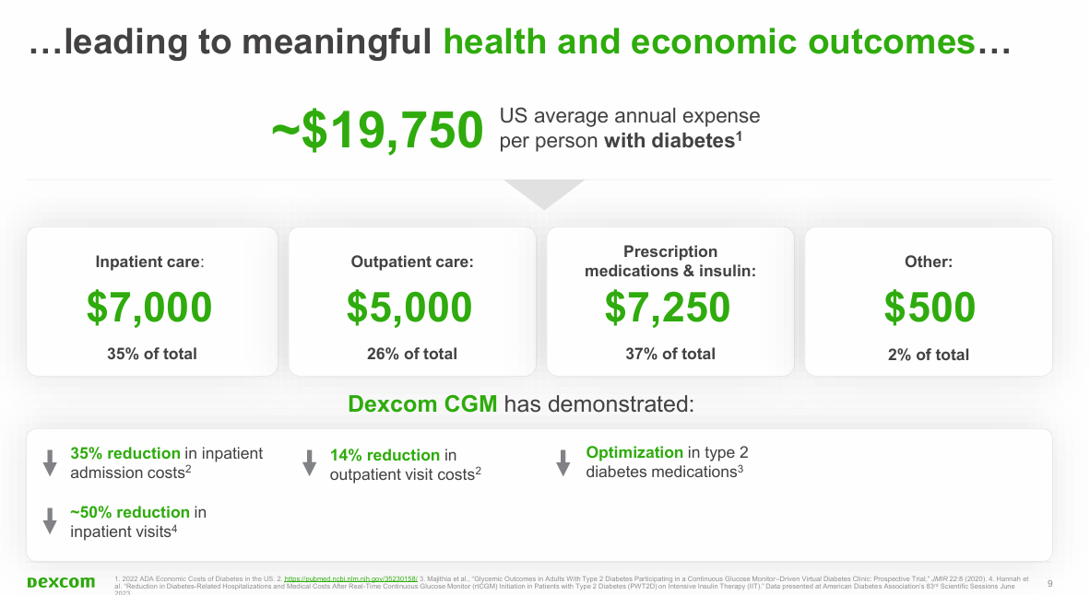
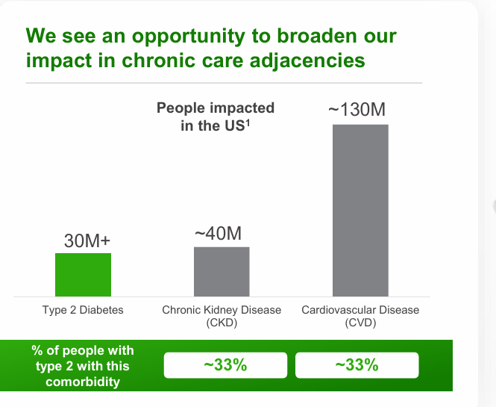
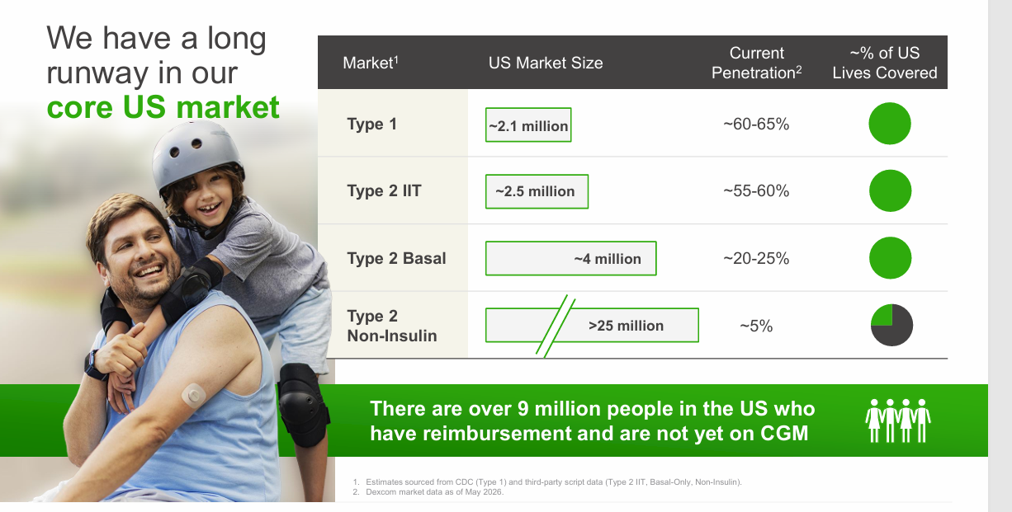
MARKET SIZES
 | Market | Definition | Market size | Market Growth | Main players | Source | Source link | Market | Market Size Estimate 2025 [$ Bn] | Market Size Estimate 2030 [$ Bn] | Market Growth
Main market | Continuous glucose monitoring (prescription) | Real-time glucose monitoring via subcutaneous sensor | $13.4 Bn | 15% | Dexcom, Inc., Abbott Laboratories, Medtronic | Grand View Research - public data | https://www.grandviewresearch.com/industry-analysis/continuous-glucose-monitoring-market | Continuous glucose monitoring (prescription) | 13.4 | 27.0 | 15%
Adjacent market | Biosensors | Biological sensors for glucose, lactate, metabolic markers | $32 Bn | 9% | Abbott, Medtronic, Dexcom (glucose biosensing), Siemens Healthineers | Grand View Research - public data | https://www.grandviewresearch.com/industry-analysis/biosensors-market | Biosensors | 32 | 49.5 | 9%
 | Wearable Medical Device | Wearables incl. CGM, cardiac patches | $54 Bn | 30% | Philips, Boston Scientific, Abbott | Grand View Research - public data | https://www.grandviewresearch.com/industry-analysis/wearable-medical-devices-market | Wearable Medical Device | 54 | 196.7 | 30%
 | Diabetes care drugs & medical devices | Insulin, GLP-1, pumps, pens, CGM | $130 Bn | 9% | Novo Nordisk, Eli Lilly, Medtronic | Mordor Intelligence - public data | https://www.mordorintelligence.com/industry-reports/diabetes-care-drugs-and-devices-market | Diabetes care drugs & medical devices | 130 | 197.3 | 9%
 | Digital Health | Remote monitoring, telehealth, AI diagnostics | $347 Bn | 23% |  | Grand View Research - public data | https://www.grandviewresearch.com/industry-analysis/digital-health-market | Digital Health | 347 | 976.9 | 23%

INSTALLED BASE

 | Install Base of Continuous Glucose Monitoring Device
 | 2025 | 2023 | 2020
Dexcom | 3,5 M | 2,3 M | 0,9 M
Abbott Laboratories | 8 M | 5 M

Global prevalence of Diabetes |  | Prevalence | Occurrence
 | Diabetes Type 1 | 8.4 M
 | Diabetes Type 2 | 580 M

 |  | Estimate | Notes
 | People living with Diabetes 2025 | 590 M | Global number → Total market | Total market
 | People living with Diabetes 2050 | 853 M | International Diabetes Federation (IDF) forecast → long-term growth
 | People diagnosed | 60% | Regional differences → Reachable market | Reachable market
 | People who receive treatment | 70% of diagnosed | Lifestyle changes, insulin, oral medication → Addressable market | Addressable market
 | People with prediabetes | ~1.3 B | WHO + CDC → Future market (Stelo) | Future market (Stelo)
 | People benefitting glucose monitoring | ~250 M | People with diabetes who are diagnosed and receiving treatment | Dexcom´s realistic CGM potential

 | More than 1 in 4 US healthcare dollars are spent on people with diabetes
 | Greater than 40% of US adults have prediabetes
 | ~$19,750 US average annual expense per person with diabetes

