Information
Data Set Characteristics: Multivariate | Data | Attribute | Information:
Number of Instances | 338 | Voltage (V) | Output voltage value of FLC sensor due to magnetic distortion
Area | Military Defense | High (H) | The height of the sensor from the ground.
Attribute Characteristics | Real | Soil Type (S) | 6 different soil types depending on the moisture condition
Number of Attributes | 4 | Mine Type (M) | Mine types commonly encountered on land. 5 different mine classes.
For citation you should refer to the following article: Yilmaz, C., Kahraman, H. T., & Söyler, S. (2018). Passive mine detection and classification method based on hybrid model. IEEE Access, 6, 47870-47888.
Associated Tasks | Classification

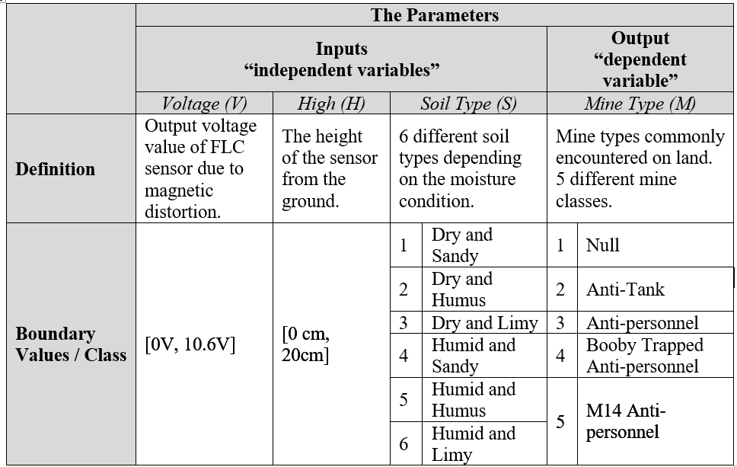
Class Distribution | numbers
1 (Null) | 71
2 (Anti-tank) | 70
3 (Anti-personnel) | 66
4 (Booby Trapped Anti-personnel) | 66
5 (M14 Anti-personnel) | 65
Total | 338

