Batch Data
Batch | Brand | Brew Date | Batch Size
24066 | COH | 05/20/24 | 60

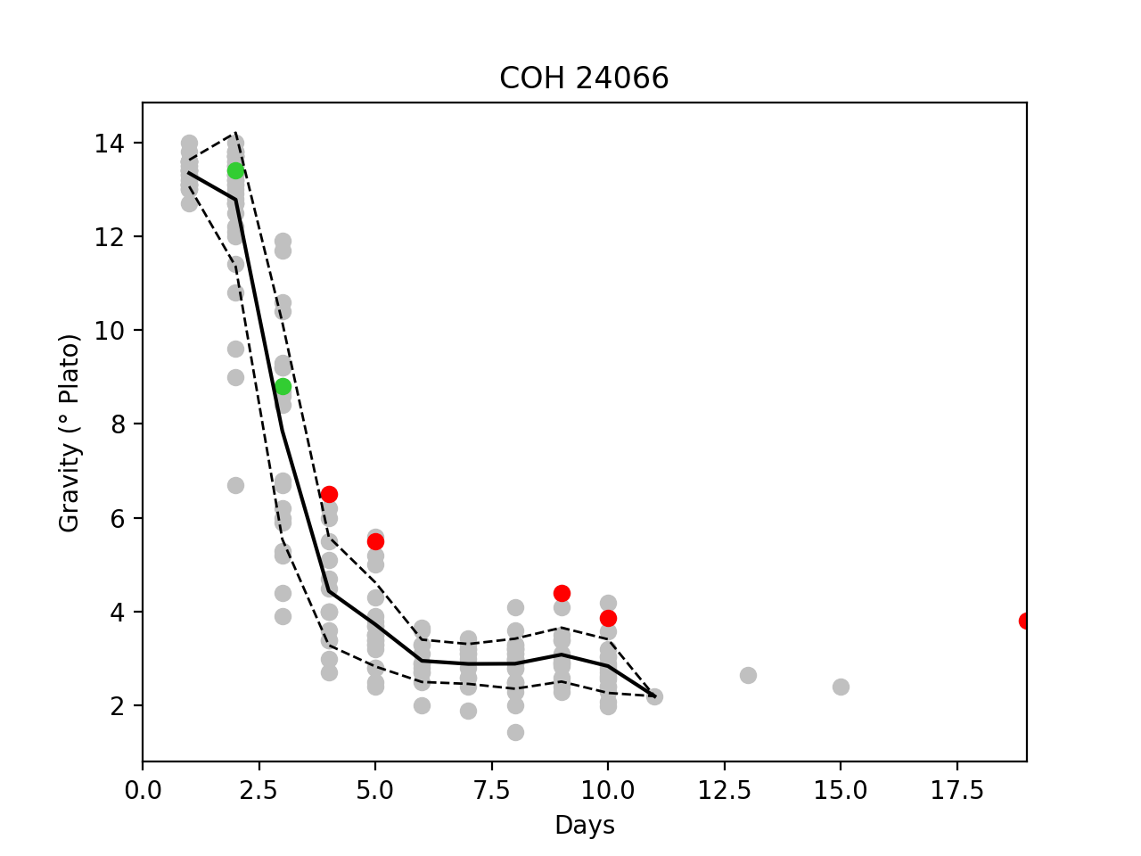
ABV Data
 | Sample Date | pH | Alcohol (v/v%) | RDF (%) | Plato (P°) | Notes
Final
Package
Library

Micro
Test Date | Yeast | Location | HLP 72 | HLP Notes | LCSM 72 | LCSM Notes | WLD 72 | WLD Notes
NaT | London | FV02

Ferm Log Data
Date | Gravity | pH | Temp | OG | OGdate | Days
06/07/2024 | 3.82 | 0 | 0 | 13.9 | 05/20/2024 12:00 PM | 19
05/29/2024 | 3.87 | 4.61 | 0 | 13.9 | 05/20/2024 12:00 PM | 10
05/28/2024 | 4.4 | 4.5 | 71.3 | 13.9 | 05/20/2024 12:00 PM | 9
05/24/2024 | 5.5 | 4.34 | 69 | 13.9 | 05/20/2024 12:00 PM | 5
05/23/2024 | 6.5 | 4.38 | 71.7 | 13.9 | 05/20/2024 12:00 PM | 4
05/22/2024 | 8.8 | 4.46 | 73.5 | 13.9 | 05/20/2024 12:00 PM | 3
05/21/2024 | 13.4 | 4.95 | 70 | 13.9 | 05/20/2024 12:00 PM | 2

Brite DO Data
Batch | Completion Date | bbls | CO2 | DO | SetPoint | Temp

Can DO Data |  |  |  |  |  |  |  |  | Avg Can DO Data
Batch | Date | Can Size | Fill Head | Weight (g) | CO2 | DO | Eq. | Comment | Batch | Eq. | Weight (g) | CO2 | DO | DO Pickup

