ApiMainWindow
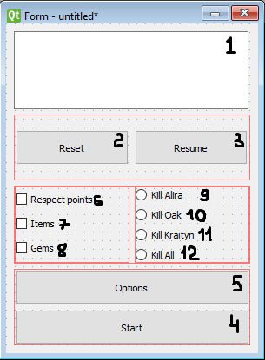
ObjectName | Description | Position | MainWindow
textTitle | Discription on main window | 1
btnReset | Button for reset quests progress | 2
btnResume | Button for resume quest progress | 3
btnStart | Button for start a new progress line | 4
btnOptions | Button for open options menu | 5
cbRespec | Check box for add respec points quest line | 6
cbItems | Check box for add items quest line | 7
cbGems | Check box for add gems quest line | 8
rbAlira | Radio button for choose Alira kill | 9
rbOak | Radio button for choose Oak kill | 10
rbKraityn | Radio button for choose Kraityn kill | 11
rbAll | Radio button for choose All kill | 12

Window Name | MainWindow

ApiNavigateWindow
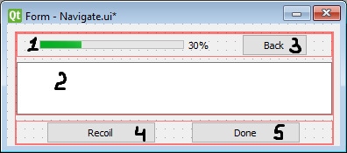
ObjectName | Description | Position | NavigateWindow
progressBar | Progress bar for act progress | 1
textNavigate | Navigate panel | 2
btnBack | Button for go to the main menu | 3
btnRecoil | Button for recoil line progress | 4
btnDone | Button for promote line progress | 5

Window Name | NavigateWindow

