1 - Executive Summary
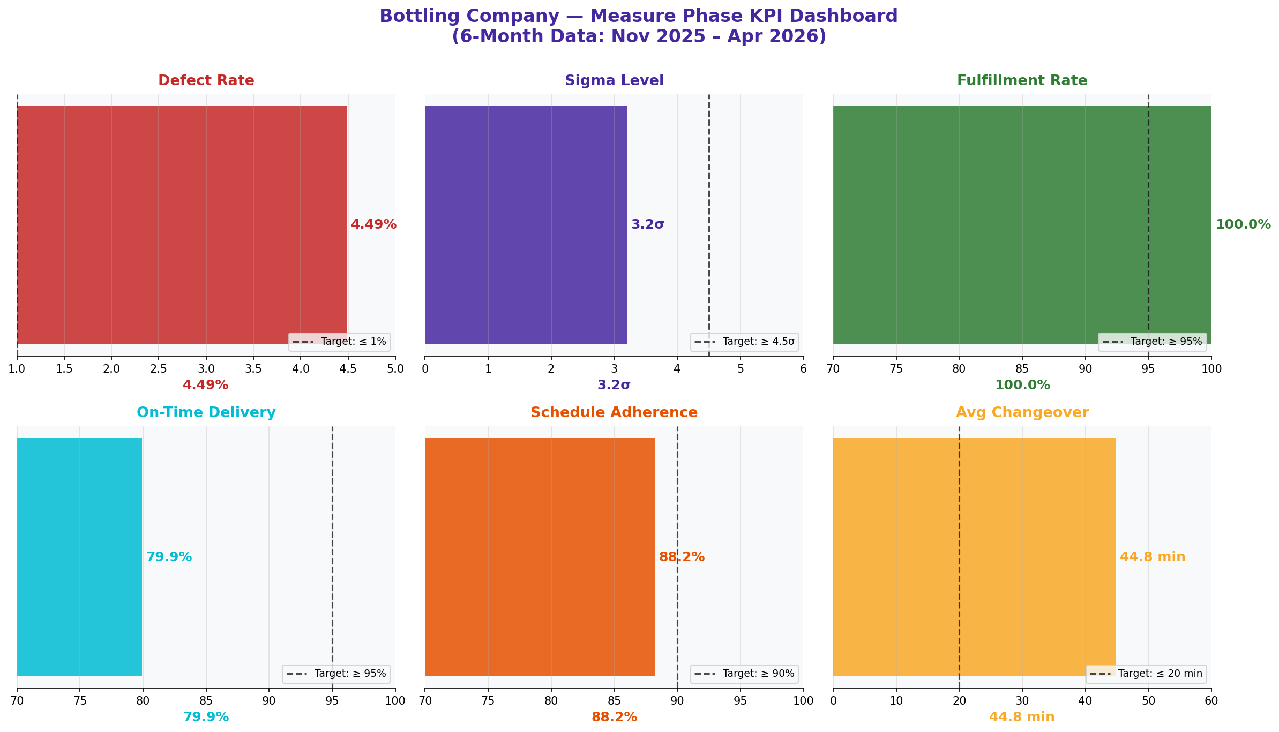
Water Bottling Company — Measure Phase Findings
6-Month Data Analysis: November 2025 – April 2026

KEY PERFORMANCE INDICATORS — MEASURE PHASE BASELINE
KPI | Current Value | Target | Gap | Status
Defect Rate | 4.49% | ≤ 1% | 3.49% above target | 🔴 Critical
Sigma Level | 3.2σ | ≥ 4.5σ | 1.3σ below target | 🔴 Critical
DPMO | 44,896 | ≤ 1,350 | 43,546 above target | 🔴 Critical
Fulfillment Rate | 100.0% | ≥ 95% | At target | 🟢 On Target
On-Time Delivery | 79.9% | ≥ 95% | 15.1% below target | 🔴 Critical
Schedule Adherence | 88.2% | ≥ 90% | 1.8% below target | 🟡 Monitor
Avg Changeover Time | 44.8 min | ≤ 20 min | 24.8 min above target | 🔴 Critical
% Changeovers > Target | 100.0% | ≤ 10% | 90.0% above target | 🔴 Critical
Unplanned Downtime % | 55.3% | ≤ 20% | 35.3% above target | 🔴 Critical
Customer CSAT | 3.40/5 | ≥ 4.0/5 | 0.60 below target | 🔴 Critical

KPI DASHBOARD CHART

2 - Defect & Quality
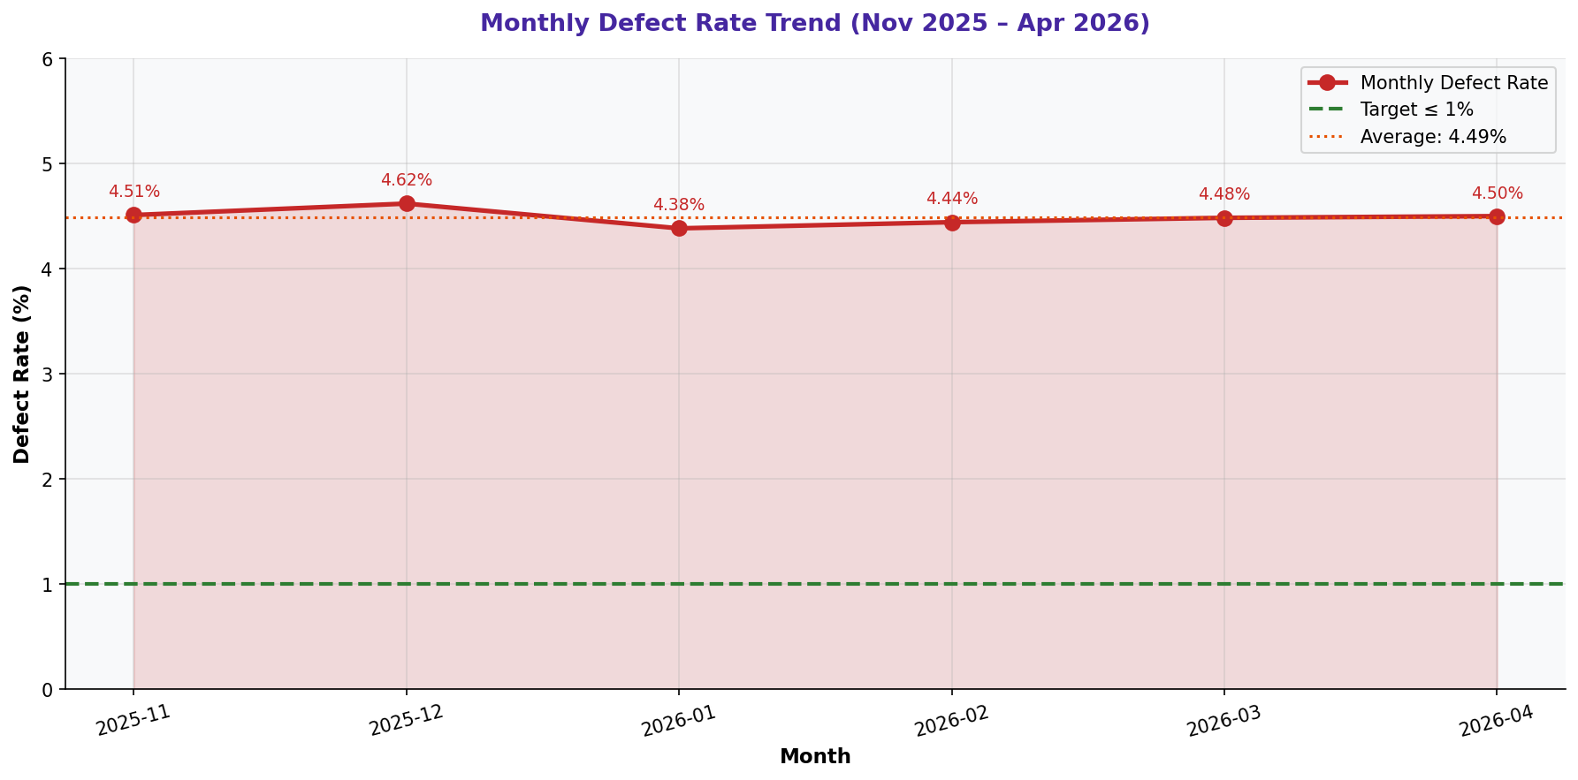
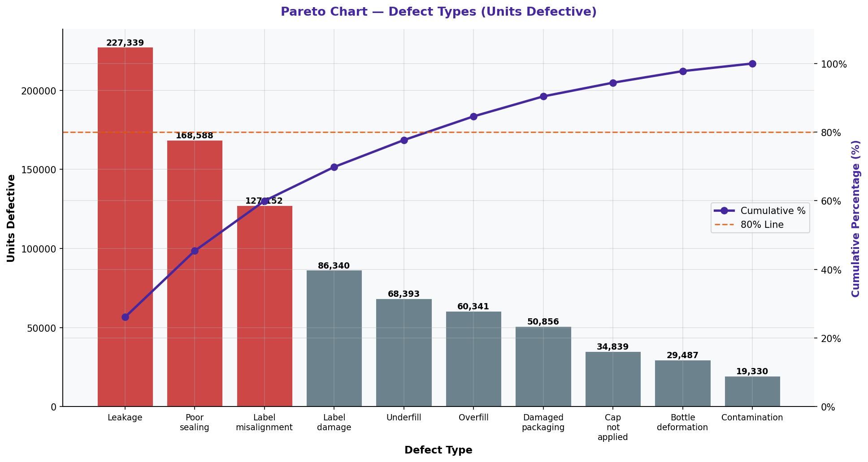
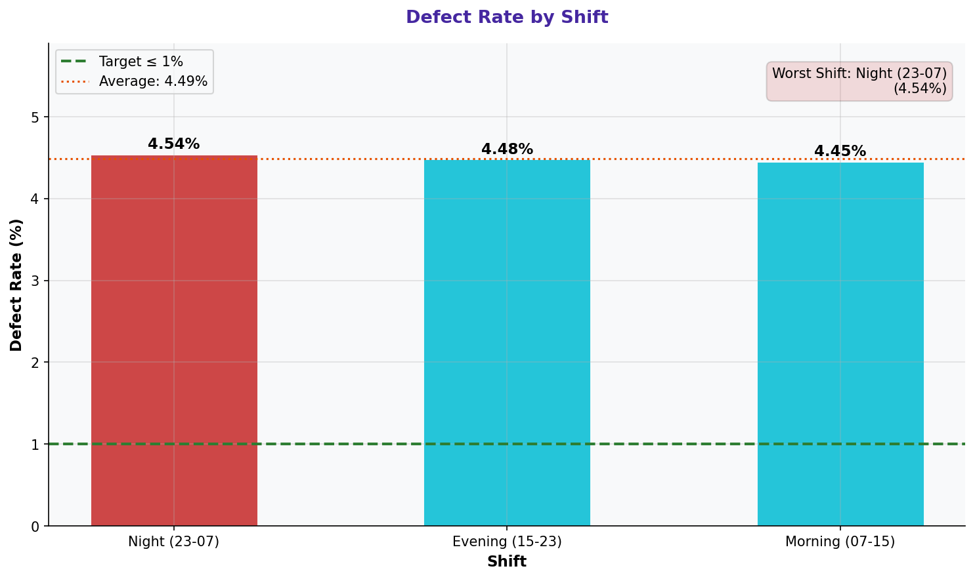
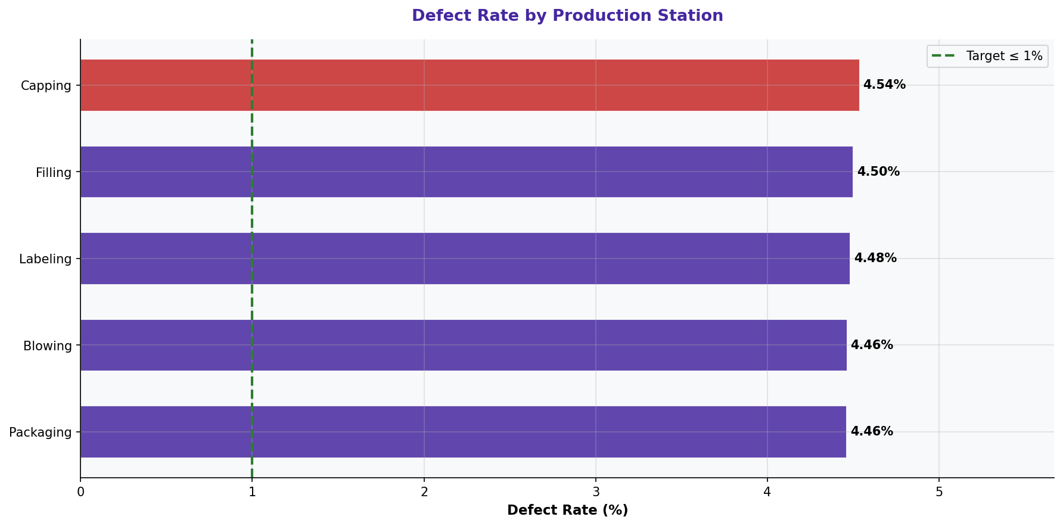
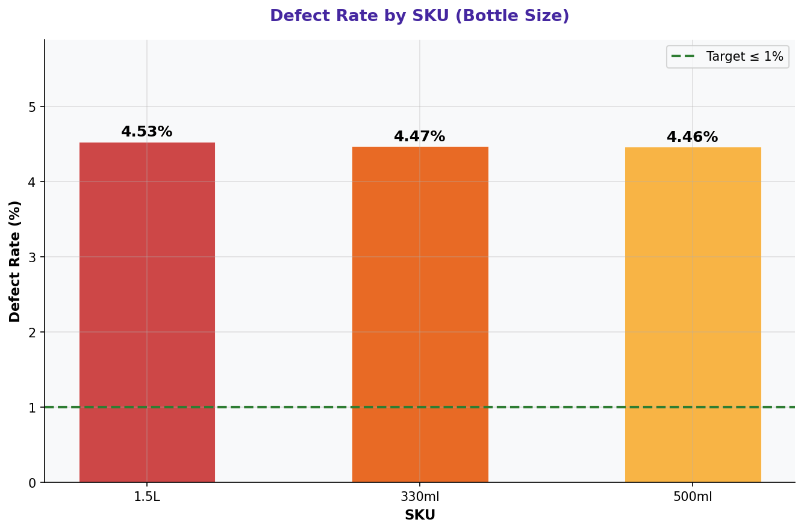
Defect & Quality Analysis — Measure Phase

DEFECT BREAKDOWN BY TYPE
Defect Type | Units Defective | % of Total Defects | Cumulative % | Priority
Leakage | 227,339 | 26.1% | 26.1% | 🔴 Top Priority
Poor sealing | 168,588 | 19.3% | 45.4% | 🔴 Top Priority
Label misalignment | 127,152 | 14.6% | 59.9% | 🔴 Top Priority
Label damage | 86,340 | 9.9% | 69.8% | 🔴 Top Priority
Underfill | 68,393 | 7.8% | 77.7% | 🔴 Top Priority
Overfill | 60,341 | 6.9% | 84.6% | 🟡 Monitor
Damaged packaging | 50,856 | 5.8% | 90.4% | 🟡 Monitor
Cap not applied | 34,839 | 4.0% | 94.4% | 🟡 Monitor
Bottle deformation | 29,487 | 3.4% | 97.8% | ⚪ Low
Contamination | 19,330 | 2.2% | 100.0% | ⚪ Low

DEFECT RATE BY SHIFT
Shift | Defect Rate (%) | vs Average | Units Defective | Assessment
Night (23-07) | 4.54% | +0.05% | 292,997 | 🔴 Worst Shift
Evening (15-23) | 4.48% | -0.01% | 291,882 | 🟢 Below Average
Morning (07-15) | 4.45% | -0.04% | 287,786 | 🟢 Below Average

DEFECT RATE BY PRODUCTION STATION
Station | Defect Rate (%) | Units Defective | Units Produced | Assessment
Capping | 4.54% | 176,345 | 3,886,985 | 🔴 Critical Station
Filling | 4.50% | 170,466 | 3,786,899 | 🟡 High
Labeling | 4.48% | 172,015 | 3,836,057 | 🟢 Acceptable
Blowing | 4.46% | 177,552 | 3,977,220 | 🟢 Acceptable
Packaging | 4.46% | 176,287 | 3,950,352 | 🟢 Acceptable

DEFECT RATE BY SKU (BOTTLE SIZE)
SKU | Defect Rate (%) | Units Defective | Units Produced | Assessment
1.5L | 4.53% | 296,450 | 6,542,820 | 🔴 Highest Defect Rate
330ml | 4.47% | 288,956 | 6,460,640 | 🟢 Acceptable
500ml | 4.46% | 287,259 | 6,434,053 | 🟢 Acceptable

CHARTS: DEFECT TREND & PARETO

3 - Downtime Analysis
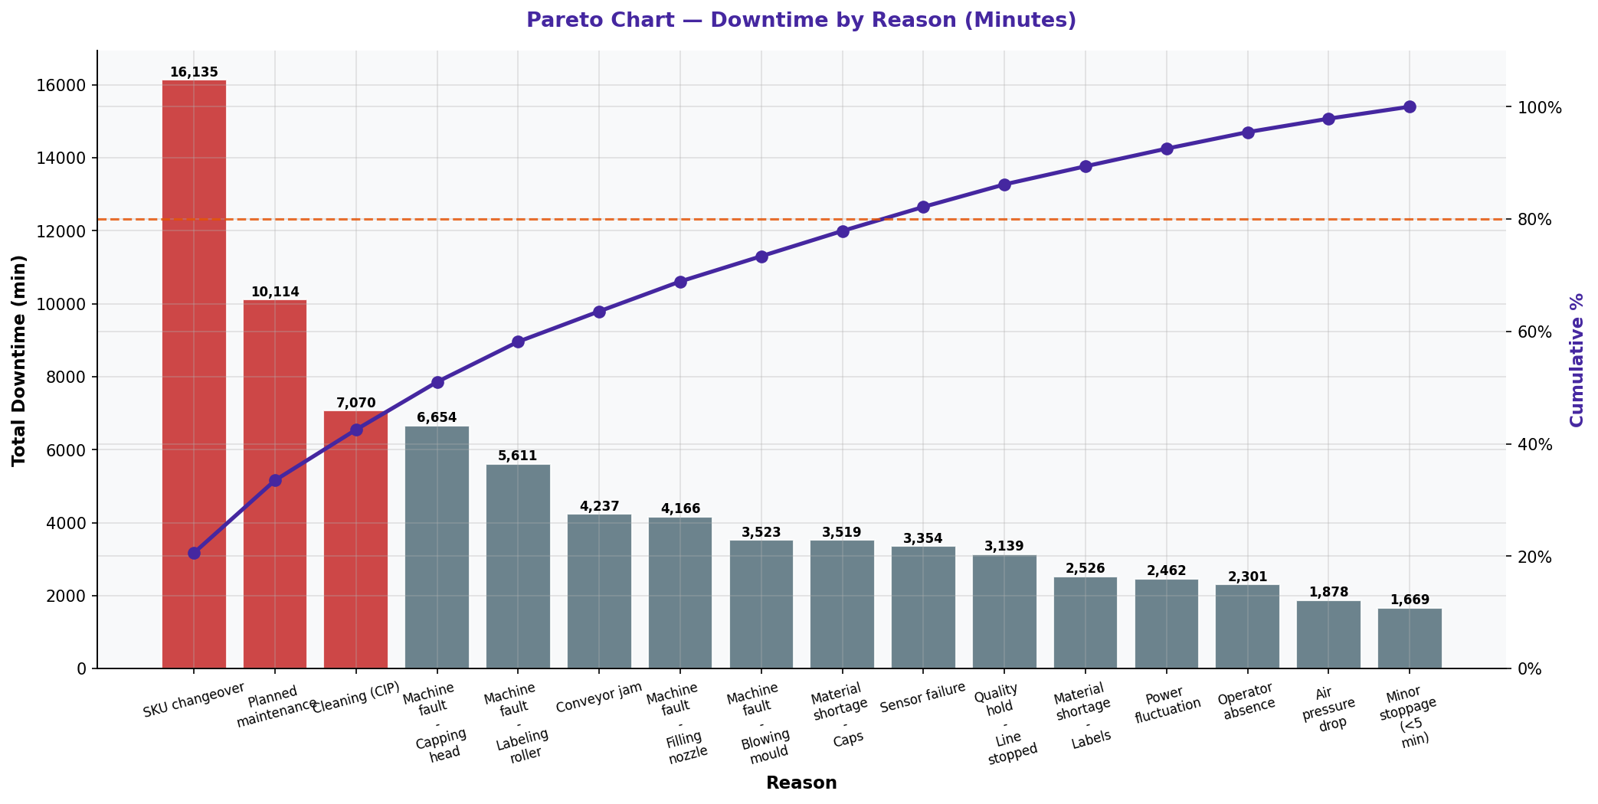
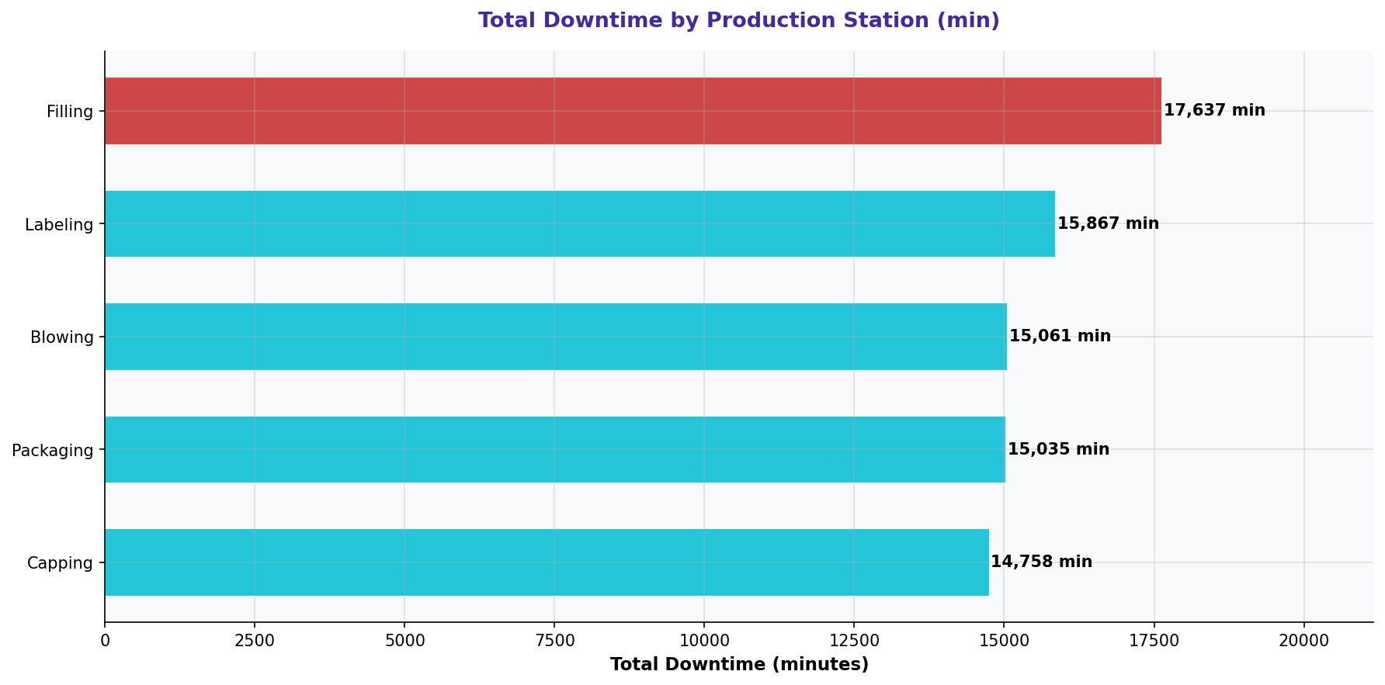
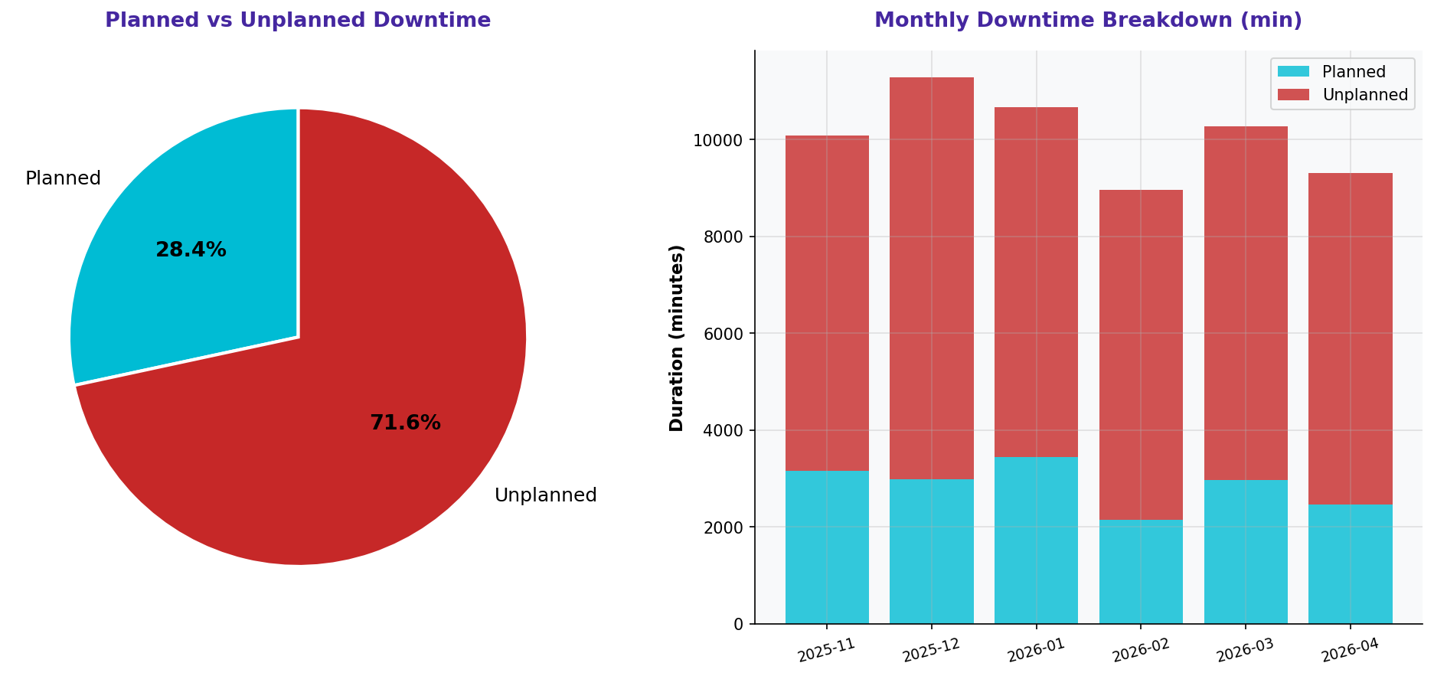
Downtime & Stoppages Analysis — Measure Phase

DOWNTIME SUMMARY STATISTICS
Metric | Value | Target | Gap | Status
Total Downtime (min) | 78,358 | Minimize | - | 🔴 High
Unplanned Downtime (min) | 43,370 | Minimize | - | 🔴 Critical
Unplanned % of Total | 55.3% | ≤ 20% | 35.3% above | 🔴 Critical
Planned Downtime (min) | 34,988 | - | - | 🟢 Scheduled
Avg Stoppage Duration (min) | 25.2 | Minimize | - | 🟡 Monitor
Total Stoppages (events) | 3,113 | Minimize | - | 🔴 High

DOWNTIME BY REASON (PARETO)
Reason | Total Duration (min) | % of Total | Cumulative % | Priority
SKU changeover | 16,135 | 20.6% | 20.6% | 🔴 Top Priority
Planned maintenance | 10,114 | 12.9% | 33.5% | 🔴 Top Priority
Cleaning (CIP) | 7,070 | 9.0% | 42.5% | 🔴 Top Priority
Machine fault - Capping head | 6,654 | 8.5% | 51.0% | 🔴 Top Priority
Machine fault - Labeling roller | 5,611 | 7.2% | 58.2% | 🔴 Top Priority
Conveyor jam | 4,237 | 5.4% | 63.6% | 🔴 Top Priority
Machine fault - Filling nozzle | 4,166 | 5.3% | 68.9% | 🔴 Top Priority
Machine fault - Blowing mould | 3,523 | 4.5% | 73.4% | 🔴 Top Priority
Material shortage - Caps | 3,519 | 4.5% | 77.9% | 🔴 Top Priority
Sensor failure | 3,354 | 4.3% | 82.2% | 🟡 Monitor
Quality hold - Line stopped | 3,139 | 4.0% | 86.2% | 🟡 Monitor
Material shortage - Labels | 2,526 | 3.2% | 89.4% | 🟡 Monitor
Power fluctuation | 2,462 | 3.1% | 92.5% | 🟡 Monitor
Operator absence | 2,301 | 2.9% | 95.5% | ⚪ Low
Air pressure drop | 1,878 | 2.4% | 97.9% | ⚪ Low
Minor stoppage (<5 min) | 1,669 | 2.1% | 100.0% | ⚪ Low

DOWNTIME BY PRODUCTION STATION
Station | Total Downtime (min) | Events | Avg Duration (min) | Assessment
Filling | 17,637.0 | 686.0 | 25.7 | 🔴 Highest Downtime
Labeling | 15,867.0 | 647.0 | 24.5 | 🟡 High
Blowing | 15,061.0 | 592.0 | 25.4 | 🟢 Acceptable
Packaging | 15,035.0 | 595.0 | 25.3 | 🟢 Acceptable
Capping | 14,758.0 | 593.0 | 24.9 | 🟢 Acceptable

CHARTS: DOWNTIME ANALYSIS

4 - Changeover & Production
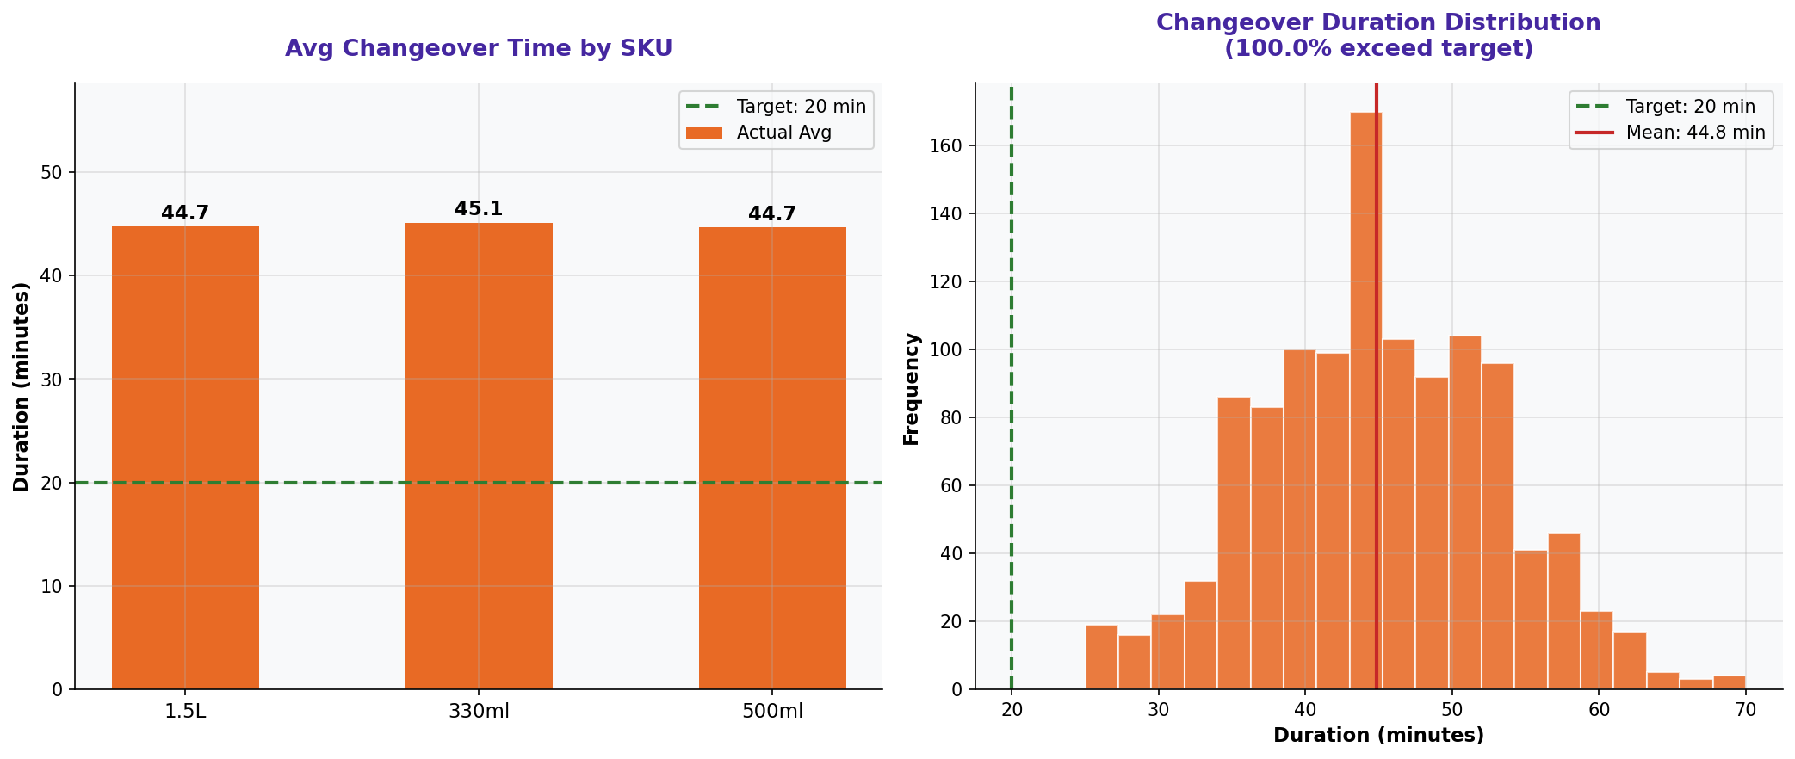
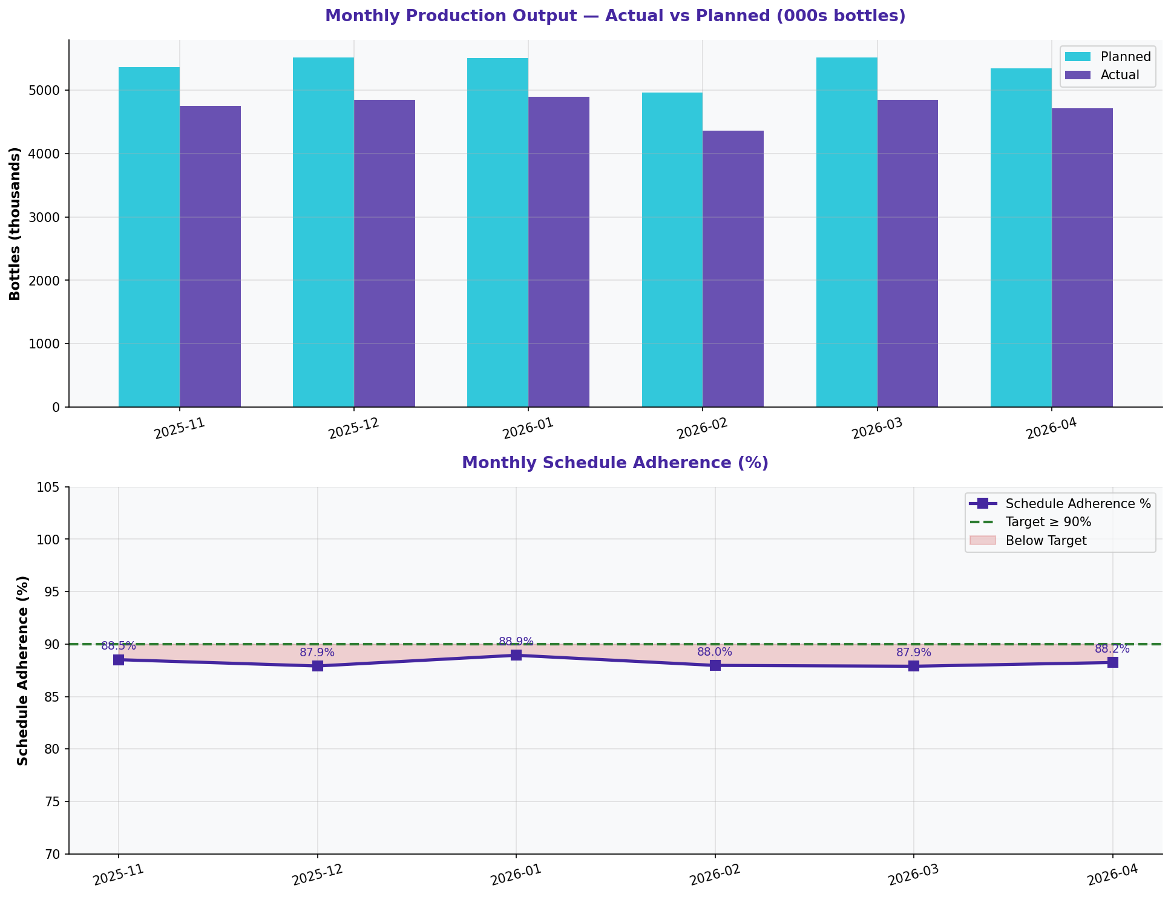
Changeover Times & Production Output — Measure Phase

CHANGEOVER TIME SUMMARY
Metric | Value | Target | Gap | Status
Average Changeover Time (min) | 44.8 | ≤ 20 min | +24.8 min | 🔴 Critical
% Changeovers Exceeding Target | 100.0% | ≤ 10% | +90.0% | 🔴 Critical
Max Changeover Duration (min) | 70 | ≤ 20 min | +50 min | 🔴 Critical
Min Changeover Duration (min) | 25 | ≤ 20 min | - | 🟢 Achieved
Std Dev of Changeover (min) | 8.1 | Minimize | - | 🟡 High Variation
Total Changeover Events | 1,161 | - | - | -

CHANGEOVER TIME BY SKU TRANSITION
To SKU | Avg Duration (min) | Target (min) | Gap (min) | Assessment
330ml | 45.1 | 20 | +25.1 | 🔴 Exceeds Target
1.5L | 44.7 | 20 | +24.7 | 🔴 Exceeds Target
500ml | 44.7 | 20 | +24.7 | 🔴 Exceeds Target

PRODUCTION OUTPUT SUMMARY
Metric | Value | Target | Gap | Status
Total Actual Output (bottles) | 28,422,020 | - | - | -
Total Planned Output (bottles) | 32,206,042 | - | - | -
Avg Schedule Adherence (%) | 88.2% | ≥ 90% | -1.8% | 🔴 Below Target
Avg Daily Output per Shift | 17,448 | - | - | -
Output Gap (Actual - Planned) | -3,784,022 | 0 | - | 🔴 Shortfall

CHARTS: CHANGEOVER & PRODUCTION

5 - Fulfillment & Customer
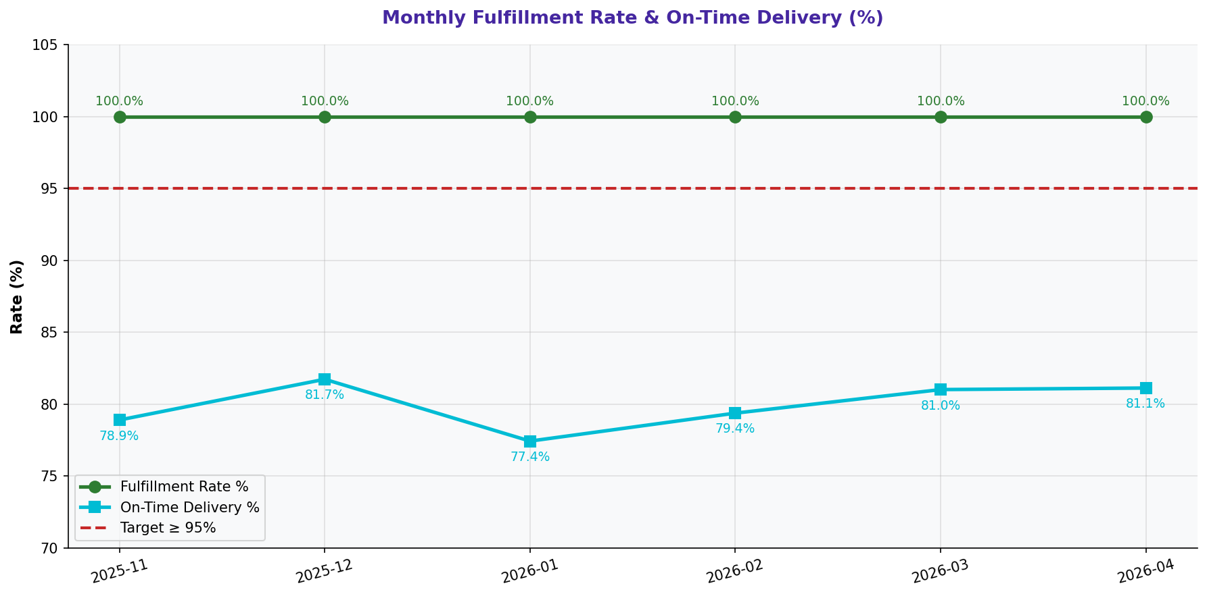
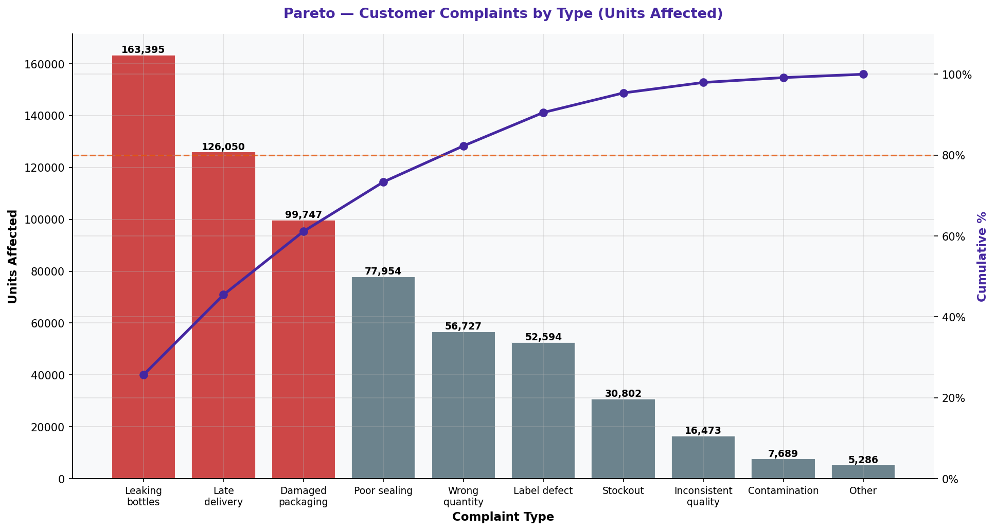
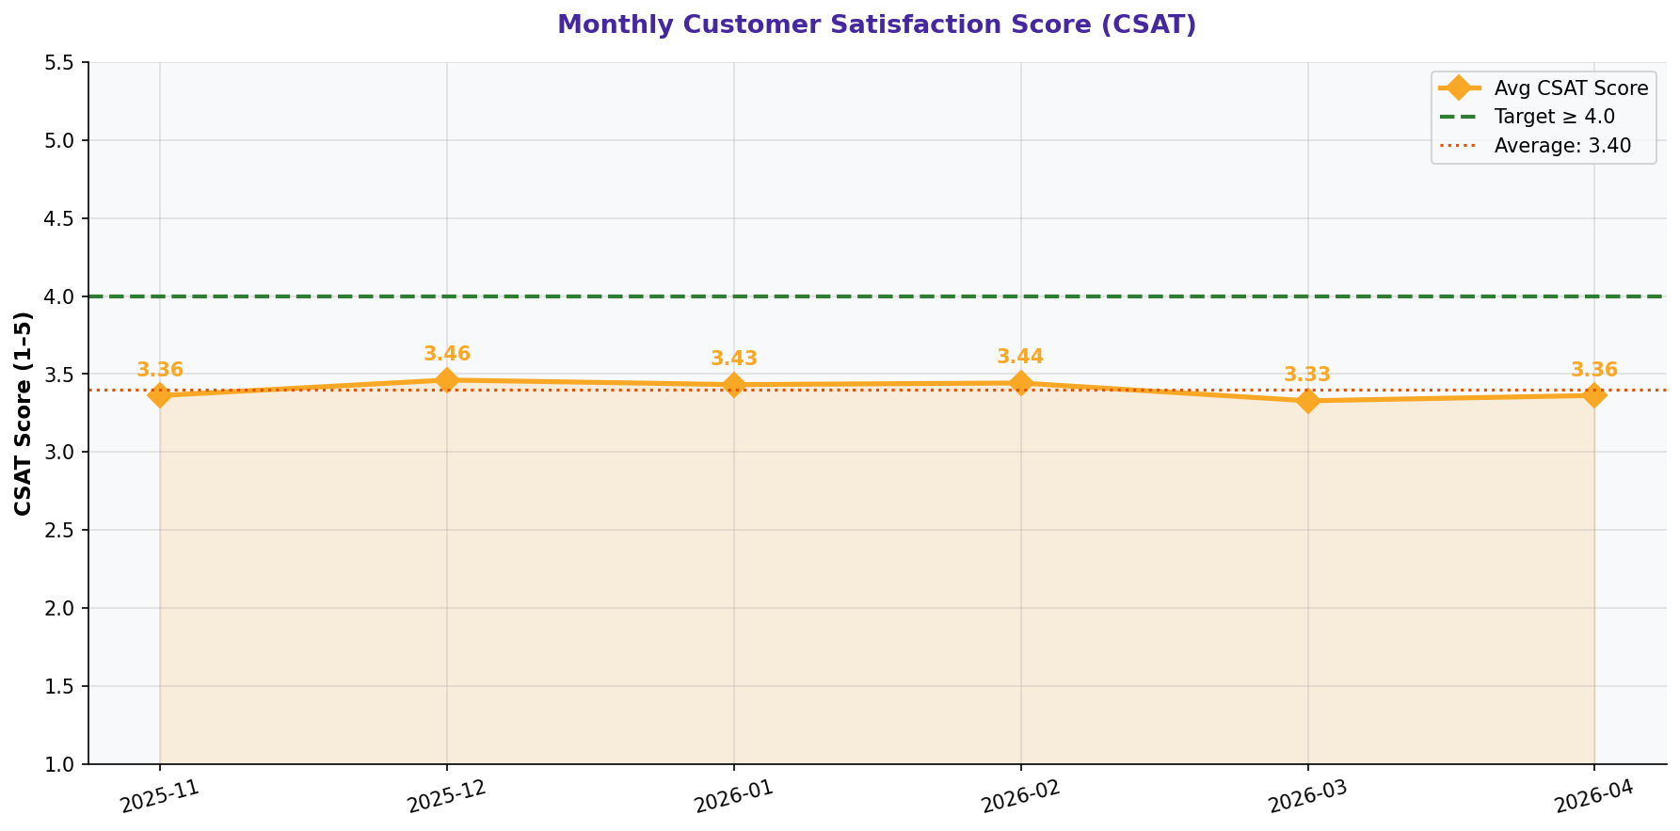
Fulfillment, Delivery & Customer Satisfaction — Measure Phase

ORDER FULFILLMENT SUMMARY
Metric | Value | Target | Gap | Status
Avg Fulfillment Rate (%) | 100.0% | ≥ 95% | At target | 🟢 On Target
On-Time Delivery Rate (%) | 79.9% | ≥ 95% | 15.1% below | 🔴 Critical
Total Stockout Events | 0 | 0 | - | 🔴 Frequent
Total Overstock Events | 1,431 | 0 | - | 🟡 Monitor
Total Partial Deliveries | 0 | 0 | - | 🔴 High
Total Shortfall (units) | 0 | 0 | - | 🔴 Critical

FULFILLMENT RATE BY SKU
SKU | Avg Fulfillment (%) | On-Time % | Stockouts | Assessment
1.5L | 100.0% | 79.9% | 0.0 | 🔴 Worst SKU
330ml | 100.0% | 80.1% | 0.0 | 🔴 Worst SKU
500ml | 100.0% | 79.7% | 0.0 | 🔴 Worst SKU

CUSTOMER COMPLAINTS SUMMARY
Complaint Type | Units Affected | % of Total | Avg Days to Resolve | Priority
Leaking bottles | 163,395.0 | 25.7% | 7.7 days | 🔴 Top Priority
Late delivery | 126,050.0 | 19.8% | 7.7 days | 🔴 Top Priority
Damaged packaging | 99,747.0 | 15.7% | 7.7 days | 🔴 Top Priority
Poor sealing | 77,954.0 | 12.2% | 7.8 days | 🔴 Top Priority
Wrong quantity | 56,727.0 | 8.9% | 7.3 days | 🟡 Monitor
Label defect | 52,594.0 | 8.3% | 6.7 days | 🟡 Monitor
Stockout | 30,802.0 | 4.8% | 7.1 days | ⚪ Low
Inconsistent quality | 16,473.0 | 2.6% | 7.3 days | ⚪ Low
Contamination | 7,689.0 | 1.2% | 7.6 days | ⚪ Low
Other | 5,286.0 | 0.8% | 6.6 days | ⚪ Low

CUSTOMER SATISFACTION (CSAT)
Metric | Value | Target | Gap | Status
Average CSAT Score (1-5) | 3.40 | ≥ 4.0 | 0.60 below target | 🔴 Critical
Min CSAT Score | 1 | - | - | -
Max CSAT Score | 5 | - | - | -
% Scores ≥ 4 | 53.2% | ≥ 80% | - | 🔴 Low
Total Complaints | 2,526 | Minimize | - | 🔴 High

CHARTS: FULFILLMENT & CUSTOMER

6 - Maintenance & Sigma
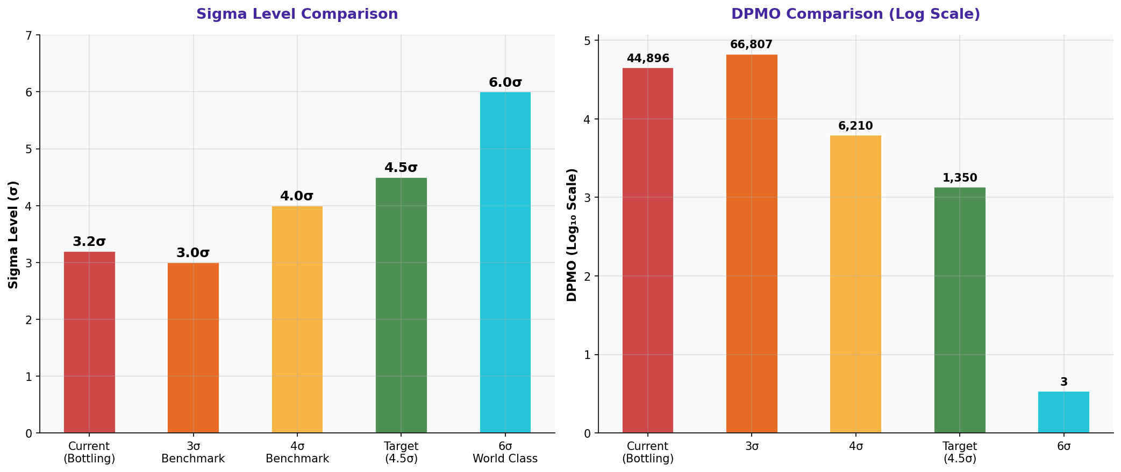
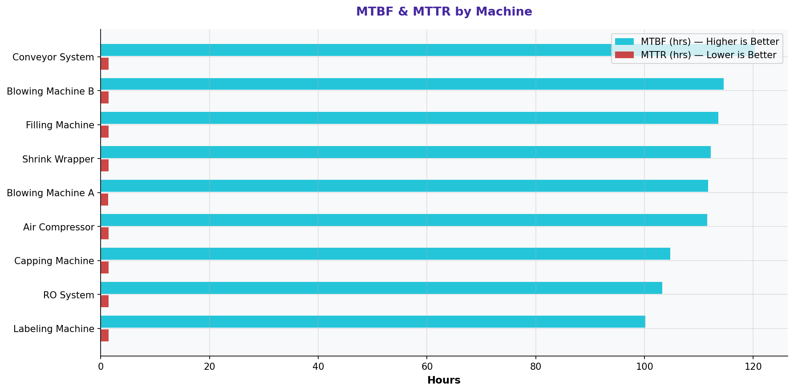
Maintenance Logs & Sigma Level Analysis — Measure Phase

SIGMA LEVEL & PROCESS CAPABILITY
Metric | Value | Benchmark | Gap to Target | Status
Total Units Produced | 19,437,513 | - | - | -
Total Defective Units | 872,665 | - | - | -
Defect Rate (%) | 4.4896% | ≤ 1% | +3.4896% | 🔴 Critical
DPMO (Defects Per Million Opportunities) | 44,896 | ≤ 1,350 (4.5σ) | 43,546 above | 🔴 Critical
Current Sigma Level | 3.2σ | ≥ 4.5σ | 1.3σ gap | 🔴 Critical
3σ Benchmark DPMO | 66,807 | - | - | 🟡 Between 3σ-4σ
4σ Benchmark DPMO | 6,210 | - | - | -
4.5σ Target DPMO | 1,350 | - | - | -
6σ World Class DPMO | 3.4 | - | - | -

MAINTENANCE PERFORMANCE SUMMARY
Metric | Value | Target | Gap | Status
Total Maintenance Events | 2,532 | - | - | -
Avg MTBF (hrs) | 110.1 | Maximize | - | 🟡 Monitor
Avg MTTR (hrs) | 1.4 | Minimize | - | 🟡 Monitor
PM Completed on Schedule (%) | 31.0% | ≥ 95% | - | 🟡 Monitor
Issues Pending (%) | 21.0% | ≤ 5% | - | 🔴 High
Corrective Maintenance Events | 1,175 | Minimize | - | 🔴 High
Preventive Maintenance Events | 1,123 | Maximize | - | 🟢 Good

MTBF & MTTR BY MACHINE
Machine | Avg MTBF (hrs) | Avg MTTR (hrs) | Maintenance Events | Assessment
Labeling Machine | 100.2 | 1.5 | 272.0 | 🔴 Lowest Reliability
RO System | 103.2 | 1.4 | 289.0 | 🟡 Monitor
Capping Machine | 104.8 | 1.4 | 288.0 | 🟡 Monitor
Air Compressor | 111.5 | 1.4 | 272.0 | 🟢 Reliable
Blowing Machine A | 111.7 | 1.4 | 284.0 | 🟢 Reliable
Shrink Wrapper | 112.2 | 1.4 | 323.0 | 🟢 Reliable
Filling Machine | 113.6 | 1.4 | 269.0 | 🟢 Reliable
Blowing Machine B | 114.5 | 1.5 | 264.0 | 🟢 Reliable
Conveyor System | 120.3 | 1.4 | 271.0 | 🟢 Reliable

CHARTS: SIGMA & MAINTENANCE

