Sheet1
Name

 | Table ？The EA-CNN optimal parameters and their impact on Tampere test data performance. |  |  |  |  |  |  |  | Table 10 Comparison of the effect of data representation on positioning performance in UJIIndoorLoc and Tampere datasets.
 | Optimal parameters |  |  | Floor hit rate (%) and positioning error (m) |  |  |  |  | Data set | Accuracy | Data scaling
 | Name | UJIIndoorLoc |  | UJIIndoorLoc |  |  |  |  |  |  | Raw | Min-max normalized | Powered transformed
 |  | Classification | Regression | Floor | Mean | RMSE |  |  | UJIIndoorLoc | Floor hit rate (%) | 78.57 | 93.81 | 96.13
 | Autoencoder size | 81 | 81 | 96.13 | 8.91 | 11.73 |  |  |  | Mean (m) | 13.38 | 9.49 | 8.91
 | Number of convolution layers | 1 | 2 |  |  |  |  |  |  | RMSE (m) | 17.7 | 12.85 | 11.73
 | Filter size | 5,5 | 7,7
 | Number of filters | 128 | 96, 64
 | L2-regularization factor | 0.001 | 0.01
 | Number of Augmentation rounds | 2 | 2
 | Optimizer | SGDM | ADAM

 | Data set | Accuracy | Data scaling |  |  |  | Table 9 表9 The EA-CNN optimal parameters and their impact on Tampere test data performance. EA-CNN最优参数及其对坦佩雷测试数据性能的影响。
 |  |  | Raw |  |  |  | Optimal parameters |  |  | Floor hit rate (%) and Positioning Error (m)
 | UJIIndoorLoc | Floor hit rate (%) | 78.57 |  |  |  | Name | Tampere/UJIIndoorLoc |  | Tampere |  |  | UJIIndoorLoc
 |  | Mean (m) | 13.38 |  |  |  |  | Classification | Regression | Floor | Mean | RMSE | Floor | Mean | RMSE
 |  | RMSE (m) | 17.7 |  |  |  | Autoencoder size | 81/64 | 81/64
 | TU | Floor hit rate (%) | 87.64 |  |  |  | Number of convolution layers | 1 | 2 | 94.53
 |  | Mean (m) | 11.03 |  |  |  | Filter size | 5,5 | 7,7
 |  | RMSE (m) | 13.87 |  |  |  | Number of filters | 128 | 96, 64/96, 96 |  | 8.24 | 11.06 | 96.13 | 8.91 | 11.73
 | 数据集 | 准确率 | 数据缩放 |  |  |  | L2-regularization factor | 0.001 | 0.01
 |  |  | 原始 |  |  |  | Number of Augmentation rounds | 2 | 2026-02-03
 | UJIIndoorLoc | 楼层命中率(%) | 78.57 |  |  |  | Optimizer | SGDM | ADAM
 |  | 均值(m) | 13.38 |  |  |  | Dropout factor | 0.4 | 0.2
 |  | 均方根误差(m) | 17.7 |  |  |  | 最佳参数 |  |  | 楼层命中率(%)和定位误差(m)
 | TU | 楼层命中率(%) | 87.64 |  |  |  | 名称 | 坦佩雷/优衣室内定位 |  | 坦佩雷 |  |  | 优衣室内定位
 |  | 均值(m) | 11.03 |  |  |  |  | 分类 | 回归 | 楼层 | 均值 | 均方根误差 | 楼层 | 均值 | 均方根误差
 |  | 均方根误差(m) | 13.87 |  |  |  | 自动编码器大小 | 81/64 | 81/64
 |  |  |  |  |  |  | 卷积层数 | 1 | 2 | 94.53
 |  |  |  |  |  |  | 滤波器大小 | 5,5 | 7,7
 |  |  |  |  |  |  | 滤波器数量 | 128 | 96, 64/96, 96 |  | 8.24 | 11.06 | 96.13 | 8.91 | 11.73
 |  |  |  |  |  |  | L2正则化因子 | 0.001 | 0.01
 |  |  |  |  |  |  | 增强轮数 | 2 | 2026-02-03
 |  |  |  |  |  |  | 优化器 | 随机梯度下降动量法 | 自适应矩估计
 |  |  |  |  |  |  | 随机失活因子 | 0.4 | 0.2

 |  |  |  |  |  |  | 数据集 | 准确率 | 数据缩放
 |  |  |  |  |  |  |  |  | 原始 | 最小-最大归一化 | 幂变换
 |  |  |  |  |  |  | UJIIndoorLoc | 楼层命中率(%) | 78.57 | 93.81 | 96.13
 |  |  |  |  |  |  |  | 均值(m) | 13.38 | 9.49 | 8.91
 |  |  |  |  |  |  |  | 均方根误差(m) | 17.7 | 12.85 | 11.73
 |  |  |  |  |  |  | TU | 楼层命中率(%) | 87.64 | 93.87 | 94.53
 |  |  |  |  |  |  |  | 均值(m) | 11.03 | 8.4 | 8.24
 |  |  |  |  |  |  |  | 均方根误差(m) | 13.87 | 11.37 | 11.06
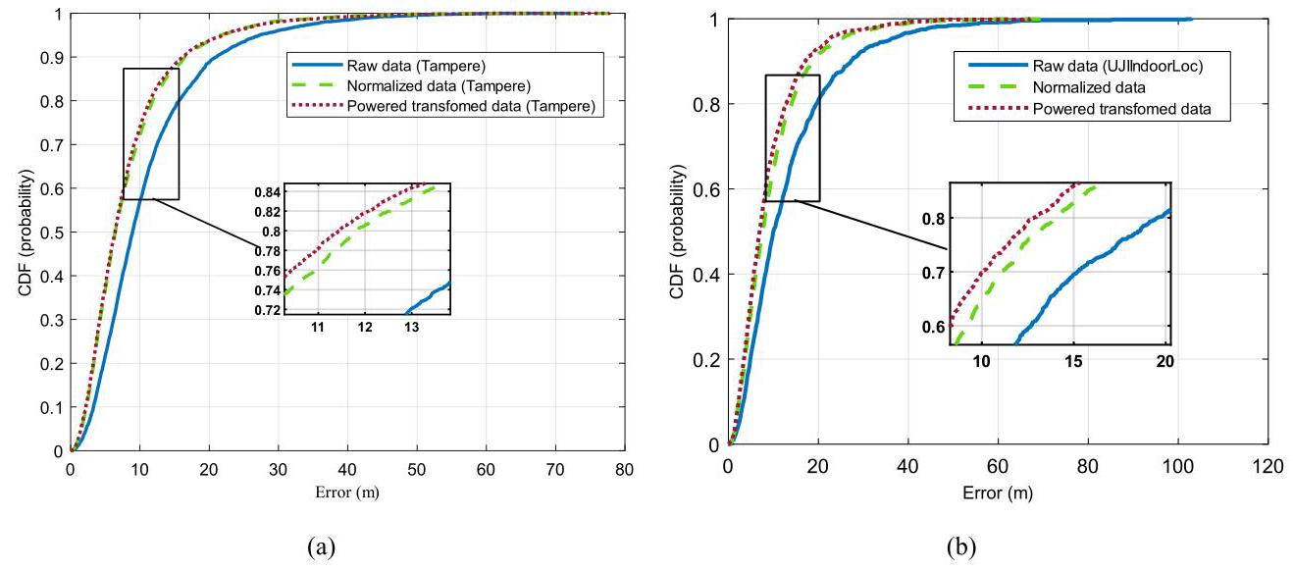
 |  |  |  |  |  |  | Fig. 7. CDF comparison of positioning error for three data representations. (a) Tampere dataset (b) UJIIndoorLoc dataset. 图7. 三种数据表示的定位误差的累积分布函数（CDF）比较。(a) 坦佩雷数据集 (b) UJIIndoorLoc数据集。 In the following, we were inclined to examine what effect it would have on the test results if we increased the number of rounds of data augmentation. In this way, the effect of data augmentation is evaluated on the EA-CNN performance in the Tampere test dataset, by increasing of round numbers up to 8 . In this stage and following, both classifier and regression models have trained again on the new obtained dataset for each augmentation round. All parameters of the two models, except the number of augmentation rounds, are following Table 9. It is noteworthy that, since the hidden neurons of the ELM-AE layer have not changed, the weights of the first layer are the same as the optimal models. The results show that, although in the training phase, adding the number of rounds more than two or three times, does not improve the result, it leads to an increase in the accuracy in the test phase. For distinguishing, the higher accuracy obtained from these experiments was named the best performance. 在接下来的内容中，我们倾向于研究如果增加数据增强的轮数，这会对测试结果产生什么影响。通过这种方式，在坦佩雷测试数据集中，通过将轮数增加到8，来评估数据增强对EA-CNN性能的影响。在这个阶段及之后，对于每个增强轮次，分类器和回归模型都会在新获得的数据集上再次进行训练。除了增强轮数外，这两个模型的所有参数都如表9所示。值得注意的是，由于ELM-AE层的隐藏神经元没有变化，第一层的权重与最优模型相同。结果表明，虽然在训练阶段，增加两轮以上的轮数并不能提高结果，但在测试阶段会导致准确率提高。为了区分，将从这些实验中获得的更高准确率称为最佳性能。 As shown in Table 11, by increasing the rounds, the positioning performance of the EA-CNN improves and by performing seven rounds, it reaches maximum accuracy. Furthermore, the positioning performance can be improved up to 16.45% by data augmentation compared to when only original data is used for model training. 如表11所示，通过增加轮数，EA-CNN的定位性能得到改善，并且在进行七轮时达到最大准确率。此外，与仅使用原始数据进行模型训练相比，通过数据增强，定位性能可以提高高达16.45%。 As mentioned previously, EA-CNN is trained and optimized with 25% of samples of each RP by applying two rounds of augmentation in UJ

