Info
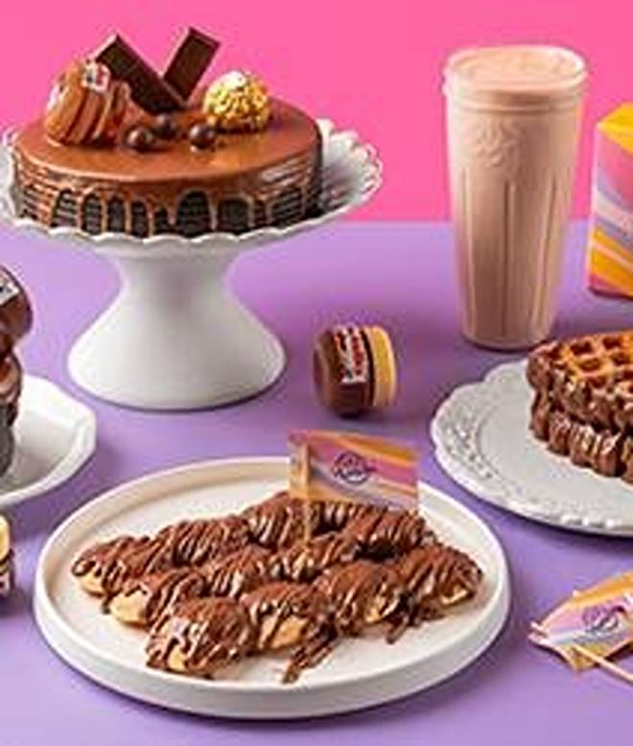
🍊 Restaurant Information

Name | 99 Pancakes
Area | Akota
Rating | 4.4
Total Ratings | 104 ratings
Cuisines | Waffle, Bakery
Cost for Two | ₹300 for two
Delivery Time | 22 mins
Swiggy URL | https://www.swiggy.com/city/vadodara/99-pancakes-akota-rest1038072
Scraped On | 18 Mar 2026, 10:09 am

── Menu Stats ──
Total Items | 100
Veg Items | 0
Non-Veg Items | 0
Bestsellers | 0
Items with Photo | 100
Categories | Newly Launch, Bundles Of Joy, Holland Pancakes, Waffles, Waffle Cakes - Freshly Drops, Cakes, Desserts & More, Beverages, 99 Pancakes Store

