Info
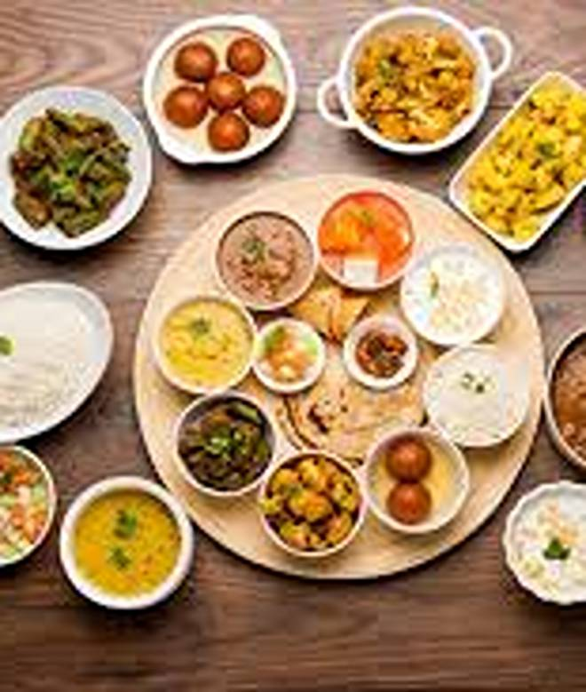
🍊 Restaurant Information

Name | Aanand Foodies
Area | Karelibaug
Rating | 3.4
Total Ratings | 115 ratings
Cuisines | Chinese, Fast Food
Cost for Two | ₹400 for two
Delivery Time | 33 mins
Swiggy URL | https://www.swiggy.com/city/vadodara/aanand-foodies-fatehgunj-karelibaug-rest1225283
Scraped On | 18 Mar 2026, 10:17 am

── Menu Stats ──
Total Items | 114
Veg Items | 0
Non-Veg Items | 0
Bestsellers | 0
Items with Photo | 80
Categories | Recommended, Thali, Deal of the day, Rice N Biryani, Paneer Main Course, Stuffed Paratha, Chinese Rice, Veg Main Course, Dal Preparation, Combo, Starters, Desserts, Kaju Special, Roti N Paratha, Papad N Raita, Beverages, Soups, Noodles

