Info
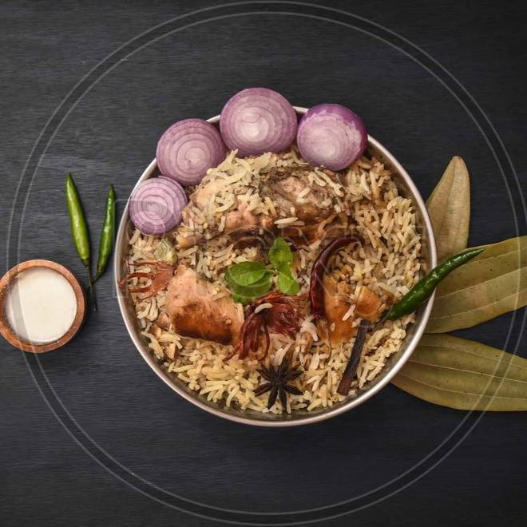
🍊 Restaurant Information

Name | Afiya Chicken Biryani
Area | Memon Colony
Rating | 4
Total Ratings | 1.8K+ ratings
Cuisines | Biryani, Chinese
Cost for Two | ₹150 for two
Delivery Time | 39 mins
Swiggy URL | https://www.swiggy.com/city/vadodara/afiya-chicken-biryani-chandranagar-society-memon-colony-rest131480
Scraped On | 18 Mar 2026, 10:19 am

── Menu Stats ──
Total Items | 11
Veg Items | 0
Non-Veg Items | 0
Bestsellers | 0
Items with Photo | 6
Categories | Recommended, Combo

