Info
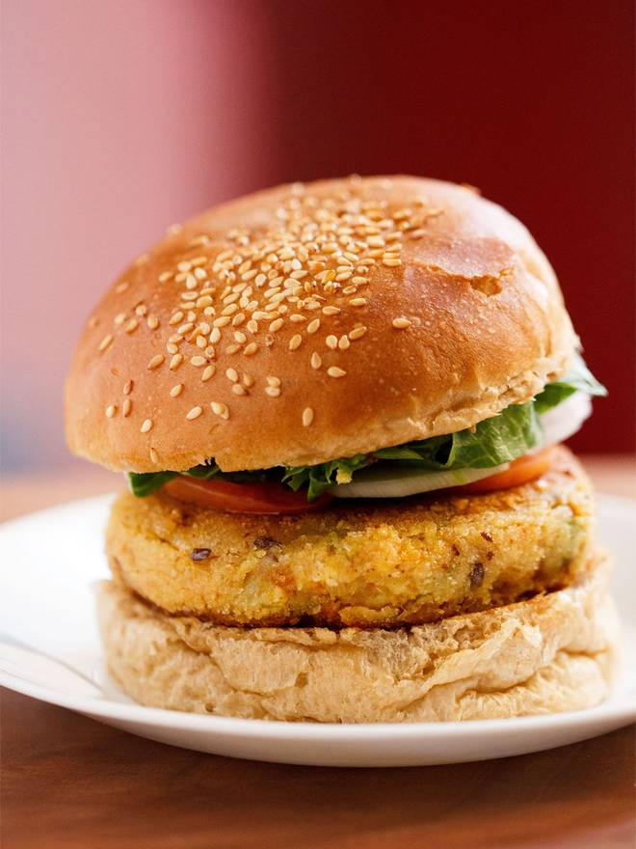
🍊 Restaurant Information

Name | Ajay's Takeaway Food
Area | Fatehgunj
Rating | 4.7
Total Ratings | 28 ratings
Cuisines | Fast Food, Italian
Cost for Two | ₹200 for two
Delivery Time | 38 mins
Swiggy URL | https://www.swiggy.com/city/vadodara/ajays-takeaway-food-seas-mall-fatehgunj-rest449487
Scraped On | 18 Mar 2026, 10:22 am

── Menu Stats ──
Total Items | 8
Veg Items | 0
Non-Veg Items | 0
Bestsellers | 0
Items with Photo | 7
Categories | Recommended, Burgers

