Info
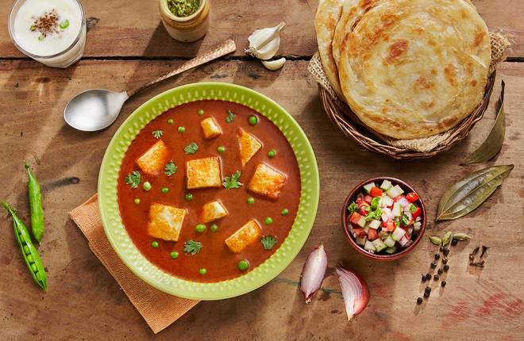
🍊 Restaurant Information

Name | Amaya - Fern Residency Vadodara
Area | Sayajiganj
Rating | 4.3
Total Ratings | 1.5K+ ratings
Cuisines | Chinese, South Indian
Cost for Two | ₹300 for two
Delivery Time | 25 mins
Swiggy URL | https://www.swiggy.com/city/vadodara/amaya-fern-residency-vadodara-sayajiganj-rest73191
Scraped On | 18 Mar 2026, 10:19 am

── Menu Stats ──
Total Items | 98
Veg Items | 0
Non-Veg Items | 0
Bestsellers | 0
Items with Photo | 57
Categories | Recommended, Main Course, Amaya Special Combo, The Breakfast Club, Fast Food Hub, Beverages, Starters, Rice & Noodles, Amaya Meal Trays, Breads

