Info
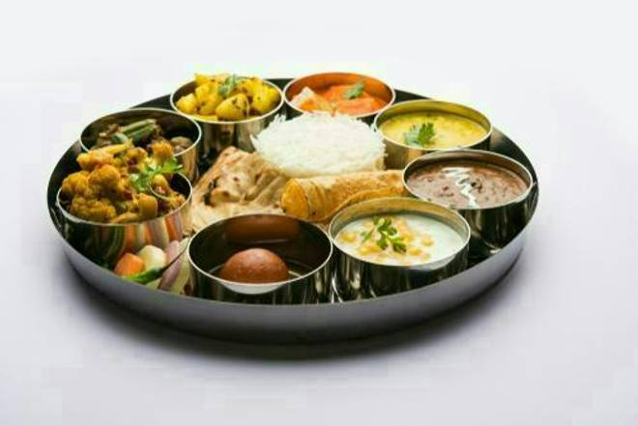
🍊 Restaurant Information

Name | Amins Food / Catering
Area | Sayajiganj
Rating | 3.7
Total Ratings | 1.1K+ ratings
Cuisines | Punjabi, kathiyawadi
Cost for Two | ₹200 for two
Delivery Time | 35 mins
Swiggy URL | https://www.swiggy.com/city/vadodara/amins-food-catering-sayajiganj-rest381115
Scraped On | 18 Mar 2026, 10:26 am

── Menu Stats ──
Total Items | 85
Veg Items | 0
Non-Veg Items | 0
Bestsellers | 0
Items with Photo | 79
Categories | Recommended, Farali Special (Agyaras), Lunch And Dinner, Gujju Chattakas(breakfast), Main Course, Paratha With Curd, Combos For Your Day, Breads, Today Special, Beverages

