Info
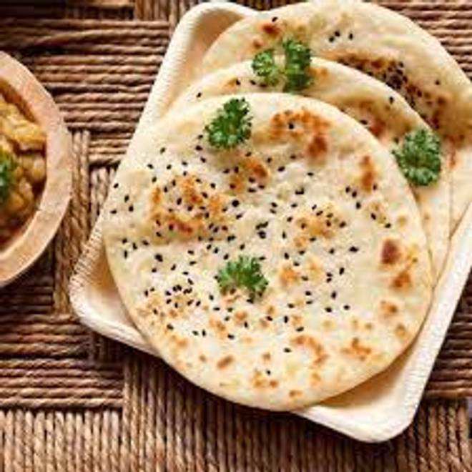
🍊 Restaurant Information

Name | Amritsari Chole Kulche
Area | Mandvi
Rating | 4
Total Ratings | 201 ratings
Cuisines | Indian
Cost for Two | ₹200 for two
Delivery Time | 34 mins
Swiggy URL | https://www.swiggy.com/city/vadodara/amritsari-chole-kulche-suresh-park-mandvi-rest792212
Scraped On | 18 Mar 2026, 10:23 am

── Menu Stats ──
Total Items | 10
Veg Items | 0
Non-Veg Items | 0
Bestsellers | 0
Items with Photo | 4
Categories | Recommended, Chole Kulche, Extra

