Info
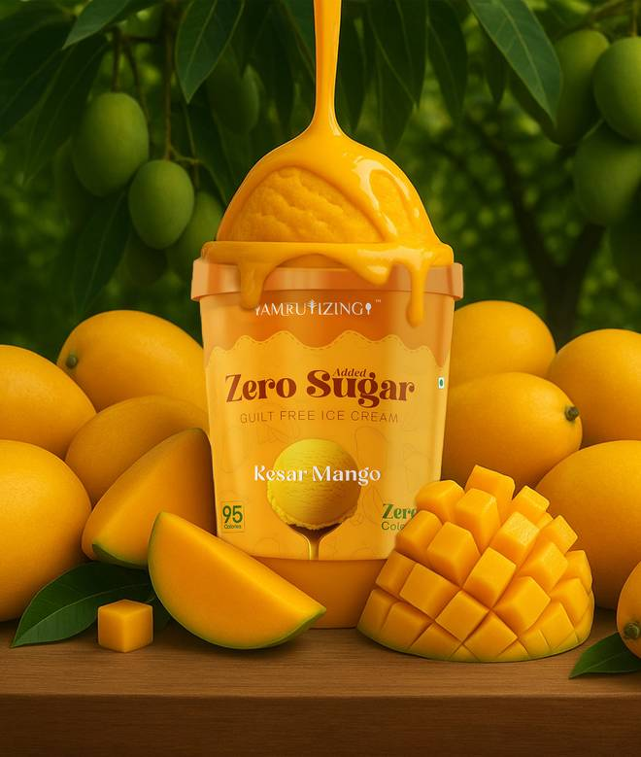
🍊 Restaurant Information

Name | Amrutizing
Area | BALAJINAGAR
Rating | 4.3
Total Ratings | 118 ratings
Cuisines | Healthy Food, Salad
Cost for Two | ₹350 for two
Delivery Time | 29 mins
Swiggy URL | https://www.swiggy.com/city/vadodara/amrutizing-bright-school-balajinagar-rest570025
Scraped On | 18 Mar 2026, 10:24 am

── Menu Stats ──
Total Items | 137
Veg Items | 0
Non-Veg Items | 0
Bestsellers | 0
Items with Photo | 110
Categories | Farali, Protein Bowls, Healthy Pizza, Healthy Wraps, Sub Sandwiches, Fruit Bowl, Varni Bowl, Healthy Drinks, Gluten-free Nachos, Cold Pressed Juice, Healthy Panipuri, Protein Shake, New Arrivals, Corn Bowl, Seasonings, Guilt-free Chocolates, Sides

