Info
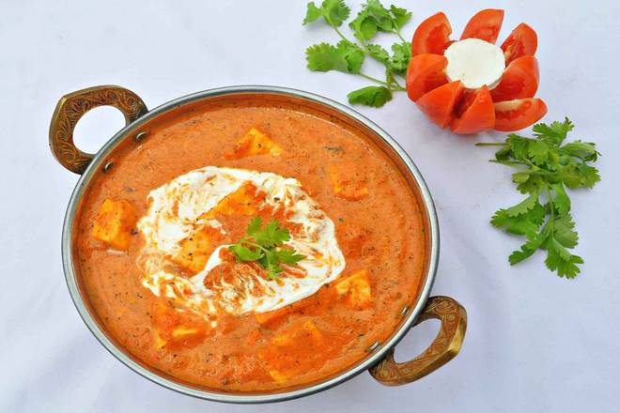
🍊 Restaurant Information

Name | Anju's Kitchen
Area | Katargam
Rating | 4.6
Total Ratings | 877 ratings
Cuisines | North Indian
Cost for Two | ₹200 for two
Delivery Time | 37 mins
Swiggy URL | https://www.swiggy.com/city/vadodara/anjus-kitchen-vaghodiya-road-katargam-rest768327
Scraped On | 18 Mar 2026, 10:15 am

── Menu Stats ──
Total Items | 68
Veg Items | 0
Non-Veg Items | 0
Bestsellers | 0
Items with Photo | 19
Categories | Recommended, Combos, Breads, Papad, Thali, Meals, Main Course, Rice And Biryani, Snacks, Maggi, Drinks Beverages, Accompaniments, Puri, Roti, Biryani, Bhurji, Aamras, Lehsun Ki Chutny, Sweets, Thepla, Lassi

