Info
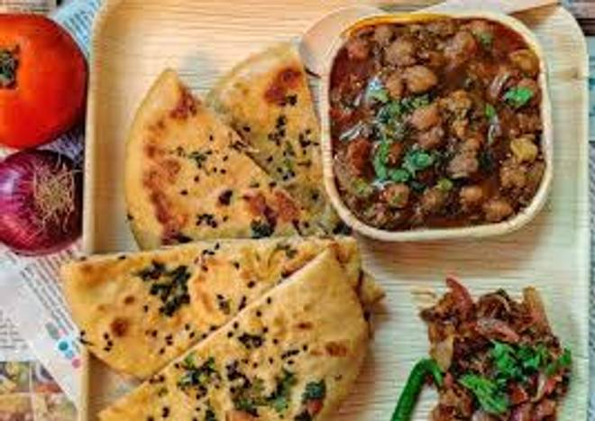
🍊 Restaurant Information

Name | Anna Dosa
Area | Akota
Rating | 3.7
Total Ratings | 67 ratings
Cuisines | South Indian
Cost for Two | ₹200 for two
Delivery Time | 19 mins
Swiggy URL | https://www.swiggy.com/city/vadodara/anna-dosa-akota-rest1034470
Scraped On | 18 Mar 2026, 10:09 am

── Menu Stats ──
Total Items | 19
Veg Items | 0
Non-Veg Items | 0
Bestsellers | 0
Items with Photo | 14
Categories | Dosa, South Indian, Snacks

