Info
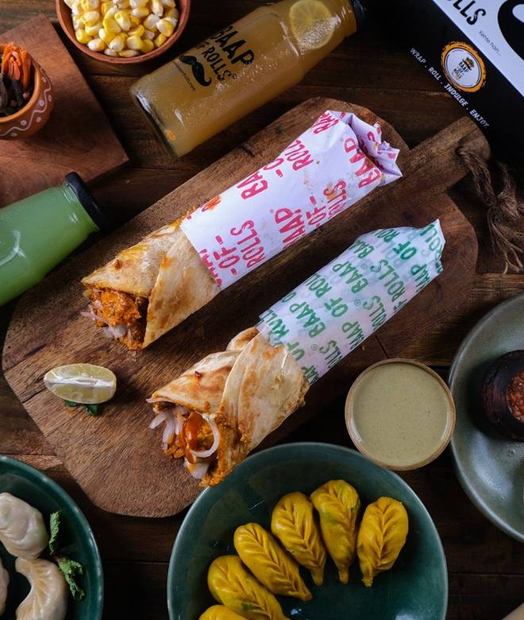
🍊 Restaurant Information

Name | Baap Of Rolls
Area | Fatehgunj
Rating | 4.6
Total Ratings | 960 ratings
Cuisines | Rolls, Snacks
Cost for Two | ₹249 for two
Delivery Time | 38 mins
Swiggy URL | https://www.swiggy.com/city/vadodara/baap-of-rolls-nizampura-rd-fatehgunj-rest870794
Scraped On | 18 Mar 2026, 10:23 am

── Menu Stats ──
Total Items | 69
Veg Items | 0
Non-Veg Items | 0
Bestsellers | 0
Items with Photo | 67
Categories | Non-veg Kaathi Rolls, Veg Kaathi Rolls, Exclusive 100% Wheat Paratha Kaathi Rolls, Baap Combo, Beta Combos, Beverages, Dessert [BOR], Veg Rolls

