Info
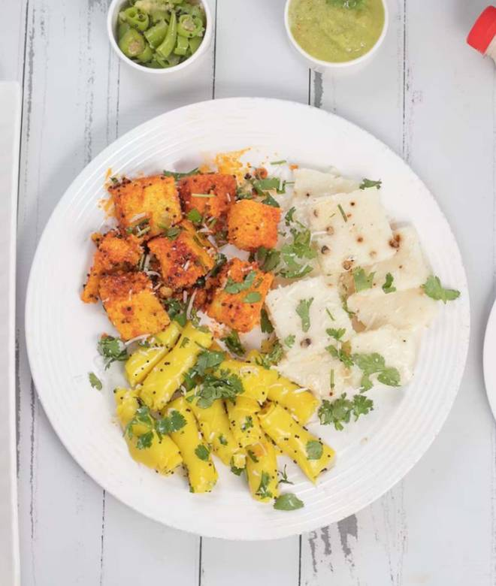
🍊 Restaurant Information

Name | Balubhai's Khaman
Area | Alkapuri
Rating | 4.6
Total Ratings | 951 ratings
Cuisines | Gujarati, Snacks
Cost for Two | ₹300 for two
Delivery Time | 14 mins
Swiggy URL | https://www.swiggy.com/city/vadodara/balubhais-khaman-dwarkesh-complex-alkapuri-rest772489
Scraped On | 18 Mar 2026, 10:14 am

── Menu Stats ──
Total Items | 24
Veg Items | 0
Non-Veg Items | 0
Bestsellers | 0
Items with Photo | 21
Categories | Recommended, Fresh Farsan, Fried Snacks, Dry Farsan, Shrikhand

