Info
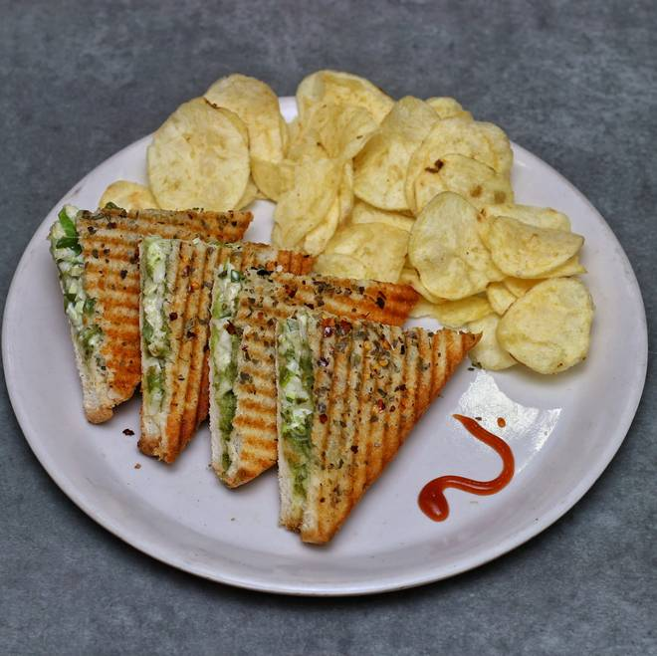
🍊 Restaurant Information

Name | Baroda Sandwich
Area | Mandvi
Rating | 3.7
Total Ratings | 984 ratings
Cuisines | Pizzas
Cost for Two | ₹200 for two
Delivery Time | 36 mins
Swiggy URL | https://www.swiggy.com/city/vadodara/baroda-sandwich-bajwada-mandvi-rest428045
Scraped On | 18 Mar 2026, 10:15 am

── Menu Stats ──
Total Items | 0
Veg Items | 0
Non-Veg Items | 0
Bestsellers | 0
Items with Photo | 0
Categories

