Info
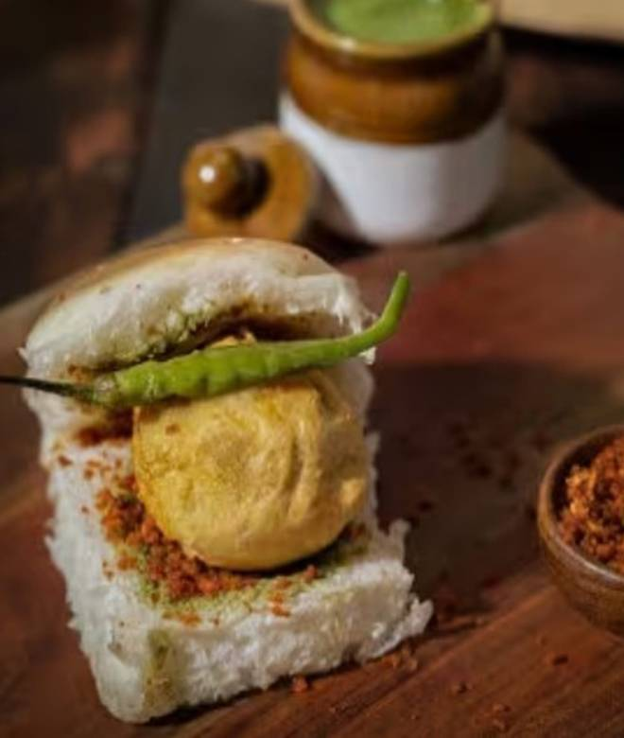
🍊 Restaurant Information

Name | Bole To Vadapav
Area | Sayajigunj
Rating | 4.4
Total Ratings | 970 ratings
Cuisines | Snacks, Beverages
Cost for Two | ₹150 for two
Delivery Time | 14 mins
Swiggy URL | https://www.swiggy.com/city/vadodara/bole-to-vadapav-sayajiganj-road-sayajigunj-rest617917
Scraped On | 18 Mar 2026, 10:16 am

── Menu Stats ──
Total Items | 56
Veg Items | 0
Non-Veg Items | 0
Bestsellers | 0
Items with Photo | 15
Categories | Bhajiya Pav, Platters, Mumbai Style Vadapav, Samosa Pav, Additional, Vadapav, Jain Special Category

